Sheet1
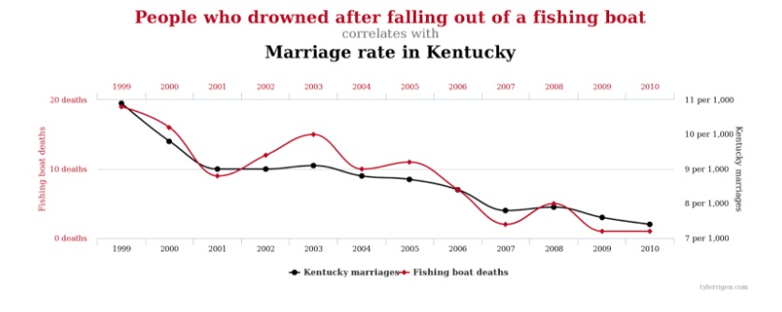
Year | Marriages | Deaths
1999 | 0.011 | 19
2000 | 0.01 | 16 | Correlation | 0.94689570186
2001 | 0.009 | 10
2002 | 0.009 | 12
2003 | 0.009 | 15
2004 | 0.0088 | 10
2005 | 0.0087 | 11
2006 | 0.0085 | 8
2007 | 0.008 | 3
2008 | 0.008 | 5
2009 | 0.0075 | 2
2010 | 0.0072 | 2

