Windows
 | github
 | https://github.com/denseicho/VITS-Bilingual

＜参考資料＞
 | 説明
 | https://www.bilibili.com/video/BV1PG411t7k4/
 | Colab demo：
 | https://colab.research.google.com/drive/1SjWrj93oLPIFuqLUtye5Kv1Yf6FiCcYz?usp=sharing

＜1＞ | 環境セットアップ
 | git clone https://github.com/denseicho/VITS-Bilingual

 | pip install torch torchvision torchaudio
 | pip install -r requirements.txt

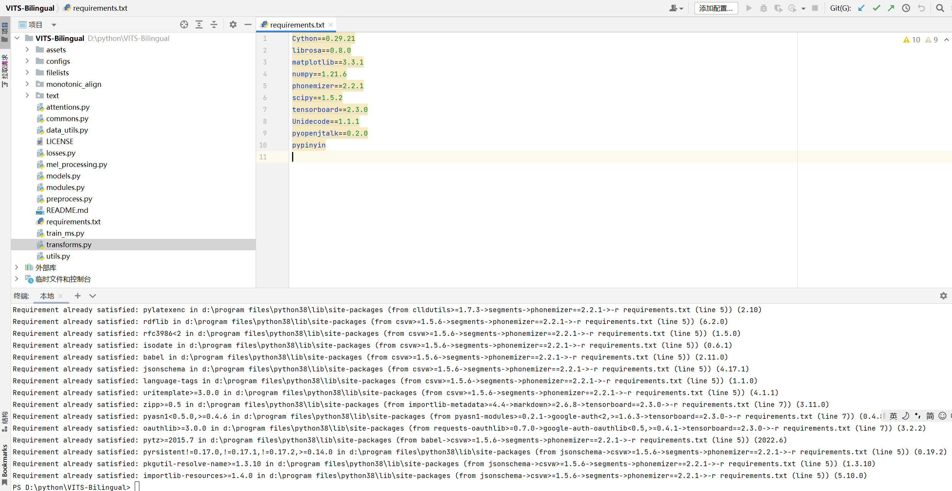

 | cd monotonic_align
 | mkdir monotonic_align
 | python setup.py build_ext --inplace

 |  | text = 'こんばんは、お疲れ様でした。' #@param {type: 'string'}
 |  | stn_tst = get_text(text, lang, hps_ms)
 |  | with torch.no_grad():
 |  | x_tst = stn_tst.unsqueeze(0)
 |  | x_tst_lengths = torch.LongTensor([stn_tst.size(0)])
 |  | audio = net_g_ms.infer(x_tst, x_tst_lengths, sid=sid, noise_scale=.667, noise_scale_w=0.8, length_scale=length_scale)[0][0,0].data.float().numpy()

 |  | # Save it on the disk
 |  | filename = './results/intro-5' #@param {type: "string"}
 |  | audio_path = f'{filename}.wav'

＜2＞ | 実行

 | 一括日本語音声の作成

 | python tts.py E:\dataset\dataset1-jp\jvs_ver1\jvs005\falset10\transcripts_utf8.txt

