Sheet1
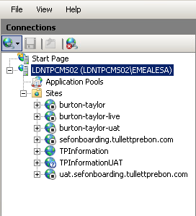
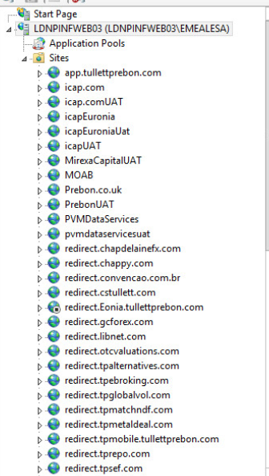
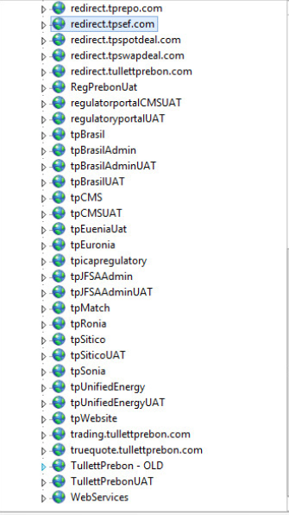
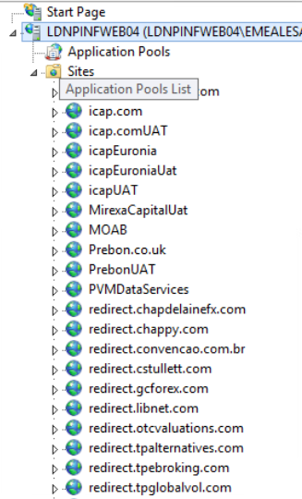
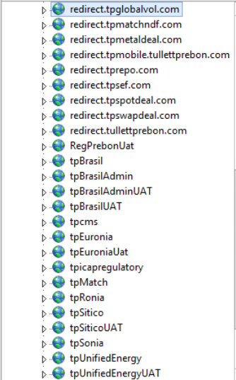

Name | Status | PhysicalPath | Protocol | IPAddress | Port | HostName | ComputerName
tpintranet | Stopped | D:\Webfolders\PROD\tpintranet | http | * | 80 | tpintranetold.eur.ad.tullib.com | LDNPINFWEB01
tpintranet | Stopped | D:\Webfolders\PROD\tpintranet | http | * | 80 | tpintranetold | LDNPINFWEB01
tpMobileAdmin | Started | D:\Webfolders\PROD\tpMobileAdmin | http | * | 80 | tpMobileAdmin | LDNPINFWEB01
tpiEODAdmin | Started | D:\Webfolders\PROD\tpiEODAdmin | http | * | 80 | tpiEODAdmin | LDNPINFWEB01
tpiEODAdminUAT | Started | D:\Webfolders\UAT\tpiEODAdmin | http | * | 80 | tpiEODAdminUAT | LDNPINFWEB01
tpMobileAdminUAT | Started | D:\Webfolders\UAT\tpMobileAdmin | http | * | 80 | tpMobileAdminUAT | LDNPINFWEB01
DailyActivitySummaryAdmin | Stopped | D:\Webfolders\PROD\DailyActivitySummaryAdmin | http | * | 80 | DailyActivitySummaryAdmin | LDNPINFWEB01
ProxyBlock | Started | D:\Webfolders\PROD\ProxyBlock | http | * | 80 | ProxyBlock | LDNPINFWEB01
tpRMDS | Started | D:\Webfolders\PROD\tpRMDS | http | * | 80 | tpRMDS | LDNPINFWEB01
tpRMDS | Started | D:\Webfolders\PROD\tpRMDS | http | * | 80 | rdms | LDNPINFWEB01
tpIrelandPowerAdmin | Started | D:\Webfolders\PROD\tpIrelandPowerAdmin | http | * | 80 | tpIrelandPowerAdmin | LDNPINFWEB01
intranetauthtest | Stopped | D:\Webfolders\PROD\tpicapIntranet_backup | http | * | 80 | intranetauthtest | LDNPINFWEB01
bpm | Stopped | D:\Webfolders\PROD\bpm | http | * | 80 | bpm | LDNPINFWEB01
tpHRAdmin | Started | D:\Webfolders\PROD\tpHRAdmin | http | * | 80 | tpHRAdmin | LDNPINFWEB01
tpHRAdminUAT | Started | D:\Webfolders\UAT\tpHRAdmin | http | * | 80 | tpHRAdminUAT | LDNPINFWEB01
StaffPhoto | Started | D:\Webfolders\PROD\StaffPhoto | http | * | 80 | staffphoto | LDNPINFWEB01
StaffPhoto | Started | D:\Webfolders\PROD\StaffPhoto | http | * | 80 | staffphoto.eur.ad.tullib.com | LDNPINFWEB01
tpicapintranet | Started | D:\Webfolders\PROD\tpicapintranet | http | * | 80 | tpicapintranet | LDNPINFWEB01
tpicapintranet | Started | D:\Webfolders\PROD\tpicapintranet | http | * | 80 | tpicapintranet.eur.ad.tullib.com | LDNPINFWEB01
tpicapintranet | Started | D:\Webfolders\PROD\tpicapintranet | http | * | 80 | tpicapintranet.apac.ad.tullib.com | LDNPINFWEB01
tpicapintranet | Started | D:\Webfolders\PROD\tpicapintranet | http | * | 80 | tpicapintranet.na.ad.tullib.com | LDNPINFWEB01
tpicapintranet | Started | D:\Webfolders\PROD\tpicapintranet | http | * | 80 | tpicapintranet.corp.ad.tullib.com | LDNPINFWEB01
tpicapintranet | Started | D:\Webfolders\PROD\tpicapintranet | http | * | 80 | tpicapintranet-old | LDNPINFWEB01
tpicapintranet | Started | D:\Webfolders\PROD\tpicapintranet | http | * | 80 | tpicapintranet-old.corp.ad.tullib.com | LDNPINFWEB01
tpicapintranet | Started | D:\Webfolders\PROD\tpicapintranet | http | * | 80 | tpicapintranet-old.eur.ad.tullib.com | LDNPINFWEB01
Intranet Redirect | Stopped | D:\Webfolders\PROD\intranetRedirect | http | * | 80 | intranetredirect | LDNPINFWEB01
Intranet Redirect | Stopped | D:\Webfolders\PROD\intranetRedirect | http | * | 80 | intranet | LDNPINFWEB01
Intranet Redirect | Stopped | D:\Webfolders\PROD\intranetRedirect | http | * | 80 | tpintranet | LDNPINFWEB01
Intranet Redirect | Stopped | D:\Webfolders\PROD\intranetRedirect | http | * | 80 | tpintranet.eur.ad.tullib.com | LDNPINFWEB01
tpicap.com Redirect | Started | D:\Webfolders\PROD\tpicapRedirect | http | * | 80 | tpicap.com | LDNPINFWEB01
tpicap.com Redirect | Started | D:\Webfolders\PROD\tpicapRedirect | http | * | 80 | www.tpicap.com | LDNPINFWEB01
oneshare Redirect | Stopped | D:\Webfolders\PROD\oneshare | http | * | 80 | oneshare | LDNPINFWEB01
ukfacilities | Stopped | D:\Webfolders\PROD\ukfacilities | http | * | 80 | ukfacilities | LDNPINFWEB01
ukfacilities | Stopped | D:\Webfolders\PROD\ukfacilities | http | * | 80 | ukfacilities.corp.ad.tullib.com | LDNPINFWEB01
SSLTemp.com | Stopped | D:\ | http | * | 80 |  | LDNPINFWEB01
ica Redirect | Stopped | D:\Webfolders\PROD\ICA | http | * | 80 | mycompliance | LDNPINFWEB01
ica Redirect | Stopped | D:\Webfolders\PROD\ICA | http | * | 80 | mycompliance.corp.ad.tullib.com | LDNPINFWEB01
tplegacy | Stopped | D:\Webfolders\PROD\tplegacy | http | * | 80 | tplegacy | LDNPINFWEB01
regulatoryCMS | Started | D:\Webfolders\PROD\tpicapregulatorycms | http | * | 80 |  | LDNPINFWEB01
regulatoryCMS | Started | D:\Webfolders\PROD\tpicapregulatorycms | http | * | 80 | regulatoryCMS | LDNPINFWEB01
RIMS | Stopped | D:\WebFolders\Rims | http | * | 80 | Rims | LDNPINFWAP01
Rats | Stopped | D:\WebFolders\Rats | http | * | 80 | Rats | LDNPINFWAP01
Rats | Stopped | D:\WebFolders\Rats | http | * | 80 | Rats2 | LDNPINFWAP01
BIS | Stopped | D:\WebFolders\BIS | http | * | 80 | BIS | LDNPINFWAP01
BIS | Stopped | D:\WebFolders\BIS | http | * | 80 | BIS.eur.ad.tullib.com | LDNPINFWAP01
Triarch | Stopped | D:\WebFolders\Triarch | http | * | 80 | Triarch | LDNPINFWAP01
DataSales | Stopped | D:\WebFolders\Datasales | http | * | 80 | DataSales | LDNPINFWAP01
CreditResearchAdminUAT | Stopped | D:\WebFolders\CreditResearchAdminUAT | http | * | 80 | CreditResearchAdminUAT | LDNPINFWAP01
CreditResearchAdmin | Stopped | D:\WebFolders\CreditResearchAdmin | http | * | 80 | CreditResearchAdmin | LDNPINFWAP01
CreditResearchUAT | Stopped | D:\WebFolders\CreditResearchUAT | http | * | 80 | CreditResearchUAT | LDNPINFWAP01
CreditResearch | Stopped | D:\WebFolders\CreditResearch | http | * | 80 | CreditResearch | LDNPINFWAP01
MarkerSupport | Stopped | D:\WebFolders\MarkerSupport | http | * | 80 | MarkerSupport | LDNPINFWAP01
SSLKB | Stopped | D:\WebFolders\SSLKB | http | * | 80 | SSLKB | LDNPINFWAP01
SSLKB | Stopped | D:\WebFolders\SSLKB | http | * | 80 | sslkb.eur.ad.tullib.com | LDNPINFWAP01
PMReport | Stopped | D:\WebFolders\PMReport | http | * | 80 | PMReport | LDNPINFWAP01
QueueMonitor | Stopped | D:\WebFolders\QueueMonitor | http | * | 80 | QueueMonitor | LDNPINFWAP01
FTP Sites | Started | D:\FTPFolders | ftp | 10.72.32.31 | 21 |  | LDNPINFWAP01
tpiDataAdmin | Stopped | D:\WebFolders\tpiDataAdmin | http | * | 80 | tpiDataAdmin | LDNPINFWAP01
netapp | Stopped | D:\WebFolders\netapp | http | 10.72.32.31 | 80 |  | LDNPINFWAP01

