Summary
FileName | FolderName | HostCount | Machine group | Status
Elastic_00 | brzpinfpms01 | 1 | brzpinfpms01\Elastic_00 | Completed
Elastic_00 | hkg1ws7001 | 8 | hkg1ws7001\Elastic_00 | Completed
1-Elastic_00 | ldn1ws7001 | 31 | ldn1ws7001\1-Elastic_00 | Completed
2-Elastic_00 | ldn1ws7001 | 31 | ldn1ws7001\2-Elastic_00 | Completed
3-Elastic_00 | ldn1ws7001 | 21 | ldn1ws7001\3-Elastic_00 | Completed
Elastic_00 | ldn1ws7001 | 31 | ldn1ws7001\Elastic_00 | Completed
Elastic_00 | ldn1ws7002 | 31 | ldn1ws7002\Elastic_00 | Completed
Elastic_00 | ldn1ws7003 | 21 | ldn1ws7003\Elastic_00 | Only 2 Servers failed | The System was not found euw1ws0110.ebdev.tpebroking.com euw1ws0118.ebdev.tpebroking.com Findings on both Servers: Both are RTO when pinging on Shavlik Server Can ping the Gateway of their Subnet on Shavlik Server Can ping other Servers on the same subnet on Shavlik Server Based on Check_MK, a pattern was seen where it always went down every 7 days | 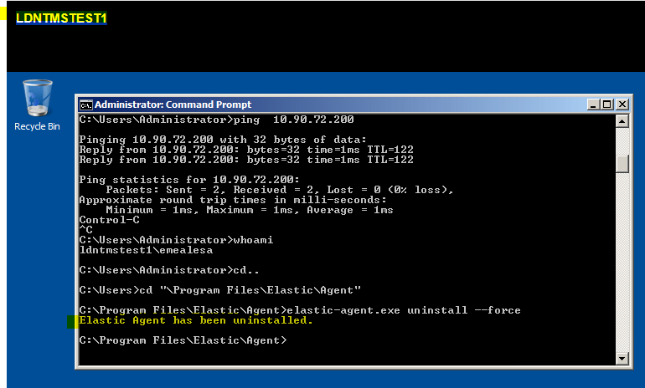
1-Elastic_00 | ldn2ws7001 | 31 | ldn2ws7001\1-Elastic_00 | only 1 Server failed | Access to the remote registry is denied LDNTMSTEST1.corp.ad.tullib.com Caused: LDNTMSTEST1 was really under EUR domain. Replaced the Credential from CORP PMS to EUR PMS Manually ran the uninstall.bat on LDNTMSTEST1
2-Elastic_00 | ldn2ws7001 | 26 | ldn2ws7001\2-Elastic_00 | Completed
Elastic_00 | ldn2ws7001 | 31 | ldn2ws7001\Elastic_00 | Completed
Elastic_00 | ldn2ws7002 | 31 | ldn2ws7002\Elastic_00 | Completed
Elastic_00 | ldn2ws7003 | 8 | ldn2ws7003\Elastic_00 | Completed
Elastic_00 | njc1ws3458 | 1 | njc1ws3458\Elastic_00 | Completed
Elastic_00 | njc1ws5465 | 1 | njc1ws5465\Elastic_00 | Completed
Elastic_00 | njc2ws3293 | 9 | njc2ws3293\Elastic_00 | Completed
Elastic_00 | njc2ws3866 | 8 | njc2ws3866\Elastic_00 | Completed
Elastic_00 | SNG1WS7001 | 22 | SNG1WS7001\Elastic_00 | Completed
Elastic_00 | SNG2WS7001 | 19 | SNG2WS7001\Elastic_00 | Completed
Elastic_00 | SYD1WS7001 | 1 | SYD1WS7001\Elastic_00 | Completed
 | Total | 363 | Total\

