Fund Activity Summary
Fund Activity Summary for the period of 03/01/2026 to 03/31/2026

Generated by kwan.kim@kcpc.org on 2026-04-19 14:51

Fund | Beginning Balance | Income | Expenses | Net Income (Expense) | Transfer | Net Increase (Decrease) | Ending Balance | [Beginning of Fiscal Year] Balance
DC Campus | 51,365.83 | 0.00 | 0.00 | 0.00 | 0.00 | 0.00 | 51,365.83 | 51,365.83
DF-Intern Pastor Scholarship | 24,450.00 | 0.00 | 0.00 | 0.00 | 0.00 | 0.00 | 24,450.00 | 24,450.00
DF-Mission Fundraisers | 15,510.00 | 0.00 | 0.00 | 0.00 | 0.00 | 0.00 | 15,510.00 | 15,510.00
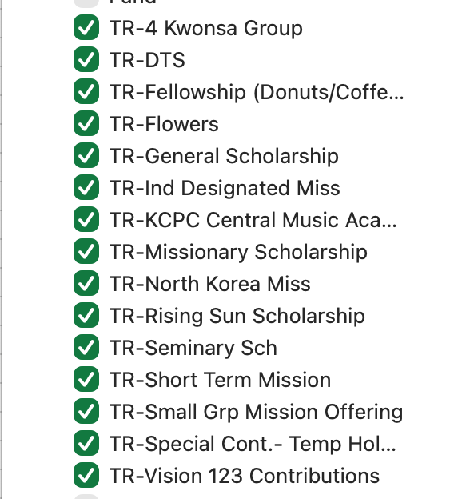
DF-New Church Operating Reserve | 505,801.52 | 0.00 | 0.00 | 0.00 | 0.00 | 0.00 | 505,801.52 | 505,801.52
DF-Relief Fund | 26,361.00 | 0.00 | 0.00 | 0.00 | 0.00 | 0.00 | 26,361.00 | 26,361.00
DF-Special Project Reserve | -192,502.55 | 0.00 | 0.00 | 0.00 | 0.00 | 0.00 | -192,502.55 | -192,502.55
DF-Staff Pension | 42,620.17 | 0.00 | -1,571.91 | 1,571.91 | 0.00 | 1,571.91 | 44,192.08 | 42,620.17
TR-DC Campus | 100.00 | 0.00 | 0.00 | 0.00 | 0.00 | 0.00 | 100.00 | 100.00
TR-4 Kwonsa Group | 6,528.26 | 0.00 | -14.22 | 14.22 | 0.00 | 14.22 | 6,542.48 | 2,012.77
TR-Counseling Operation | 3,737.00 | 0.00 | 0.00 | 0.00 | 0.00 | 0.00 | 3,737.00 | 3,737.00
TR-Culpepper | 28,868.00 | 0.00 | 0.00 | 0.00 | 0.00 | 0.00 | 28,868.00 | 28,868.00
TR-DTS | 3,220.22 | 0.00 | -3,212.20 | 3,212.20 | 0.00 | 3,212.20 | 6,432.42 | 7,220.22
TR-Fellowship (Donuts/Coffee) | 12,652.08 | 225.00 | 384.00 | -159.00 | 0.00 | -159.00 | 12,493.08 | 8,116.40
TR-Flowers | 7,756.34 | 902.91 | 0.00 | 902.91 | 0.00 | 902.91 | 8,659.25 | -432.01
TR-General Scholarship | 9,132.30 | 25.30 | 0.00 | 25.30 | 0.00 | 25.30 | 9,157.60 | 8,032.00
TR-Ind Designated Miss | 35,245.00 | 6,310.00 | 14,485.00 | -8,175.00 | 0.00 | -8,175.00 | 27,070.00 | 20,760.00
TR-KCPC Central Music Academy | 5,854.41 | 0.00 | -24,720.30 | 24,720.30 | 0.00 | 24,720.30 | 30,574.71 | 37,865.34
TR-Missionary Scholarship | 20,833.73 | 2,313.08 | 0.00 | 2,313.08 | 0.00 | 2,313.08 | 23,146.81 | 18,353.68
TR-New Church Equipment Fund | 30,694.00 | 0.00 | 0.00 | 0.00 | 0.00 | 0.00 | 30,694.00 | 30,694.00
TR-North Korea Miss | 99,219.44 | 2,070.00 | 0.00 | 2,070.00 | 0.00 | 2,070.00 | 101,289.44 | 81,443.44
TR-Rising Sun Scholarship | 7,650.60 | 0.00 | 0.00 | 0.00 | 0.00 | 0.00 | 7,650.60 | 7,500.00
TR-Seminary Sch | -23,523.82 | 145.39 | 0.00 | 145.39 | 0.00 | 145.39 | -23,378.43 | -24,284.47
TR-Senior Party | 6,550.54 | 0.00 | 0.00 | 0.00 | 0.00 | 0.00 | 6,550.54 | 6,550.54
TR-Short Term Mission | 12,935.59 | 1,095.00 | 5,769.31 | -4,674.31 | 0.00 | -4,674.31 | 8,261.28 | 7,712.07
TR-Small Grp Mission Offering | 17,715.94 | 5,675.80 | 0.00 | 5,675.80 | 0.00 | 5,675.80 | 23,391.74 | 2,905.40
TR-Special Cont.- Temp Holding | -17,024.05 | 8,619.99 | 53,399.99 | -44,780.00 | 0.00 | -44,780.00 | -61,804.05 | -10,691.38
TR-State Beautification | 6,736.80 | 0.00 | 0.00 | 0.00 | 0.00 | 0.00 | 6,736.80 | 6,736.80
TR-Summer Camp | 13,394.85 | 0.00 | 0.00 | 0.00 | 0.00 | 0.00 | 13,394.85 | 13,394.85
TR-Vision 123 Contributions | 87,944.09 | 79,809.66 | 0.00 | 79,809.66 | -916,470.56 | -836,660.90 | -748,716.81 | 270,366.19
TR-Women's Ministry | 6,853.00 | 0.00 | 0.00 | 0.00 | 0.00 | 0.00 | 6,853.00 | 6,853.00
Total | 856,680.29 | 107,192.13 | 44,519.67 | 62,672.46 | -916,470.56 | -853,798.10 | 2,882.19 | 1,007,419.81

