Setup Instructions
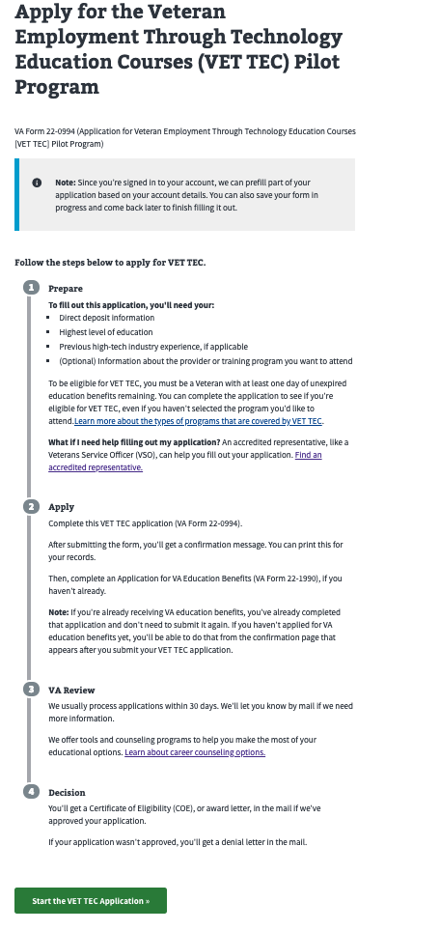
How to navigate to Form 22-0994 (VET TEC) within va.gov staging
https://staging.va.gov/education/how-to-apply/

Start by navigating to https://staging.va.gov/education/how-to-apply/
Scroll down the page to "Find Your Education Benefits Form" green button. Click the button.
Select "Applying for a new benefit"
Select " Yes" regarding whether or not your are a veteran or servicemember claiming a benefit based on your own service.
Select "No" regarding whether or not you are claiming a "National Call to Service" education benefit.
Select "Yes" in response to whether or not you are applying for Veteran Employment Through Technology Education Courses (VET TEC).
Click the "Apply Now" button.
Click the "Start Education Application" button
Sign in using ID.me unique credentials provided at the bottom of each test case. Note that each test case has its own credentials in an effort to help us track testing results.
On the "Apply for the Veteran Employment Through Technology Education Courses (VET TEC) Pilot Program" page select "Start a New Application" button

**At this point the user should see the first screen of the VET TEC (0994) interview, screen shot below- ADMIN NOTE: advance to one of the Launch testing tabs within this workbook

