MHV_High_Level_Contact
 |  | My healthevet Category Report

Report Dates:

10/1/2015 Thru 9/20/2016

Reflects Top 30% of Service Request

 | 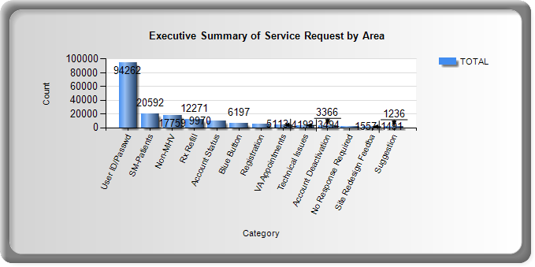

 |  |  | Type of Contacts | TOTALS
 |  |  | Direct Call | 136,654
 |  |  | MHV IRIS | 29,127
 |  |  | MHV POC | 175
 |  |  | Email | 22,229

