Screen shots v.1
SCREEN SHOTS v.1
MEDICATION INFORMATION

Name of drug
Strength of drug
Dosage
Form
Instructions / directions for use
Notes:
Source of medication information: va/nonVA/remote
Prescription Status :

FYI- This is the prescription label that is seen by Veterans and Caregivers.
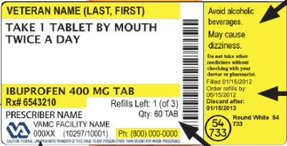

IDENTIFICATION

Full name of patient as recognized by VA standards
Full date of birth as recognized by VA standards
Other patient identifiers as needed
Known patient Allergies and Adverse Drug Reactions (ADRs)
Prescriber and Pharmacy Information
Facility contact information

ADDITIONAL INFORMATION

Time and date the medication list was printed/published
Documentation of Veteran/family/caregiver education
(Patient responsibilities)Instructions ot the patient regarding the importance of their role in keeping this information maintained, updated and toshare those updates with their heal care team.
A glossary of pharmacy prescription status

RECOMMENDED INFORMATION

Documentation via white space, structured fields and/or text of patient specific information that may impact medication treatment planning such as educational considerations, any cognitive or physical impairment, whether a female patient may be pregnant and or lactating, elderly, has a chronic illness such as kidney or liver disease, and so forth.

