Sheet1
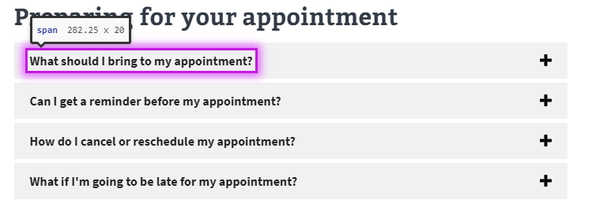
Foundation Testing for: Eastern Oklahoma health care system
Pages being tested: |  | System (home) | Health Services | Locations | Billing and insurance | Make an appointment | Medical Records office | Suicide prevention | Policies

1 | Color Contrast* | X | X | X | X | X | X | X | X
2 | Content Zoom** | X | X | X | X | X | X | X | X
3 | Keyboard "Tab" Nav. | X | X | X | X | X | X | X | X
4 | Axe-Core Browser | ***4 Items found | 1-3, 4a Below. | 5) below | 1-3 Below, 6 below | 1-4, & 5 below, 7, 8 below | 1-4 Below, 6, 8, | 1-4 Below | 1-4, & 6 below
4.1: Findings and resolution: |  | All items are on va.gov Banner page. VAMC cannot change. Reported to CMS team. | 4-67 All buttons are image and show as potential issue with contrast. False positive, contrast standards are met. | Resolution: Story issued to CMS/Facilities to resolve. Clinis with now Phone numbers are not readable. | Item on va.gov header. | No additional issues | No additional issues | No additional issues | No additional issues
 |  | 4 Total - All in Header | 67 total - False pos. | 4 total issues listed in #5 | 4 total issues (header) | 10 total issues | 10 total issues | 4 total issues | 5 total issues

 | *(Text= 4.5:1, Adjacent Color 3:1 )
 | **(Mobile, 200%,300%,400%)

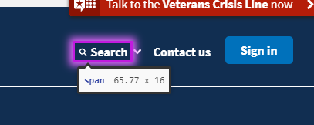
***(See below) |  |  |  |  | 4a.
1) |  |  |  |  | 4

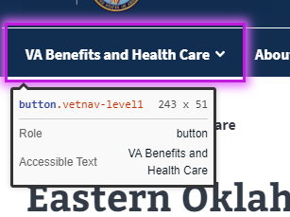
2)

 |  |  |  |  | 5) API pulled in text is not visible to Screen readers.

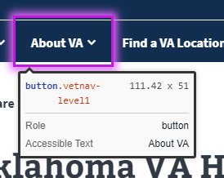
3)

 |  |  |  |  | 6) (Moderate) Landmarks must have a unique role or role/label/title (i.e. accessible name) combination

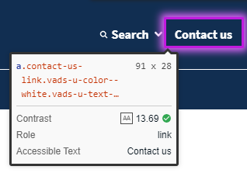
4)

 |  |  |  |  | 7) Unable to determine contrast ratio (False Positive)
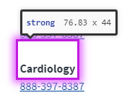

 |  |  |  |  | 8) Element's background color could not be determined due to a background image (Contrast)

