Setup Instructions
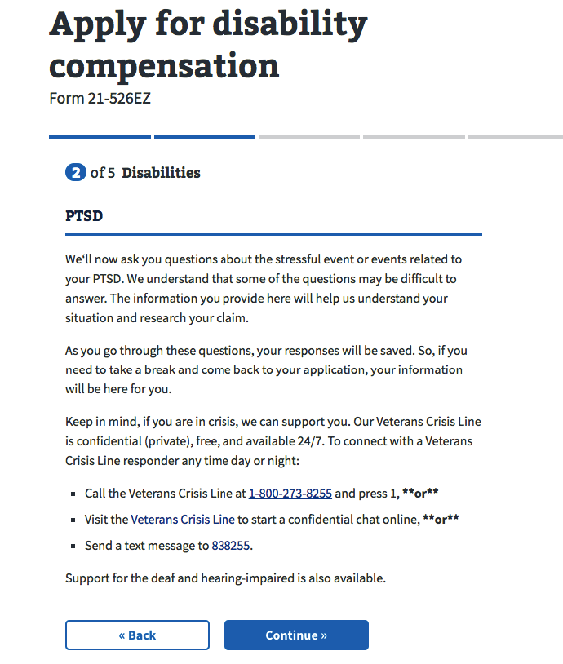
How to navigate to PTSD interview within va.gov staging
(https://staging.va.gov/disability-benefits/apply/form-526-all-claims)

Login with Veteran credentials provided
View message indicating 'You already have an Intent to File' and click Continue button
Verify personal information and click Continue button
Have you served under a different name? question- select No and click Continue button
Have you received military retired pay at any time? Question- select No and click Continue button
Military service history- enter if required and then click Continue button
Did you serve in a combat zone after Sept 11, 2011? Question- select No and click Continue button
Reserves and National Guard Information- enter required information and then click Continue button
Federal Orders question- select No and click Continue button
Disabilities introduction screen- click Continue button
Rated Disabilities screen; do not select any disabilities on this page- click Continue button
Do you have any new conditions that you want to add to your claim? Select Yes and click Continue button | Additional Instructions in GitHub: https://github.com/department-of-veterans-affairs/vets.gov-team/blob/master/Products/Disability%20Compensation/BAH-526/testing/README.md
New condition page- enter PTSD in text field (and select 'PTSD post traumatic stress disorder') and click Continue button
Now we're going to ask you followup questions- click Continue button

**At this point the user should see the first screen of the PTSD (0781/0781a) interview, screen shot below- ADMIN NOTE: advance to one of the Launch testing tabs within this workbook

