5. PFC
FLOW CHART FOR -NBL CHASSIS -1170750 Rev H
Item No | Part No | Description | Qtr/Str | Sketch | PROCESS |  |  |  |  |  |  |  | IMAGE Reference |  |  | PROCESS |  |  |  |  |  | Sketch | Qtr/Str | Description | Part No | Item No
1 | 4100016 | LIFTING RING | 5 |  | PLASMA CUTTING | INSPECTION | CHMAFERING | INSPECTION |  |  |  |  |  | 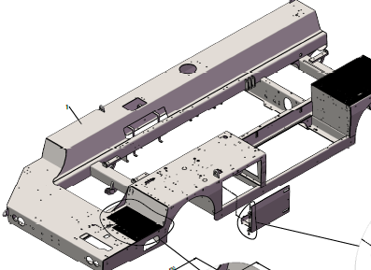 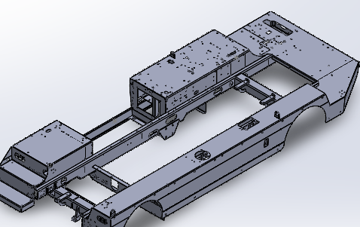 |  |  |  |  |  | INSPECTION | PLASMA CUTTING |  | 4 | GUSSET,BEARING SUPPORT | 1062279 | 41
2 | 9207506 | HINGE,BATTERY DOOR | 2 |  | PLASMA CUTTING | INSPECTION | MACHINING | INSPECTION |  |  |  |  |  |  |  |  |  |  |  | INSPECTION | PLASMA CUTTING |  | 2 | COVERPLATE,REAR TRAVERSE | 1062297 | 42
3 | 1170644 | RIGHT SIDEMEMBER | 1 |  | LASER CUTTING | INSPECTION | TAPPING & COUNTER DRILLING | INSPECTION | BENDING | INSPECTION | WELDING | INSPECTION |  |  |  |  |  | INSPECTION | DRILLING | INSPECTION | PLASMA CUTTING |  | 2 | SUPPORT,REAR AXLE | 1062303 | 43
4 | 1171846 | RIGHT FENDER | 1 |  | LASER CUTTING | INSPECTION | COUNTER DRILLING | INSPECTION | BENDING | INSPECTION |  |  |  |  |  |  |  |  |  | INSPECTION | PLASMA CUTTING |  | 1 | PLATEN,REAR AXLE | 1171845 | 44
5 | 1171869 | RIGHT SUPPORT,FRONT AXLE | 1 |  | LASER CUTTING | INSPECTION | BENDING | INSPECTION |  |  |  |  |  |  |  |  |  |  |  | INSPECTION | PLASMA CUTTING |  | 1 | PLATEN,REAR AXLE | 1171860 | 45
6 | 1048022 | CABLE TIE | 3 |  | BANDSAWCUTTING | INSPECTION | BENDING | INSPECTION |  |  |  |  |  |  |  |  |  | INSPCETION | WELDING | INSPECTION | SUB ASSEMBLY |  | 1 | REAR YOKE,FRAME | 1062283 | 46
7 | 9408876 | HOLD CABLES | 3 |  | BANDSAWCUTTING | INSPECTION | BENDING | INSPECTION |  |  |  |  |  |  |  |  |  |  |  | INSPECTION | PLASMA CUTTING |  | 1 | PLATE 1 | 1062283-1 | 47
8 | 1171848 | BALLAST SUPPORT | 1 |  | LASER CUTTING | INSPECTION | BENDING | INSPECTION |  |  |  |  |  |  |  |  |  | INSPECTION | TAPPING | INSPECTION | LASER CUTTING |  | 2 | PLATE 2 | 1062283-2 | 48
9 | 1119609 | REAR LEFT | 1 |  | LASER CUTTING | INSPECTION | BENDING | INSPECTION |  |  |  |  |  |  |  |  |  |  |  | INSPECTION | BANDSAW CUTTING |  | 1 | REAR TRAVERSE | 1062289 | 49
10 | 1061954 | SHEET,ACCESS STEP | 1 |  | LASER CUTTING | INSPECTION | COUNTER DRILLING & TAPPING | INSPECTION | BENDING | INSPECTION |  |  |  |  |  |  |  | INSPECTION | DRILLING | INSPECTION | PLASMA CUTTING |  | 2 | FRONT SUPPORT,BEARING | 1062277 | 50
11 | 9408882 | PIG SUPPORT | 3 |  | LASER CUTTING | INSPECTION |  |  |  |  |  |  |  |  |  |  |  | INSPCETION | WELDING | INSPECTION | SUB ASSEMBLY |  | 1 | FRONT YOKE,FRAME | 1062282 | 51
12 | 9408885 | PROTECTION,FRONT LEFT | 1 |  | PLASMA CUTTING | INSPECTION | BENDING | INSPECTION |  |  |  |  |  |  |  |  |  |  |  | INSPECTION | PLASMA CUTTING |  | 1 | FRONT YOKE,FRAME | 1062282-1 | 52
13 | 1061968 | RIGHT SUPPORT,ELECTRICAL BOX | 1 |  | LASER CUTTING | INSPECTION | BENDING | INSPECTION |  |  |  |  |  |  |  |  |  | INSPECTION | TAPPING | INSPECTION | LASER CUTTING |  | 2 | FRONT YOKE,FRAME | 1062282-2 | 53
14 | 1119570 | FRONT SHEET, FRAME, NBL | 1 |  | LASER CUTTING | INSPECTION | COUNTER DRILLING & TAPPING | INSPECTION | BENDING | INSPECTION |  |  |  |  |  |  |  |  |  | INSPECTION | BANDSAW CUTTING |  | 1 | FRONT TRAVERSE | 1062281 | 54
15 | 1171867 | SHEET,WHEEL ARCH,FRONT RIGHT | 1 |  | PLASMA CUTTING | INSPECTION | BENDING | INSPECTION |  |  |  |  |  |  |  |  |  | INSPECTION | BENDING | INSPECTION | LASER CUTTING |  | 1 | TRAVERSE,LEFT OUTSIDE | 1062241 | 55
16 | 1061977 | WHEEL ARCH,FRONT LEFT | 1 |  | LASER CUTTING | INSPECTION | COUNTER DRILLING & TAPPING | INSPECTION | BENDING | INSPECTION |  |  |  |  |  |  | INSPECTION | BENDING | TAPPING | INSPECTION | LASER CUTTING |  | 1 | TRAVERSE,FRONT SUPPORT BATTERY | 1062266 | 56
17 | 1062561 | CABLE TIE | 1 |  | BANDSAWCUTTING | INSPECTION | BENDING | INSPECTION |  |  |  |  |  |  |  | INSPECTION | BENDING | INSPECTION | DRILLING &TAPPING | INSPECTION | LASER CUTTING |  | 1 | LEFT SIDEMEMBER | 1170643 | 57
18 | 9408894 | LEVEL STOP | 4 |  | PLASMA CUTTING | INSPECTION | DRILLING & TAPPING | INSPECTION |  |  |  |  |  |  |  |  |  | INSPECTION | BENDING | INSPECTION | LASER CUTTING |  | 2 | SUPPORT,REAR LIGHT | 1169741 | 58
19 | 9408896 | FIXATION PLATE,LEVEL | 2 |  | PLASMA CUTTING | INSPECTION | DRILLING & TAPPING | INSPECTION |  |  |  |  |  |  |  |  |  |  |  | INSPECTION | LASER CUTTING |  | 1 | TRAVERSE FIXATION | 1062267 | 59
20 | 1062041 | SHEET,WHEEL ARCH,FRONT LEFT | 1 |  | LASER CUTTING | INSPECTION | TAPPING | INSPECTION |  |  |  |  |  |  |  |  |  | INSPECTION | BENDING | INSPECTION | LASER CUTTING |  | 1 | TRAVERSE,RIGHT OUTSIDE | 1062246 | 60
21 | 9408902 | LIGHT SUPPORT | 1 |  | PLASMA CUTTING | INSPECTION | BENDING | INSPECTION |  |  |  |  |  |  |  |  |  | INSPECTION | BENDING | INSPECTION | LASER CUTTING |  | 1 | SHEET,WHEEL ARCH,REAR LEFT | 1062045 | 61
22 | 9408903 | LIGHT SUPPORT | 1 |  | PLASMA CUTTING | INSPECTION | BENDING | INSPECTION |  |  |  |  |  |  |  |  |  | INSPECTION | BENDING | INSPECTION | LASER CUTTING |  | 1 | REAR TRAVERSE | 1062367 | 62
23 | 9408904 | ELECTRIC BOX SUPPORT | 1 |  | LASER CUTTING | INSPECTION | BENDING | INSPECTION |  |  |  |  |  |  |  |  |  | INSPECTION | BENDING | INSPECTION | LASER CUTTING |  | 1 | TRAVERSE,REAR SUPPORT BATTERY | 1061948 | 63
TACKWELD
24 | 1062065 | REAR RIGHT SHEET,FRAME,NBL | 1 |  | LASER CUTTING | INSPECTION | BENDING | INSPECTION |  |  |  |  |  |  |  |  |  |  |  | INSPECTION | PLASMA CUTTING |  | 1 | GUSSET,REAR TRAVERSE | 1062390 | 64
INSPECTION
25 | 1062060 | FR SHEET,BAGAGE COMPARTMENT | 1 |  | LASER CUTTING | INSPECTION | COUNTER DRILLING | INSPECTION |  |  |  |  |  |  |  |  |  |  |  | INSPECTION | BANDSAW CUTTING |  | 1 | ROUND,Ø12-LG100 | 1067879 | 65
26 | 9408912 | TS11,LG105 | 8 |  | BANDSAWCUTTING | INSPECTION |  |  |  |  |  |  |  |  |  |  |  | INSPECTION | BENDING | INSPECTION | BANDSAW CUTTING |  | 3 | WIRE CLIP | 1078991 | 66
FULLWELDING
27 | 9408910 | TS11,LG220 | 3 |  | BANDSAWCUTTING | INSPECTION |  |  |  |  |  |  |  |  |  |  |  | INSPECTION | BENDING | INSPECTION | BANDSAW CUTTING |  | 6 | ROUND,CABLE FIXATION,Ø6 Lg: 200 | 1046446 | 67
INSPECTION
28 | 1062081 | BRIDLE,FUEL TANK | 2 |  | SUB ASSEMBLY | INSPECTION | WELDING | INSPECTION |  |  |  |  |  |  |  |  |  |  |  | INSPECTION | LASER CUTTING |  | 2 | FIXING FLAT | 1178295 | 68
29 | 1062081-1 | BRIDLE,FUEL TANK | 2 |  | LASER CUTTING | INSPECTION | BENDING | INSPECTION |  |  |  |  |  |  |  |  |  | INSPECTION | WELDING | INSPECTION | SUB ASSEMBLY |  | 1 | BRAKE HOSE BRACKET | 1212163 | 69
DRESSING
30 | 1062081-2 | BRIDLE,FUEL TANK | 2 |  | LASER CUTTING | INSPECTION | BENDING | INSPECTION |  |  |  |  |  |  |  |  |  | INSPECTION | BENDING | INSPECTION | BANDSAW CUTTING |  | 1 | BRAKE HOSE BRACKET | 1212163-1 | 70
31 | 1172075 | BRIDLE,HYDRAULIC TANK | 2 |  | SUB ASSEMBLY | INSPECTION | WELDING | INSPECTION |  |  |  |  |  |  |  |  |  |  |  | INSPECTION | BANDSAW CUTTING |  | 1 | BRAKE HOSE BRACKET | 1212163-2 | 71
INSPECTION
32 | 1172075-1 | BRIDLE,HYDRAULIC TANK | 2 |  | LASER CUTTING | INSPECTION | BENDING | INSPECTION |  |  |  |  |  |  |  |  |  |  |  | INSPECTION | LASER CUTTING |  | 1 | WHEEL STRAIGHT | 1196404-1 | 72
SHOTBLASTING
33 | 1172075-2 | BRIDLE,HYDRAULIC TANK | 2 |  | LASER CUTTING | INSPECTION | BENDING | INSPECTION |  |  |  |  |  |  |  |  |  | INSPECTION | WELDING | INSPECTION | SUB ASSEMBLY |  | 1 | BATTERY SUPPORT | 9501945 | 73
34 | 9408880 | SHEET,RIGHT FRONT | 1 |  | LASER CUTTING | INSPECTION | BENDING | INSPECTION |  |  |  |  |  |  |  |  |  | INSPECTION | BENDING | INSPECTION | LASER CUTTING |  | 1 | BATTERY SUPPORT | 9411375 | 74
INSPECTION
35 | 9411366 | ROUND | 1 |  | BANDSAWCUTTING | INSPECTION | BENDING | INSPECTION |  |  |  |  |  |  |  |  |  | INSPECTION | BENDING | INSPECTION | LASER CUTTING |  | 1 | BATTERY SUPPORT | 9411376 | 75
PAINTING
36 | 9411369 | TS11,LG120 | 1 |  | BANDSAWCUTTING | INSPECTION |  |  |  |  |  |  |  |  |  |  |  | INSPECTION | DRILLING | INSPECTION | PLASMA CUTTING |  | 2 | BATTERY SUPPORT | 9411374 | 76
37 | 1119610 | AXLE SUPPORT | 1 |  | LASER CUTTING | INSPECTION | TAPPING | BENDING | INSPECTION |  |  |  |  |  |  |  |  |  |  | INSPECTION | BANDSAW CUTTING |  | 1 | BATTERY SUPPORT | 9411377 | 77
INSPECTION
38 | 1047967 | GUSSET | 5 |  | PLASMA CUTTING | INSPECTION |  |  |  |  |  |  |  |  |  |  |  |  |  | INSPECTION | BOP |  | 2 | SCREW CHC M12X70L 8.8Gr | 3100203 | 78
39 | 1047866 | IDENTIFICATION SHEET | 1 |  | LASER CUTTING | INSPECTION | BENDING | INSPECTION |  |  |  |  |  |  |  |  |  |  |  | INSPECTION | BOP |  | 2 | SELF LOCKED NUT M12 8.8Gr Zn Plated | 3200006 | 79
40 | 1048200 | WIRE CLIP | 1 |  | BANDSAWCUTTING | INSPECTION | BENDING | INSPECTION |  |  |  |  |  |  |  |  |  |  |  | INSPECTION | LASER CUTTING |  | 1 | PROTECTION COVER | 1178296 | 80
 |  |  |  |  |  |  |  |  |  |  |  |  |  |  |  |  |  |  |  | INSPECTION | LASER CUTTING |  | 1 | CLOSE CLMAP | 1299764 | 81

Date - 13-FEB-2026 |  |  |  |  | Prepared By: SUBRAMANI |  |  |  |  |  |  |  |  | Checked by:santhosh | Doc Description : NBL CHASSIS |  |  |  |  |  |  |  |  |  | Sheet No
 |  |  |  |  |  |  |  |  |  |  |  |  |  |  | Doc No : IE/FC/1170750-R01 |  |  |  |  |  |  |  |  |  | Sheet 1 of 1

8. MSA
 | Ingenious Engineering | PPAP DOCUMENTS | Doc. No.: F-QC-7.5.1-01 Issue Date: 16-03-2026 Rev. No & Date: 00 & 16-03-26
 |  | MSA

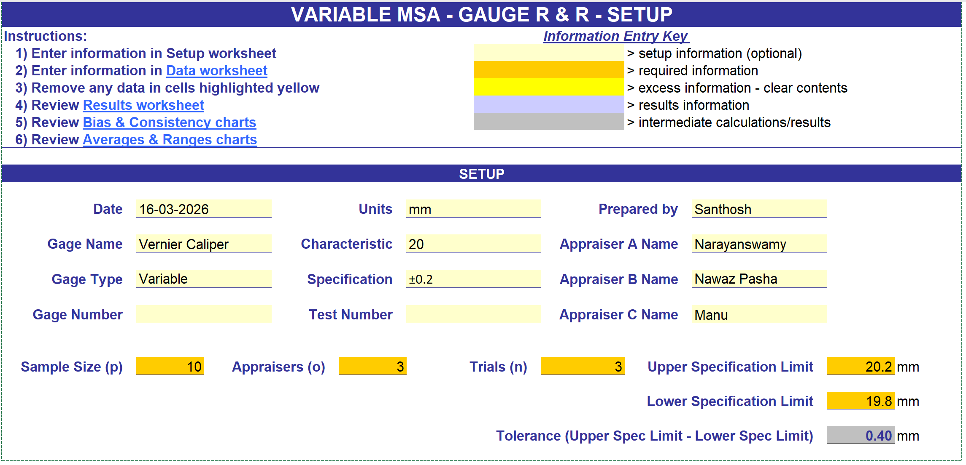

 |  |  | Prepared By | Approved By
 |  |  | Santhosh BG | Rajesh Goel

 | Ingenious Engineering | PPAP DOCUMENTS | Doc. No.: F-QC-7.5.1-01 Issue Date: 16-03-2026 Rev. No & Date: 00 & 16-03-26
 |  | MSA

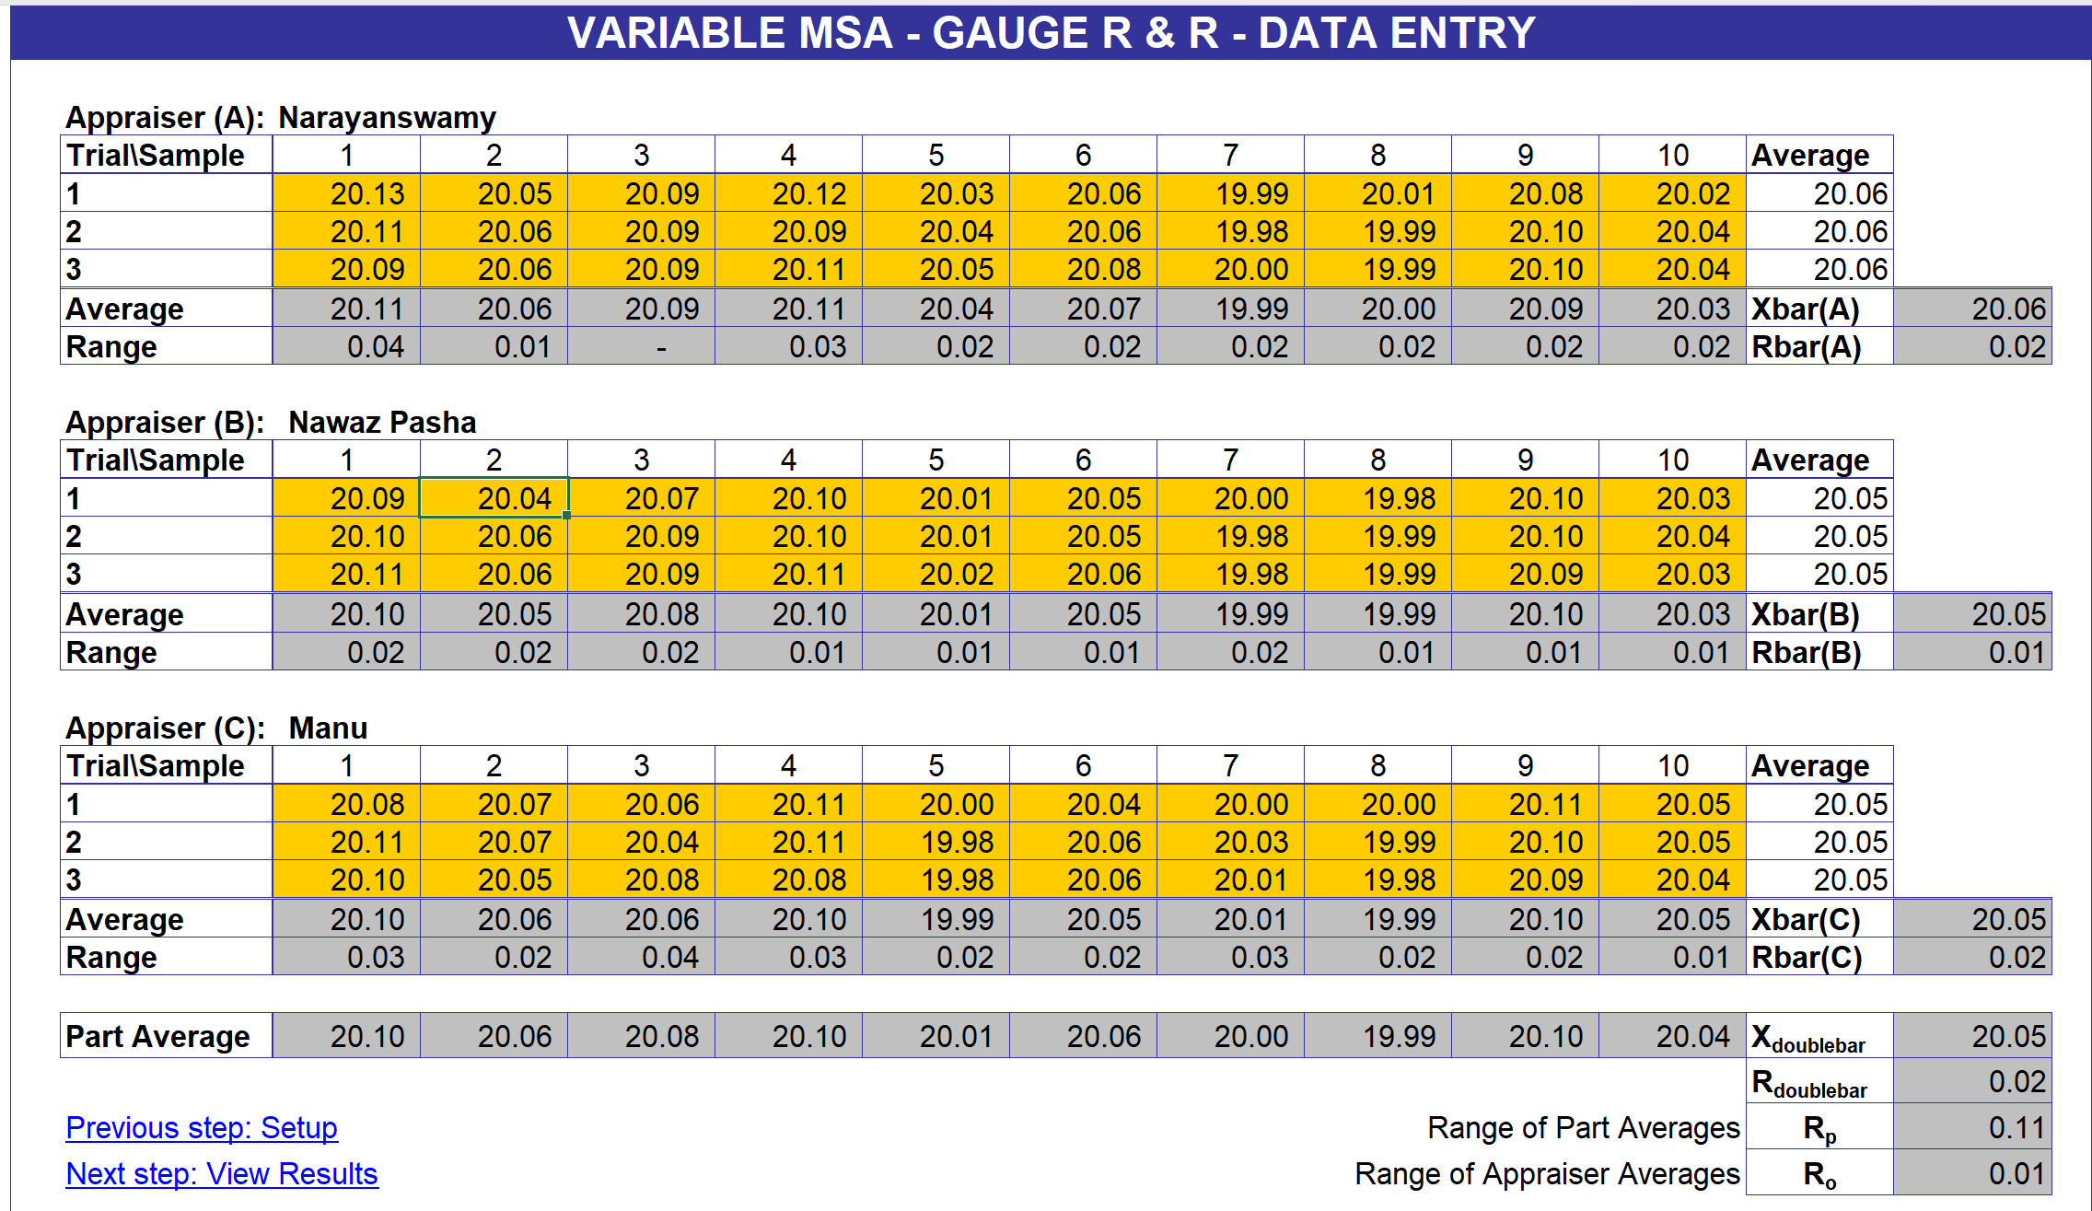

 |  |  | Prepared By | Approved By
 |  |  | Santhosh BG | Rajesh Goel

 | Ingenious Engineering | PPAP DOCUMENTS | Doc. No.: F-QC-7.5.1-01 Issue Date: 16-03-2026 Rev. No & Date: 00 & 16-03-26
 |  | MSA

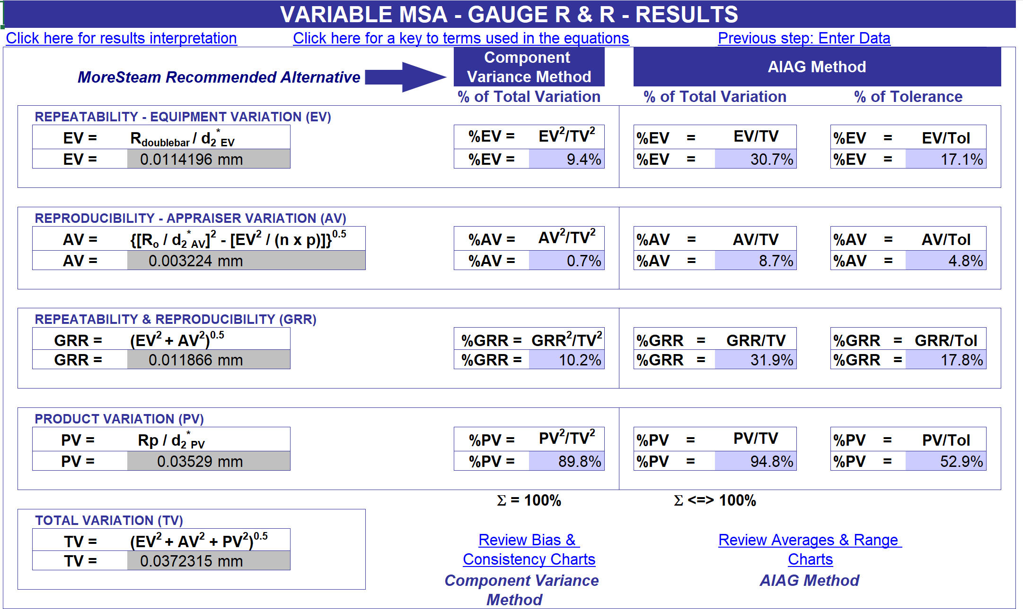

 |  |  | Prepared By | Approved By
 |  |  | Santhosh BG | Rajesh Goel

 | Ingenious Engineering | PPAP DOCUMENTS | Doc. No.: F-QC-7.5.1-01 Issue Date: 16-03-2026 Rev. No & Date: 00 & 16-03-26
 |  | MSA

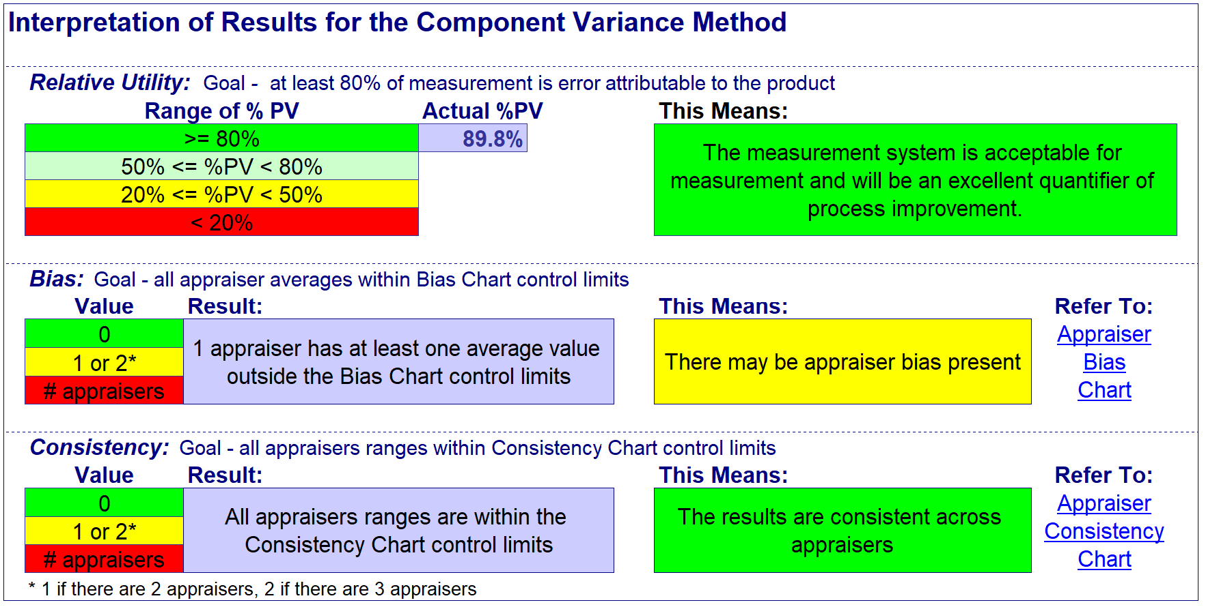

 |  |  | Prepared By | Approved By
 |  |  | Santhosh BG | Rajesh Goel

 | Ingenious Engineering | PPAP DOCUMENTS | Doc. No.: F-QC-7.5.1-01 Issue Date: 16-03-2026 Rev. No & Date: 00 & 16-03-26
 |  | MSA

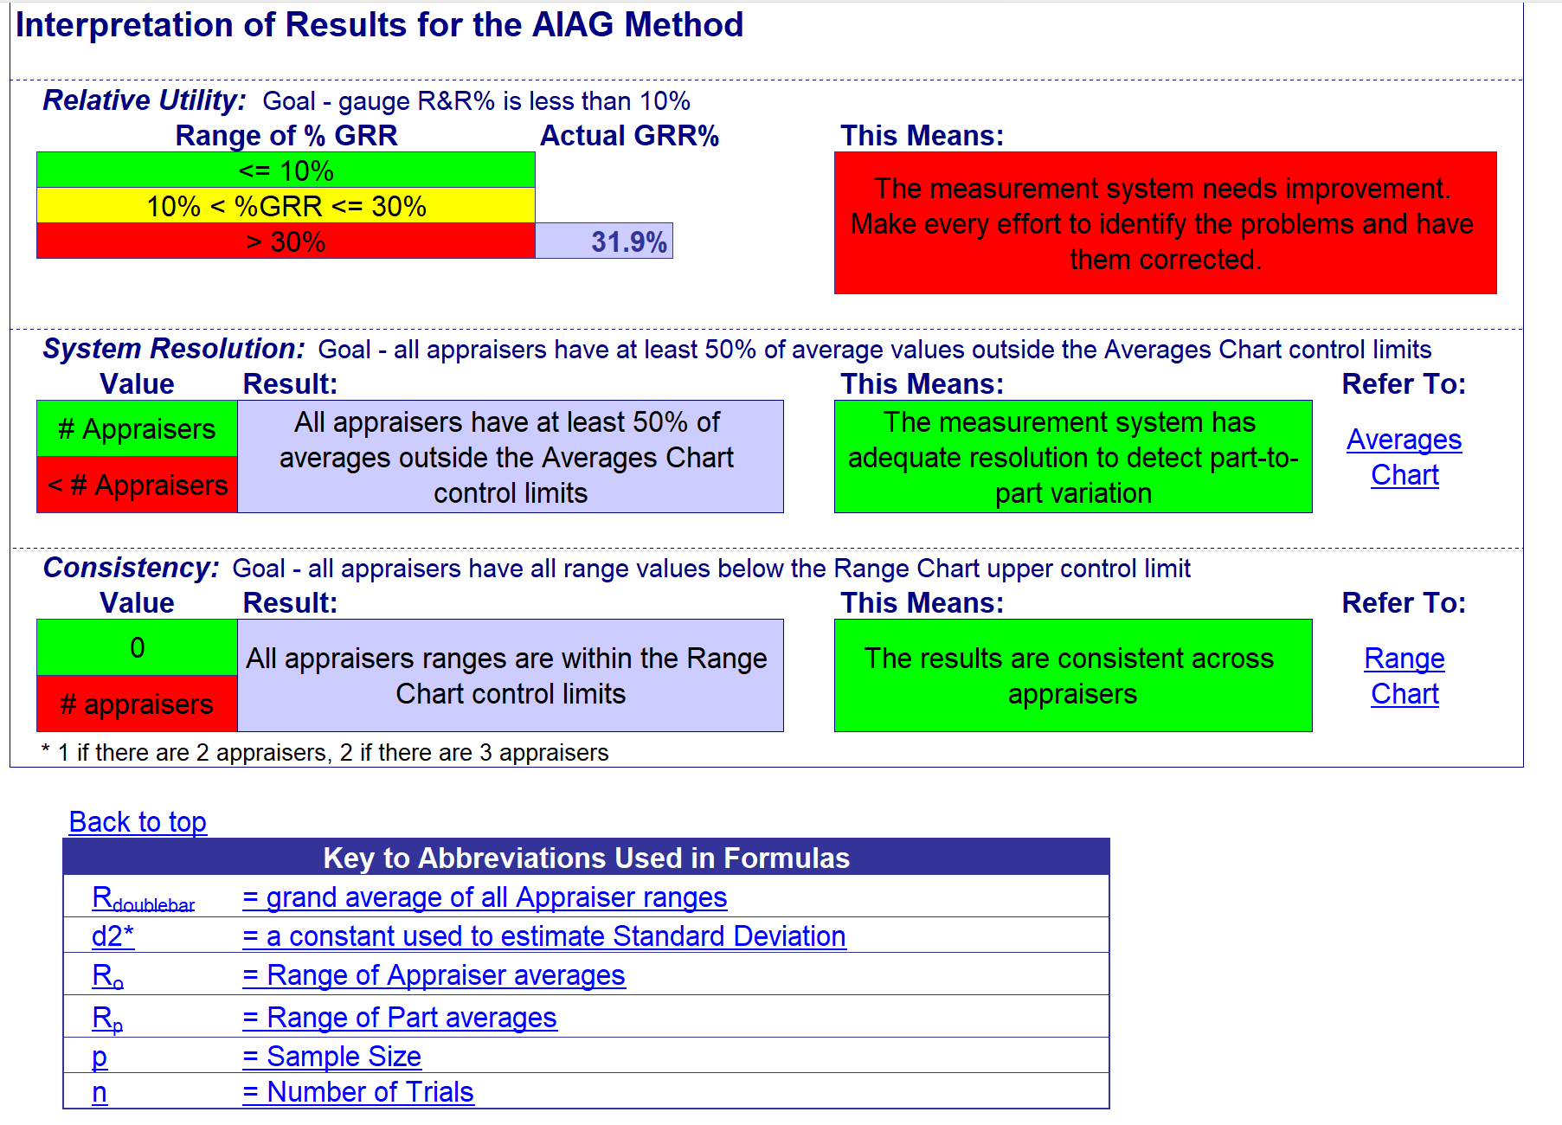

 |  |  | Prepared By | Approved By
 |  |  | Santhosh BG | Rajesh Goel

 | Ingenious Engineering | PPAP DOCUMENTS | Doc. No.: F-QC-7.5.1-01 Issue Date: 16-03-2026 Rev. No & Date: 00 & 16-03-26
 |  | MSA

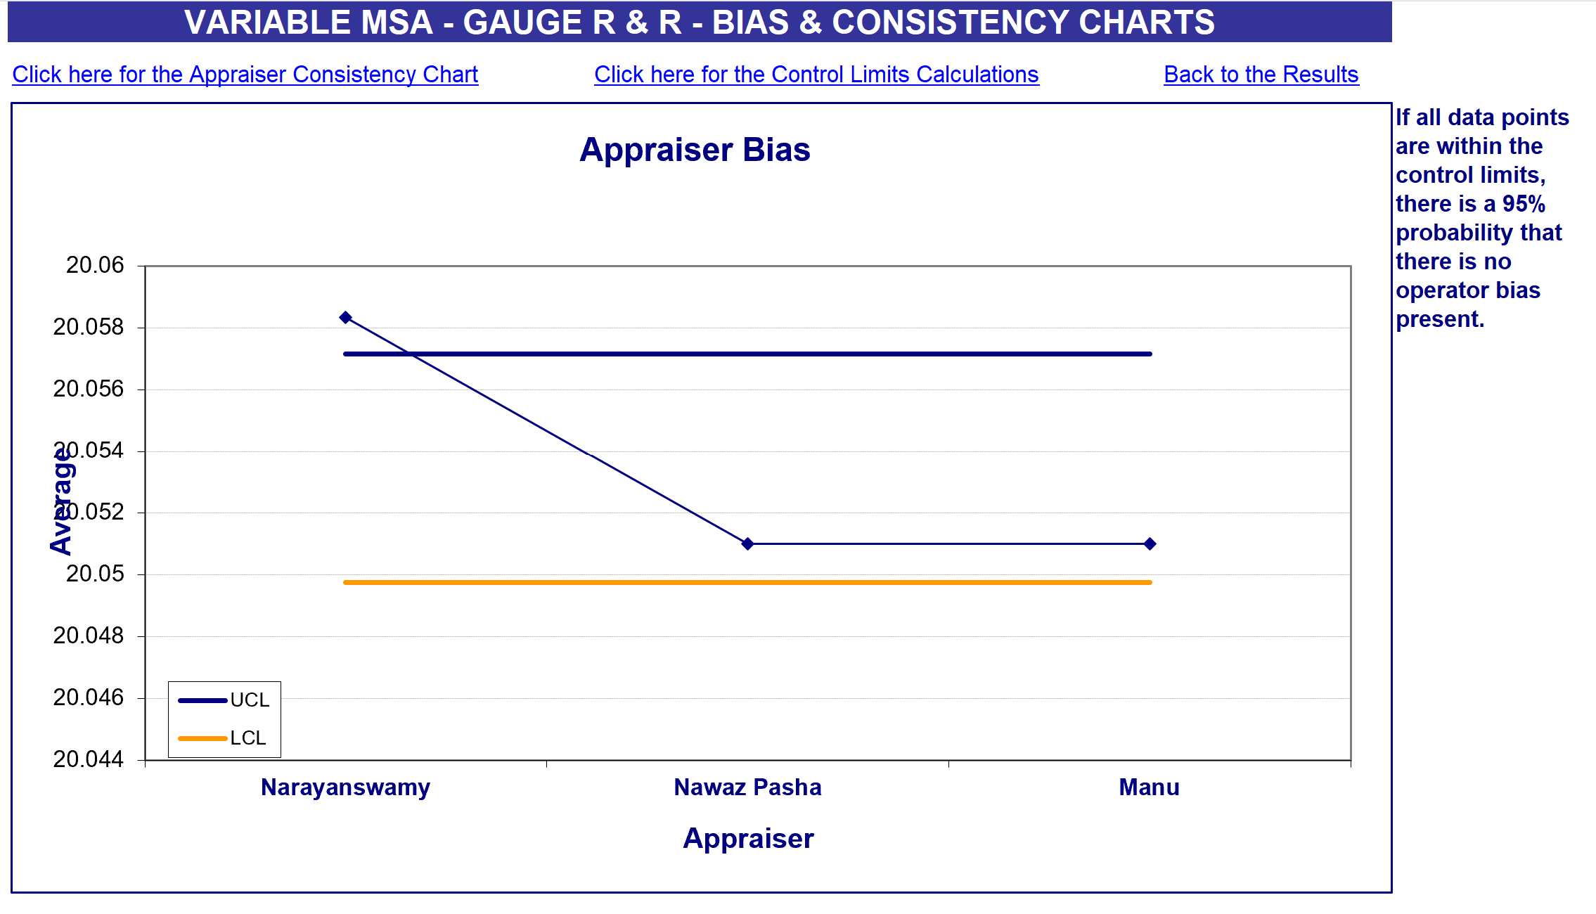

 |  |  | Prepared By | Approved By
 |  |  | Santhosh BG | Rajesh Goel

 | Ingenious Engineering | PPAP DOCUMENTS | Doc. No.: F-QC-7.5.1-01 Issue Date: 16-03-2026 Rev. No & Date: 00 & 16-03-26
 |  | MSA

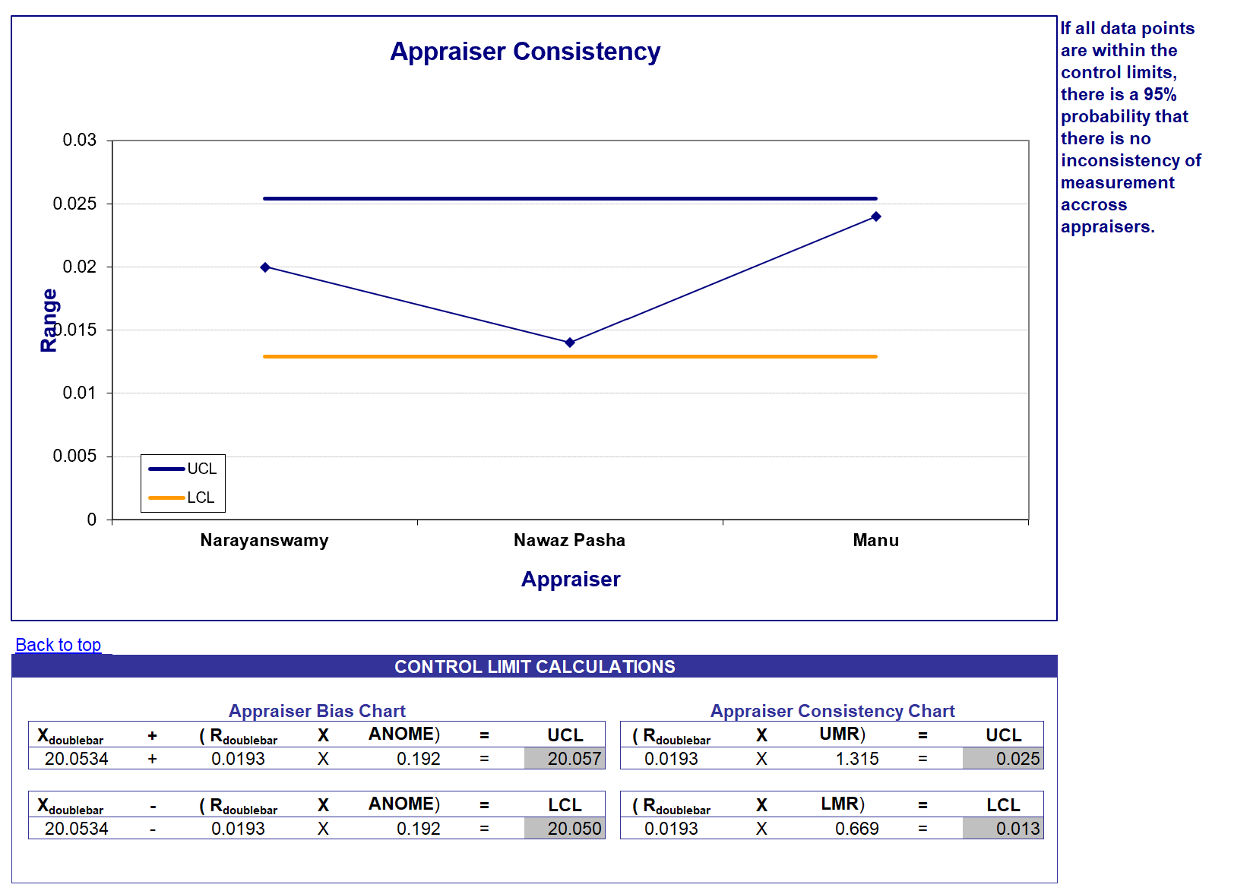

 |  |  | Prepared By | Approved By
 |  |  | Santhosh BG | Rajesh Goel

 | Ingenious Engineering | PPAP DOCUMENTS | Doc. No.: F-QC-7.5.1-01 Issue Date: 16-03-2026 Rev. No & Date: 00 & 16-03-26
 |  | MSA

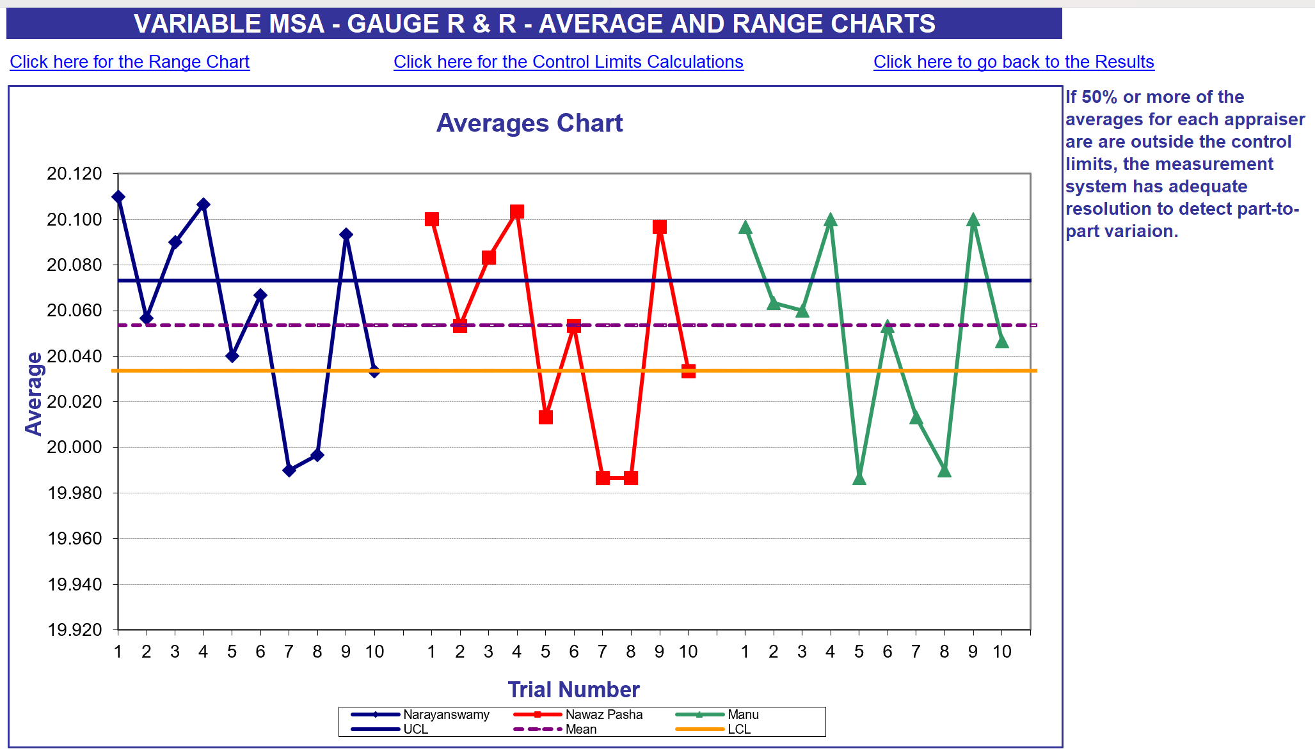

 |  |  | Prepared By | Approved By
 |  |  | Santhosh BG | Rajesh Goel

 | Ingenious Engineering | PPAP DOCUMENTS | Doc. No.: F-QC-7.5.1-01 Issue Date: 16-03-2026 Rev. No & Date: 00 & 16-03-26
 |  | MSA

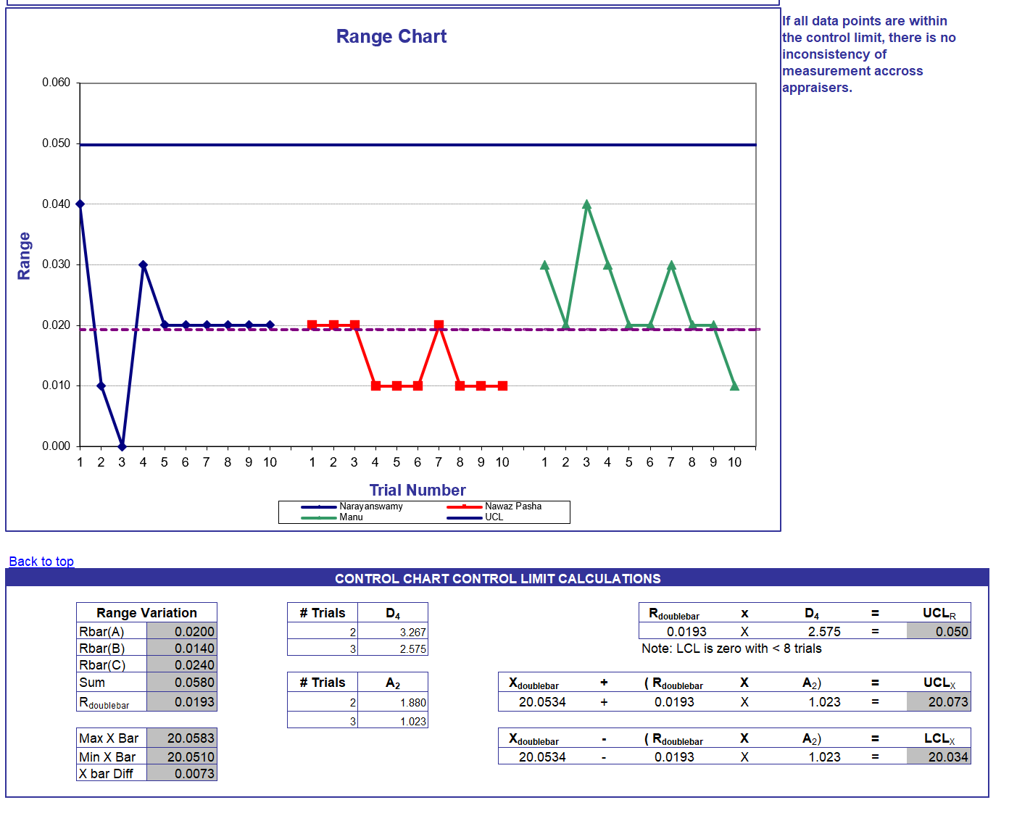

 |  |  | Prepared By | Approved By
 |  |  | Santhosh BG | Rajesh Goel

11. SPC Results-1
 |  | INGENIOUS ENGINNERING PVT. LTD. |  |  |  |  |  |  |  |  |  |  |  |  | Doc No. F-QC-9.1.1-02 Issue Date: 01-03-2023 Revision No. 00
 |  | STATISTICAL PROCESS CONTROL STUDY
PART NAME: |  | Pin, D76, 1 Level |  |  | INSTRUMENT: |  | Micrometer |  |  | L.COUNT: |  | 0.001 | SUPPLIER |  | Ingenious Engineering
PART NO.: |  | 1368082 |  |  | SPECIFIC: |  | ø76-0.460 |  |  | MACHINE: |  | SPM | Date |  | 07-05-2025
SAMPLE SIZE: |  | 25 NOS. |  |  | OPERATION: |  | Machining |  |  | NO.OF DECIMALS: |  |  | D.C. NO. |  |  | QTY. | 25NOS
DATA COLLECTION: -
SNO. | 1 | 2 | 3 | 4 | 5 |  |  |  |  |  | U.T.L. | 76.0000 |  | SAMPLE | D2 | A2 | D4
1 | 75.8620 | 75.7890 | 75.7600 | 75.8540 | 75.8750 |  |  |  |  |  |  |  |  | 1 | 1.123 | 2.560 | 3.270
2 | 75.7500 | 75.8940 | 75.8580 | 75.8620 | 75.7550 |  |  |  |  |  |  |  |  | 2 | 1.128 | 1.880 | 3.270
3 | 75.7580 | 75.8980 | 75.8550 | 75.9000 | 75.8440 |  |  |  |  |  | L.T.L. | 75.6450 |  | 3 | 1.693 | 1.020 | 2.570
4 | 75.8950 | 75.7870 | 75.9020 | 75.8900 | 75.9040 |  |  |  |  |  |  |  |  | 4 | 2.059 | 0.730 | 2.230
5 | 75.8820 | 75.8590 | 75.7850 | 75.7580 | 75.8750 |  |  |  |  |  |  |  |  | 5 | 2.326 | 0.590 | 2.110
CALCULATIONS: -
FOR HISTOGRAM
XLARGE | 75.8950 | 75.8980 | 75.9020 | 75.9000 | 75.9040 | 0.0000 | 0.0000 | 0.0000 | 0.0000 | 0.0000 | Xmax.= | 75.904 | NO.OF NON CONFORMING PART = |  |  | 0 | NOS.
XSMALL | 75.7500 | 75.7870 | 75.7600 | 75.7580 | 75.7550 |  |  |  |  |  | Xmin.= | 75.750
RANGE | 0.1450 | 0.1110 | 0.1420 | 0.1420 | 0.1490 |  |  |  |  |  | R - BAR = | 0.138 | NO. OF PARTS ABOVE U.T.L. = |  |  | 0 | NOS.
AVG. | 75.8294 | 75.8454 | 75.8320 | 75.8528 | 75.8506 |  |  |  |  |  | X - BAR = | 75.842 | NO. OF PARTS BELOW L.T.L. = |  |  | 0 | NOS.
Process Width ( P ) = |  |  | 0.1540 |  | Specification Width(S) = |  |  | 0.3551 |  | Index (K)={2 x (D-XBAR) / S}= |  |  | 0.1104 | INTERVAL |  | FREQ. | CU. FREQ.
Design Centre ( D ) = |  |  | 75.8225 |  | Interval = |  |  | 0.030800 |  | Selecting no. of classes = |  |  | 5 | 75.6576 | 75.6884 | 0 | 0
Starting Point = |  |  | 75.7500 |  | No. of readings= |  |  | 25.0000 |  | Shift Of 'X-BAR' from 'D' = |  |  | 0.019600 | 75.6884 | 75.7192 | 0 | 0
X-CHART
R-CHART
 |  |  |  |  |  |  |  |  |  |  |  |  |  | 75.7192 | 75.7500 | 0 | 0
 |  |  |  |  |  |  |  |  |  |  |  |  |  | 75.7500 | 75.7808 | 1 | 1
 |  |  |  |  |  |  |  |  |  |  |  |  |  | 75.7808 | 75.8116 | 4 | 5
 |  |  |  |  |  |  |  |  |  |  |  |  |  | 75.8116 | 75.8424 | 3 | 8
 |  |  |  |  |  |  |  |  |  |  |  |  |  | 75.8424 | 75.8732 | 0 | 8
 |  |  |  |  |  |  |  |  |  |  |  |  |  | 75.8732 | 75.9040 | 7 | 15
 |  |  |  |  |  |  |  |  |  |  |  |  |  | 75.9040 | 75.9348 | 10 | 25
 |  |  |  |  |  |  |  |  |  |  |  |  |  | 75.9348 | 75.9656 | 0 | 25
 |  |  |  |  |  |  |  |  |  |  |  |  |  | 75.9656 | 75.9964 | 0 | 25
 |  |  |  |  |  |  |  |  |  |  |  |  |  | 75.9964 | 76.0272 | 0 | 25
 |  |  |  |  |  |  |  |  |  |  |  |  |  | U.C.L.XBAR = |  | 75.923402
 |  |  |  |  |  |  |  |  |  |  |  |  |  | L.C.L.XBAR = |  | 75.76080
 |  |  |  |  |  |  |  |  |  |  |  |  |  | U.C.L.RBAR = |  | 0.290758
 |  |  |  |  |  |  |  |  |  |  |  |  |  | L.C.L.RBAR = |  | 0
 |  |  |  |  |  |  |  |  |  |  |  |  |  | Std.Dev."s"= |  | 0.05521
 |  |  |  |  |  |  |  |  |  |  |  |  |  | Cp=(S/6s)= |  | 1.07200
REMARKS: - |  | PROCESS NEEDS CORRECTION ,Cp & Cpk SHOULD BE >=1.33 |  |  |  |  |  |  |  |  |  |  |  | Cpk={1-K}xCp)= |  | 0.95370
 |  |  |  |  |  |  |  |  |  |  |  |  |  | PREPARED BY:- |  | AR

AVG. | 75.8294 | 75.8454 | 75.8320 | 75.8528 | 75.8506
X-BAR | 75.8420 | 75.8420 | 75.8420 | 75.8420 | 75.8420
U.C.L. | 75.923402 | 75.923402 | 75.923402 | 75.923402 | 75.923402
L.C.L. | 75.7608 | 75.7608 | 75.7608 | 75.7608 | 75.7608

U.C.L. | 0.2908 | 0.2908 | 0.2908 | 0.2908 | 0.2908
L.C.L. | 0.0000 | 0.0000 | 0.0000 | 0.0000 | 0.0000
R-BAR | 0.1378 | 0.1378 | 0.1378 | 0.1378 | 0.1378
RANGE | 0.1450 | 0.1110 | 0.1420 | 0.1420 | 0.1490

11. SPC Results-2
 |  | INGENIOUS ENGINEERING PVT. LTD. |  |  |  |  |  |  |  |  |  |  |  |  |  |  |  |  |  |  |  |  | Doc No. F-QC-9.1.1-02 Issue Date: 01-03-2023 Revision No. 00
 |  | STATISTICAL PROCESS CONTROL STUDY
Part Name |  | Pin, D76, 1 Level |  |  | Instrument |  |  | Micrometer |  | Least Count |  |  | 0.001 |  | Sample size (N) |  |  | 25 |  |  | Date: |  | 07-05-2025
Part No. |  | 1368082 |  |  | Specification |  |  | ø76-0.465 |  | Machine |  |  | SPM |  | Operation |  |  | Machining |  |  | Process owner |  | Ingenious engineering

Sl No. | 1 | 2 | 3 | 4 | 5 | 6 | 7 | 8 | 9 | 10 | 11 | 12 | 13 | 14 | 15 | 16 | 17 | 18 | 19 | 20 | 21 | 22 | 23 | 24 | 25
Data | 75.86 | 75.75 | 75.76 | 75.90 | 75.88 | 75.79 | 75.89 | 75.90 | 75.79 | 75.86 | 75.76 | 75.86 | 75.86 | 75.90 | 75.79 | 75.85 | 75.86 | 75.90 | 75.89 | 75.76 | 75.88 | 75.76 | 75.84 | 75.90 | 75.88
USL | 76.00 | 76.00 | 76.00 | 76.00 | 76.00 | 76.00 | 76.00 | 76.00 | 76.00 | 76.00 | 76.00 | 76.00 | 76.00 | 76.00 | 76.00 | 76.00 | 76.00 | 76.00 | 76.00 | 76.00 | 76.00 | 76.00 | 76.00 | 76.00 | 76.00
UCL | 75.95 | 75.95 | 75.95 | 75.95 | 75.95 | 75.95 | 75.95 | 75.95 | 75.95 | 75.95 | 75.95 | 75.95 | 75.95 | 75.95 | 75.95 | 75.95 | 75.95 | 75.95 | 75.95 | 75.95 | 75.95 | 75.95 | 75.95 | 75.95 | 75.95
LSL | 75.65 | 75.65 | 75.65 | 75.65 | 75.65 | 75.65 | 75.65 | 75.65 | 75.65 | 75.65 | 75.65 | 75.65 | 75.65 | 75.65 | 75.65 | 75.65 | 75.65 | 75.65 | 75.65 | 75.65 | 75.65 | 75.65 | 75.65 | 75.65 | 75.65
LCL | 75.70 | 75.70 | 75.70 | 75.70 | 75.70 | 75.70 | 75.70 | 75.70 | 75.70 | 75.70 | 75.70 | 75.70 | 75.70 | 75.70 | 75.70 | 75.70 | 75.70 | 75.70 | 75.70 | 75.70 | 75.70 | 75.70 | 75.70 | 75.70 | 75.70
Mean | 75.8225 | 75.8225 | 75.8225 | 75.8225 | 75.8225 | 75.8225 | 75.8225 | 75.8225 | 75.8225 | 75.8225 | 75.8225 | 75.8225 | 75.8225 | 75.8225 | 75.8225 | 75.8225 | 75.8225 | 75.8225 | 75.8225 | 75.8225 | 75.8225 | 75.8225 | 75.8225 | 75.8225 | 75.8225

CONTROL CHART
 | Cp = | 1.072
 | Cpk = | 0.9537

 |  |  | .

17. CSR
 | Ingenious Engineering |  | PPAP DOCUMENTS |  | Doc. No.: F-PPAP-CSR-NBL-01 Issue Date: 16-03-2026 Rev. No & Date: 00 & 16-03-26
 |  |  | CSR - CUSTOMER SPECIFIC REQUIREMENTS

 |  |  |  | Defination of zones A/B/C

 | A
 |  | No defect tolerated:

1. Weld beads may remain rough unless irregular and/or exhibiting protrusions
2. Grind marks, weld splashes (slag, burrs..), sheet metal defects, V-bend traces with material tearing are not tolerated
3. Sealing joints must be smooth and regular
4. Body filler mandatory and invisible under coating
5. Tensioned paint film, no scratches, runs, or foreign bodies (dust or others), no visible retouch, minimum dry film thickness 120µm (primer + finish)

6. Gloss tolerance: between 80% and 90% at 60°
7. The observer must inspect the surface from a distance of 1 metre

 | B
 |  | Some defects tolerated:

1.Appearance defects on welds tolerated (overthickness, spillage…)
2. Authorized paint defects: minor runs, minor contamination, textured surface (uneven), sanding marks, hazy paint.
3. Grind marks less than 3 cm² and depth less than 1 mm Gloss tolerance: 80% 0/-20 at 60°

 | C
 |  | Corrosion protection must be ensured necessarily

1. Paint defects tolerated: runs, grains, contamination, lack, orange peel, grinding marks)

 | Ingenious Engineering |  | PPAP DOCUMENTS |  | Doc. No.: F-PPAP-CSR-NBL-01 Issue Date: 16-03-2026 Rev. No & Date: 00 & 16-03-26
 |  |  | CSR - CUSTOMER SPECIFIC REQUIREMENTS

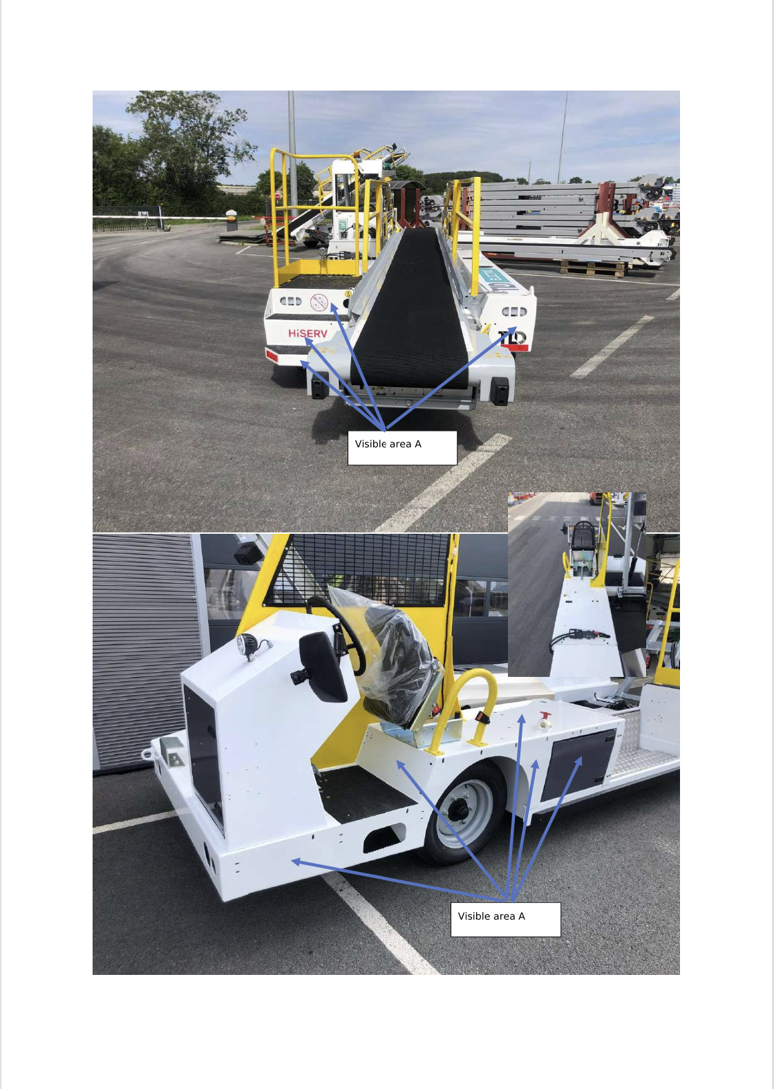
Visible Area - A

 | Ingenious Engineering |  | PPAP DOCUMENTS |  | Doc. No.: F-PPAP-CSR-NBL-01 Issue Date: 16-03-2026 Rev. No & Date: 00 & 16-03-26
 |  |  | CSR - CUSTOMER SPECIFIC REQUIREMENTS

Visible Area - A

Moderate Visible Area - B

 | Ingenious Engineering |  | PPAP DOCUMENTS |  | Doc. No.: F-PPAP-CSR-NBL-01 Issue Date: 16-03-2026 Rev. No & Date: 00 & 16-03-26
 |  |  | CSR - CUSTOMER SPECIFIC REQUIREMENTS

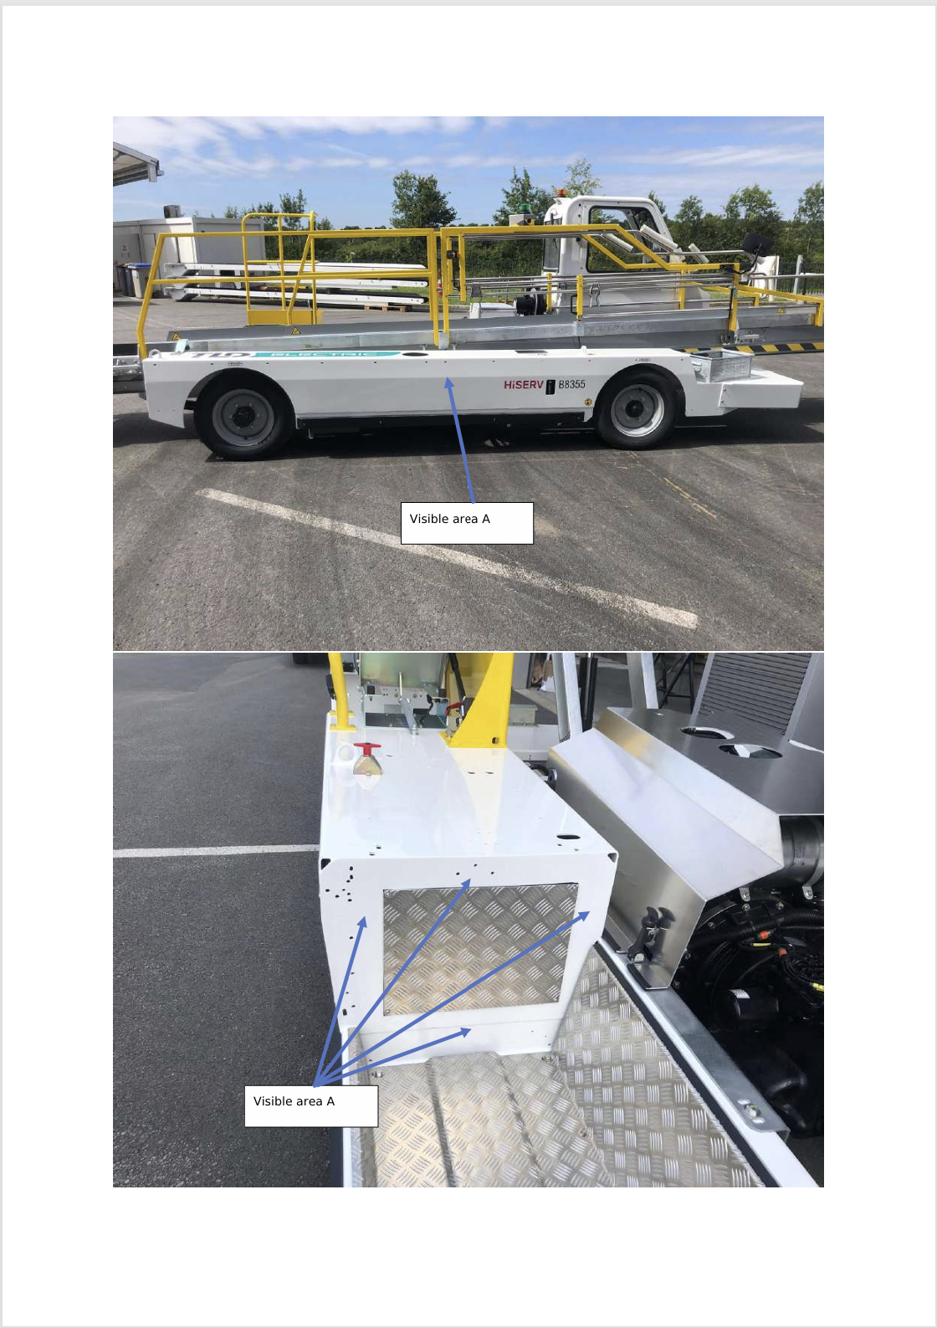
Visible Area - A

 | Ingenious Engineering |  | PPAP DOCUMENTS |  | Doc. No.: F-PPAP-CSR-NBL-01 Issue Date: 16-03-2026 Rev. No & Date: 00 & 16-03-26
 |  |  | CSR - CUSTOMER SPECIFIC REQUIREMENTS

Visible Area - A

Moderately Visible Area - B

 | Ingenious Engineering |  | PPAP DOCUMENTS |  | Doc. No.: F-PPAP-CSR-NBL-01 Issue Date: 16-03-2026 Rev. No & Date: 00 & 16-03-26
 |  |  | CSR - CUSTOMER SPECIFIC REQUIREMENTS

Moderately Visible Area - B

18. PSW
Part Submission Warrant (PSW)

 | Part Name |  | Chassis Brut, NBL Raw Frame, NBL |  |  |  |  |  |  | Part Number |  | 1170750 RAW (H)
Safety and/or
Government Regulation
Engineering Drawing
Change Level
 |  |  |  |  |  |  |  |  |  |  | H |  |  |  | Dated | 16-09-2025

 | Additional Engineering Changes |  |  |  |  | - |  |  |  |  |  |  |  |  | Dated | -

 | Shown on Drawing Number |  |  |  | 1170750 |  |  |  | Purchase Order No. |  |  |  |  | Weight (kg) |  | 831Kgs

 | Checking Aid Number |  |  | - |  |  | Engineering Change Level |  |  |  | H |  |  |  | Dated | 16-09-2025

 | SUPPLIER MANUFACTURING INFORMATION |  |  |  |  |  |  |  | SUBMISSION INFORMATION
 | Supplier Name
 | INGENIOUS ENGINEERING PVT LTD
 | Street Address

 | Plot No. 49-P2, Jakkasandra Industrial Area, Kolar District, Karnataka, India-563130. |  |  |  |  |  |  |  |  |  | Customer Name/Division | TLD STL

 |  |  |  |  |  |  |  |  | Buyer/Buyer Code |  |  | -

 | City |  | State/Country |  |  |  | Zip/Postal Code |  | Application |  | Heavy Fabrication - Industrial

 | REASON FOR SUBMISSION
 |  | Initial submission |  |  |  |  |  |  |  |  | Change to Optional Construction or Material
 |  | Engineering Change(s) |  |  |  |  |  |  |  |  | Sub-Supplier or Material Source Change
 |  | Tooling: Transfer, Replacement, Refurbishment, or additional |  |  |  |  |  |  |  |  | Change in Part Processing
 |  | Correction of Discrepancy |  |  |  |  |  |  |  |  | Parts produced at Additional Location
 |  | Other-please specify

 | REQUESTED SUBMISSION LEVEL (Check one)
 |  | Level 1 - Warrant Only Submitted to Customer
 |  | Level 2 - Warrant, Parts, Drawings, Inspection Results, Laboratory and Functional Results, Appearance Approval Report
 |  | Level 3 - Warrant with Product Samples and complete supporting data submitted to customer
 |  | Level 4 - Warrant and Other Requirements as defined by Customer
 |  | Level 5 - Warrant with Product Samples and Complete Supporting Data Reviewed at Supplier's Manufacturing Location

 | SUBMISSION RESULTS
 | The results for |  | dimensional measurements |  |  |  | material and functional tests |  |  |  | appearance criteria |  |  | statistical process package
 | These results meet all drawing and specification requirements: |  |  |  |  |  |  |  |  |  |  |  | (If "NO" - Explanation Required)

 | DECLARATION
 | I affirm that the samples represented by this warrant are representative of our parts and have been made to the applicable customer
 | drawings and specifications and are made from specified materials on regular production tooling with no operations other than the
 | regular production process. I further affirm that these samples were produced at the production rate of ________/ _______ hours.
 | I have noted any deviations from this declaration below.
 | EXPLANATION/COMMENTS: |  |  |  | -

 | Print Name |  | Santhosh BG |  |  |  |  | Title | Manager QA |  |  |  |  | Phone No. | 9449116311

 | Supplier Authorized Signature |  |  |  |  |  |  |  |  |  |  |  |  | Date | 2026-10-04

 |  |  |  |  |  |  |  | FOR CUSTOMER USE ONLY
 | Part Disposition

 | Customer Name |  |  |  |  |  | Customer Signature |  |  |  |  |  |  | Date
 |  |  |  |  |  |  |  |  |  |  | Return Signed Copy of Warrant to Supplier

