blank bill
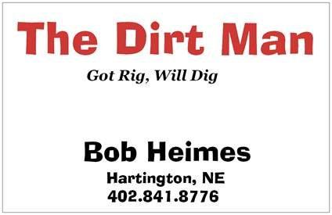

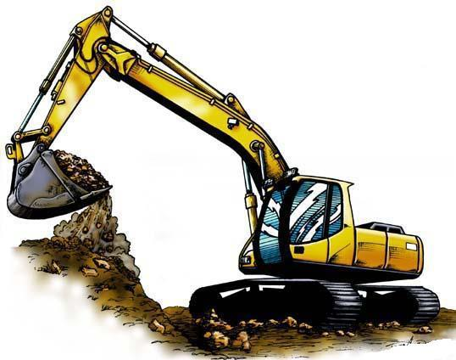
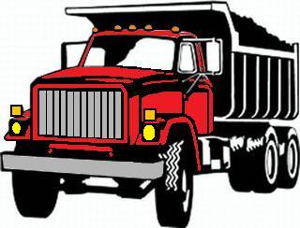

 | Description |  | Quantity | Price Each | Unit | Price

 | nope |  | 1 | 197.60 | per foot | 197.60
 | asdfg |  | 1 | 448.50 | per hour | 448.50

 |  |  |  |  | Total Due | $646.10

 |  | Thank you for your business!

Please remit payment to Bob Heimes - 88430 567th Avenue - Hartington, NE 68739

