blank bill
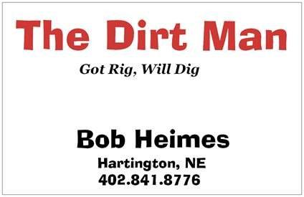

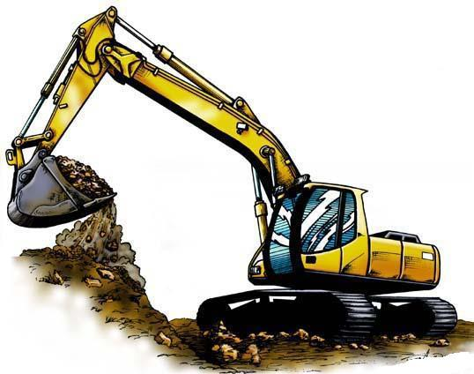
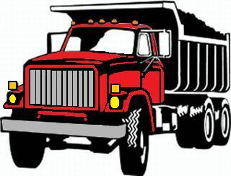

adsf
asdf
asfd

 | Description |  | Quantity | Price Each | Unit | Price

 | asdfg |  | 14 | 345.00 | per hour | 6,279.00
 | nope |  | 54 | 152.00 | per foot | 10,670.40

 |  |  |  |  | Total Due | $16,949.40

 |  | Thank you for your business!

Please remit payment to Bob Heimes - 88430 567th Avenue - Hartington, NE 68739

