Total
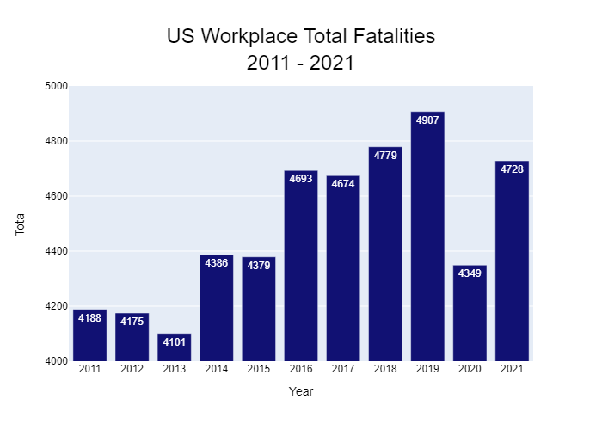
Year | Total
2011 | 4188
2012 | 4175
2013 | 4101
2014 | 4386
2015 | 4379
2016 | 4693
2017 | 4674
2018 | 4779
2019 | 4907
2020 | 4349
2021 | 4728

