df_all
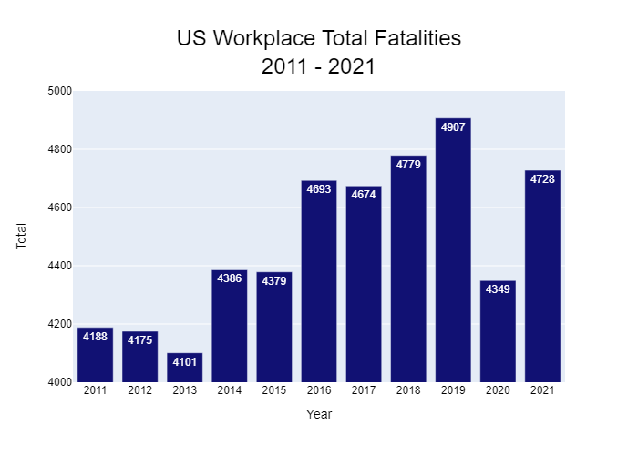
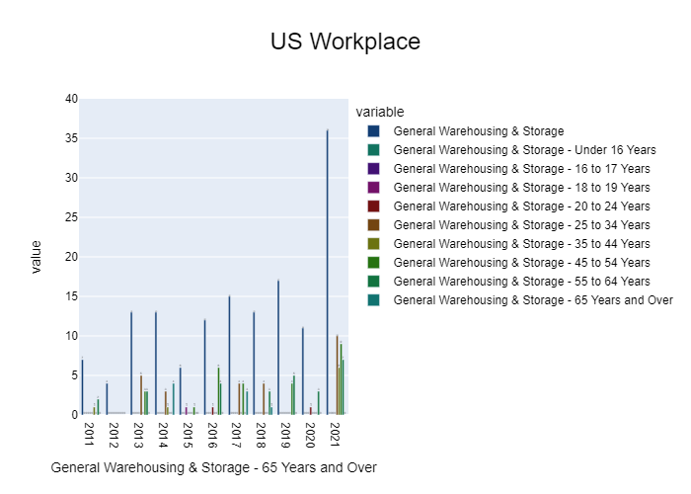
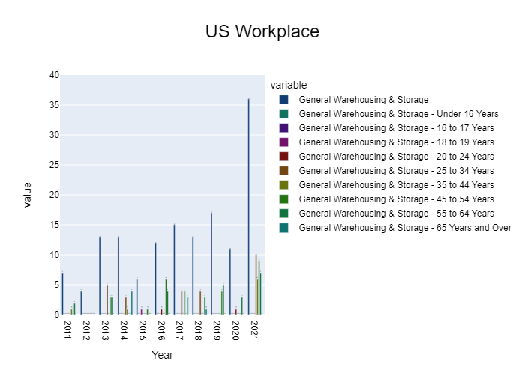
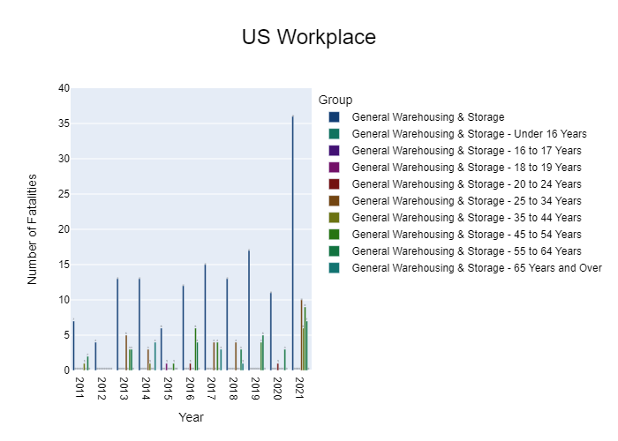
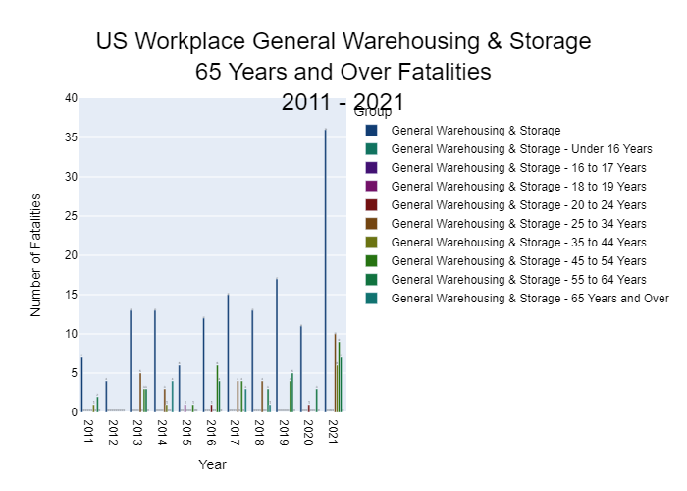
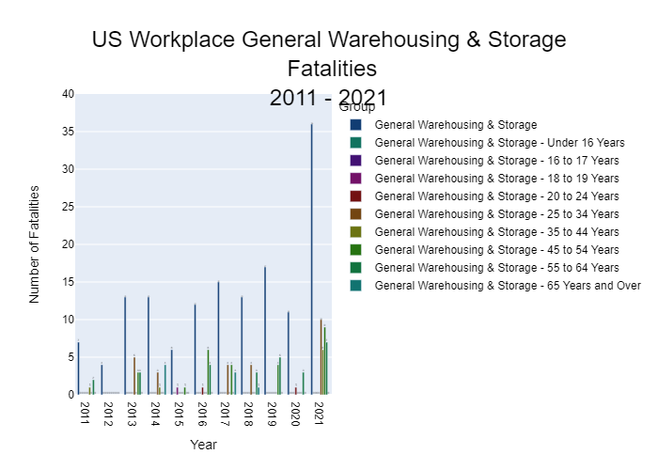
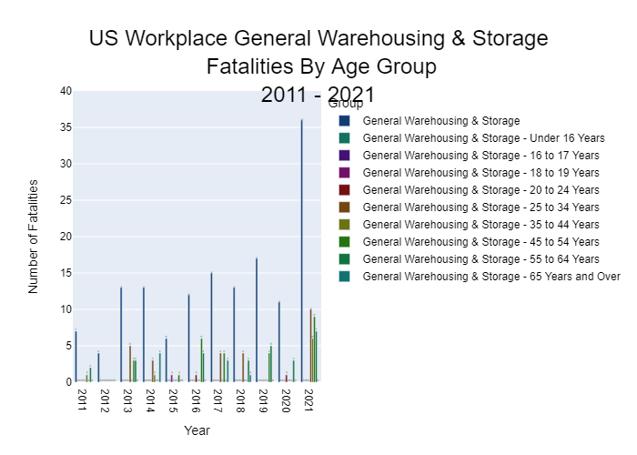
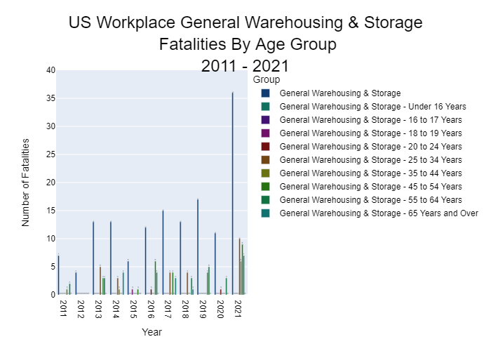
Year | Total | Private Industrys | General Warehousing & Storage | General Warehousing & Storage - Under 16 Years | General Warehousing & Storage - 16 to 17 Years | General Warehousing & Storage - 18 to 19 Years | General Warehousing & Storage - 20 to 24 Years | General Warehousing & Storage - 25 to 34 Years | General Warehousing & Storage - 35 to 44 Years | General Warehousing & Storage - 45 to 54 Years | General Warehousing & Storage - 55 to 64 Years | General Warehousing & Storage - 65 Years and Over
2011 | 4188 | 4188 | 7 | 0 | 0 | 0 | 0 | 0 | 1 | 0 | 2 | 0
2012 | 4175 | 4175 | 4 | 0 | 0 | 0 | 0 | 0 | 0 | 0 | 0 | 0
2013 | 4101 | 4101 | 13 | 0 | 0 | 0 | 0 | 5 | 0 | 3 | 3 | 0
2014 | 4386 | 4386 | 13 | 0 | 0 | 0 | 0 | 3 | 1 | 0 | 0 | 4
2015 | 4379 | 4379 | 6 | 0 | 0 | 1 | 0 | 0 | 0 | 1 | 0 | 0
2016 | 4693 | 4693 | 12 | 0 | 0 | 0 | 1 | 0 | 0 | 6 | 4 | 0
2017 | 4674 | 4674 | 15 | 0 | 0 | 0 | 0 | 4 | 0 | 4 | 0 | 3
2018 | 4779 | 4779 | 13 | 0 | 0 | 0 | 0 | 4 | 0 | 0 | 3 | 1
2019 | 4907 | 4907 | 17 | 0 | 0 | 0 | 0 | 0 | 0 | 4 | 5 | 0
2020 | 4349 | 4349 | 11 | 0 | 0 | 0 | 1 | 0 | 0 | 0 | 3 | 0
2021 | 4728 | 4728 | 36 | 0 | 0 | 0 | 0 | 10 | 6 | 9 | 7 | 0

Total

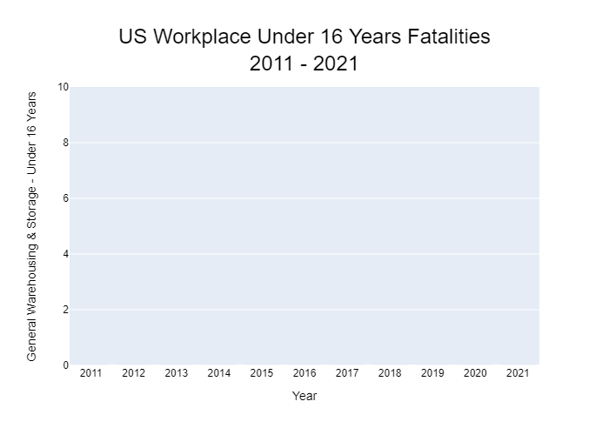
Year | Total
2011 | 4188
2012 | 4175
2013 | 4101
2014 | 4386
2015 | 4379
2016 | 4693
2017 | 4674
2018 | 4779
2019 | 4907
2020 | 4349
2021 | 4728

Private Industrys
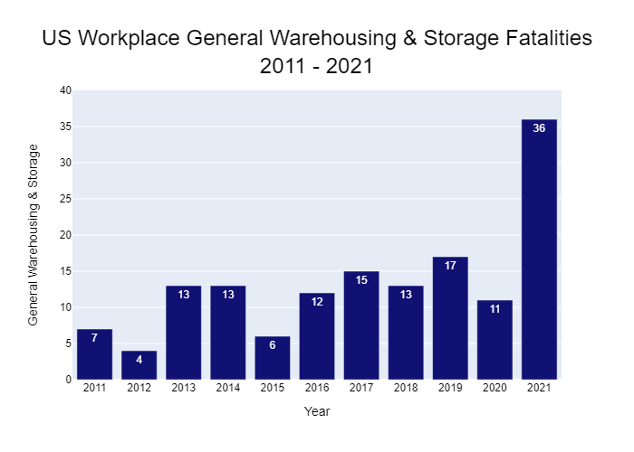

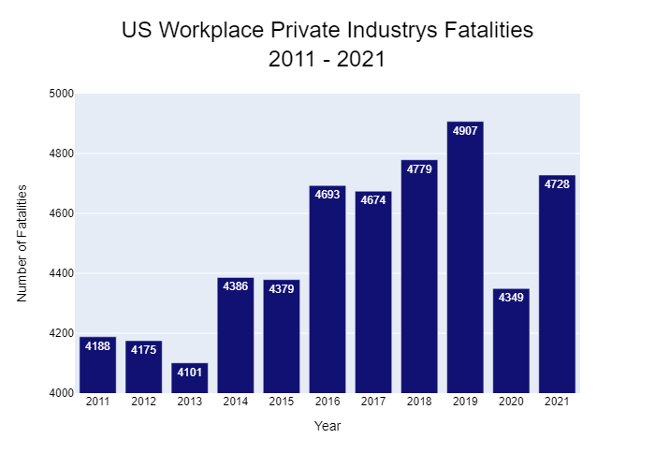

Year | Private Industrys
2011 | 4188
2012 | 4175
2013 | 4101
2014 | 4386
2015 | 4379
2016 | 4693
2017 | 4674
2018 | 4779
2019 | 4907
2020 | 4349
2021 | 4728

General Warehousing & Storage

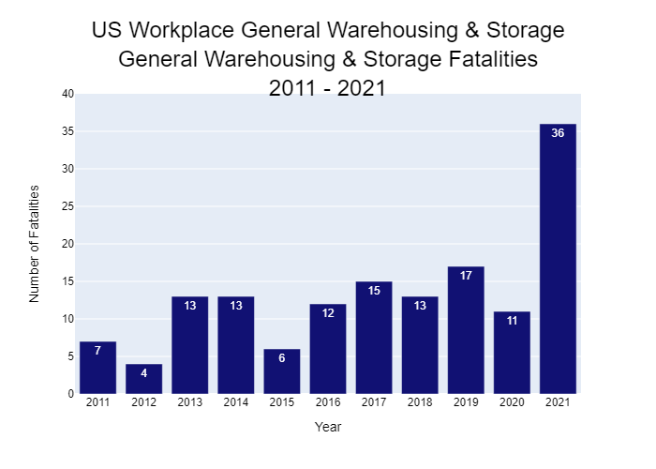
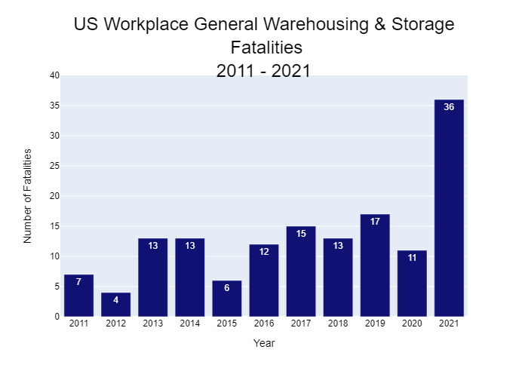
Year | General Warehousing & Storage
2011 | 7
2012 | 4
2013 | 13
2014 | 13
2015 | 6
2016 | 12
2017 | 15
2018 | 13
2019 | 17
2020 | 11
2021 | 36

Under 16 Years
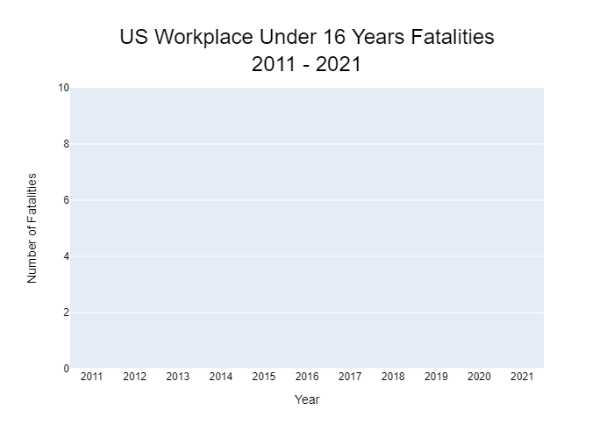
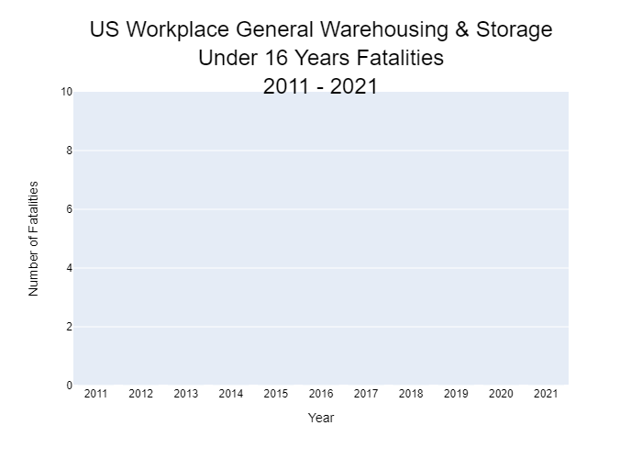
Year | General Warehousing & Storage - Under 16 Years
2011 | 0
2012 | 0
2013 | 0
2014 | 0
2015 | 0
2016 | 0
2017 | 0
2018 | 0
2019 | 0
2020 | 0
2021 | 0

16 to 17 Years
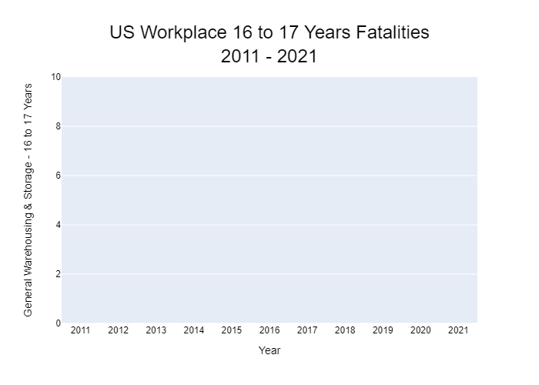
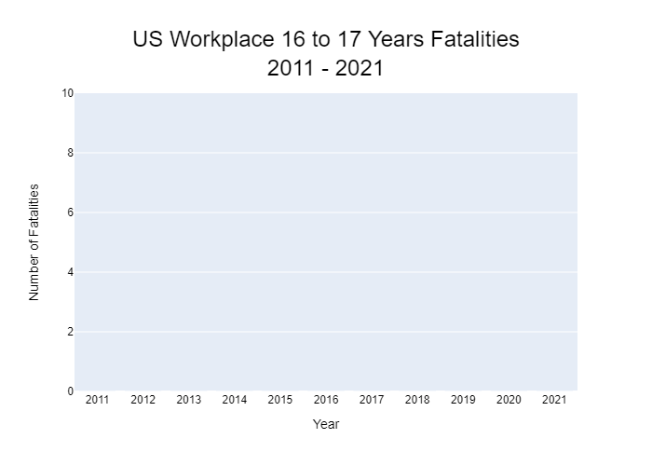
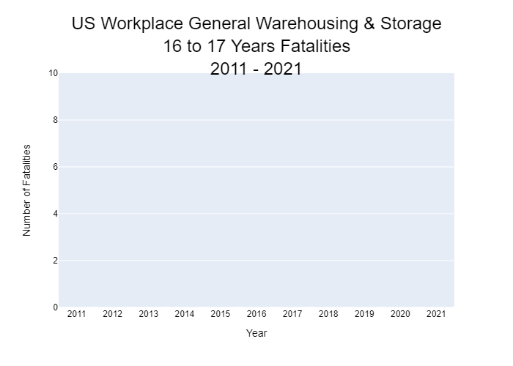
Year | General Warehousing & Storage - 16 to 17 Years
2011 | 0
2012 | 0
2013 | 0
2014 | 0
2015 | 0
2016 | 0
2017 | 0
2018 | 0
2019 | 0
2020 | 0
2021 | 0

18 to 19 Years
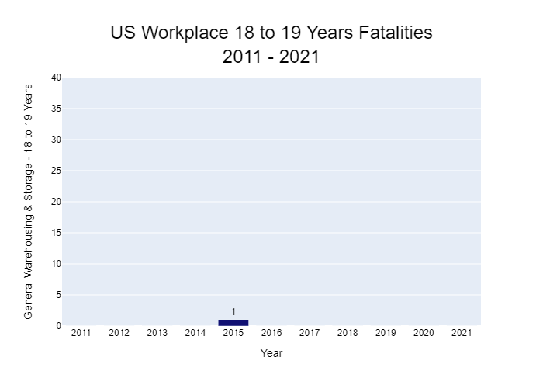
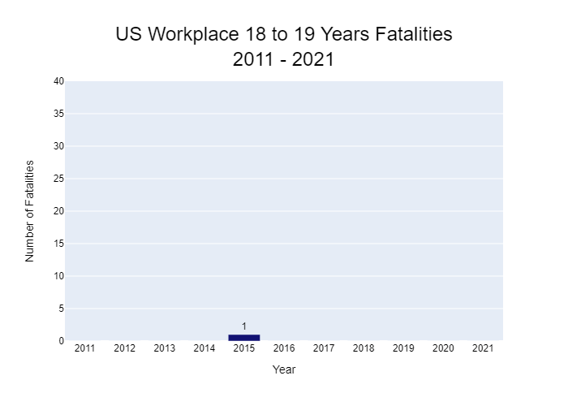
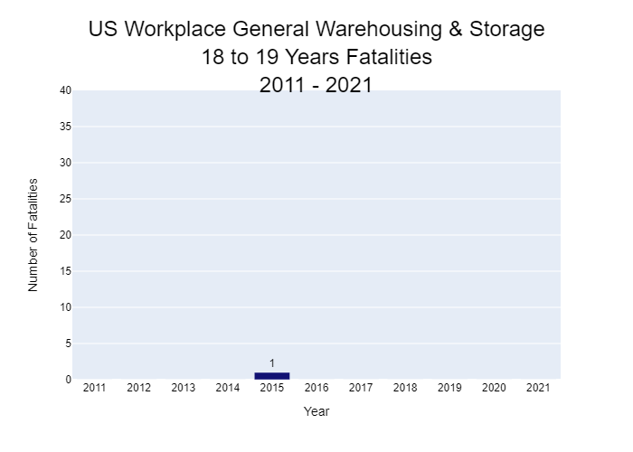
Year | General Warehousing & Storage - 18 to 19 Years
2011 | 0
2012 | 0
2013 | 0
2014 | 0
2015 | 1
2016 | 0
2017 | 0
2018 | 0
2019 | 0
2020 | 0
2021 | 0

20 to 24 Years
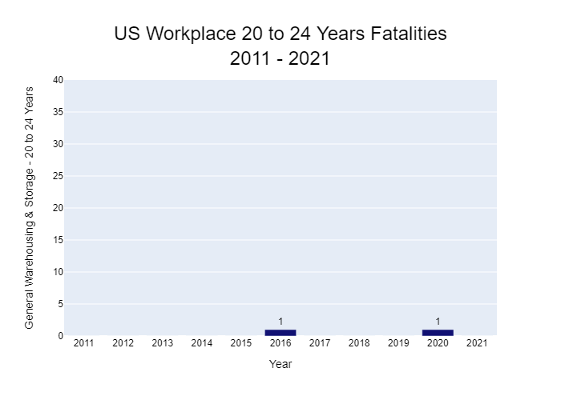
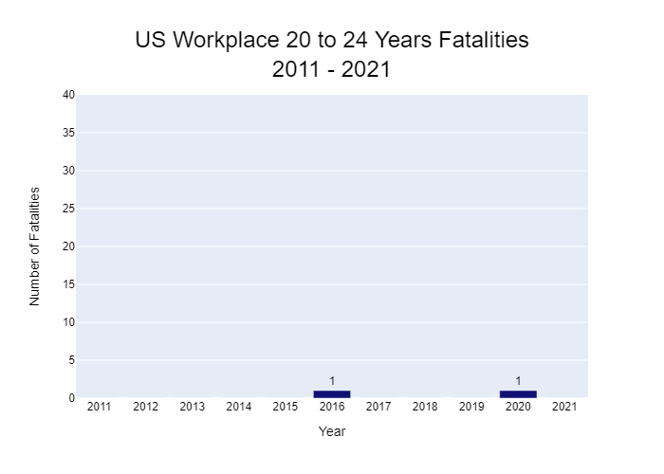
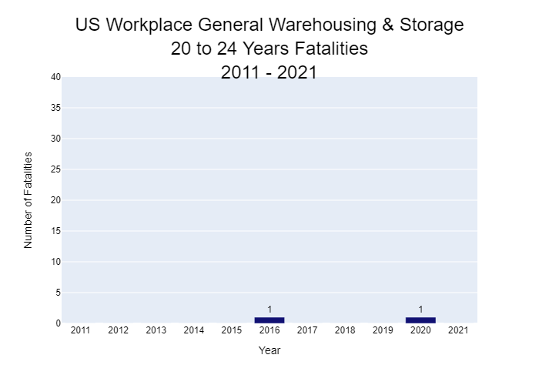
Year | General Warehousing & Storage - 20 to 24 Years
2011 | 0
2012 | 0
2013 | 0
2014 | 0
2015 | 0
2016 | 1
2017 | 0
2018 | 0
2019 | 0
2020 | 1
2021 | 0

25 to 34 Years
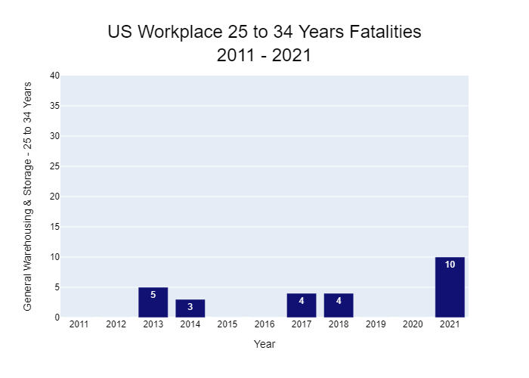
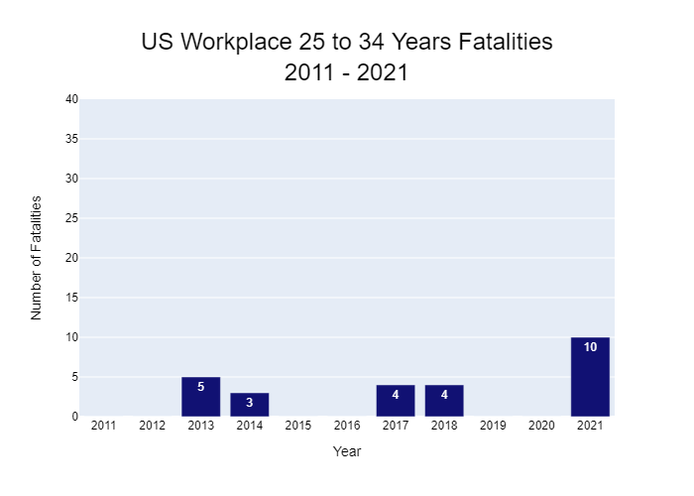

Year | General Warehousing & Storage - 25 to 34 Years
2011 | 0
2012 | 0
2013 | 5
2014 | 3
2015 | 0
2016 | 0
2017 | 4
2018 | 4
2019 | 0
2020 | 0
2021 | 10

35 to 44 Years
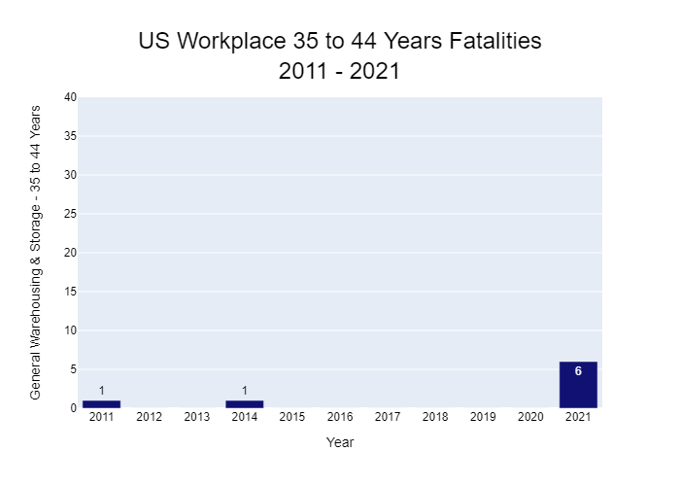

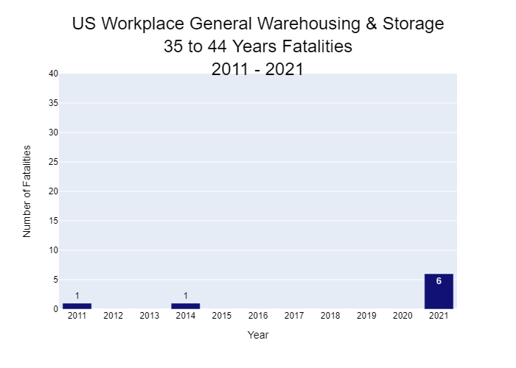
Year | General Warehousing & Storage - 35 to 44 Years
2011 | 1
2012 | 0
2013 | 0
2014 | 1
2015 | 0
2016 | 0
2017 | 0
2018 | 0
2019 | 0
2020 | 0
2021 | 6

45 to 54 Years
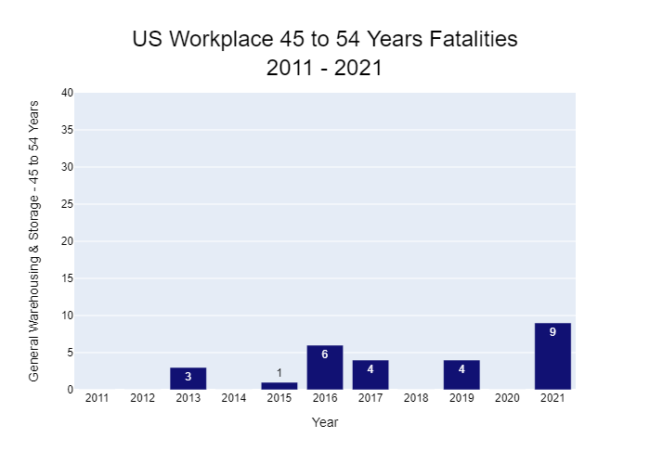
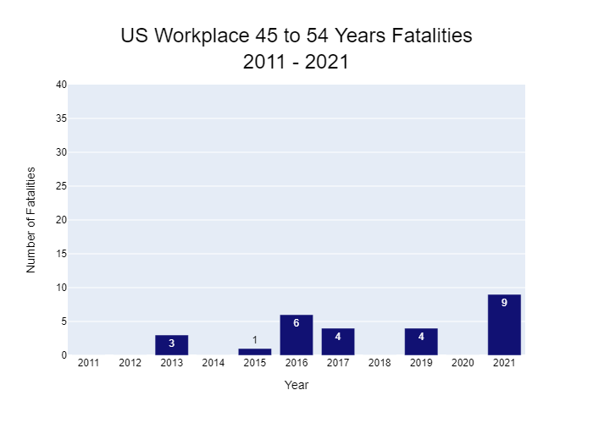
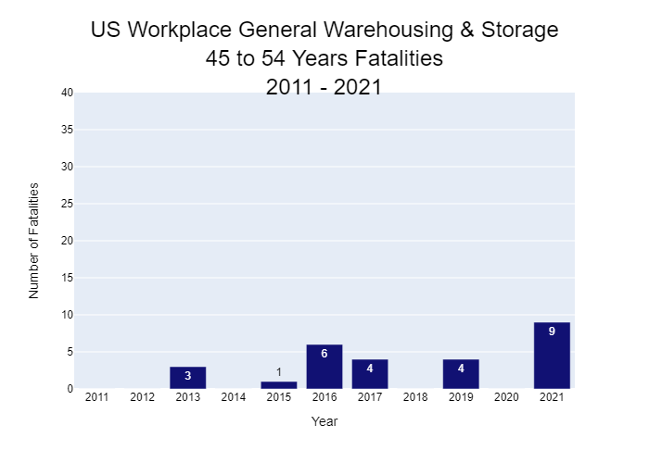
Year | General Warehousing & Storage - 45 to 54 Years
2011 | 0
2012 | 0
2013 | 3
2014 | 0
2015 | 1
2016 | 6
2017 | 4
2018 | 0
2019 | 4
2020 | 0
2021 | 9

55 to 64 Years
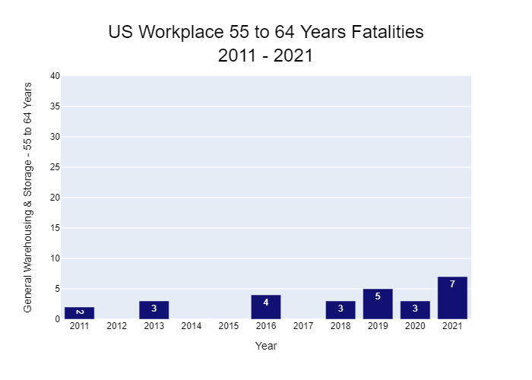

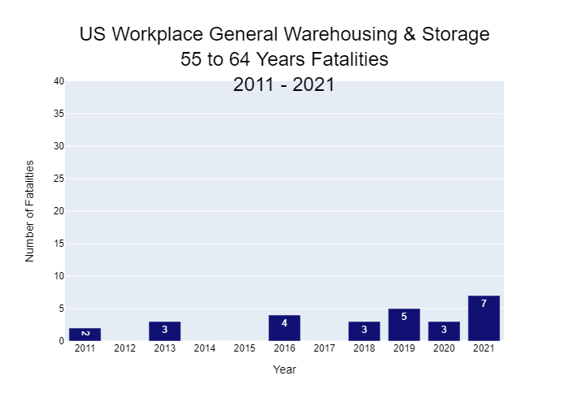
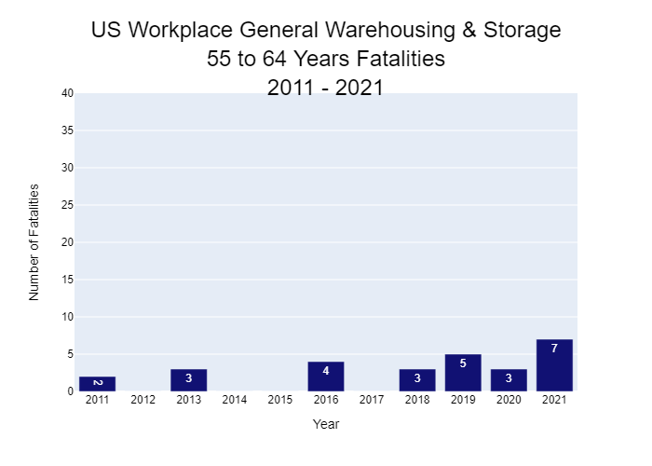
Year | General Warehousing & Storage - 55 to 64 Years
2011 | 2
2012 | 0
2013 | 3
2014 | 0
2015 | 0
2016 | 4
2017 | 0
2018 | 3
2019 | 5
2020 | 3
2021 | 7

65 Years and Over
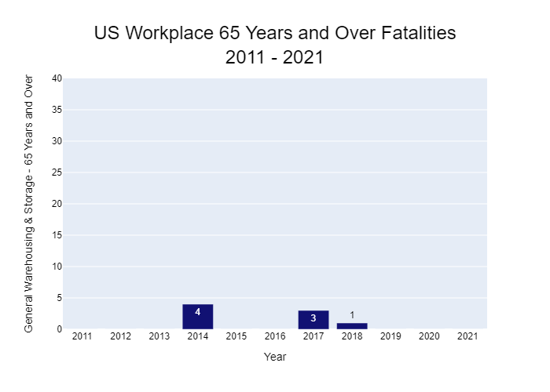
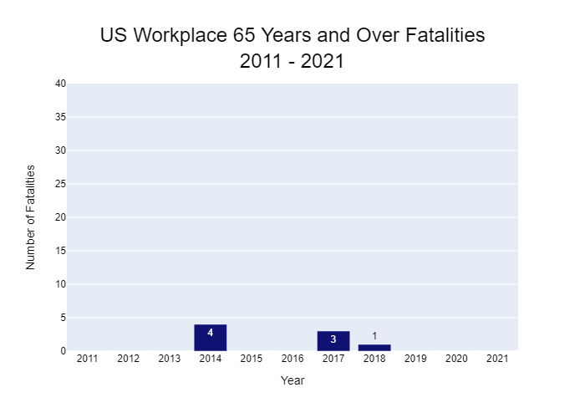
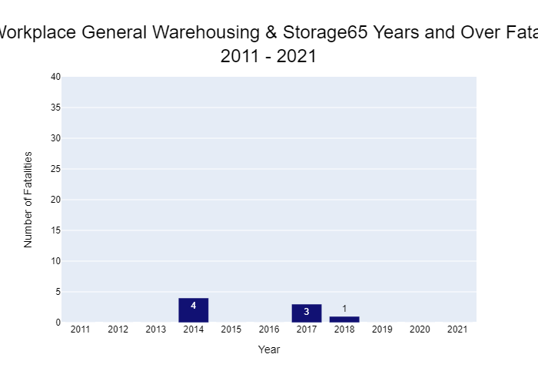
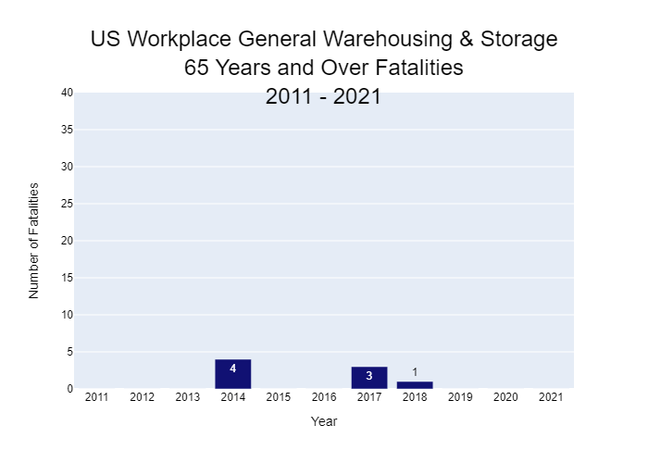
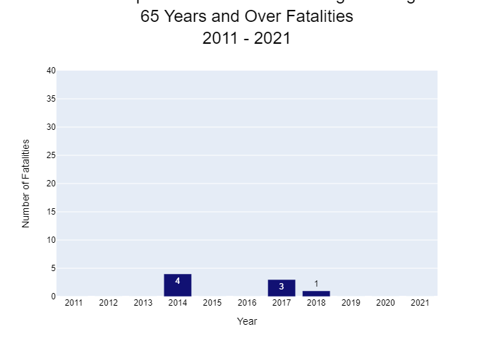
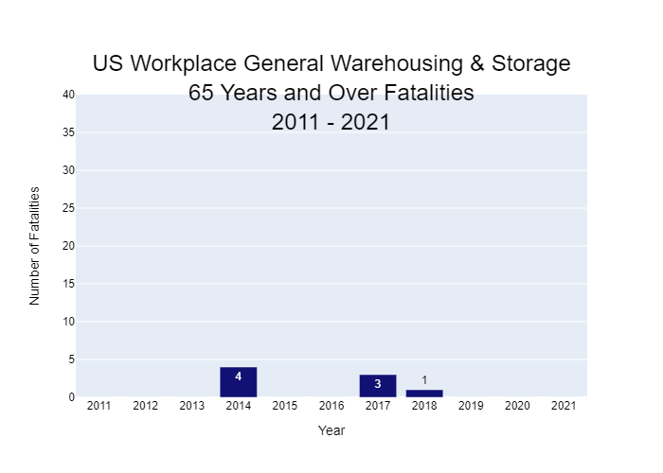
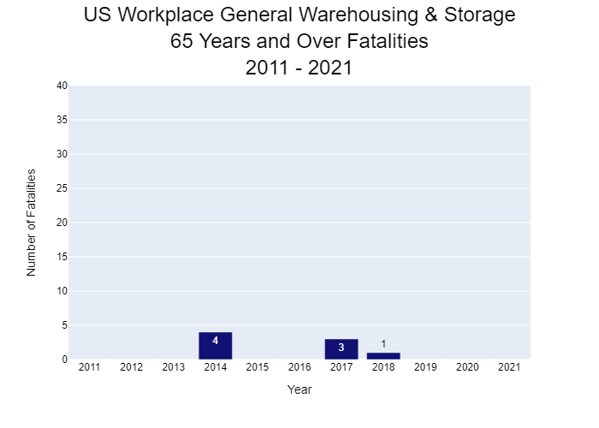

Year | General Warehousing & Storage - 65 Years and Over
2011 | 0
2012 | 0
2013 | 0
2014 | 4
2015 | 0
2016 | 0
2017 | 3
2018 | 1
2019 | 0
2020 | 0
2021 | 0

