main page
This will include the title of the website with a picture of topic (ships)
Drop Down

picture | Summary / Info on topic

map
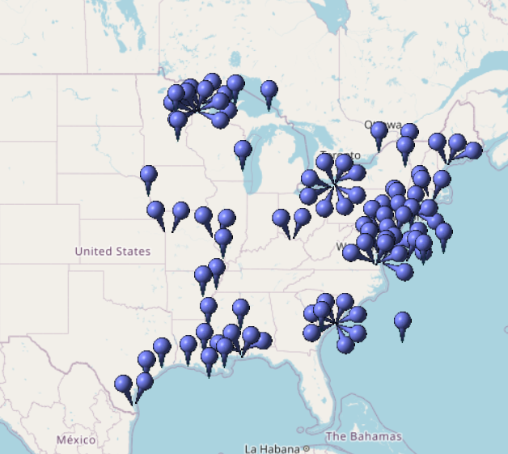
This will include the title of the website with a picture of topic (ships)
Drop Down

Sheet3
This will include the title of the website with a picture of topic (ships)
Drop Down

 | some sort of chart

