FieldPlan
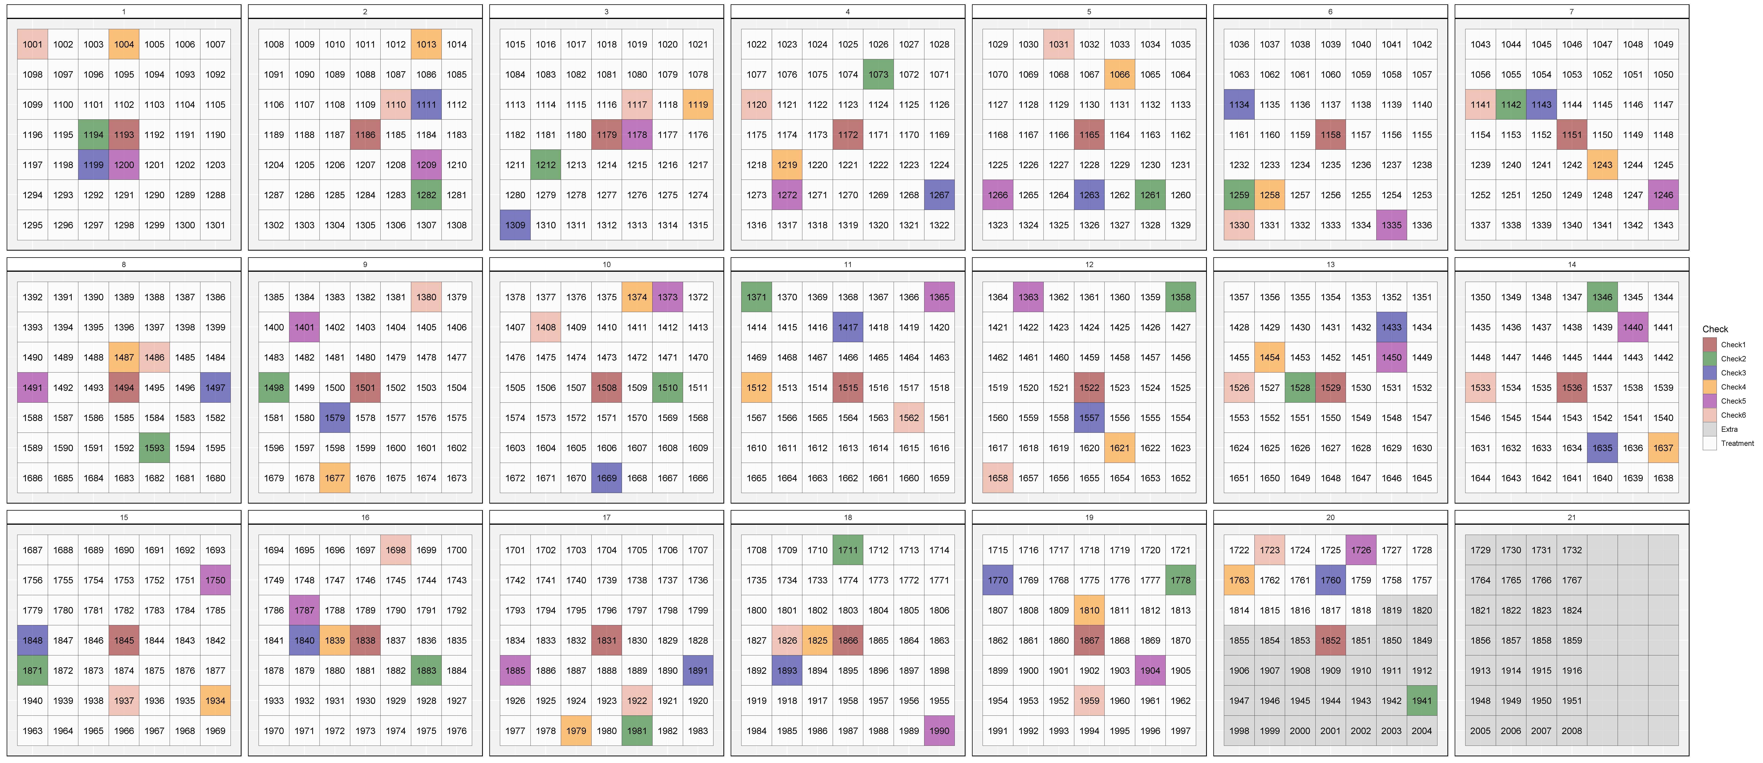
wide | 21 | Note: grey plots are either "Pea Fill" or extra plots just for seed increase
long | 52

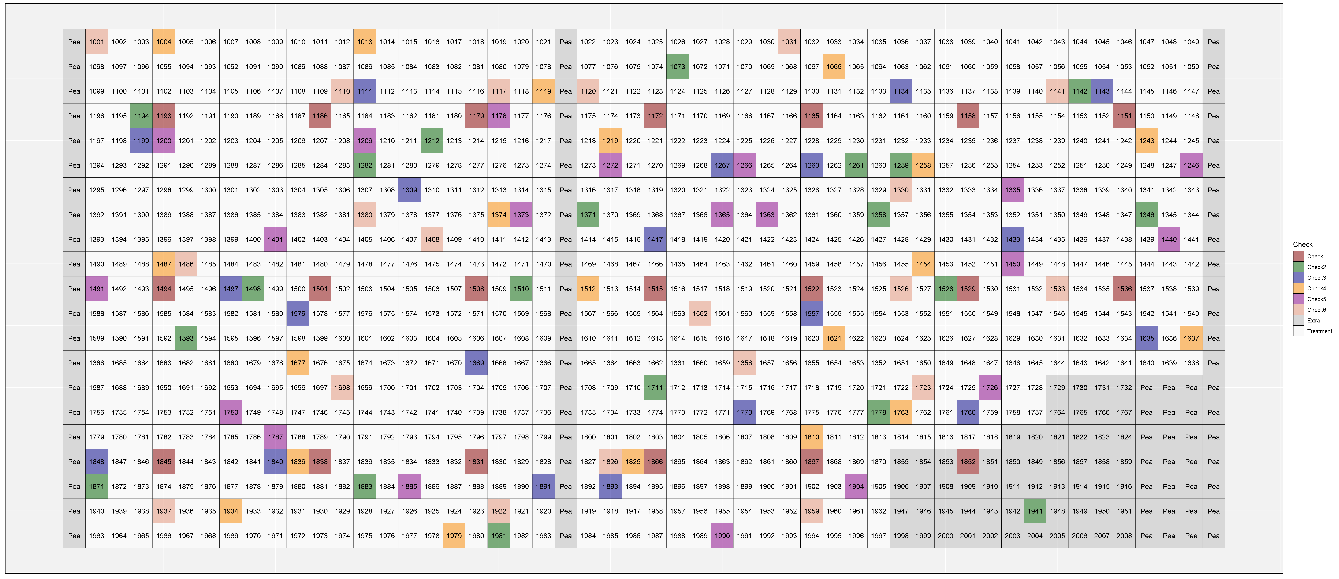

Blocks and checks - Augmented Type II design

