All score
Normalized Score
SPECINT | No L1 PF | IPCP | Stream | SMS | Stride | BOP | IPCPV2 | IPCP | Stream | SMS | Stride | BOP | IPCPV2
400.perlbench | 7.55 | 7.67 | 7.63 | 7.79 | 7.55 | 7.68 | 7.68 | 1.02 | 1.01 | 1.03 | 1.00 | 1.02 | 1.02
401.bzip2 | 5.84 | 5.89 | 5.87 | 5.88 | 5.86 | 5.89 | 5.92 | 1.01 | 1.00 | 1.01 | 1.00 | 1.01 | 1.01
403.gcc | 10.05 | 10.30 | 10.28 | 10.63 | 9.99 | 10.21 | 10.44 | 1.03 | 1.02 | 1.06 | 0.99 | 1.02 | 1.04
429.mcf | 17.21 | 16.02 | 17.80 | 18.64 | 17.76 | 15.89 | 17.83 | 0.93 | 1.03 | 1.08 | 1.03 | 0.92 | 1.04
445.gobmk | 8.41 | 8.41 | 8.41 | 8.41 | 8.41 | 8.42 | 8.44 | 1.00 | 1.00 | 1.00 | 1.00 | 1.00 | 1.00
456.hmmer | 10.02 | 9.77 | 10.29 | 10.01 | 9.88 | 10.13 | 9.98 | 0.98 | 1.03 | 1.00 | 0.99 | 1.01 | 1.00
458.sjeng | 8.87 | 8.84 | 8.85 | 8.87 | 8.88 | 8.83 | 8.84 | 1.00 | 1.00 | 1.00 | 1.00 | 1.00 | 1.00
462.libquantum | 22.52 | 20.54 | 21.35 | 15.85 | 22.46 | 19.96 | 22.65 | 0.91 | 0.95 | 0.70 | 1.00 | 0.89 | 1.01
464.h264ref | 14.15 | 14.27 | 14.21 | 14.23 | 14.16 | 14.23 | 14.32 | 1.01 | 1.00 | 1.01 | 1.00 | 1.01 | 1.01
471.omnetpp | 9.01 | 8.90 | 8.31 | 9.09 | 8.96 | 8.48 | 9.01 | 0.99 | 0.92 | 1.01 | 0.99 | 0.94 | 1.00
473.astar | 8.23 | 8.14 | 7.98 | 8.31 | 8.23 | 8.18 | 8.34 | 0.99 | 0.97 | 1.01 | 1.00 | 0.99 | 1.01
483.xalancbmk | 12.30 | 12.52 | 12.30 | 12.82 | 12.33 | 12.32 | 12.68 | 1.02 | 1.00 | 1.04 | 1.00 | 1.00 | 1.03
410.bwaves | 25.24 | 23.71 | 23.48 | 25.91 | 23.46 | 22.84 | 25.95 | 0.94 | 0.93 | 1.03 | 0.93 | 0.90 | 1.03
416.gamess | 12.47 | 12.49 | 12.48 | 12.48 | 12.47 | 12.47 | 12.49 | 1.00 | 1.00 | 1.00 | 1.00 | 1.00 | 1.00
433.milc | 13.82 | 12.35 | 10.26 | 13.42 | 11.80 | 11.69 | 14.22 | 0.89 | 0.74 | 0.97 | 0.85 | 0.85 | 1.03
434.zeusmp | 16.13 | 16.07 | 16.00 | 16.30 | 15.90 | 16.16 | 16.68 | 1.00 | 0.99 | 1.01 | 0.99 | 1.00 | 1.03
435.gromacs | 10.49 | 10.55 | 10.55 | 10.54 | 10.50 | 10.53 | 10.56 | 1.01 | 1.01 | 1.01 | 1.00 | 1.00 | 1.01
436.cactusADM | 15.05 | 16.19 | 16.59 | 15.86 | 15.97 | 16.10 | 16.73 | 1.08 | 1.10 | 1.05 | 1.06 | 1.07 | 1.11
437.leslie3d | 13.13 | 13.12 | 13.81 | 14.13 | 13.10 | 13.30 | 14.30 | 1.00 | 1.05 | 1.08 | 1.00 | 1.01 | 1.09
444.namd | 12.47 | 12.50 | 12.46 | 12.48 | 12.48 | 12.47 | 12.48 | 1.00 | 1.00 | 1.00 | 1.00 | 1.00 | 1.00
447.dealII | 15.58 | 15.54 | 15.61 | 15.89 | 15.57 | 15.44 | 15.85 | 1.00 | 1.00 | 1.02 | 1.00 | 0.99 | 1.02
450.soplex | 15.96 | 16.48 | 16.45 | 17.87 | 15.97 | 16.50 | 17.64 | 1.03 | 1.03 | 1.12 | 1.00 | 1.03 | 1.10
453.povray | 10.14 | 10.13 | 10.03 | 10.15 | 10.12 | 10.03 | 10.08 | 1.00 | 0.99 | 1.00 | 1.00 | 0.99 | 0.99
454.calculix | 5.46 | 5.53 | 5.48 | 5.55 | 5.47 | 5.51 | 5.57 | 1.01 | 1.00 | 1.02 | 1.00 | 1.01 | 1.02
459.GemsFDTD | 20.29 | 19.88 | 17.83 | 20.81 | 19.65 | 19.35 | 20.47 | 0.98 | 0.88 | 1.03 | 0.97 | 0.95 | 1.01
465.tonto | 10.31 | 10.36 | 10.33 | 10.41 | 10.33 | 10.36 | 10.44 | 1.01 | 1.00 | 1.01 | 1.00 | 1.01 | 1.01
470.lbm | 27.84 | 28.25 | 27.58 | 29.66 | 27.85 | 26.01 | 29.51 | 1.01 | 0.99 | 1.07 | 1.00 | 0.93 | 1.06
481.wrf | 12.81 | 12.61 | 12.82 | 13.09 | 12.85 | 12.61 | 13.00 | 0.98 | 1.00 | 1.02 | 1.00 | 0.98 | 1.01
482.sphinx3 | 17.97 | 18.35 | 18.28 | 18.36 | 17.95 | 18.29 | 18.83 | 1.02 | 1.02 | 1.02 | 1.00 | 1.02 | 1.05

 | No L1 PF | IPCP | Stream | SMS | Stride | BOP | IPCPV2
Score INT | 10.43 | 10.31 | 10.37 | 10.33 | 10.44 | 10.25 | 10.57
Score FP | 14.08 | 14.03 | 13.82 | 14.44 | 13.90 | 13.86 | 14.55

 | SPP
453.povray | 1.0045861646
458.sjeng | 1.0086041549
444.namd | 1.0136584718
445.gobmk | 1.0240906901
416.gamess | 1.0280299757
464.h264ref | 1.0442128946
473.astar | 1.0444300587
454.calculix | 1.0480290318
465.tonto | 1.0538837111
400.perlbench | 1.0658609229
471.omnetpp | 1.0717178958
456.hmmer | 1.0827297101
401.bzip2 | 1.0858552708
403.gcc | 1.1416465626
435.gromacs | 1.1447291885
447.dealII | 1.2482901301
483.xalancbmk | 1.2744275405
429.mcf | 1.3114568216
482.sphinx3 | 1.3824895107
436.cactusADM | 1.4460448746
433.milc | 1.6282571003
434.zeusmp | 1.674511626
450.soplex | 1.6875727769
462.libquantum | 1.8396963154
481.wrf | 1.8483125798
437.leslie3d | 2.1216228063
410.bwaves | 2.3413138936
470.lbm | 2.6367763827
459.GemsFDTD | 3.0746973029
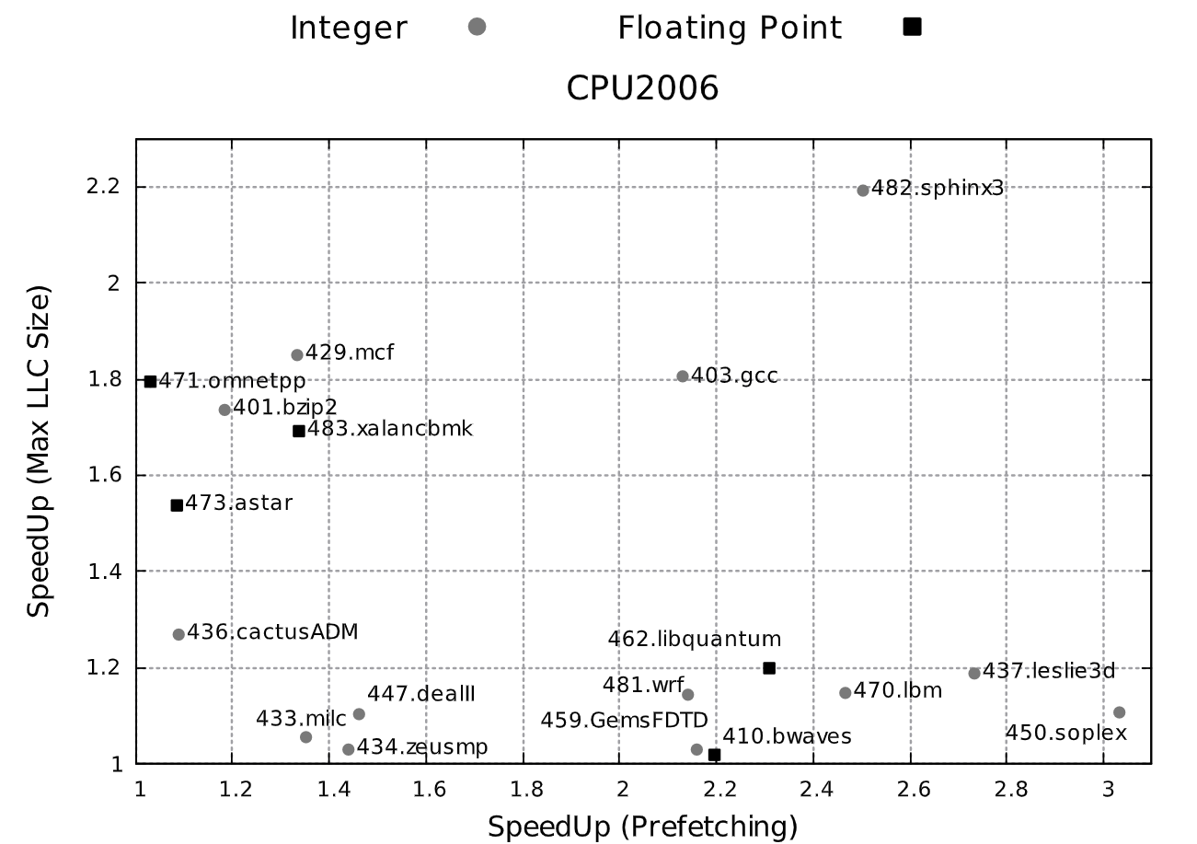
SPECINT | SPP
453.povray | 1.00
458.sjeng | 1.01
444.namd | 1.01
445.gobmk | 1.02
416.gamess | 1.03
464.h264ref | 1.04
473.astar | 1.04
454.calculix | 1.05
465.tonto | 1.05
400.perlbench | 1.07
471.omnetpp | 1.07
456.hmmer | 1.08
401.bzip2 | 1.09
403.gcc | 1.14
435.gromacs | 1.14
447.dealII | 1.25
483.xalancbmk | 1.27
429.mcf | 1.31
482.sphinx3 | 1.38
436.cactusADM | 1.45
433.milc | 1.63
434.zeusmp | 1.67
450.soplex | 1.69
462.libquantum | 1.84
481.wrf | 1.85
437.leslie3d | 2.12
410.bwaves | 2.34
470.lbm | 2.64
459.GemsFDTD | 3.07

