All score
Score
SPECINT | No PF | SPP | SMS | stride | Stream | BOP | Berti | AMPM | AMP
400.perlbench | 7.08 | 7.55 | 7.54 | 7.17 | 7.31 | 7.45 | 7.08 | 7.53 | 7.92
401.bzip2 | 5.38 | 5.84 | 5.78 | 5.70 | 5.64 | 5.73 | 5.38 | 5.79 | 5.85
403.gcc | 8.80 | 10.05 | 9.95 | 9.02 | 9.50 | 9.68 | 8.80 | 9.84 | 10.45
429.mcf | 13.12 | 17.21 | 15.38 | 14.25 | 14.08 | 14.97 | 13.12 | 15.10 | 14.35
445.gobmk | 8.21 | 8.41 | 8.37 | 8.28 | 8.31 | 8.31 | 8.21 | 8.37 | 8.44
456.hmmer | 9.25 | 10.02 | 10.10 | 10.09 | 10.00 | 9.91 | 9.25 | 10.21 | 9.99
458.sjeng | 8.79 | 8.87 | 8.80 | 8.80 | 8.80 | 8.83 | 8.79 | 8.80 | 8.88
462.libquantum | 12.24 | 22.52 | 20.64 | 13.38 | 15.45 | 17.60 | 12.24 | 14.17 | 18.77
464.h264ref | 13.55 | 14.15 | 13.98 | 13.76 | 13.92 | 13.96 | 13.55 | 14.14 | 14.26
471.omnetpp | 8.41 | 9.01 | 9.26 | 8.44 | 8.01 | 8.14 | 8.41 | 8.53 | 7.70
473.astar | 7.88 | 8.23 | 8.12 | 8.04 | 7.98 | 8.00 | 7.88 | 8.19 | 8.10
483.xalancbmk | 9.65 | 12.30 | 12.44 | 10.89 | 10.85 | 11.41 | 9.65 | 11.54 | 11.07
410.bwaves | 10.78 | 25.24 | 25.05 | 14.18 | 18.54 | 19.30 | 10.78 | 21.28 | 26.13
416.gamess | 12.13 | 12.47 | 12.22 | 12.16 | 12.20 | 12.41 | 12.13 | 12.40 | 12.50
433.milc | 8.49 | 13.82 | 13.64 | 9.11 | 8.95 | 8.97 | 8.49 | 9.37 | 9.30
434.zeusmp | 9.63 | 16.13 | 13.30 | 11.46 | 11.86 | 14.11 | 9.63 | 13.15 | 14.99
435.gromacs | 9.16 | 10.49 | 10.47 | 10.32 | 9.90 | 10.31 | 9.16 | 10.46 | 10.54
436.cactusADM | 10.41 | 15.05 | 10.46 | 15.45 | 10.71 | 15.38 | 10.41 | 12.35 | 15.52
437.leslie3d | 6.19 | 13.13 | 12.59 | 8.64 | 9.91 | 10.51 | 6.19 | 10.14 | 13.72
444.namd | 12.30 | 12.47 | 12.44 | 12.34 | 12.39 | 12.39 | 12.30 | 12.48 | 12.54
447.dealII | 12.48 | 15.58 | 15.57 | 13.45 | 14.39 | 14.40 | 12.48 | 14.27 | 15.68
450.soplex | 9.46 | 15.96 | 15.77 | 11.68 | 11.89 | 10.38 | 9.46 | 12.88 | 16.88
453.povray | 10.09 | 10.14 | 10.14 | 10.12 | 10.10 | 10.09 | 10.09 | 10.08 | 10.09
454.calculix | 5.21 | 5.46 | 5.47 | 5.37 | 5.31 | 5.36 | 5.21 | 5.45 | 5.52
459.GemsFDTD | 6.60 | 20.29 | 16.65 | 12.12 | 10.34 | 12.26 | 6.60 | 15.11 | 13.74
465.tonto | 9.78 | 10.31 | 10.23 | 10.06 | 10.18 | 10.17 | 9.78 | 10.27 | 10.35
470.lbm | 10.56 | 27.84 | 28.91 | 11.60 | 19.61 | 21.17 | 10.56 | 24.26 | 28.94
481.wrf | 6.93 | 12.81 | 12.24 | 10.16 | 10.70 | 10.84 | 6.93 | 11.00 | 12.75
482.sphinx3 | 13.00 | 17.97 | 17.40 | 16.65 | 16.45 | 17.13 | 13.00 | 17.48 | 18.50

 | No PF | SPP | SMS | stride | Stream | BOP | Berti | AMPM | AMP
Score INT | 9.07 | 10.43 | 10.25 | 9.48 | 9.59 | 9.84 | 9.07 | 9.80 | 9.97
Score FP | 9.31 | 14.08 | 13.35 | 11.14 | 11.48 | 12.08 | 9.31 | 12.40 | 13.59

Score

All score (2)
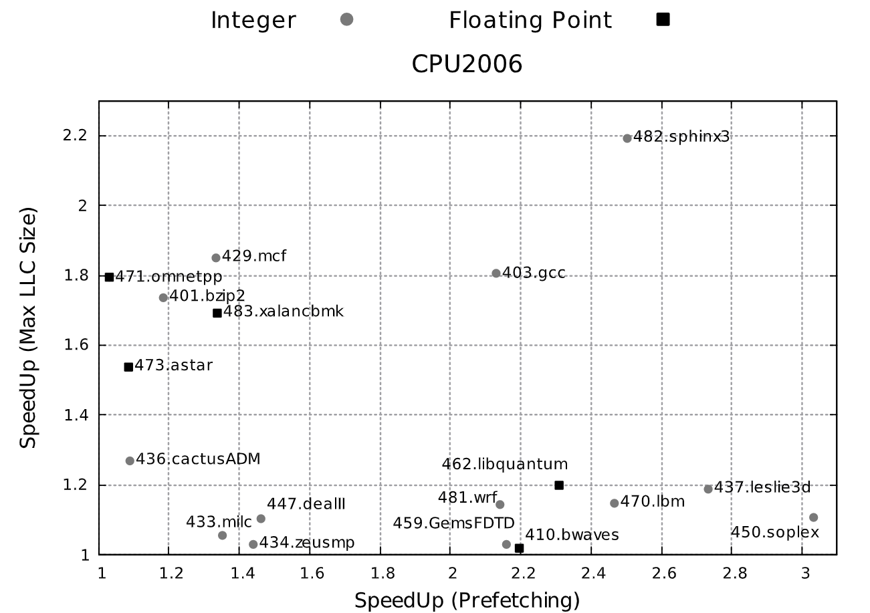
Normalized Score
SPECINT | No PF | SPP | SMS | stride | Stream | BOP | Berti | AMPM | AMP | SPP | SMS | stride | Stream | BOP | Berti | AMPM
400.perlbench | 7.08 | 7.5462953344 | 7.5390893789 | 7.17 | 7.31 | 7.45 | 7.08 | 7.53 | 7.91 | 1.0658609229 | 1.0648431326 | 1.0127118644 | 1.0324858757 | 1.052259887 | 1 | 1.063559322
401.bzip2 | 5.38 | 5.8419013571 | 5.7799229549 | 5.7 | 5.64 | 5.73 | 5.38 | 5.79 | 5.84 | 1.0858552708 | 1.0743351217 | 1.0594795539 | 1.0483271375 | 1.0650557621 | 1 | 1.0762081784
403.gcc | 8.8 | 10.046489751 | 9.9531636606 | 9.02 | 9.5 | 9.68 | 8.8 | 9.84 | 10.46 | 1.1416465626 | 1.1310413251 | 1.025 | 1.0795454545 | 1.1 | 1 | 1.1181818182
429.mcf | 13.12 | 17.206313499 | 15.384303214 | 14.25 | 14.08 | 14.97 | 13.12 | 15.1 | 14.63 | 1.3114568216 | 1.1725840864 | 1.0861280488 | 1.0731707317 | 1.1410060976 | 1 | 1.1509146341
445.gobmk | 8.21 | 8.4077845657 | 8.3725854738 | 8.28 | 8.31 | 8.31 | 8.21 | 8.37 | 8.43 | 1.0240906901 | 1.0198033464 | 1.0085261876 | 1.012180268 | 1.012180268 | 1 | 1.0194884287
456.hmmer | 9.25 | 10.015249818 | 10.10111182 | 10.09 | 10 | 9.91 | 9.25 | 10.21 | 9.94 | 1.0827297101 | 1.0920120887 | 1.0908108108 | 1.0810810811 | 1.0713513514 | 1 | 1.1037837838
458.sjeng | 8.79 | 8.8656305212 | 8.7966370802 | 8.8 | 8.8 | 8.83 | 8.79 | 8.8 | 8.9 | 1.0086041549 | 1.0007550717 | 1.0011376564 | 1.0011376564 | 1.0045506257 | 1 | 1.0011376564
462.libquantum | 12.24 | 22.517882901 | 20.638178367 | 13.38 | 15.45 | 17.6 | 12.24 | 14.17 | 18.78 | 1.8396963154 | 1.6861256836 | 1.0931372549 | 1.262254902 | 1.4379084967 | 1 | 1.1576797386
464.h264ref | 13.55 | 14.149084722 | 13.98445353 | 13.76 | 13.92 | 13.96 | 13.55 | 14.14 | 14.27 | 1.0442128946 | 1.0320629912 | 1.015498155 | 1.0273062731 | 1.0302583026 | 1 | 1.0435424354
471.omnetpp | 8.41 | 9.0131475035 | 9.260680667 | 8.44 | 8.01 | 8.14 | 8.41 | 8.53 | 7.99 | 1.0717178958 | 1.10115109 | 1.0035671819 | 0.95243757432 | 0.96789536266 | 1 | 1.0142687277
473.astar | 7.88 | 8.2301088627 | 8.1188783885 | 8.04 | 7.98 | 8 | 7.88 | 8.19 | 8.1 | 1.0444300587 | 1.0303145163 | 1.0203045685 | 1.0126903553 | 1.0152284264 | 1 | 1.0393401015
483.xalancbmk | 9.65 | 12.298225766 | 12.440316498 | 10.89 | 10.85 | 11.41 | 9.65 | 11.54 | 11.2 | 1.2744275405 | 1.2891519687 | 1.1284974093 | 1.1243523316 | 1.1823834197 | 1 | 1.1958549223
410.bwaves | 10.78 | 25.239363773 | 25.050150248 | 14.18 | 18.54 | 19.3 | 10.78 | 21.28 | 24.25 | 2.3413138936 | 2.3237616185 | 1.3153988868 | 1.719851577 | 1.7903525046 | 1 | 1.974025974
416.gamess | 12.13 | 12.470003605 | 12.223027887 | 12.16 | 12.2 | 12.41 | 12.13 | 12.4 | 12.48 | 1.0280299757 | 1.0076692404 | 1.0024732069 | 1.0057708162 | 1.0230832646 | 1 | 1.0222588623
433.milc | 8.49 | 13.823902782 | 13.636034916 | 9.11 | 8.95 | 8.97 | 8.49 | 9.37 | 10.18 | 1.6282571003 | 1.6061289654 | 1.0730270907 | 1.0541813899 | 1.0565371025 | 1 | 1.1036513545
434.zeusmp | 9.63 | 16.125546958 | 13.297933484 | 11.46 | 11.86 | 14.11 | 9.63 | 13.15 | 15.1 | 1.674511626 | 1.3808861354 | 1.1900311526 | 1.2315680166 | 1.4652128764 | 1 | 1.3655244029
435.gromacs | 9.16 | 10.485719366 | 10.470393279 | 10.32 | 9.9 | 10.31 | 9.16 | 10.46 | 10.54 | 1.1447291885 | 1.1430560348 | 1.1266375546 | 1.0807860262 | 1.1255458515 | 1 | 1.1419213974
436.cactusADM | 10.41 | 15.053327144 | 10.463642296 | 15.45 | 10.71 | 15.38 | 10.41 | 12.35 | 15.32 | 1.4460448746 | 1.0051529583 | 1.4841498559 | 1.0288184438 | 1.4774255524 | 1 | 1.1863592699
437.leslie3d | 6.19 | 13.132845171 | 12.594158637 | 8.64 | 9.91 | 10.51 | 6.19 | 10.14 | 13.73 | 2.1216228063 | 2.034597518 | 1.3957996769 | 1.6009693053 | 1.6978998384 | 1 | 1.6381260097
444.namd | 12.3 | 12.467999204 | 12.436895404 | 12.34 | 12.39 | 12.39 | 12.3 | 12.48 | 12.53 | 1.0136584718 | 1.0111297076 | 1.0032520325 | 1.0073170732 | 1.0073170732 | 1 | 1.0146341463
447.dealII | 12.48 | 15.578660823 | 15.573169702 | 13.45 | 14.39 | 14.4 | 12.48 | 14.27 | 15.73 | 1.2482901301 | 1.2478501364 | 1.077724359 | 1.1530448718 | 1.1538461538 | 1 | 1.1434294872
450.soplex | 9.46 | 15.964438469 | 15.769534597 | 11.68 | 11.89 | 10.38 | 9.46 | 12.88 | 17.08 | 1.6875727769 | 1.6669698306 | 1.2346723044 | 1.2568710359 | 1.0972515856 | 1 | 1.3615221987
453.povray | 10.09 | 10.1362744 | 10.138926447 | 10.12 | 10.1 | 10.09 | 10.09 | 10.08 | 10.19 | 1.0045861646 | 1.0048490036 | 1.0029732408 | 1.0009910803 | 1 | 1 | 0.99900891972
454.calculix | 5.21 | 5.4602312556 | 5.4735070969 | 5.37 | 5.31 | 5.36 | 5.21 | 5.45 | 5.52 | 1.0480290318 | 1.0505771779 | 1.0307101727 | 1.019193858 | 1.0287907869 | 1 | 1.0460652591
459.GemsFDTD | 6.6 | 20.293002199 | 16.653558145 | 12.12 | 10.34 | 12.26 | 6.6 | 15.11 | 13.99 | 3.0746973029 | 2.5232663856 | 1.8363636364 | 1.5666666667 | 1.8575757576 | 1 | 2.2893939394
465.tonto | 9.78 | 10.306982695 | 10.229989144 | 10.06 | 10.18 | 10.17 | 9.78 | 10.27 | 10.35 | 1.0538837111 | 1.0460111599 | 1.0286298569 | 1.0408997955 | 1.0398773006 | 1 | 1.0501022495
470.lbm | 10.56 | 27.844358601 | 28.913929865 | 11.6 | 19.61 | 21.17 | 10.56 | 24.26 | 28.87 | 2.6367763827 | 2.7380615402 | 1.0984848485 | 1.8570075758 | 2.0047348485 | 1 | 2.2973484848
481.wrf | 6.93 | 12.808806178 | 12.244495643 | 10.16 | 10.7 | 10.84 | 6.93 | 11 | 12.7 | 1.8483125798 | 1.7668824882 | 1.4660894661 | 1.544011544 | 1.5642135642 | 1 | 1.5873015873
482.sphinx3 | 13 | 17.972363639 | 17.397462713 | 16.65 | 16.45 | 17.13 | 13 | 17.48 | 18.49 | 1.3824895107 | 1.3382663626 | 1.2807692308 | 1.2653846154 | 1.3176923077 | 1 | 1.3446153846

 | No PF | SPP | SMS | stride | Stream | BOP | Berti | AMPM | AMP
Score INT | 9.073461562 | 10.428022685 | 10.246905156 | 9.4778546148 | 9.5852462616 | 9.8371689365 | 9.073461562 | 9.8023029708 | 10.019857783
Score FP | 9.3085737029 | 14.076821977 | 13.352127709 | 11.138322414 | 11.47827253 | 12.078911026 | 9.3085737029 | 12.402012035 | 13.623019386

Score

