Sheet1
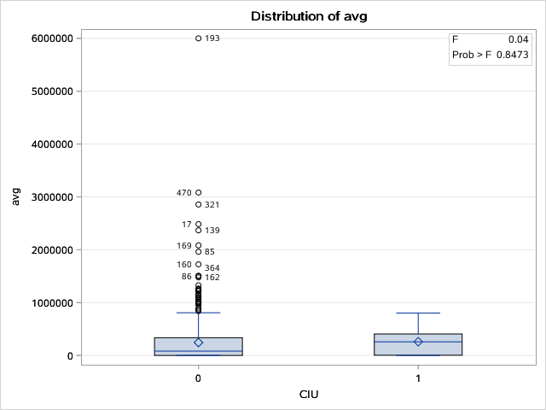
The SAS System

The MEANS Procedure

Analysis Variable : avg avg
N | Mean | Std Dev | Minimum | Maximum
586 | 245189.76 | 443377.99 | 0 | 6000000

The SAS System

The ANOVA Procedure

Class Level Information
Class | Levels | Values
Race | 5 | Asian Black Caucasian Hispanic Other

Number of Observations Read | 591
Number of Observations Used | 586

The SAS System

The ANOVA Procedure

Dependent Variable: avg avg

Source | DF | Sum of Squares | Mean Square | F Value | Pr > F
Model | 4 | 1.57E+12 | 393304781597 | 2.01 | 0.091
Error | 581 | 1.13E+14 | 195229682926
Corrected Total | 585 | 1.15E+14

R-Square | Coeff Var | Root MSE | avg Mean
0.01368 | 180.2066 | 441848 | 245189.8

Source | DF | Anova SS | Mean Square | F Value | Pr > F
Race | 4 | 1.57E+12 | 393304781597 | 2.01 | 0.091

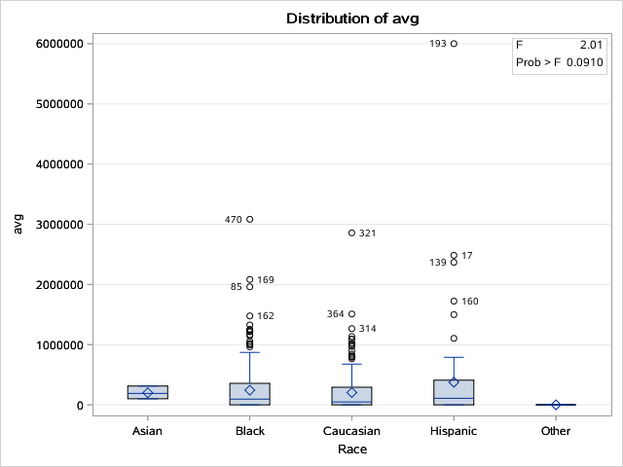

The SAS System

The ANOVA Procedure

Class Level Information
Class | Levels | Values
Sex | 2 | Female Male

Number of Observations Read | 591
Number of Observations Used | 586

The SAS System

The ANOVA Procedure

Dependent Variable: avg avg

Source | DF | Sum of Squares | Mean Square | F Value | Pr > F
Model | 1 | 183380113935 | 183380113935 | 0.93 | 0.3346
Error | 584 | 1.15E+14 | 196606652042
Corrected Total | 585 | 1.15E+14

R-Square | Coeff Var | Root MSE | avg Mean
0.001595 | 180.8409 | 443403.5 | 245189.8

Source | DF | Anova SS | Mean Square | F Value | Pr > F
Sex | 1 | 183380113935 | 183380113935 | 0.93 | 0.3346

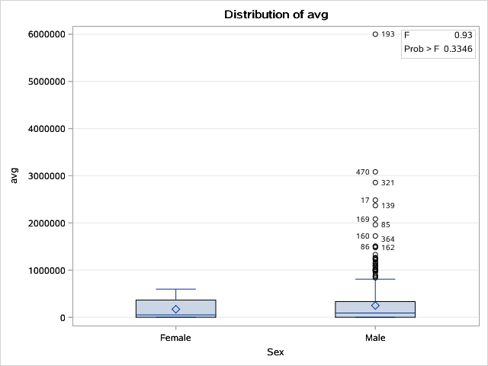

The SAS System

The CORR Procedure

1 With Variables: | avg
1 Variables: | YearExonerated

Simple Statistics
Variable | N | Mean | Std Dev | Median | Minimum | Maximum | Label
avg | 586 | 245190 | 443378 | 84749 | 0 | 6000000 | avg
YearExonerated | 591 | 2005 | 6.67354 | 2005 | 1989 | 2016 | YearExonerated

Spearman Correlation Coefficients
Prob > |r| under H0: Rho=0
Number of Observations
 | YearExonerated
avg | 0.2169
avg | <.0001
 | 586

The SAS System

The CORR Procedure

1 With Variables: | avg
1 Variables: | YearsLost

Simple Statistics
Variable | N | Mean | Std Dev | Median | Minimum | Maximum | Label
avg | 586 | 245190 | 443378 | 84749 | 0 | 6000000 | avg
YearsLost | 591 | 12.10491 | 7.70293 | 11.4 | 0.1 | 35.9 | YearsLost

Spearman Correlation Coefficients
Prob > |r| under H0: Rho=0
Number of Observations
 | YearsLost
avg | 0.0963
avg | 0.0197
 | 586

The SAS System

The ANOVA Procedure

Class Level Information
Class | Levels | Values
GuiltyP | 2 | 0 1

Number of Observations Read | 591
Number of Observations Used | 586

The SAS System

The ANOVA Procedure

Dependent Variable: avg avg

Source | DF | Sum of Squares | Mean Square | F Value | Pr > F
Model | 1 | 767945847306 | 767945847306 | 3.93 | 0.048
Error | 584 | 1.14E+14 | 195605683321
Corrected Total | 585 | 1.15E+14

R-Square | Coeff Var | Root MSE | avg Mean
0.006678 | 180.38 | 442273.3 | 245189.8

Source | DF | Anova SS | Mean Square | F Value | Pr > F
GuiltyP | 1 | 767945847306 | 767945847306 | 3.93 | 0.048

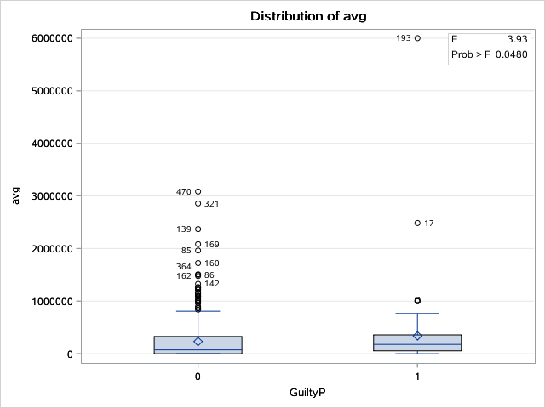

The SAS System

The ANOVA Procedure

Class Level Information
Class | Levels | Values
IO | 2 | 0 1

Number of Observations Read | 591
Number of Observations Used | 586

The SAS System

The ANOVA Procedure

Dependent Variable: avg avg

Source | DF | Sum of Squares | Mean Square | F Value | Pr > F
Model | 1 | 170994512353 | 170994512353 | 0.87 | 0.3514
Error | 584 | 1.15E+14 | 196627860264
Corrected Total | 585 | 1.15E+14

R-Square | Coeff Var | Root MSE | avg Mean
0.001487 | 180.8507 | 443427.4 | 245189.8

Source | DF | Anova SS | Mean Square | F Value | Pr > F
IO | 1 | 170994512352 | 170994512352 | 0.87 | 0.3514

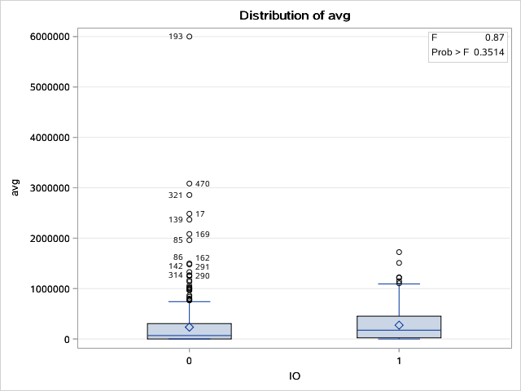

The SAS System

The ANOVA Procedure

Class Level Information
Class | Levels | Values
Crime | 6 | 1 2 3 4 5 6

Number of Observations Read | 591
Number of Observations Used | 586

The SAS System

The ANOVA Procedure

Dependent Variable: avg avg

Source | DF | Sum of Squares | Mean Square | F Value | Pr > F
Model | 5 | 1.63E+12 | 326797975878 | 1.67 | 0.1394
Error | 580 | 1.13E+14 | 195461508668
Corrected Total | 585 | 1.15E+14

R-Square | Coeff Var | Root MSE | avg Mean
0.014208 | 180.3135 | 442110.3 | 245189.8

Source | DF | Anova SS | Mean Square | F Value | Pr > F
Crime | 5 | 1.63E+12 | 326797975878 | 1.67 | 0.1394

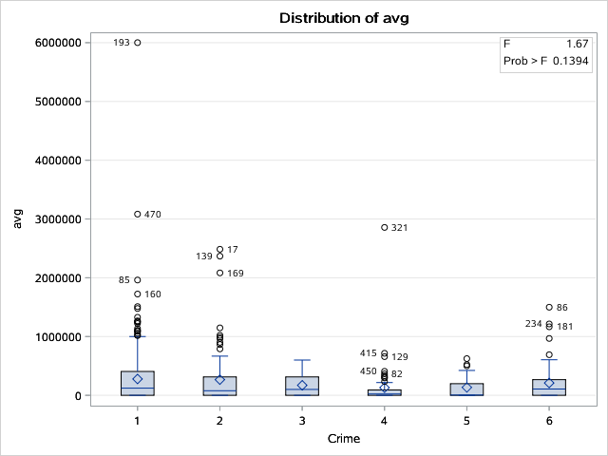

The SAS System

The ANOVA Procedure

Class Level Information
Class | Levels | Values
DNA | 2 | 0 1

Number of Observations Read | 591
Number of Observations Used | 586

The SAS System

The ANOVA Procedure

Dependent Variable: avg avg

Source | DF | Sum of Squares | Mean Square | F Value | Pr > F
Model | 1 | 1.79E+12 | 1.79E+12 | 9.25 | 0.0025
Error | 584 | 1.13E+14 | 193849518079
Corrected Total | 585 | 1.15E+14

R-Square | Coeff Var | Root MSE | avg Mean
0.015596 | 179.5685 | 440283.5 | 245189.8

Source | DF | Anova SS | Mean Square | F Value | Pr > F
DNA | 1 | 1.79E+12 | 1.79E+12 | 9.25 | 0.0025

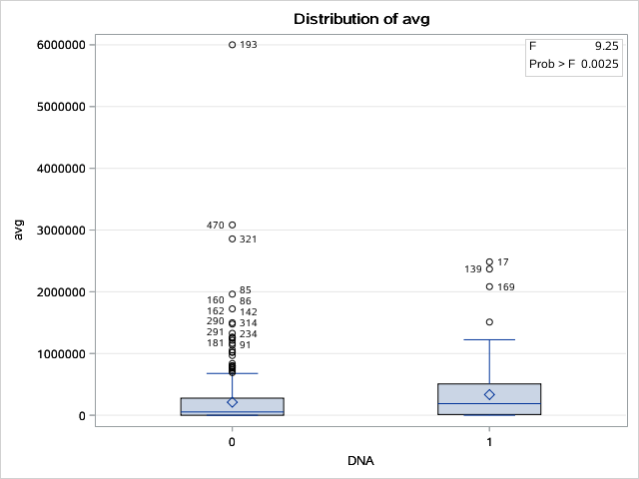

The SAS System

The ANOVA Procedure

Class Level Information
Class | Levels | Values
Death | 2 | 0 1

Number of Observations Read | 591
Number of Observations Used | 586

The SAS System

The ANOVA Procedure

Dependent Variable: avg avg

Source | DF | Sum of Squares | Mean Square | F Value | Pr > F
Model | 1 | 91232987982 | 91232987982 | 0.46 | 0.4962
Error | 584 | 1.15E+14 | 196764438217
Corrected Total | 585 | 1.15E+14

R-Square | Coeff Var | Root MSE | avg Mean
0.000793 | 180.9135 | 443581.4 | 245189.8

Source | DF | Anova SS | Mean Square | F Value | Pr > F
Death | 1 | 91232987982 | 91232987982 | 0.46 | 0.4962

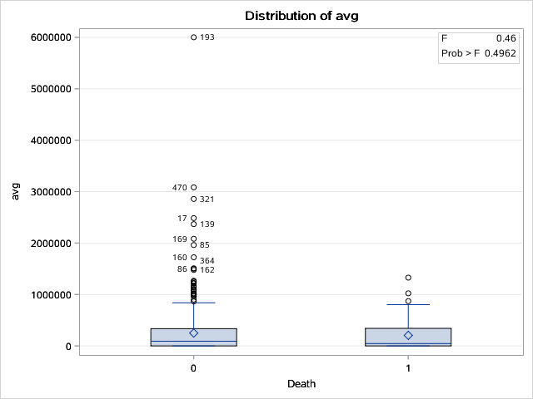

The SAS System

The ANOVA Procedure

Class Level Information
Class | Levels | Values
FC | 2 | 0 1

Number of Observations Read | 591
Number of Observations Used | 586

The SAS System

The ANOVA Procedure

Dependent Variable: avg avg

Source | DF | Sum of Squares | Mean Square | F Value | Pr > F
Model | 1 | 2.57E+12 | 2.57E+12 | 13.37 | 0.0003
Error | 584 | 1.12E+14 | 192514773623
Corrected Total | 585 | 1.15E+14

R-Square | Coeff Var | Root MSE | avg Mean
0.022374 | 178.9492 | 438765.1 | 245189.8

Source | DF | Anova SS | Mean Square | F Value | Pr > F
FC | 1 | 2.57E+12 | 2.57E+12 | 13.37 | 0.0003

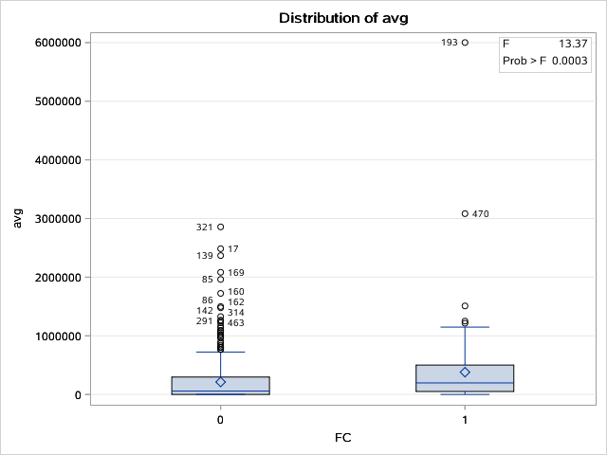

The SAS System

The ANOVA Procedure

Class Level Information
Class | Levels | Values
MWID | 2 | 0 1

Number of Observations Read | 591
Number of Observations Used | 586

The SAS System

The ANOVA Procedure

Dependent Variable: avg avg

Source | DF | Sum of Squares | Mean Square | F Value | Pr > F
Model | 1 | 121433078961 | 121433078961 | 0.62 | 0.4324
Error | 584 | 1.15E+14 | 196712725732
Corrected Total | 585 | 1.15E+14

R-Square | Coeff Var | Root MSE | avg Mean
0.001056 | 180.8897 | 443523.1 | 245189.8

Source | DF | Anova SS | Mean Square | F Value | Pr > F
MWID | 1 | 121433078961 | 121433078961 | 0.62 | 0.4324

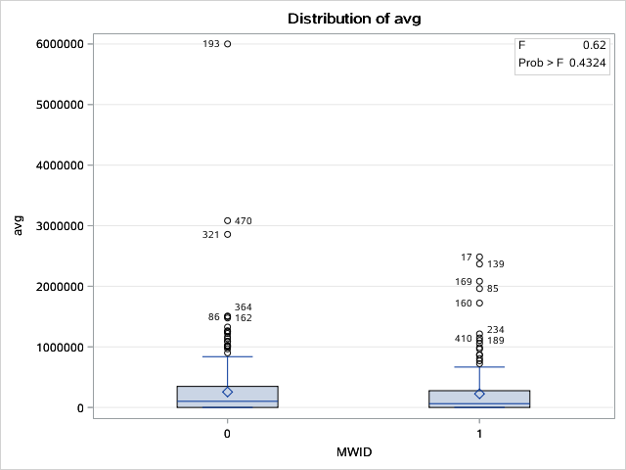

The SAS System

The ANOVA Procedure

Class Level Information
Class | Levels | Values
FMFE | 2 | 0 1

Number of Observations Read | 591
Number of Observations Used | 586

The SAS System

The ANOVA Procedure

Dependent Variable: avg avg

Source | DF | Sum of Squares | Mean Square | F Value | Pr > F
Model | 1 | 51010497940 | 51010497940 | 0.26 | 0.6109
Error | 584 | 1.15E+14 | 196833312344
Corrected Total | 585 | 1.15E+14

R-Square | Coeff Var | Root MSE | avg Mean
0.000444 | 180.9452 | 443659 | 245189.8

Source | DF | Anova SS | Mean Square | F Value | Pr > F
FMFE | 1 | 51010497940 | 51010497940 | 0.26 | 0.6109

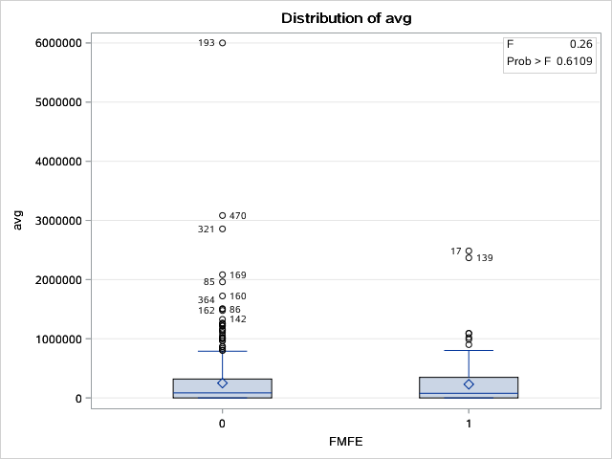

The SAS System

The ANOVA Procedure

Class Level Information
Class | Levels | Values
PFA | 2 | 0 1

Number of Observations Read | 591
Number of Observations Used | 586

The SAS System

The ANOVA Procedure

Dependent Variable: avg avg

Source | DF | Sum of Squares | Mean Square | F Value | Pr > F
Model | 1 | 409758303905 | 409758303905 | 2.09 | 0.149
Error | 584 | 1.15E+14 | 196219018155
Corrected Total | 585 | 1.15E+14

R-Square | Coeff Var | Root MSE | avg Mean
0.003563 | 180.6626 | 442966.2 | 245189.8

Source | DF | Anova SS | Mean Square | F Value | Pr > F
PFA | 1 | 409758303905 | 409758303905 | 2.09 | 0.149

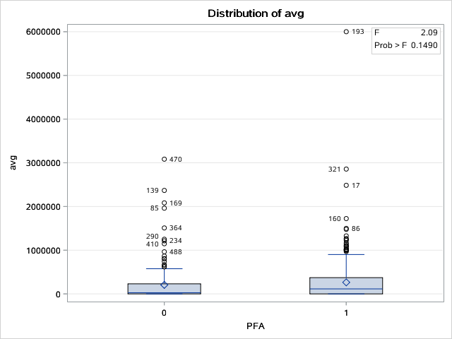

The SAS System

The ANOVA Procedure

Class Level Information
Class | Levels | Values
OM | 2 | 0 1

Number of Observations Read | 591
Number of Observations Used | 586

The SAS System

The ANOVA Procedure

Dependent Variable: avg avg

Source | DF | Sum of Squares | Mean Square | F Value | Pr > F
Model | 1 | 758898769544 | 758898769544 | 3.88 | 0.0494
Error | 584 | 1.14E+14 | 195621174892
Corrected Total | 585 | 1.15E+14

R-Square | Coeff Var | Root MSE | avg Mean
0.006599 | 180.3872 | 442290.8 | 245189.8

Source | DF | Anova SS | Mean Square | F Value | Pr > F
OM | 1 | 758898769544 | 758898769544 | 3.88 | 0.0494

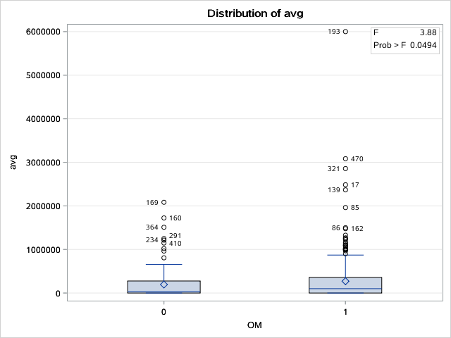

The SAS System

The ANOVA Procedure

Class Level Information
Class | Levels | Values
ILD | 2 | 0 1

Number of Observations Read | 591
Number of Observations Used | 586

The SAS System

The ANOVA Procedure

Dependent Variable: avg avg

Source | DF | Sum of Squares | Mean Square | F Value | Pr > F
Model | 1 | 170402292997 | 170402292997 | 0.87 | 0.3523
Error | 584 | 1.15E+14 | 196628874338
Corrected Total | 585 | 1.15E+14

R-Square | Coeff Var | Root MSE | avg Mean
0.001482 | 180.8512 | 443428.5 | 245189.8

Source | DF | Anova SS | Mean Square | F Value | Pr > F
ILD | 1 | 170402292997 | 170402292997 | 0.87 | 0.3523

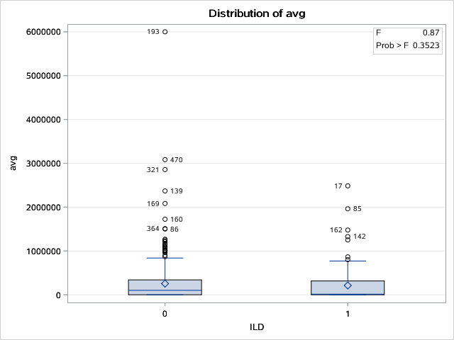

The SAS System

The ANOVA Procedure

Class Level Information
Class | Levels | Values
Area | 4 | Midwest Northeast South West

Number of Observations Read | 591
Number of Observations Used | 586

The SAS System

The ANOVA Procedure

Dependent Variable: avg avg

Source | DF | Sum of Squares | Mean Square | F Value | Pr > F
Model | 3 | 4.70E+12 | 1.57E+12 | 8.27 | <.0001
Error | 582 | 1.10E+14 | 189518552100
Corrected Total | 585 | 1.15E+14

R-Square | Coeff Var | Root MSE | avg Mean
0.040885 | 177.5512 | 435337.3 | 245189.8

Source | DF | Anova SS | Mean Square | F Value | Pr > F
Area | 3 | 4.70E+12 | 1.57E+12 | 8.27 | <.0001

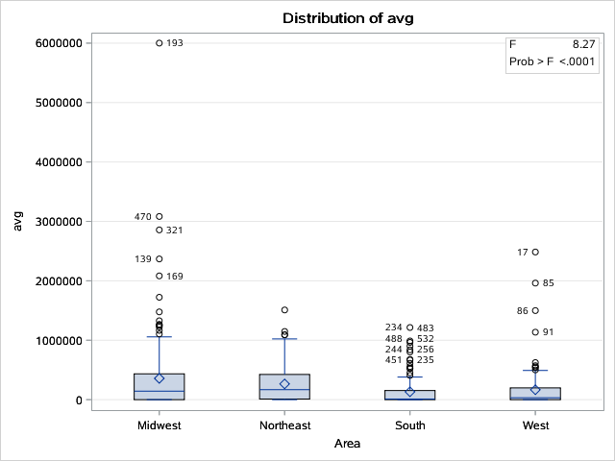

The SAS System

The ANOVA Procedure

Class Level Information
Class | Levels | Values
RB | 2 | B R

Number of Observations Read | 591
Number of Observations Used | 586

The SAS System

The ANOVA Procedure

Dependent Variable: avg avg

Source | DF | Sum of Squares | Mean Square | F Value | Pr > F
Model | 1 | 1.53E+12 | 1.53E+12 | 7.86 | 0.0052
Error | 584 | 1.13E+14 | 194306867528
Corrected Total | 585 | 1.15E+14

R-Square | Coeff Var | Root MSE | avg Mean
0.013273 | 179.7802 | 440802.5 | 245189.8

Source | DF | Anova SS | Mean Square | F Value | Pr > F
RB | 1 | 1.53E+12 | 1.53E+12 | 7.86 | 0.0052

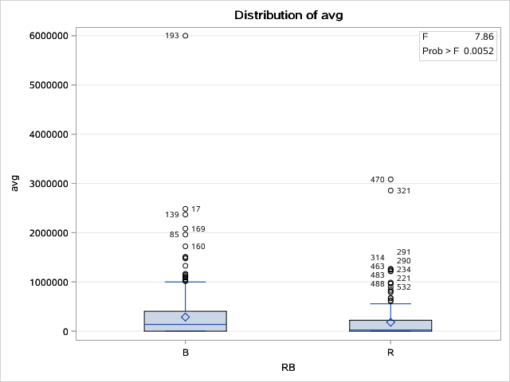

The SAS System

The ANOVA Procedure

Class Level Information
Class | Levels | Values
CIU | 2 | 0 1

Number of Observations Read | 591
Number of Observations Used | 586

The SAS System

The ANOVA Procedure

Dependent Variable: avg avg

Source | DF | Sum of Squares | Mean Square | F Value | Pr > F
Model | 1 | 7306112892.5 | 7306112892.5 | 0.04 | 0.8473
Error | 584 | 1.15E+14 | 196908148619
Corrected Total | 585 | 1.15E+14

R-Square | Coeff Var | Root MSE | avg Mean
0.000064 | 180.9796 | 443743.3 | 245189.8

Source | DF | Anova SS | Mean Square | F Value | Pr > F
CIU | 1 | 7306112893 | 7306112893 | 0.04 | 0.8473

