Reef Surf Product Proposal
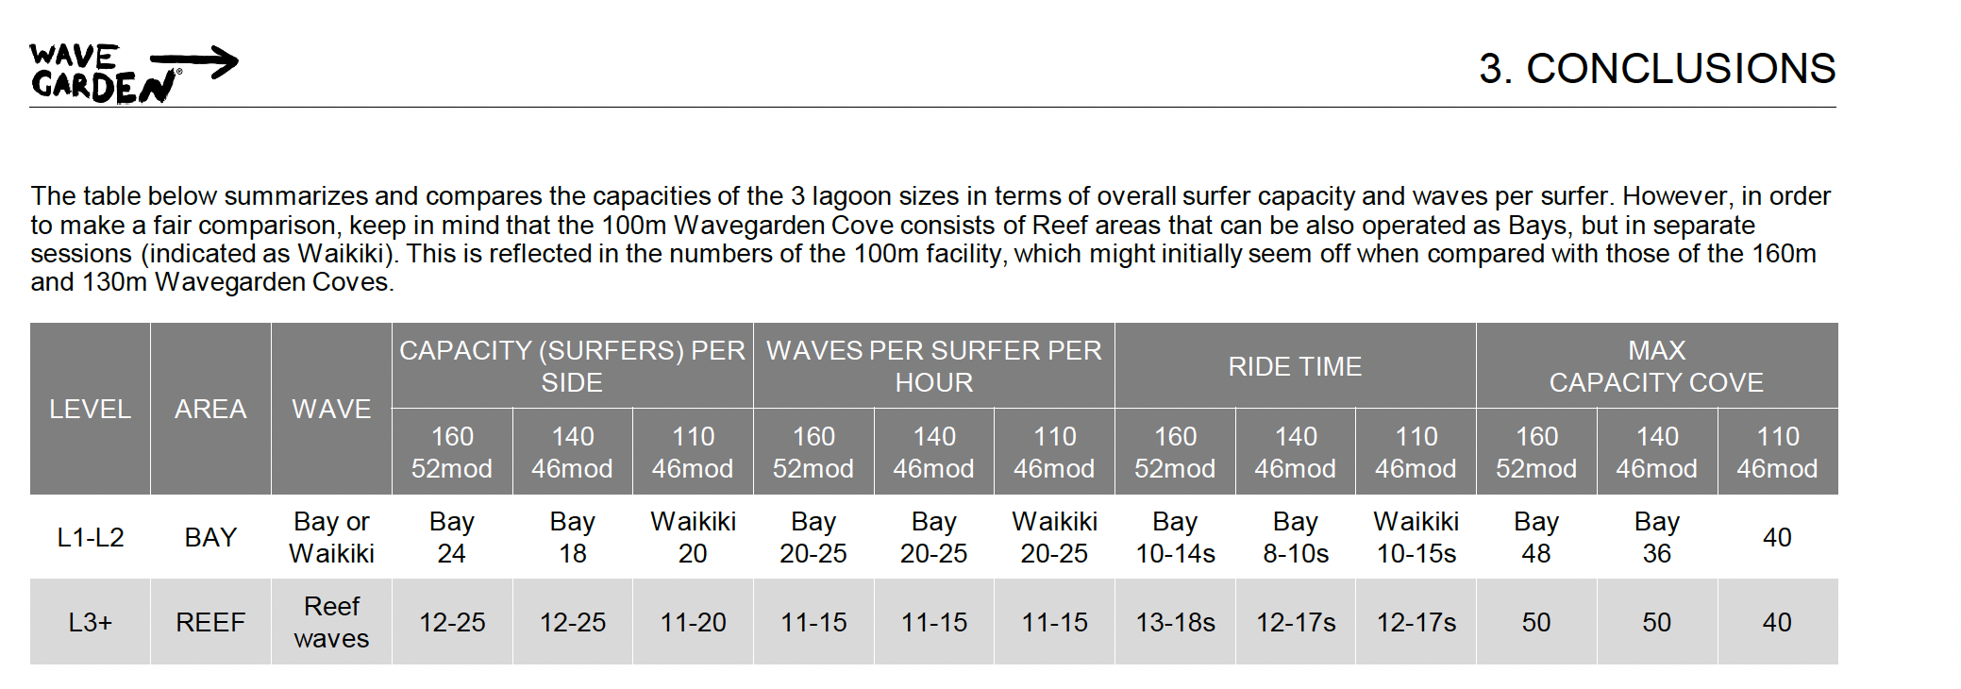
REEF Surf Name Proposal
KEY | Progressive | Good | Shredder | Atlantic Park | Setting Type | Bay Wave | Wave Length Seconds 13-18 seconds 15 second wave average | Wave Height | Wave QTY | Capacity | Atlantic Park Capacity
Turns = turns Only | Bay Beginner Lesson - White Water/ Speedies |  |  | Beginner (lesson) | (Range) | Yes | 14-18seconds 12 second average | 1.4-1.6feet | 20-25 waves per sesson | 24 Surfers | 20
Challenger = Turns and Barrels | Malibu (foamie included, guide included if over 10 pax?) |  |  | Novice (lesson) | M0.5, M1 | Yes | 21-22 sec | 3.9-6.2feet | 11-15 per surfer | 12-25 surfers | 19
"Plus" = upgraded (bigger sections, or barrels) | Progressive Turns |  |  | Progressive (M3 not at Atlantic park anymore; foamie included, guide included if over 10 pax) | M2,M3 | Yes | 21 sec |  |  | 12-25 surfers | 18
 |  | Intermediate Turns |  | Intermediate | M3/M4 | yes | 18-20 sec |  |  | 12-25 surfers | 14
 |  | Intermediate Turns + |  | Advanced Turns | T1/T2 | maybe | 16 sec |  |  | 12-25 surfers | 12
 |  | Intermediate Challenger |  | Advanced Barrels | T2/B1 | Likely no | 16/13sec |  |  | 12-25 surfers | 11
 |  |  | Advanced Turns | Expert Turns | T2/T3 | Likely no | 16/14sec |  |  | 12-25 surfers | 12
 |  |  | Advanced Turns + | Pro Turns | T3/T4 | Likely no | 17/? |  |  | 12-25 surfers | 12
 |  |  | Advanced Challenger | Expert Barrels | T3/B2 | Likely no | /14sec |  |  | 12-25 surfers | 10
 |  |  | Pro Challenger | Pro Barrels | T4/B3 | Likely no | 12sec |  |  | 12-25 surfers | 10

