Dashboard
FOOD DELIVERY OPERATIONS ANALYTICS
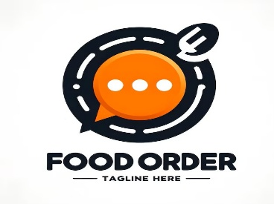
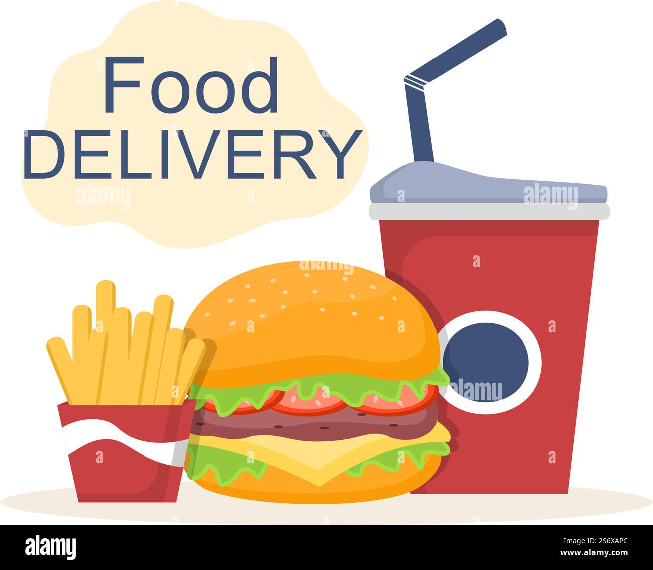

Total Revenue | Total Orders | Cancellation Rate | Average Delivery Time | Average Customer Rating
₹346,120.38 | 300 | 17% | 36.56 | 4.15

Top 10 Restaurants by Revenue
 | Total
Pune Bites | ₹24,783.23
Royal Thali | ₹19,227.23
Tandoor Tales | ₹18,203.97
Wok Express | ₹18,129.15
Dosa Junction | ₹18,059.57
Spice Hub | ₹17,080.28
Biryani House | ₹16,397.75
Grill House | ₹15,448.65
Kebab Nation | ₹15,122.29
South Spice | ₹14,973.87
Green Bowl | ₹14,766.23
Pasta Point | ₹14,184.46
Curry Leaf | ₹14,171.79
Chinese Wok | ₹13,620.22
Cafe Aroma | ₹13,501.65
Wrap Street | ₹12,037.70
The Breakfast Club | ₹11,200.01
Urban Tadka | ₹10,479.17
Pizza Craft | ₹10,240.29
Sweet Truth | ₹10,237.77
Maharashtra Kitchen | ₹10,028.14
Healthy Harvest | ₹9,914.63
Mumbai Masala | ₹9,050.69
Burger Garage | ₹7,748.96
The Food Factory | ₹7,512.68
City-wise Orders
 | Total
Bengaluru | 50
Hyderabad | 38
Mumbai | 55
Nagpur | 55
Nashik | 21
Pune | 81

FILTERS

Operations Alert
 | Total
Attention - Low Rating | 39
Critical - Cancelled | 50
Critical - Late Delivery | 41
Normal | 170
Monthly Revenue Trend
 | Total
May | ₹118,074.57
Jun | ₹112,680.70
Jul | ₹115,365.11

