postorderTraverse
 | Empty Tree | Tree 1 | Tree 2 | Tree 3
Expected | Empty TreeException | "B", "F", "D", "G", "H", "E", "C", "A" | "D", "C", "B", "A" | "D", "C", "B", "A"
Actual | Empty TreeException | "B", "F", "D", "G", "H", "E", "C", "A" | "D", "C", "B", "A" | "D", "C", "B", "A"

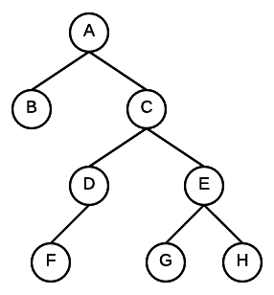
Tree 1 |  |  | Tree 2
 |  |  |  |  |  | A
 |  |  |  |  | B
 |  |  |  | C
 |  |  | D

 |  |  | Tree 3
 |  |  | A
 |  |  |  | B
 |  |  |  |  | C
 |  |  |  |  |  | D

