CMM_wiring
CMM分频器绕线资料

1，先拆除针点到BRC的绕线：

2，按以下接线资料接线：
电源接线资料： |  | PS1-和接地板连接

CMM3 | Y1/U25/U24
Pin Number | 5 | 6 | 7 | 8
Signal Name | +3.3V | Input+ | Ground | Input-
 | PS1+ | CLK100M_CLKGEN_PCIE_REFCLK_DP | GND | CLK100M_CLKGEN_PCIE_REFCLK_DN

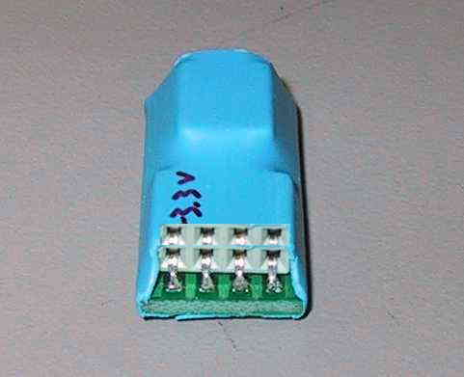

Pin Number | 1 | 2 | 3 | 4
Signal Name | Unpowered output+ | Unpowered output- | Ground | Frequency(Output)
 | 216112 | 21417 | GND | 216112
双绞线：Pin5&7, Pin6&7, Pin8&7, Pin1&3, Pin2&3, Pin4&3
备注：

CMM2 | Y2
Pin Number | 5 | 6 | 7 | 8
Signal Name | +3.3V | DUT Xtal out | Ground | DUT Xtal in
 | PS1+ | CLK_BMCPHY_25M_XTAL1 | GND | CLK_BMCPHY_25M_XTAL2

Pin Number | 1 | 2 | 3 | 4
Signal Name | 3070 Xtal out | Ground (Power) | 3070 Xtal in / Freq. out | Ground (Output)
 | 207,101 | GND | 20701 | GND
双绞线：Pin5&7, Pin6&7, Pin8&7, Pin1&2, Pin4&3
备注：

CMM2 | Y7_I2
Pin Number | 5 | 6 | 7 | 8
Signal Name | +3.3V | DUT Xtal out | Ground | DUT Xtal in
 | PS1+ | MGMT_PHY_XTAL_IN1_R | GND | MGMT_PHY_XTAL_IN2_R

Pin Number | 1 | 2 | 3 | 4
Signal Name | 3070 Xtal out | Ground (Power) | 3070 Xtal in / Freq. out | Ground (Output)
 | 219,127 | GND | 21929 | GND
双绞线：Pin5&7, Pin6&7, Pin8&7, Pin1&2, Pin4&3

