A
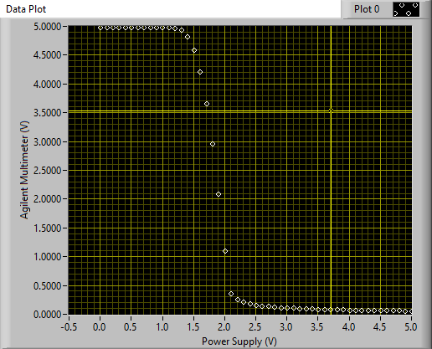
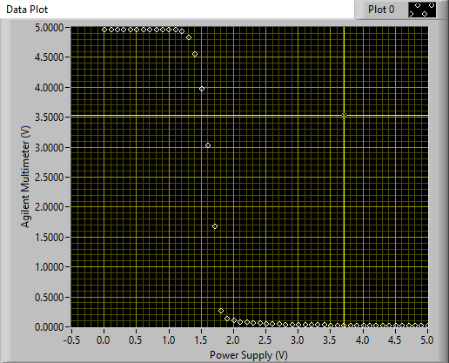
Power Supply (V) - Plot 0 | Agilent Multimeter (V) - Plot 0 | RL
0 | 4.9959 | 2.00E+04
0.1 | 4.9959 | 2.00E+04
0.2 | 4.9959 | 2.00E+04
0.3 | 4.9959 | 2.00E+04
0.4 | 4.9959 | 2.00E+04
0.5 | 4.9959 | 2.00E+04
0.6 | 4.9959 | 2.00E+04
0.7 | 4.9959 | 2.00E+04
0.8 | 4.9959 | 2.00E+04
0.9 | 4.9959 | 2.00E+04
1 | 4.9957 | 2.00E+04
1.1 | 4.9952 | 2.00E+04
1.2 | 4.9926 | 2.00E+04
1.3 | 4.9828 | 2.00E+04
1.4 | 4.9547 | 2.00E+04
1.5 | 4.896 | 2.00E+04
1.6 | 4.7983 | 2.00E+04
1.7 | 4.6571 | 2.00E+04
1.8 | 4.4729 | 2.00E+04
1.9 | 4.2448 | 2.00E+04
2 | 3.9758 | 2.00E+04
2.1 | 3.6653 | 2.00E+04
2.2 | 3.3181 | 2.00E+04
2.3 | 2.9358 | 2.00E+04
2.4 | 2.5188 | 2.00E+04
2.5 | 2.0736 | 2.00E+04
2.6 | 1.6053 | 2.00E+04
2.7 | 1.1377 | 2.00E+04
2.8 | 0.7868 | 2.00E+04
2.9 | 0.6351 | 2.00E+04
3 | 0.5564 | 2.00E+04
3.1 | 0.5042 | 2.00E+04
3.2 | 0.4658 | 2.00E+04
3.3 | 0.4355 | 2.00E+04
3.4 | 0.4107 | 2.00E+04
3.5 | 0.39 | 2.00E+04
3.6 | 0.3721 | 2.00E+04
3.7 | 0.3566 | 2.00E+04
3.8 | 0.343 | 2.00E+04
3.9 | 0.3307 | 2.00E+04
4 | 0.3198 | 2.00E+04
4.1 | 0.3098 | 2.00E+04
4.2 | 0.3008 | 2.00E+04
4.3 | 0.2925 | 2.00E+04
4.4 | 0.2849 | 2.00E+04
4.5 | 0.2779 | 2.00E+04
4.6 | 0.2713 | 2.00E+04
4.7 | 0.2652 | 2.00E+04
4.8 | 0.2595 | 2.00E+04
4.9 | 0.2542 | 2.00E+04
5 | 0.2492 | 2.00E+04
0 | 4.9885 | 5.00E+04
0.1 | 4.9885 | 5.00E+04
0.2 | 4.9885 | 5.00E+04
0.3 | 4.9885 | 5.00E+04
0.4 | 4.9885 | 5.00E+04
0.5 | 4.9885 | 5.00E+04
0.6 | 4.9885 | 5.00E+04
0.7 | 4.9885 | 5.00E+04
0.8 | 4.9885 | 5.00E+04
0.9 | 4.9884 | 5.00E+04
1 | 4.988 | 5.00E+04
1.1 | 4.9858 | 5.00E+04
1.2 | 4.9757 | 5.00E+04
1.3 | 4.9371 | 5.00E+04
1.4 | 4.8268 | 5.00E+04
1.5 | 4.5972 | 5.00E+04
1.6 | 4.2148 | 5.00E+04
1.7 | 3.67 | 5.00E+04
1.8 | 2.9618 | 5.00E+04
1.9 | 2.0962 | 5.00E+04
2 | 1.1073 | 5.00E+04
2.1 | 0.3681 | 5.00E+04
2.2 | 0.2576 | 5.00E+04
2.3 | 0.2126 | 5.00E+04
2.4 | 0.1851 | 5.00E+04
2.5 | 0.1658 | 5.00E+04
2.6 | 0.1512 | 5.00E+04
2.7 | 0.1396 | 5.00E+04
2.8 | 0.1302 | 5.00E+04
2.9 | 0.1223 | 5.00E+04
3 | 0.1156 | 5.00E+04
3.1 | 0.1098 | 5.00E+04
3.2 | 0.1048 | 5.00E+04
3.3 | 0.1003 | 5.00E+04
3.4 | 0.0963 | 5.00E+04
3.5 | 0.0928 | 5.00E+04
3.6 | 0.0895 | 5.00E+04
3.7 | 0.0866 | 5.00E+04
3.8 | 0.0839 | 5.00E+04
3.9 | 0.0815 | 5.00E+04
4 | 0.0792 | 5.00E+04
4.1 | 0.0771 | 5.00E+04
4.2 | 0.0752 | 5.00E+04
4.3 | 0.0734 | 5.00E+04
4.4 | 0.0717 | 5.00E+04
4.5 | 0.0701 | 5.00E+04
4.6 | 0.0686 | 5.00E+04
4.7 | 0.0672 | 5.00E+04
4.8 | 0.0659 | 5.00E+04
4.9 | 0.0647 | 5.00E+04
5 | 0.0635 | 5.00E+04

B
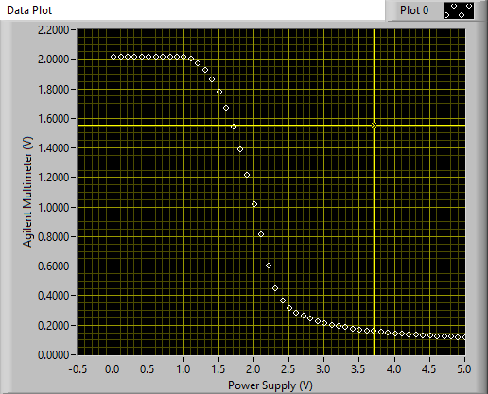
5.1k | Power Supply (V) - Plot 0 | Agilent Multimeter (V) - Plot 0
 | 0 | 2.0219
 | 0.1 | 2.022
 | 0.2 | 2.0222
 | 0.3 | 2.0221
 | 0.4 | 2.0219
 | 0.5 | 2.022
 | 0.6 | 2.0219
 | 0.7 | 2.0219
 | 0.8 | 2.0217
 | 0.9 | 2.0211
 | 1 | 2.018
 | 1.1 | 2.0061
 | 1.2 | 1.9763
 | 1.3 | 1.9286
 | 1.4 | 1.8648
 | 1.5 | 1.7818
 | 1.6 | 1.6764
 | 1.7 | 1.5465
 | 1.8 | 1.3939
 | 1.9 | 1.2191
 | 2 | 1.026
 | 2.1 | 0.818
 | 2.2 | 0.6079
 | 2.3 | 0.4516
 | 2.4 | 0.3703
 | 2.5 | 0.3226
 | 2.6 | 0.2901
 | 2.7 | 0.2657
 | 2.8 | 0.2467
 | 2.9 | 0.2311
 | 3 | 0.2181
 | 3.1 | 0.2071
 | 3.2 | 0.1975
 | 3.3 | 0.1891
 | 3.4 | 0.1816
 | 3.5 | 0.175
 | 3.6 | 0.169
 | 3.7 | 0.1635
 | 3.8 | 0.1586
 | 3.9 | 0.1541
 | 4 | 0.1499
 | 4.1 | 0.146
 | 4.2 | 0.1425
 | 4.3 | 0.1391
 | 4.4 | 0.136
 | 4.5 | 0.1331
 | 4.6 | 0.1304
 | 4.7 | 0.1278
 | 4.8 | 0.1254
 | 4.9 | 0.1231
 | 5 | 0.121

C
Power Supply (V) - Plot 0 | Agilent Multimeter (V) - Plot 0
0 | 4.9974
0 | 4.9973
0.1 | 4.9973
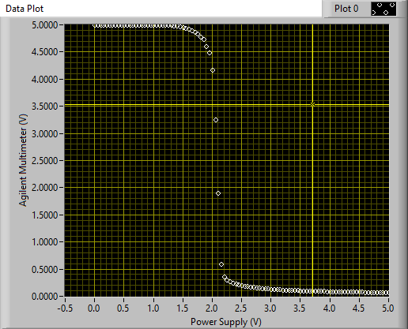
0.1 | 4.9974
0.2 | 4.9974
0.2 | 4.9974
0.3 | 4.9973
0.3 | 4.9974
0.4 | 4.9974
0.4 | 4.9973
0.5 | 4.9973
0.5 | 4.9973
0.6 | 4.9973
0.6 | 4.9973
0.7 | 4.9973
0.7 | 4.9974
0.8 | 4.9974
0.8 | 4.9973
0.9 | 4.9973
0.9 | 4.9973
1 | 4.9973
1 | 4.9972
1.1 | 4.9971
1.1 | 4.9968
1.2 | 4.9962
1.2 | 4.995
1.3 | 4.9928
1.3 | 4.9891
1.4 | 4.9834
1.4 | 4.9747
1.5 | 4.9629
1.5 | 4.9472
1.6 | 4.9273
1.6 | 4.9025
1.7 | 4.8714
1.7 | 4.8331
1.8 | 4.7854
1.8 | 4.7324
1.9 | 4.6116
1.9 | 4.4952
2 | 4.1746
2 | 3.2544
2.1 | 1.9093
2.1 | 0.6001
2.2 | 0.3689
2.2 | 0.3085
2.3 | 0.2727
2.3 | 0.2484
2.4 | 0.2294
2.4 | 0.2153
2.5 | 0.2
2.5 | 0.1907
2.6 | 0.1819
2.6 | 0.1738
2.7 | 0.1672
2.7 | 0.1609
2.8 | 0.1551
2.8 | 0.15
2.9 | 0.1452
2.9 | 0.1408
3 | 0.1367
3 | 0.1331
3.1 | 0.1297
3.1 | 0.1265
3.2 | 0.1235
3.2 | 0.1207
3.3 | 0.118
3.3 | 0.1155
3.4 | 0.113
3.4 | 0.1113
3.5 | 0.1085
3.5 | 0.1069
3.6 | 0.1058
3.6 | 0.1026
3.7 | 0.1011
3.7 | 0.0999
3.8 | 0.098
3.8 | 0.0968
3.9 | 0.095
3.9 | 0.0907
4 | 0.0905
4 | 0.091
4.1 | 0.0898
4.1 | 0.0888
4.2 | 0.0877
4.2 | 0.0866
4.3 | 0.0856
4.3 | 0.0844
4.4 | 0.0835
4.4 | 0.0822
4.5 | 0.0816
4.5 | 0.0807
4.6 | 0.0796
4.6 | 0.0791
4.7 | 0.0782
4.7 | 0.0774
4.8 | 0.0766
4.8 | 0.0758
4.9 | 0.0738
4.9 | 0.0729
5 | 0.0722

D
5V | Power Supply (V) - Plot 0 | Agilent Multimeter (V) - Plot 0 | Vdd – test | 5V | Power Supply (V) - 5 | Agilent Multimeter (V) -5 | Vdd – 5
 | 0 | 4.9978 | 5 |  | 0 | 4.9975 | 5
 | 0 | 4.9978 | 5 |  | 0 | 4.9975 | 5
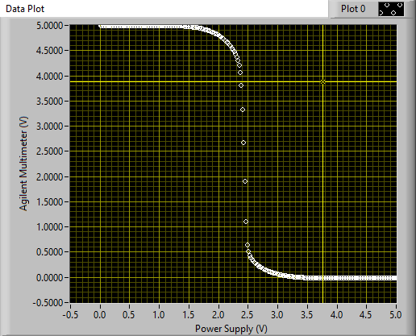
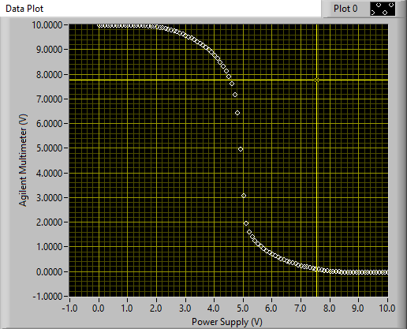
 | 0.1 | 4.9978 | 5 |  | 0 | 4.9975 | 5
 | 0.1 | 4.9978 | 5 |  | 0.1 | 4.9975 | 5
 | 0.2 | 4.9978 | 5 |  | 0.1 | 4.9975 | 5
 | 0.2 | 4.9978 | 5 |  | 0.1 | 4.9976 | 5
 | 0.3 | 4.9978 | 5 |  | 0.1 | 4.9976 | 5
 | 0.3 | 4.9978 | 5 |  | 0.1 | 4.9976 | 5
 | 0.4 | 4.9978 | 5 |  | 0.2 | 4.9976 | 5
 | 0.4 | 4.9978 | 5 |  | 0.2 | 4.9976 | 5
 | 0.5 | 4.9978 | 5 |  | 0.2 | 4.9976 | 5
 | 0.5 | 4.9978 | 5 |  | 0.2 | 4.9976 | 5
 | 0.6 | 4.9978 | 5 |  | 0.2 | 4.9976 | 5
 | 0.6 | 4.9978 | 5 |  | 0.3 | 4.9976 | 5
 | 0.7 | 4.9977 | 5 |  | 0.3 | 4.9976 | 5
 | 0.7 | 4.9978 | 5 |  | 0.3 | 4.9976 | 5
 | 0.8 | 4.9977 | 5 |  | 0.3 | 4.9976 | 5
 | 0.8 | 4.9978 | 5 |  | 0.3 | 4.9976 | 5
 | 0.9 | 4.9978 | 5 |  | 0.4 | 4.9976 | 5
 | 0.9 | 4.9978 | 5 |  | 0.4 | 4.9976 | 5
 | 1 | 4.9977 | 5 |  | 0.4 | 4.9976 | 5
 | 1 | 4.9977 | 5 |  | 0.4 | 4.9976 | 5
 | 1.1 | 4.9977 | 5 |  | 0.4 | 4.9976 | 5
 | 1.1 | 4.9976 | 5 |  | 0.5 | 4.9976 | 5
 | 1.2 | 4.9973 | 5 |  | 0.5 | 4.9976 | 5
 | 1.2 | 4.9969 | 5 |  | 0.5 | 4.9976 | 5
 | 1.3 | 4.9961 | 5 |  | 0.5 | 4.9976 | 5
 | 1.3 | 4.9945 | 5 |  | 0.5 | 4.9976 | 5
 | 1.4 | 4.9922 | 5 |  | 0.6 | 4.9976 | 5
 | 1.4 | 4.9887 | 5 |  | 0.6 | 4.9976 | 5
 | 1.5 | 4.9837 | 5 |  | 0.6 | 4.9976 | 5
 | 1.5 | 4.9772 | 5 |  | 0.6 | 4.9976 | 5
 | 1.6 | 4.9689 | 5 |  | 0.6 | 4.9976 | 5
 | 1.6 | 4.9585 | 5 |  | 0.7 | 4.9976 | 5
 | 1.7 | 4.9459 | 5 |  | 0.7 | 4.9976 | 5
 | 1.7 | 4.931 | 5 |  | 0.7 | 4.9976 | 5
 | 1.8 | 4.9126 | 5 |  | 0.7 | 4.9976 | 5
 | 1.8 | 4.89 | 5 |  | 0.7 | 4.9976 | 5
 | 1.9 | 4.8668 | 5 |  | 0.8 | 4.9976 | 5
 | 1.9 | 4.8388 | 5 |  | 0.8 | 4.9977 | 5
 | 2 | 4.8055 | 5 |  | 0.8 | 4.9976 | 5
 | 2 | 4.7668 | 5 |  | 0.8 | 4.9976 | 5
 | 2.1 | 4.7208 | 5 |  | 0.8 | 4.9976 | 5
 | 2.1 | 4.6608 | 5 |  | 0.9 | 4.9976 | 5
 | 2.2 | 4.5989 | 5 |  | 0.9 | 4.9976 | 5
 | 2.2 | 4.5064 | 5 |  | 0.9 | 4.9976 | 5
 | 2.3 | 4.3813 | 5 |  | 0.9 | 4.9976 | 5
 | 2.3 | 4.149 | 5 |  | 0.9 | 4.9976 | 5
 | 2.4 | 3.3815 | 5 |  | 1 | 4.9976 | 5
 | 2.4 | 1.4852 | 5 |  | 1 | 4.9975 | 5
 | 2.5 | 0.5039 | 5 |  | 1 | 4.9975 | 5
 | 2.5 | 0.3875 | 5 |  | 1 | 4.9976 | 5
 | 2.6 | 0.3091 | 5 |  | 1 | 4.9975 | 5
 | 2.6 | 0.2572 | 5 |  | 1.1 | 4.9975 | 5
 | 2.7 | 0.2164 | 5 |  | 1.1 | 4.9975 | 5
 | 2.7 | 0.1813 | 5 |  | 1.1 | 4.9975 | 5
 | 2.8 | 0.1527 | 5 |  | 1.1 | 4.9974 | 5
 | 2.8 | 0.1275 | 5 |  | 1.1 | 4.9974 | 5
 | 2.9 | 0.1061 | 5 |  | 1.2 | 4.9973 | 5
 | 2.9 | 0.0886 | 5 |  | 1.2 | 4.9972 | 5
 | 3 | 0.0728 | 5 |  | 1.2 | 4.9972 | 5
 | 3 | 0.051 | 5 |  | 1.2 | 4.997 | 5
 | 3.1 | 0.0431 | 5 |  | 1.2 | 4.9968 | 5
 | 3.1 | 0.0365 | 5 |  | 1.3 | 4.9966 | 5
 | 3.2 | 0.028 | 5 |  | 1.3 | 4.9963 | 5
 | 3.2 | 0.0206 | 5 |  | 1.3 | 4.9959 | 5
 | 3.3 | 0.0143 | 5 |  | 1.3 | 4.9954 | 5
 | 3.3 | 0.0095 | 5 |  | 1.3 | 4.9948 | 5
 | 3.4 | 0.0059 | 5 |  | 1.4 | 4.994 | 5
 | 3.4 | 0.0033 | 5 |  | 1.4 | 4.9931 | 5
 | 3.5 | 0.0016 | 5 |  | 1.4 | 4.9921 | 5
 | 3.5 | 0.0006 | 5 |  | 1.4 | 4.9908 | 5
 | 3.6 | 0.0002 | 5 |  | 1.4 | 4.9894 | 5
 | 3.6 | 0.0001 | 5 |  | 1.5 | 4.9877 | 5
 | 3.7 | 0 | 5 |  | 1.5 | 4.9858 | 5
 | 3.7 | 0 | 5 |  | 1.5 | 4.9836 | 5
 | 3.8 | 0 | 5 |  | 1.5 | 4.9811 | 5
 | 3.8 | 0 | 5 |  | 1.5 | 4.9785 | 5
 | 3.9 | 0 | 5 |  | 1.6 | 4.9756 | 5
 | 3.9 | 0 | 5 |  | 1.6 | 4.9724 | 5
 | 4 | 0 | 5 |  | 1.6 | 4.9688 | 5
 | 4 | 0 | 5 |  | 1.6 | 4.9648 | 5
 | 4.1 | 0 | 5 |  | 1.6 | 4.9606 | 5
 | 4.1 | 0 | 5 |  | 1.7 | 4.9561 | 5
 | 4.2 | 0 | 5 |  | 1.7 | 4.9511 | 5
 | 4.2 | 0 | 5 |  | 1.7 | 4.9457 | 5
 | 4.3 | 0 | 5 |  | 1.7 | 4.94 | 5
 | 4.3 | 0 | 5 |  | 1.7 | 4.9339 | 5
 | 4.4 | 0 | 5 |  | 1.8 | 4.9274 | 5
 | 4.4 | 0 | 5 |  | 1.8 | 4.9203 | 5
 | 4.5 | 0 | 5 |  | 1.8 | 4.9128 | 5
 | 4.5 | 0 | 5 |  | 1.8 | 4.905 | 5
 | 4.6 | 0 | 5 |  | 1.8 | 4.8962 | 5
 | 4.6 | 0 | 5 |  | 1.9 | 4.8872 | 5
 | 4.7 | 0 | 5 |  | 1.9 | 4.8775 | 5
 | 4.7 | 0 | 5 |  | 1.9 | 4.8672 | 5
 | 4.8 | 0 | 5 |  | 1.9 | 4.8554 | 5
 | 4.8 | 0 | 5 |  | 1.9 | 4.8443 | 5
 | 4.9 | 0 | 5 |  | 2 | 4.8324 | 5
 | 4.9 | 0 | 5 |  | 2 | 4.8188 | 5
 | 5 | 0 | 5 |  | 2 | 4.8051 | 5
 | 0 | 9.9991 | 10 |  | 2 | 4.7897 | 5
 | 0.1 | 9.9991 | 10 |  | 2 | 4.7742 | 5
 | 0.2 | 9.9991 | 10 |  | 2.1 | 4.7569 | 5
 | 0.3 | 9.9991 | 10 |  | 2.1 | 4.7389 | 5
 | 0.4 | 9.9991 | 10 |  | 2.1 | 4.7193 | 5
 | 0.5 | 9.9991 | 10 |  | 2.1 | 4.6984 | 5
 | 0.6 | 9.9991 | 10 |  | 2.1 | 4.6752 | 5
 | 0.7 | 9.9991 | 10 |  | 2.2 | 4.6504 | 5
 | 0.8 | 9.9991 | 10 |  | 2.2 | 4.6238 | 5
 | 0.9 | 9.9991 | 10 |  | 2.2 | 4.594 | 5
 | 1 | 9.999 | 10 |  | 2.2 | 4.5595 | 5
 | 1.1 | 9.999 | 10 |  | 2.2 | 4.5248 | 5
 | 1.2 | 9.9989 | 10 |  | 2.3 | 4.4833 | 5
 | 1.3 | 9.9983 | 10 |  | 2.3 | 4.434 | 5
 | 1.4 | 9.9966 | 10 |  | 2.3 | 4.3764 | 5
 | 1.5 | 9.9931 | 10 |  | 2.3 | 4.3059 | 5
 | 1.6 | 9.9873 | 10 |  | 2.3 | 4.21 | 5
 | 1.7 | 9.9787 | 10 |  | 2.4 | 4.0679 | 5
 | 1.8 | 9.9673 | 10 |  | 2.4 | 3.8137 | 5
 | 1.9 | 9.9531 | 10 |  | 2.4 | 3.3427 | 5
 | 2 | 9.9359 | 10 |  | 2.4 | 2.6888 | 5
 | 2.1 | 9.9157 | 10 |  | 2.4 | 1.9087 | 5
 | 2.2 | 9.8925 | 10 |  | 2.5 | 1.1119 | 5
 | 2.3 | 9.8662 | 10 |  | 2.5 | 0.652 | 5
 | 2.4 | 9.8368 | 10 |  | 2.5 | 0.518 | 5
 | 2.5 | 9.804 | 10 |  | 2.5 | 0.4492 | 5
 | 2.6 | 9.7681 | 10 |  | 2.5 | 0.4015 | 5
 | 2.7 | 9.7288 | 10 |  | 2.6 | 0.3637 | 5
 | 2.8 | 9.6859 | 10 |  | 2.6 | 0.3334 | 5
 | 2.9 | 9.6393 | 10 |  | 2.6 | 0.3066 | 5
 | 3 | 9.5888 | 10 |  | 2.6 | 0.2837 | 5
 | 3.1 | 9.5341 | 10 |  | 2.6 | 0.264 | 5
 | 3.2 | 9.4752 | 10 |  | 2.7 | 0.2447 | 5
 | 3.3 | 9.4112 | 10 |  | 2.7 | 0.227 | 5
 | 3.4 | 9.3424 | 10 |  | 2.7 | 0.2118 | 5
 | 3.5 | 9.268 | 10 |  | 2.7 | 0.1975 | 5
 | 3.6 | 9.1871 | 10 |  | 2.7 | 0.1847 | 5
 | 3.7 | 9.0994 | 10 |  | 2.8 | 0.1724 | 5
 | 3.8 | 9.004 | 10 |  | 2.8 | 0.1607 | 5
 | 3.9 | 8.899 | 10 |  | 2.8 | 0.1502 | 5
 | 4 | 8.7837 | 10 |  | 2.8 | 0.1402 | 5
 | 4.1 | 8.655 | 10 |  | 2.8 | 0.1309 | 5
 | 4.2 | 8.5108 | 10 |  | 2.9 | 0.1213 | 5
 | 4.3 | 8.3461 | 10 |  | 2.9 | 0.1132 | 5
 | 4.4 | 8.1533 | 10 |  | 2.9 | 0.1052 | 5
 | 4.5 | 7.9208 | 10 |  | 2.9 | 0.0976 | 5
 | 4.6 | 7.6224 | 10 |  | 2.9 | 0.0905 | 5
 | 4.7 | 7.2013 | 10 |  | 3 | 0.0839 | 5
 | 4.8 | 6.4433 | 10 |  | 3 | 0.0775 | 5
 | 4.9 | 4.9752 | 10 |  | 3 | 0.0711 | 5
 | 5 | 3.077 | 10 |  | 3 | 0.0662 | 5
 | 5.1 | 1.9823 | 10 |  | 3 | 0.0609 | 5
 | 5.2 | 1.627 | 10 |  | 3.1 | 0.0551 | 5
 | 5.3 | 1.4168 | 10 |  | 3.1 | 0.0502 | 5
 | 5.4 | 1.2616 | 10 |  | 3.1 | 0.046 | 5
 | 5.5 | 1.1367 | 10 |  | 3.1 | 0.0415 | 5
 | 5.6 | 1.0309 | 10 |  | 3.1 | 0.0377 | 5
 | 5.7 | 0.9384 | 10 |  | 3.2 | 0.0342 | 5
 | 5.8 | 0.8564 | 10 |  | 3.2 | 0.0304 | 5
 | 5.9 | 0.7826 | 10 |  | 3.2 | 0.0275 | 5
 | 6 | 0.7151 | 10 |  | 3.2 | 0.0239 | 5
 | 6.1 | 0.6535 | 10 |  | 3.2 | 0.0209 | 5
 | 6.2 | 0.596 | 10 |  | 3.3 | 0.0183 | 5
 | 6.3 | 0.5436 | 10 |  | 3.3 | 0.0161 | 5
 | 6.4 | 0.4944 | 10 |  | 3.3 | 0.0139 | 5
 | 6.5 | 0.4483 | 10 |  | 3.3 | 0.012 | 5
 | 6.6 | 0.4055 | 10 |  | 3.3 | 0.0102 | 5
 | 6.7 | 0.3653 | 10 |  | 3.4 | 0.0086 | 5
 | 6.8 | 0.3275 | 10 |  | 3.4 | 0.0066 | 5
 | 6.9 | 0.2923 | 10 |  | 3.4 | 0.0055 | 5
 | 7 | 0.2591 | 10 |  | 3.4 | 0.0045 | 5
 | 7.1 | 0.2283 | 10 |  | 3.4 | 0.0035 | 5
 | 7.2 | 0.1995 | 10 |  | 3.5 | 0.0027 | 5
 | 7.3 | 0.1725 | 10 |  | 3.5 | 0.0021 | 5
 | 7.4 | 0.1476 | 10 |  | 3.5 | 0.0015 | 5
 | 7.5 | 0.1245 | 10 |  | 3.5 | 0.0011 | 5
 | 7.6 | 0.1032 | 10 |  | 3.5 | 0.0007 | 5
 | 7.7 | 0.084 | 10 |  | 3.6 | 0.0005 | 5
 | 7.8 | 0.0665 | 10 |  | 3.6 | 0.0003 | 5
 | 7.9 | 0.0509 | 10 |  | 3.6 | 0.0002 | 5
 | 8 | 0.0374 | 10 |  | 3.6 | 0.0001 | 5
 | 8.1 | 0.0258 | 10 |  | 3.6 | 0.0001 | 5
 | 8.2 | 0.0163 | 10 |  | 3.7 | 0 | 5
 | 8.3 | 0.009 | 10 |  | 3.7 | 0 | 5
 | 8.4 | 0.004 | 10 |  | 3.7 | 0 | 5
 | 8.5 | 0.0012 | 10 |  | 3.7 | 0 | 5
 | 8.6 | 0.0002 | 10 |  | 3.7 | 0 | 5
 | 8.7 | 0 | 10 |  | 3.8 | 0 | 5
 | 8.8 | 0 | 10 |  | 3.8 | 0 | 5
 | 8.9 | 0 | 10 |  | 3.8 | 0 | 5
 | 9 | 0 | 10 |  | 3.8 | 0 | 5
 | 9.1 | 0 | 10 |  | 3.8 | 0 | 5
 | 9.2 | 0 | 10 |  | 3.9 | 0 | 5
 | 9.3 | 0 | 10 |  | 3.9 | 0 | 5
 | 9.4 | 0 | 10 |  | 3.9 | 0 | 5
 | 9.5 | 0 | 10 |  | 3.9 | 0 | 5
 | 9.6 | 0 | 10 |  | 3.9 | 0 | 5
 | 9.7 | 0 | 10 |  | 4 | 0 | 5
 | 9.8 | 0 | 10 |  | 4 | 0 | 5
 | 9.9 | 0 | 10 |  | 4 | 0 | 5
 | 10 | 0 | 10 |  | 4 | 0 | 5
 |  |  |  |  | 4 | 0 | 5
 |  |  |  |  | 4.1 | 0 | 5
 |  |  |  |  | 4.1 | 0 | 5
 |  |  |  |  | 4.1 | 0 | 5
 |  |  |  |  | 4.1 | 0 | 5
 |  |  |  |  | 4.1 | 0 | 5
 |  |  |  |  | 4.2 | 0 | 5
 |  |  |  |  | 4.2 | 0 | 5
 |  |  |  |  | 4.2 | 0 | 5
 |  |  |  |  | 4.2 | 0 | 5
 |  |  |  |  | 4.2 | 0 | 5
 |  |  |  |  | 4.3 | 0 | 5
 |  |  |  |  | 4.3 | 0 | 5
 |  |  |  |  | 4.3 | 0 | 5
 |  |  |  |  | 4.3 | 0 | 5
 |  |  |  |  | 4.3 | 0 | 5
 |  |  |  |  | 4.4 | 0 | 5
 |  |  |  |  | 4.4 | 0 | 5
 |  |  |  |  | 4.4 | 0 | 5
 |  |  |  |  | 4.4 | 0 | 5
 |  |  |  |  | 4.4 | 0 | 5
 |  |  |  |  | 4.5 | 0 | 5
 |  |  |  |  | 4.5 | 0 | 5
 |  |  |  |  | 4.5 | 0 | 5
 |  |  |  |  | 4.5 | 0 | 5
 |  |  |  |  | 4.5 | 0 | 5
 |  |  |  |  | 4.6 | 0 | 5
 |  |  |  |  | 4.6 | 0 | 5
 |  |  |  |  | 4.6 | 0 | 5
 |  |  |  |  | 4.6 | 0 | 5
 |  |  |  |  | 4.6 | 0 | 5
 |  |  |  |  | 4.7 | 0 | 5
 |  |  |  |  | 4.7 | 0 | 5
 |  |  |  |  | 4.7 | 0 | 5
 |  |  |  |  | 4.7 | 0 | 5
 |  |  |  |  | 4.7 | 0 | 5
 |  |  |  |  | 4.8 | 0 | 5
 |  |  |  |  | 4.8 | 0 | 5
 |  |  |  |  | 4.8 | 0 | 5
 |  |  |  |  | 4.8 | 0 | 5
 |  |  |  |  | 4.8 | 0 | 5
 |  |  |  |  | 4.9 | 0 | 5
 |  |  |  |  | 4.9 | 0 | 5
 |  |  |  |  | 4.9 | 0 | 5
 |  |  |  |  | 4.9 | 0 | 5
 |  |  |  |  | 4.9 | 0 | 5
 |  |  |  |  | 5 | 0 | 5
 |  |  |  |  | 5 | 0 | 5
 |  |  |  |  | 5 | 0 | 5
 |  |  |  |  | 0 | 9.9991 | 10
 |  |  |  |  | 0.1 | 9.9991 | 10
 |  |  |  |  | 0.2 | 9.9991 | 10
 |  |  |  |  | 0.3 | 9.9991 | 10
 |  |  |  |  | 0.4 | 9.9991 | 10
 |  |  |  |  | 0.5 | 9.9991 | 10
 |  |  |  |  | 0.6 | 9.9991 | 10
 |  |  |  |  | 0.7 | 9.9991 | 10
 |  |  |  |  | 0.8 | 9.9991 | 10
 |  |  |  |  | 0.9 | 9.9991 | 10
 |  |  |  |  | 1 | 9.999 | 10
 |  |  |  |  | 1.1 | 9.999 | 10
 |  |  |  |  | 1.2 | 9.9989 | 10
 |  |  |  |  | 1.3 | 9.9983 | 10
 |  |  |  |  | 1.4 | 9.9966 | 10
 |  |  |  |  | 1.5 | 9.9931 | 10
 |  |  |  |  | 1.6 | 9.9873 | 10
 |  |  |  |  | 1.7 | 9.9787 | 10
 |  |  |  |  | 1.8 | 9.9673 | 10
 |  |  |  |  | 1.9 | 9.9531 | 10
 |  |  |  |  | 2 | 9.9359 | 10
 |  |  |  |  | 2.1 | 9.9157 | 10
 |  |  |  |  | 2.2 | 9.8925 | 10
 |  |  |  |  | 2.3 | 9.8662 | 10
 |  |  |  |  | 2.4 | 9.8368 | 10
 |  |  |  |  | 2.5 | 9.804 | 10
 |  |  |  |  | 2.6 | 9.7681 | 10
 |  |  |  |  | 2.7 | 9.7288 | 10
 |  |  |  |  | 2.8 | 9.6859 | 10
 |  |  |  |  | 2.9 | 9.6393 | 10
 |  |  |  |  | 3 | 9.5888 | 10
 |  |  |  |  | 3.1 | 9.5341 | 10
 |  |  |  |  | 3.2 | 9.4752 | 10
 |  |  |  |  | 3.3 | 9.4112 | 10
 |  |  |  |  | 3.4 | 9.3424 | 10
 |  |  |  |  | 3.5 | 9.268 | 10
 |  |  |  |  | 3.6 | 9.1871 | 10
 |  |  |  |  | 3.7 | 9.0994 | 10
 |  |  |  |  | 3.8 | 9.004 | 10
 |  |  |  |  | 3.9 | 8.899 | 10
 |  |  |  |  | 4 | 8.7837 | 10
 |  |  |  |  | 4.1 | 8.655 | 10
 |  |  |  |  | 4.2 | 8.5108 | 10
 |  |  |  |  | 4.3 | 8.3461 | 10
 |  |  |  |  | 4.4 | 8.1533 | 10
 |  |  |  |  | 4.5 | 7.9208 | 10
 |  |  |  |  | 4.6 | 7.6224 | 10
 |  |  |  |  | 4.7 | 7.2013 | 10
 |  |  |  |  | 4.8 | 6.4433 | 10
 |  |  |  |  | 4.9 | 4.9752 | 10
 |  |  |  |  | 5 | 3.077 | 10
 |  |  |  |  | 5.1 | 1.9823 | 10
 |  |  |  |  | 5.2 | 1.627 | 10
 |  |  |  |  | 5.3 | 1.4168 | 10
 |  |  |  |  | 5.4 | 1.2616 | 10
 |  |  |  |  | 5.5 | 1.1367 | 10
 |  |  |  |  | 5.6 | 1.0309 | 10
 |  |  |  |  | 5.7 | 0.9384 | 10
 |  |  |  |  | 5.8 | 0.8564 | 10
 |  |  |  |  | 5.9 | 0.7826 | 10
 |  |  |  |  | 6 | 0.7151 | 10
 |  |  |  |  | 6.1 | 0.6535 | 10
 |  |  |  |  | 6.2 | 0.596 | 10
 |  |  |  |  | 6.3 | 0.5436 | 10
 |  |  |  |  | 6.4 | 0.4944 | 10
 |  |  |  |  | 6.5 | 0.4483 | 10
 |  |  |  |  | 6.6 | 0.4055 | 10
 |  |  |  |  | 6.7 | 0.3653 | 10
 |  |  |  |  | 6.8 | 0.3275 | 10
 |  |  |  |  | 6.9 | 0.2923 | 10
 |  |  |  |  | 7 | 0.2591 | 10
 |  |  |  |  | 7.1 | 0.2283 | 10
 |  |  |  |  | 7.2 | 0.1995 | 10
 |  |  |  |  | 7.3 | 0.1725 | 10
 |  |  |  |  | 7.4 | 0.1476 | 10
 |  |  |  |  | 7.5 | 0.1245 | 10
 |  |  |  |  | 7.6 | 0.1032 | 10
 |  |  |  |  | 7.7 | 0.084 | 10
 |  |  |  |  | 7.8 | 0.0665 | 10
 |  |  |  |  | 7.9 | 0.0509 | 10
 |  |  |  |  | 8 | 0.0374 | 10
 |  |  |  |  | 8.1 | 0.0258 | 10
 |  |  |  |  | 8.2 | 0.0163 | 10
 |  |  |  |  | 8.3 | 0.009 | 10
 |  |  |  |  | 8.4 | 0.004 | 10
 |  |  |  |  | 8.5 | 0.0012 | 10
 |  |  |  |  | 8.6 | 0.0002 | 10
 |  |  |  |  | 8.7 | 0 | 10
 |  |  |  |  | 8.8 | 0 | 10
 |  |  |  |  | 8.9 | 0 | 10
 |  |  |  |  | 9 | 0 | 10
 |  |  |  |  | 9.1 | 0 | 10
 |  |  |  |  | 9.2 | 0 | 10
 |  |  |  |  | 9.3 | 0 | 10
 |  |  |  |  | 9.4 | 0 | 10
 |  |  |  |  | 9.5 | 0 | 10
 |  |  |  |  | 9.6 | 0 | 10
 |  |  |  |  | 9.7 | 0 | 10
 |  |  |  |  | 9.8 | 0 | 10
 |  |  |  |  | 9.9 | 0 | 10
 |  |  |  |  | 10 | 0 | 10

