Executive Summary
Executive Summary
Row Health campaign category performance, 2019 to 2023 · Prepared by Desmond Chua
Prepared for Nick, Reporting and Insights Manager, for the quarterly business review. Analysis and visuals built in Tableau Public; this workbook holds the requirements, the metric definitions, the data quality record and the written findings.

AT A GLANCE
CLICK THROUGH RATE | COST PER CLICK | SIGNUP RATE | COST PER SIGNUP
9.39% | $0.071 | 0.18% | $3.68
852,268 clicks on 9.08M impressions | $60,190 spend across 57 campaigns | 16,338 signups over impressions. See Metric Definitions | $60,190 spend, 16,338 signups

THE THREE ANSWERS
Marketing. The categories that bought the most impressions converted worst. Click-through rate runs from 25.48% on Health For All, the smallest category by impressions, down to 1.41% on Golden Years Security, and a category average can hide two campaign types pulling in opposite directions. |  |  |  | Marketing Metrics
Signups. Row Health acquired 16,338 customers at $3.68 each, but the largest movement in the data was not a campaign result. Signups stepped up across every category at once in March 2020 and have since returned to roughly the 2019 baseline. |  |  |  | Signup Metrics
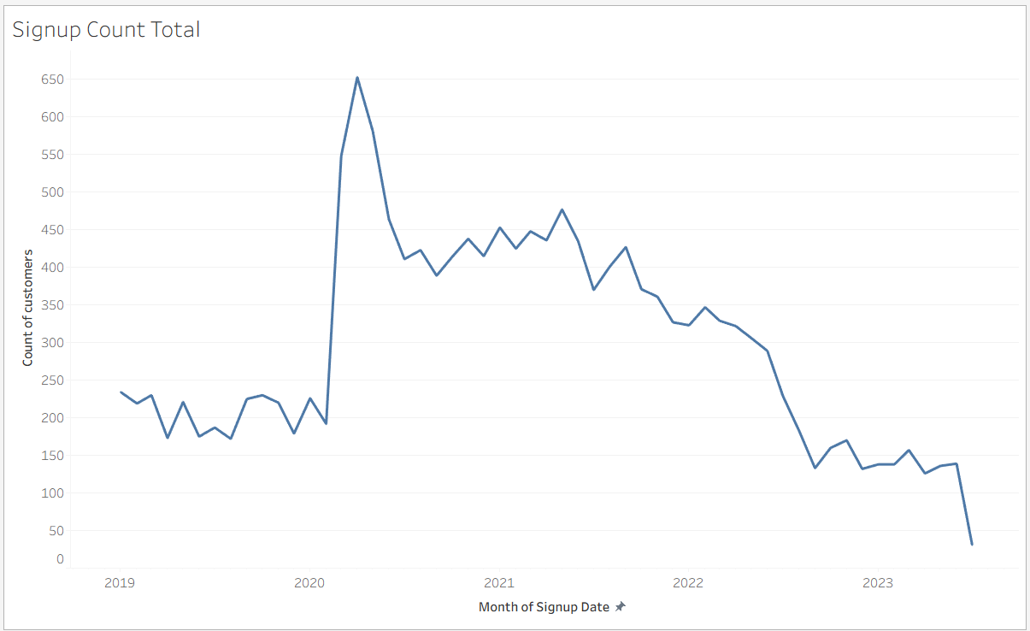
Claims. Claims follow the size of the customer base rather than current campaign performance, peaking two years after signups did. Compare Health Coverage now holds 37.6% of the claim book and its customers claim $1,383.7 each against an $818 average. |  |  |  | Claim Metrics

PASTE TABLEAU VISUAL HERE The callout row and one marketing band

WHAT WE RECOMMEND
House style: Because [finding], we should [action].
1. Because Health For All’s 25.48% click-through rate comes entirely from its Health Awareness campaigns while its other two types returned 0.00%, and it converts at 2.08% against a 0.18% average at $1.2 a signup, we should fund those campaigns specifically rather than the category as a whole.
2. Because Golden Years Security is worst on every measure, 1.41% click-through rate, $0.680 a click, 23 signups at $176.7 each and the smallest claim book at $16,088, we should stop funding it rather than trying to improve it.
3. Because Compare Health Coverage has grown from 6.7% to 26.1% of signups and from 6.5% to 37.6% of the claim book, and its customers claim $1,383.7 each against an $818 average, we should compare its premium income against its claim cost before growing it further.
4. Because the March 2020 step appears across every category at once rather than in any single one, we should treat the 2020 and 2021 signup levels as an external effect and set 2024 targets against the 2019 baseline of 2,465 signups rather than the 2020 peak.

WHAT THIS ANALYSIS CANNOT TELL YOU
Return on ad spend over time. The campaigns table has no date column, so spend cannot be placed on a timeline.
Cost per acquisition for 24 of the 57 campaigns. CAM034 to CAM057 have no customers attributed to them, in one contiguous block, and they carry $24,709 of spend, 41% of the total. That cost sits in the numerator of every cost per signup figure while contributing nothing to the count, so those figures are inflated. Excluding those campaigns gives $2.17 a signup rather than $3.68.
2023 on a like-for-like basis. Signups stop on 13 Jul 2023 and claims on 27 Jul 2023, so 2023 holds roughly seven months against twelve.
Marketing performance sliced by plan or state. Cost, impressions and clicks are recorded per campaign, and nothing in the data says which impressions reached which person. See the Dashboard Build Log.
What Row Health actually paid, by category. Every claim figure here is what providers billed. Row Health covered $8,169,760 of the $13,359,063 billed, and coverage rates differ by plan, so a category’s real cost depends on which plans its customers hold.
Method, assumptions and the full issues log are on the Documentation tab. Metric definitions and the two closed definitional decisions are on Metric Definitions. Every figure above reconciles to the source tables in this workbook.

Requirements
Requirements
What Nick asked for, decomposed before anything was built
Same four-step decomposition used on the ICBC take-home and the Denko project: the ask, the big question, the business questions, then the metrics and dimensions that answer them. Filled in before the dashboard was built, not after.

1 · THE ASK, AS RECEIVED
From | Nick, Reporting and Insights Manager, Row Health.
Occasion | Future quarterly business review meetings. This is a recurring dashboard, not a one-off analysis, which is why pie charts and one-time snapshots are out.
Scope | To-date impact of the marketing campaign categories introduced in 2019.
Audience | Reporting and insights, presenting into a quarterly business review. Semi-technical. Wants to self-serve rather than request cuts.

2 · BIG QUESTION
Which campaign categories are worth continuing to fund, and how do they compare on the metrics that matter to signups and to awareness?

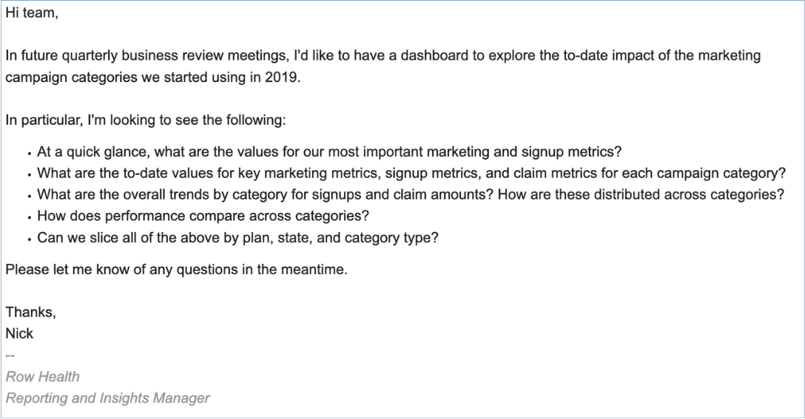
3 · BUSINESS QUESTIONS
Nick’s five bullets, restated as questions the dashboard has to answer.
# | Business question | What answering it requires | Where it is answered
Q1 | At a quick glance, what are the values for our most important marketing and signup metrics? | A small set of headline figures, calculated across whatever is currently filtered. Four at most. | Callout row, top of dashboard
Q2 | What are the to-date values for key marketing, signup and claim metrics for each campaign category? | Three tables, one per subject, each broken out by campaign category with a grand total. | Marketing Metrics, Signup Metrics, Claim Metrics tables
Q3 | What are the overall trends by category for signups and claim amounts? | Two line charts at month grain, coloured by campaign category. | Signup Count by Category, Claim Amount by Category
Q4 | How are these distributed across categories, and how does performance compare across categories? | Share-of-total over time, plus a ranked comparison of the marketing measures. | Signup Mix, Claim Mix, Marketing Bars
Q5 | Can we slice all of the above by plan, state and campaign type? | Three dashboard filters. Two of them are customer attributes and one is a campaign attribute, which is not the same thing. | Filter bar. Scope decisions on Dashboard Build Log

4 · METRICS AND DIMENSIONS AGREED WITH THE STAKEHOLDER
North star | Click-through rate, impressions, cost per impression, signups, signup rate, claim amount, claim counts. Seven metrics, as given in the brief.
Key dimensions | Campaign category, time, plan, state, campaign type. Five dimensions, as given in the brief.
Primary breakout | Campaign category. Every table and every chart is broken out by it, which is what makes this a campaign category dashboard rather than a general marketing dashboard.
Denominators | Impressions for click-through rate and cost per impression. Clicks for cost per click. Impressions or clicks for signup rate, which is an open decision. Distinct customers for cost per signup. Distinct claims for average claim amount.
Divergences | The brief names cost per impression. The supplied mockup and the reference dashboard both show cost per click. Both are built. See Metric Definitions.
Gap | Claim counts is named as a north star metric in the brief but does not appear on the mockup, and is not currently on the dashboard. Claim Metrics shows sum and average of claim amount instead. Decide whether to add it.

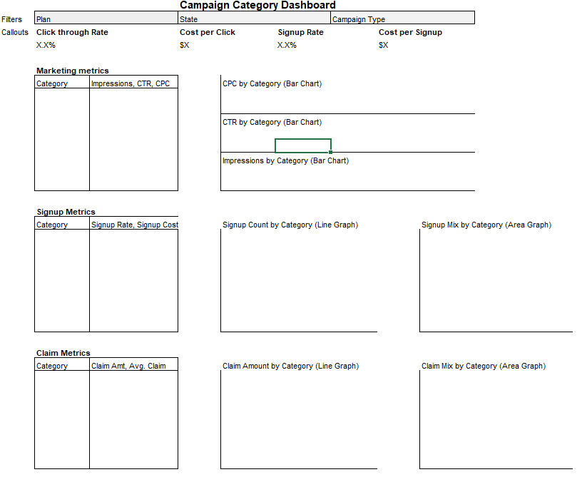
5 · AGREED LAYOUT
The mockup supplied with the brief, and the layout actually built. Three subject bands following the customer journey: marketing, then signups, then claims. Tables left, visuals right, repeated in every band.

WHY THE LAYOUT REPEATS
Once a reader has learned how to read the first band, they can read the other two without being taught again. Dashboard guidance caps a dashboard at fewer than five kinds of visual and fewer than nine tiles. This build uses three kinds (table, line, area) plus a callout row, and eight worksheets. The callout row is built inside one horizontal container so it counts as one tile rather than four.

6 · OUT OF SCOPE
· Return on ad spend, and any cost metric placed on a timeline. The campaigns table has no date column.
· Attribution modelling. first_touch exists on customers but is not reconciled against campaign_id, and the brief does not ask for it.
· Claim profitability by campaign. The link exists through customers, but the brief scopes claims to volume and value only.
· Anything involving the 24 unattributed campaigns as an acquisition source.

Marketing Metrics
MARKETING METRICS
Q1, Q2, Q4. How much did we spend, what did it buy, and which categories performed?
Analysis is done on the Tableau dashboard rather than in pivot tables. Paste the relevant visual into each placeholder, then write the insight underneath it.

1 · BUSINESS QUESTIONS
Traced back to Nick’s brief. Question numbers refer to the Requirements tab.
Q1. | At a quick glance, what are the values for our most important marketing metrics?
Q2. | What are the to-date values for impressions, cost and clicks for each campaign category?
Q4. | How does performance compare across categories on click-through rate and cost?
Q4b. | Which categories are absorbing spend without returning clicks?

2 · METRICS, DIMENSION AND DENOMINATOR
North star | Click-through rate. SUM(clicks) / SUM(impressions). 9.39% across the full period.
Supporting metrics | Impressions, cost, clicks as raw totals. Cost per impression and cost per click as ratios.
Dimensions | Campaign category as the primary breakout. Campaign type as a filter and a second-level drill.
Denominator | Impressions for click-through rate and cost per impression. Clicks for cost per click.
Grain | Campaign. 57 rows. Plan and State do not apply here and are deliberately scoped out of these sheets.
Scope | 57 campaigns, $60,190 spend, 9,080,155 impressions, 852,268 clicks. 9 campaigns carry no click figure and are excluded from click-through rate views.

3 · ANALYSIS
3A. What did we spend and what did it buy, by category? Marketing Metrics table with CTR and CPC columns.
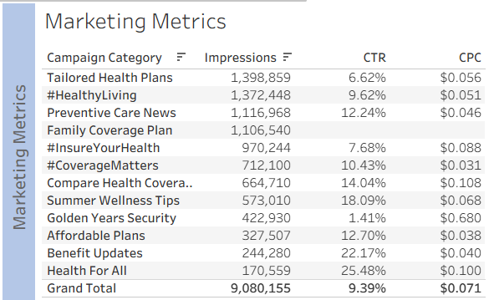

3B. How do categories compare on volume and spend? Marketing Bars, sorted.
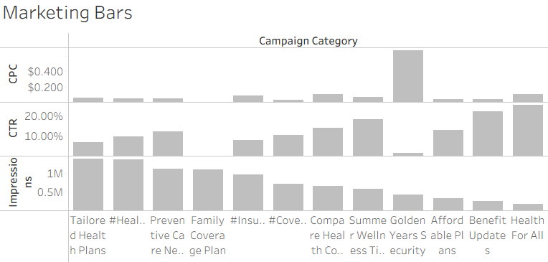 |  | 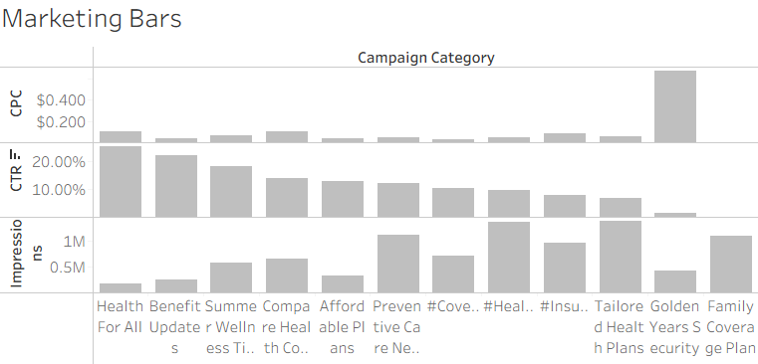

3C. Does the picture change when a category is split by campaign type? Add Campaign Type beside Campaign Category on Rows.
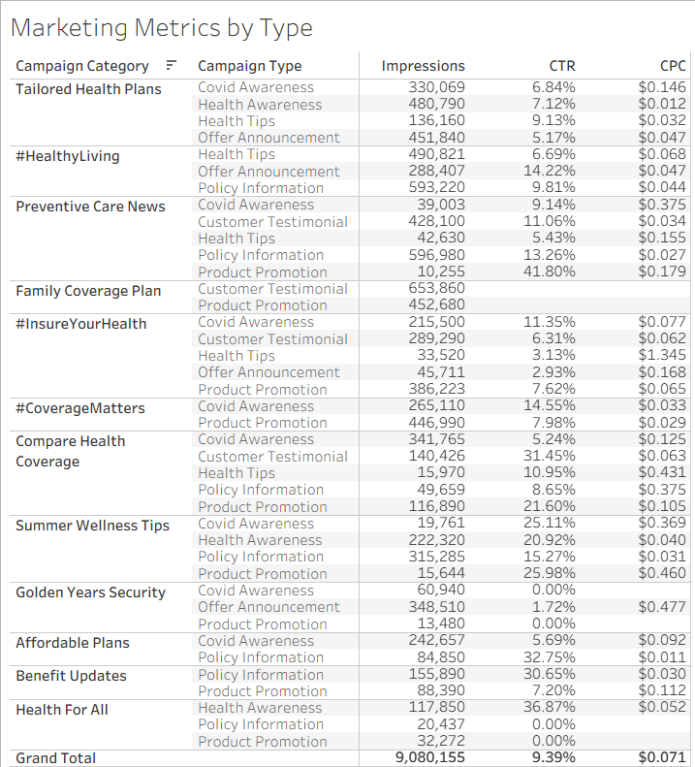

4 · INSIGHTS
3A. • Click-through rate averages 9.39% across $60,190 of spend, but ranges from 25.48% on Health For All to 1.41% on Golden Years Security. • The biggest campaigns are not the best ones. Tailored Health Plans took the most impressions at 1,398,859 and returned 6.62%. Health For All took the fewest at 170,559 and returned 25.48%. • Golden Years Security is the worst on both measures, at 1.41% CTR and $0.680 per click against a $0.071 average.
3B. • Family Coverage Plan spent $3,936 on 1,106,540 impressions and recorded no clicks at all.
3C. • Health For All’s 25.48% CTR is one campaign type. Health Awareness returned 36.87%; its other two types returned 0.00%. • Benefit Updates splits the same way: Policy Information 30.65%, Product Promotion 7.20%.
CAVEAT. • 9 of 57 campaigns carry no click figure, covering $8,310 of spend and 1,263,299 impressions. Three are blank and six are recorded as zero. • 24 campaigns produced no customers but carry $24,709 of spend, 41% of the total. The figures on this tab are unaffected, since impressions, clicks and cost are all recorded per campaign. The distortion appears on the Signup Metrics tab. • Campaigns have no date column, so nothing here can be read as a trend. • Some campaign type figures sit on very small impression counts. Preventive Care News shows 41.80% CTR on Product Promotion, but that is 10,255 impressions, a tenth of one percent of the total.

5 · RECOMMENDATIONS
Because [finding], we should [action].
1. Because Family Coverage Plan spent $3,936 on 1,106,540 impressions with no clicks recorded at all, we should confirm whether click tracking was working before treating the campaign as a failure.
2. Because Golden Years Security returns 1.41% CTR at $0.680 per click against a $0.071 average, we should stop funding it and move its budget to categories already converting above 9.39%.
3. Because Health For All’s 25.48% CTR comes entirely from its Health Awareness campaigns while its other two types returned 0.00%, we should fund the Health Awareness campaigns specifically rather than the category as a whole.

Signup Metrics
SIGNUP METRICS
Q1, Q2, Q3, Q4. How many customers did each category bring in, when, and at what cost?
Analysis is done on the Tableau dashboard rather than in pivot tables. Paste the relevant visual into each placeholder, then write the insight underneath it.

1 · BUSINESS QUESTIONS
Traced back to Nick’s brief. Question numbers refer to the Requirements tab.
Q1. | At a quick glance, what are the signup rate and the cost per signup?
Q2. | How many signups did each campaign category produce?
Q3. | What are the overall trends in signups by category over time?
Q4. | How is the signup mix distributed across categories, and has that mix shifted?

2 · METRICS, DIMENSION AND DENOMINATOR
North star | Signup rate. COUNTD(customer_id) divided by impressions or by clicks. The denominator is an open decision on the Metric Definitions tab.
Supporting metrics | Signup count and cost per signup.
Dimensions | Campaign category as the primary breakout, signup month for trend, plan and state as filters.
Denominator | Impressions or clicks for signup rate. Distinct customers for cost per signup.
Grain | Customer. 16,338 rows. Signup rate and cost per signup cross grains and inherit the campaigns-to-customers join.
Scope | 16,338 customers, 1 Jan 2019 to 13 Jul 2023. 49 have no campaign attribution and appear as Unattributed. 2023 is roughly seven months.

3 · ANALYSIS
3A. How many signups per category, and at what rate and cost? Signup Metrics table.
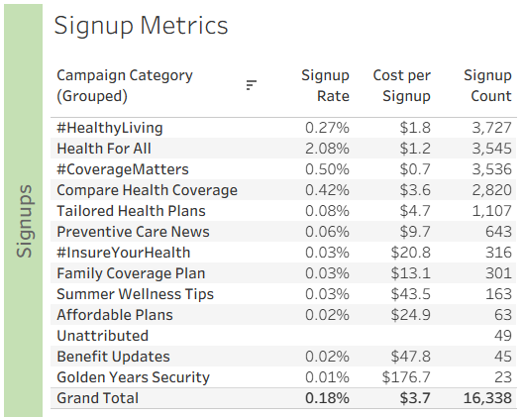 PASTE TABLEAU VISUAL HERE Signup Metrics table with signup rate and cost per signup

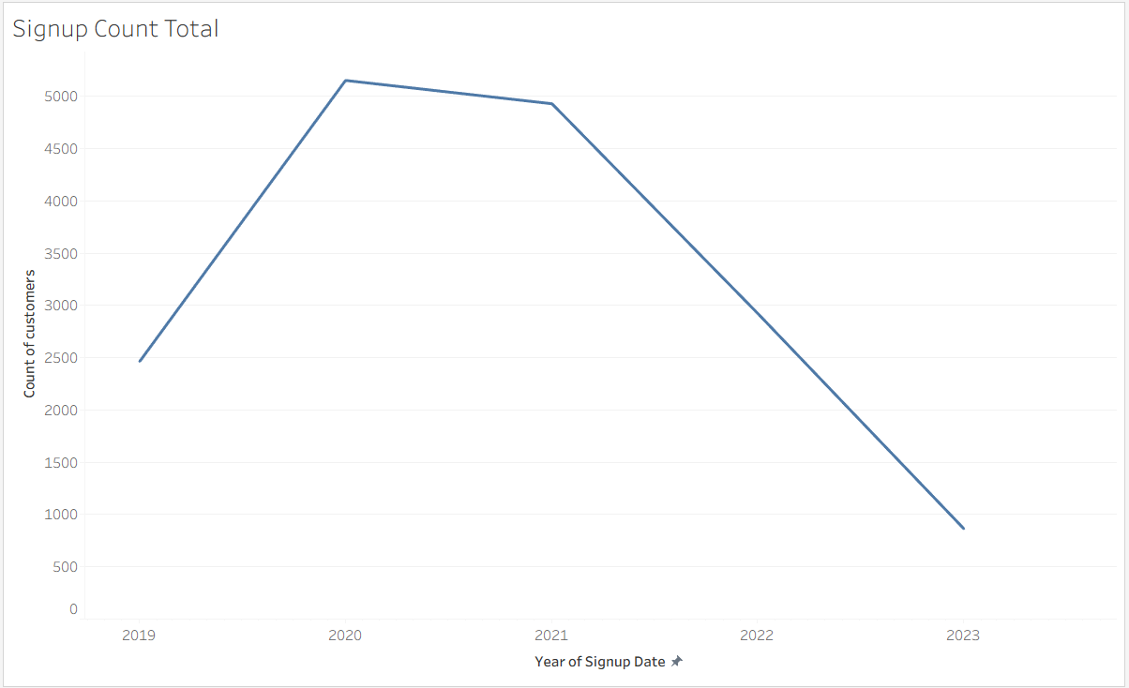
3B. What is the trend over time? Signup Count by Category, month grain.
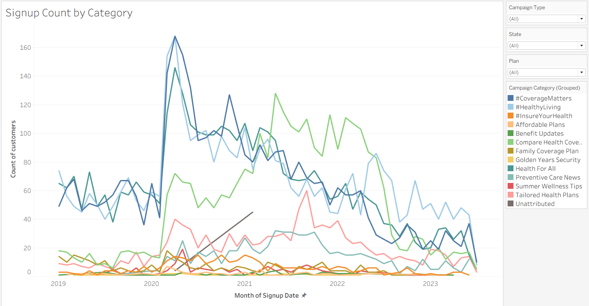 PASTE TABLEAU VISUAL HERE Signup Count by Category, monthly line |  | PASTE TABLEAU VISUAL HERE Same line with colour removed, to establish the overall shape first

3C. Has the mix shifted? Signup Mix by Category, percent of total.
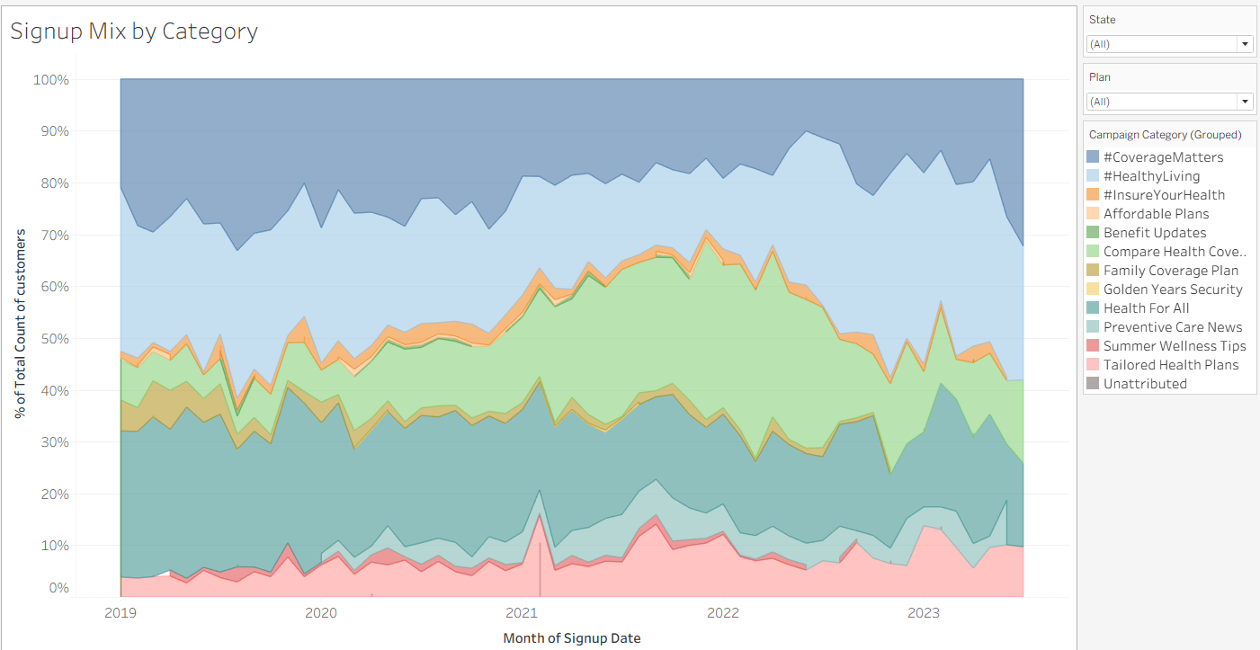 PASTE TABLEAU VISUAL HERE Signup Mix by Category, area, percent of total

4 · INSIGHTS
3A. • Row Health acquired 16,338 signups at a 0.18% signup rate and $3.68 per signup. • Four categories produced 83% of all signups: #HealthyLiving 3,727, Health For All 3,545, #CoverageMatters 3,536 and Compare Health Coverage 2,820. • Health For All converts far better than anything else, at 2.08% against the 0.18% average, and costs $1.2 per signup. • Golden Years Security produced 23 signups at $176.7 each, against $0.7 for #CoverageMatters.
3B. • Signups averaged 205 a month through 2019, stepped up to 548 in March 2020 and peaked at 653 in April, then declined. The six complete months of 2023 average 139. • The March 2020 step appears in every major category at once rather than in one, so it is unlikely to be campaign-driven. The timing matches the start of the Covid pandemic, though nothing in this data confirms the cause. • Annual signups peaked at 5,154 in 2020 and fell to 2,923 in 2022, a 43% drop.
3C. • In 2019 three categories were roughly level at around 27% of signups each: Health For All, #CoverageMatters and #HealthyLiving. Compare Health Coverage was a minor category at 6.7%. • By 2022 Compare Health Coverage was the largest at 26.1%, growing from 165 signups to 762. • Health For All and #CoverageMatters both fell in share and in count. Health For All went from 28.5% to 17.5%, and 702 signups to 512. #CoverageMatters went from 26.8% to 16.0%, and 660 to 468. • #HealthyLiving's share fell from 26.3% to 24.7%, but its signups rose from 648 to 721. Share can drop while a category grows if the total is falling.
CAVEAT. • 49 signups have no campaign attached and show no signup rate or cost per signup. Ten carry the text "unknown" in campaign_id and 39 are blank. They are kept in the 16,338 total and disclosed here. • 24 campaigns produced no signups but carry $24,709 of spend, 41% of the total. That cost is included in the numerator of every cost per signup figure while contributing nothing to the count, so all cost per signup values are inflated. Excluding those campaigns would give $2.17 overall rather than $3.68. • Signup rate and cost per signup combine customer counts with campaign impressions and cost. Both are sound at (All) and unreliable under a Plan or State filter. • 2023 covers six and a half months, to 13 July. The final month holds 31 signups against 139 in June and should not be read as a collapse.

5 · RECOMMENDATIONS
Because [finding], we should [action].
1. Because Health For All converts at 2.08% against a 0.18% average and costs $1.2 per signup, and its clicks come entirely from Health Awareness campaigns, we should move budget into those campaigns specifically.
2. Because Golden Years Security produced 23 signups at $176.7 each while returning 1.41% CTR, we should stop funding it rather than trying to improve it.
3. Because the March 2020 step appears across every category at once rather than in any single one, we should treat the 2020 and 2021 signup levels as an external effect rather than a campaign result, and set 2024 targets against the 2019 baseline of 2,465 signups rather than the 2020 peak.

Claim Metrics
CLAIM METRICS
Q2, Q3, Q4. What did customers from each category go on to claim?
Analysis is done on the Tableau dashboard rather than in pivot tables. Paste the relevant visual into each placeholder, then write the insight underneath it.

1 · BUSINESS QUESTIONS
Traced back to Nick’s brief. Question numbers refer to the Requirements tab.
Q2. | What are the to-date claim values for each campaign category?
Q3. | What are the overall trends in claim amounts by category over time?
Q4. | How is claim value distributed across categories, and has that distribution shifted?
Q4b. | Do categories differ in average claim size, not just total?

2 · METRICS, DIMENSION AND DENOMINATOR
North star | Claim amount. SUM(claim_amount). $13,359,063 across the full period.
Supporting metrics | Claim count and average claim amount. Coverage rate is held on Metric Definitions but not on the dashboard.
Dimensions | Campaign category as the primary breakout, claim month for trend, plan and state as filters.
Denominator | Distinct claims for average claim amount. Distinct customers wherever a per-customer figure is needed.
Grain | Claim. 49,998 rows. Claims fans out customers roughly three to one, so every customer count on this tab must be a distinct count.
Scope | 49,998 claims, 4 Jan 2019 to 27 Jul 2023. 64 claims are $0.00 and are excluded from averages. 1,349 rows have covered_amount above claim_amount.

3 · ANALYSIS
3A. What did each category claim, in total and on average? Claim Metrics table.
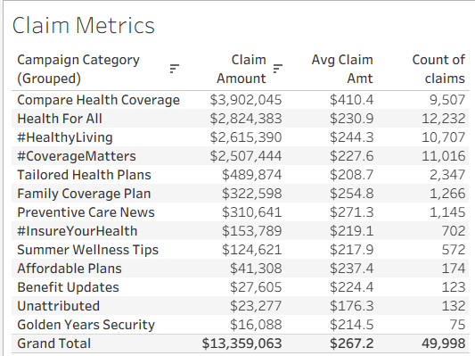 PASTE TABLEAU VISUAL HERE Claim Metrics table: sum and average claim amount

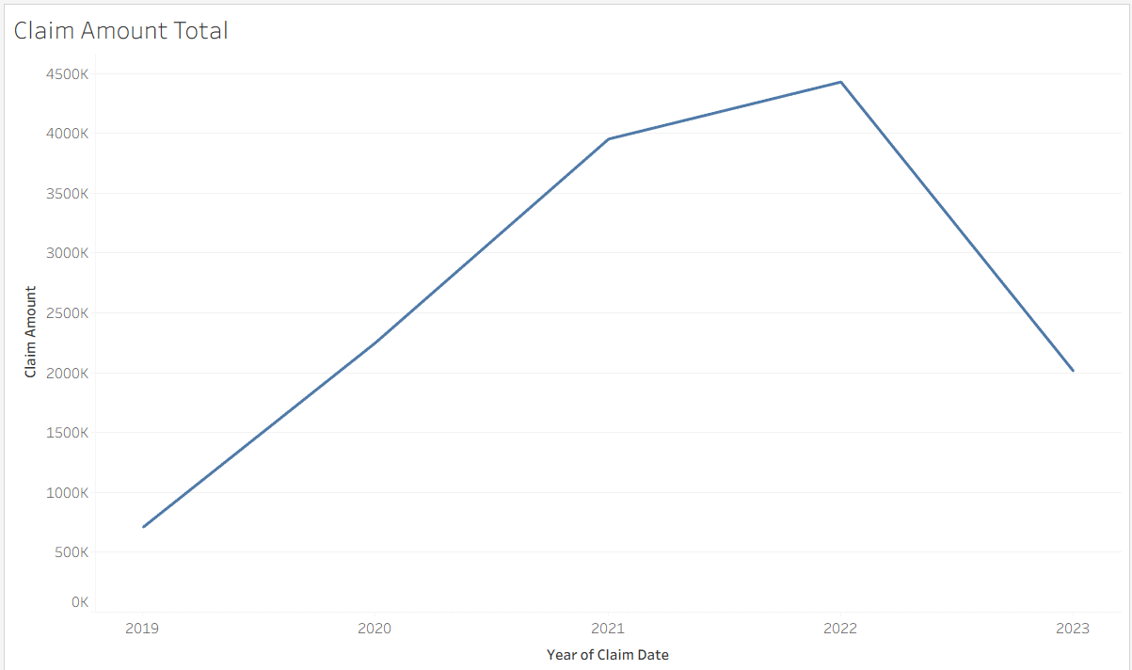
3B. What is the trend? Claim Amount by Category, month grain.
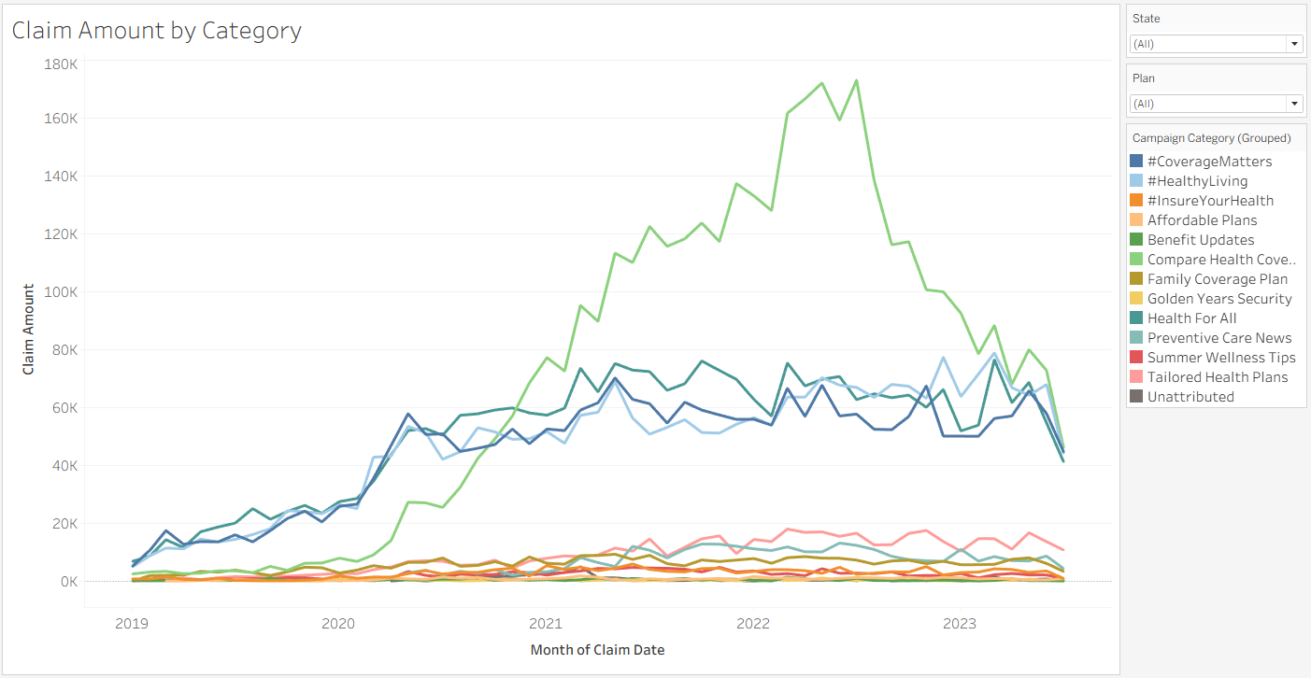 PASTE TABLEAU VISUAL HERE Claim Amount by Category, monthly line |  | 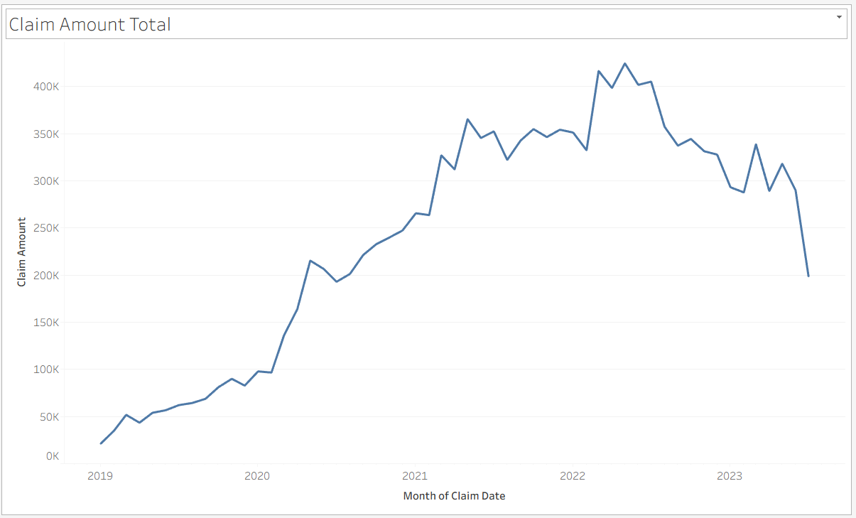 PASTE TABLEAU VISUAL HERE Same line with colour removed

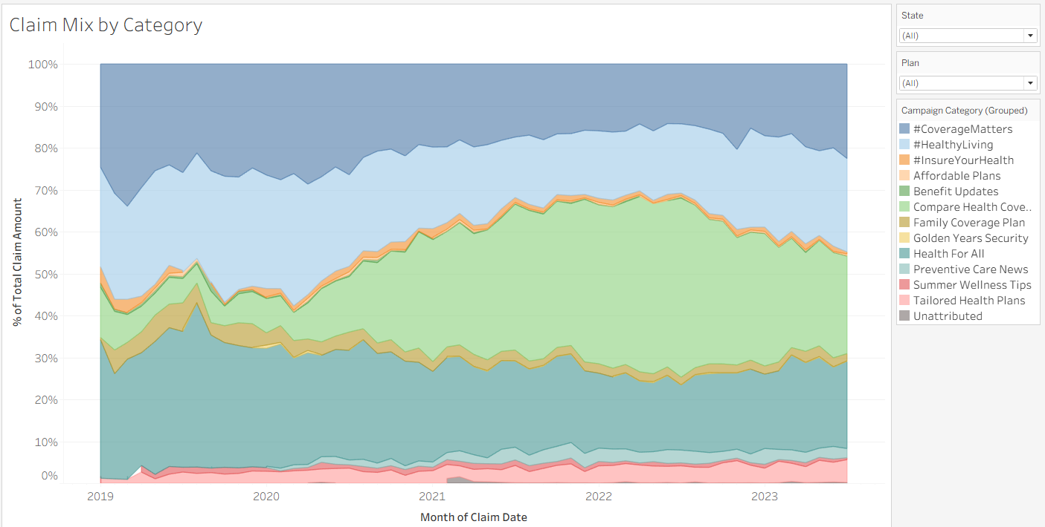
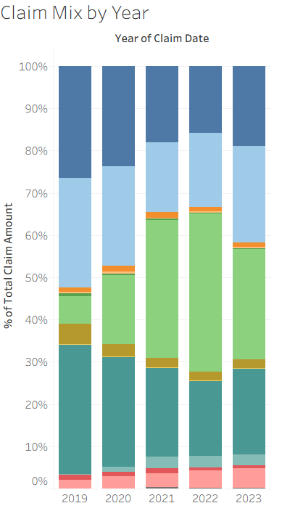
3C. Has the distribution shifted? Claim Mix by Category, percent of total.
PASTE TABLEAU VISUAL HERE Claim Mix by Category, area, percent of total

4 · INSIGHTS
3A. • Customers filed 49,998 claims worth $13,359,063, averaging $267.2 a claim. • Compare Health Coverage claims the most at $3,902,045, but it does not file the most claims. Health For All files 12,232 against its 9,507 and claims $1.1m less. • The difference is claim size. Compare Health Coverage averages $410.4 a claim against $230.9 for Health For All and $267.2 overall. • Golden Years Security produced 75 claims worth $16,088, the smallest book of any category.
3B. • Claims grew from $710,923 in 2019 to $4,428,738 in 2022, a sixfold rise. Monthly claim amount peaked at $424,619 in May 2022. • Signups peaked in April 2020 and claims peaked two years later. Customers keep filing after they join, so claim volume follows the size of the customer base rather than current campaign performance. • Compare Health Coverage drove the rise. Its monthly claim amount went from near zero in 2019 to roughly $173,000 at its 2022 peak.
3C. • In 2019 three categories split the claim book roughly evenly: Health For All 30.7%, #CoverageMatters 26.4% and #HealthyLiving 26.1%. Compare Health Coverage held 6.5%. • By 2022 Compare Health Coverage held 37.6%, more than double the next largest. It rose from $46,407 to $1,667,120 in claim amount. • Health For All, #CoverageMatters and #HealthyLiving all fell in share while holding or growing in dollars. Health For All went from 30.7% to 17.7% of the claim book, but from $218,119 to $785,084. • Compare Health Coverage also grew from 6.7% to 26.1% of signups over the same period, as shown on the Signup Metrics tab. Row Health acquired more customers through that category, and those customers file larger claims.
CAVEAT. • 132 claims worth $23,277 belong to customers with no campaign attached. They sit in the totals under Unattributed. • 64 claims are recorded at exactly $0.00. They are counted, and they move the overall average from $267.53 to $267.19. • 2023 covers seven months, to 27 July. The yearly view shows $2,015,450 against $4,428,738 for 2022, but the six complete months of 2023 run between $287,688 and $338,791, against a 2022 monthly average of $369,061. This is an incomplete year, not a collapse. • Claim amount is what was billed, not what Row Health paid. Nothing here says whether these customers are profitable. • 1,349 rows show a covered amount above the billed amount, 2.7% of claims and $34,249 in total. Too small to affect category comparisons, but the field needs checking.

5 · RECOMMENDATIONS
Because [finding], we should [action].
1. Because Compare Health Coverage customers file claims averaging $410.4 against $267.2 overall, and the category has grown from 6.5% to 37.6% of the claim book, we should compare its premium income against its claim cost before growing it further.
2. Because Compare Health Coverage customers claim $1,383.7 each against an $818 average across all customers, we should report claim amount per customer alongside the totals, so category comparisons are not driven by how many customers each one brought in.
3. Because claim amount records what providers billed while Row Health paid $8,169,760 of the $13,359,063 total, we should compare categories on covered amount rather than claim amount, since coverage rates differ by plan and a category's real cost depends on which plans its customers hold.

