Sheet1
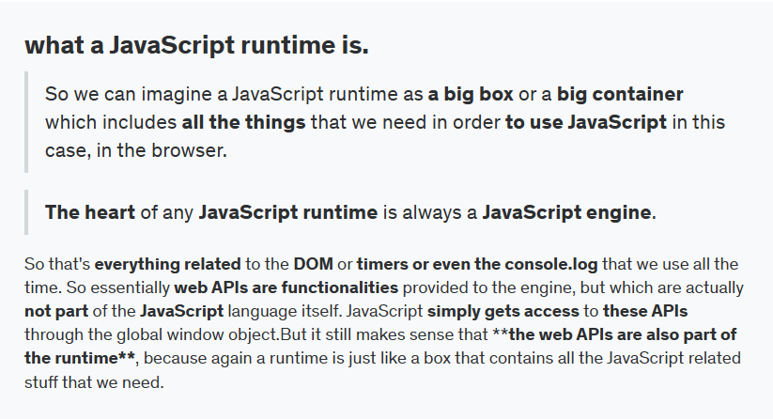
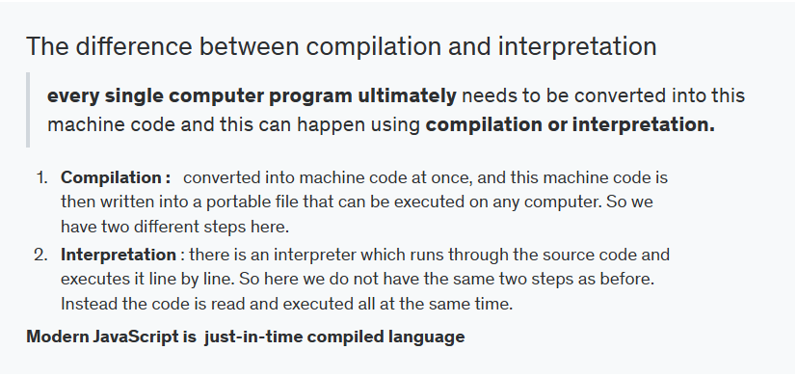
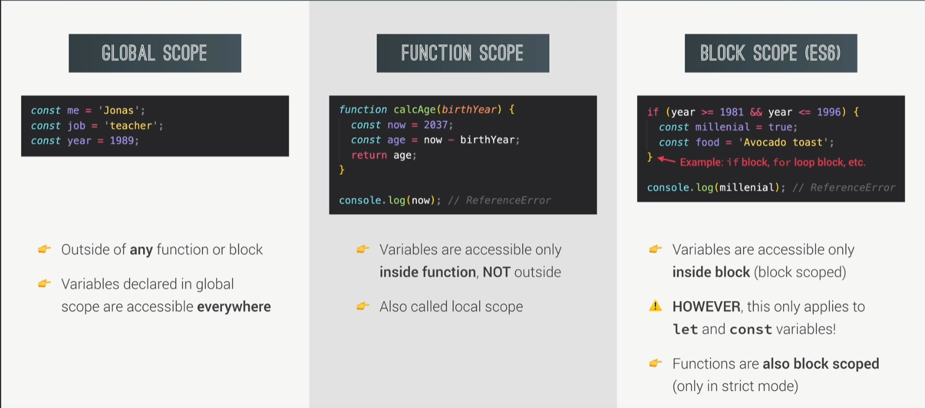
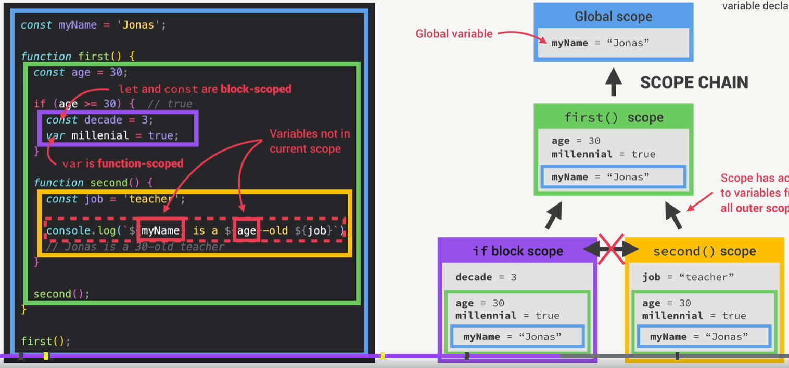
STT | Lecture | Vocab | Meaning | Sentence | Link
 |  | `- Scope - Scope of a variable. | Space or environment in which a certain Var is declared - Global scope - Function cope - Block scope | `- Scope is not the same as scope of a variable. - Both say for Var or Function, Because in the end, functions are just values that are stored in variables. | 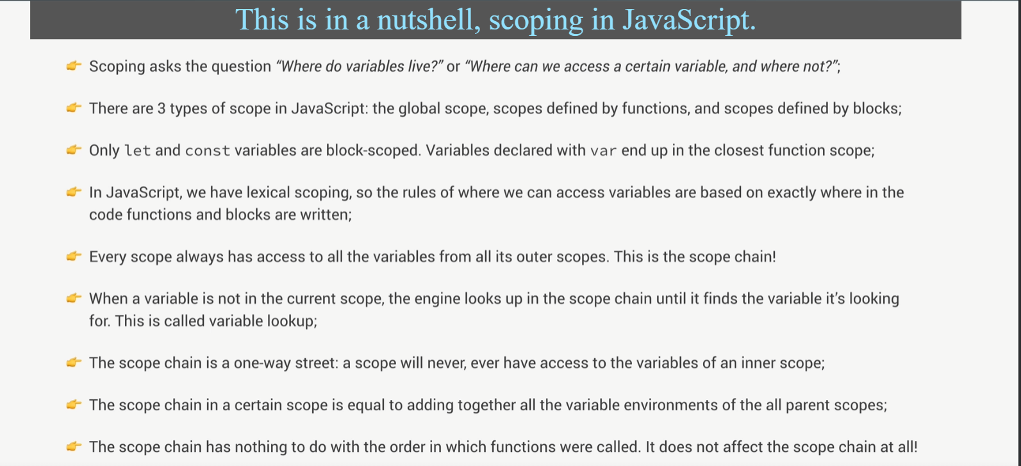 https://www.udemy.com/course/the-complete-javascript-course/learn/lecture/2264848
 |  | Global scope | outside of any function or block. Access in every where

 |  | ESSENTIALLY | Thiết yếu
 |  | function declarations
 |  | function expressions
 |  | arrow functions
 |  | CONSEQUENCE

