Sheet1
 |  |  |  |  |  |  |  | ALGORITMA DES

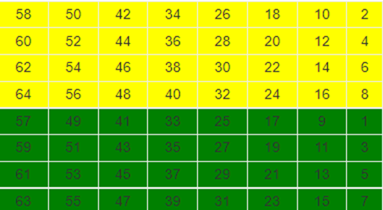
 |  |  |  |  | Langkah Kedua (Initial Permutation) |  | bagian kuning |  |  |  |  |  |  |  | NAMA KELOMPOK : |  | Abi Rahmawan |  | V3921001
 |  |  |  |  |  |  | nilai biner index 58 = 1 |  | nilai biner index 60 = 1 |  | nilai biner index 62 = 1 |  | nilai biner index 64 = 0 |  |  |  | Cintia Dwi Christinawati |  | V3921005
 |  |  |  |  |  |  | nilai biner index 50 = 1 |  | nilai biner index 52 = 0 |  | nilai biner index 54 = 0 |  | nilai biner index 56 = 1 |  |  |  | Desti Nur Faizi R |  | V3921006
 |  |  |  |  |  |  | nilai biner index 42 = 1 |  | nilai biner index 44 = 1 |  | nilai biner index 46 = 1 |  | nilai biner index 48 = 1 |  |  |  | Eliya Dwi Maulidda |  | V3921009
 |  |  |  |  |  |  | nilai biner index 34 = 1 |  | nilai biner index 36 = 1 |  | nilai biner index 38 = 0 |  | nilai biner index 40 = 0
 |  |  |  |  |  |  | nilai biner index 26 = 1 |  | nilai biner index 28 = 0 |  | nilai biner index 30 = 1 |  | nilai biner index 32 = 1
 | Plain text (x) : INFORMATIKA |  |  |  |  |  | nilai biner index 18 = 1 |  | nilai biner index 20 = 0 |  | nilai biner index 22 = 1 |  | nilai biner index 24 = 0
 | Kunci (k) : PSDKUMADIUN |  |  |  |  |  | nilai biner index 10 = 1 |  | nilai biner index 12 = 0 |  | nilai biner index 14 = 1 |  | nilai biner index 16 = 0
 |  |  |  |  |  |  | nilai biner index 2 = 1 |  | nilai biner index 4 = 0 |  | nilai biner index 6 = 0 |  | nilai biner index 8 = 1
 | Langkah Pertama (Konversi Teks dan Key ke biner) |  |  |  |  |  | L0 : 11111111 10110000 10101110 01101001
 | Ubah plain text ke biner |  | Ubah key ke biner |  | bagian hijau
1 | I :01001001 |  | P : 01010000 |  | nilai biner index 57 = 0 | nilai biner index 59 = 0 |  | nilai biner index 61 = 0 |  | nilai biner index 63 = 0 |  |  | Langkah Ketiga (Generate Kunci) |  | bagian kuning
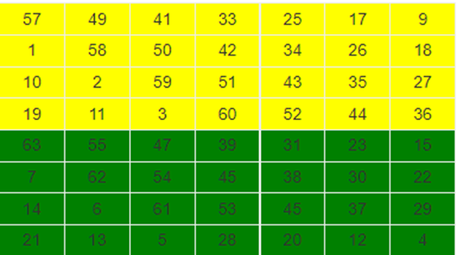
2 | N : 01001110 |  | S : 01010011 |  | nilai biner index 49 = 0 | nilai biner index 51 = 0 |  | nilai biner index 53 = 0 |  | nilai biner index 55 = 0 |  |  |  |  | nilai biner index 57 = 0 |  | nilai biner index 1 = 0 |  | nilai biner index 10 = 1 |  | nilai biner index 19 = 0
3 | F : 01000110 |  | D : 01000100 |  | nilai biner index 41 = 0 | nilai biner index 43 = 0 |  | nilai biner index 45 = 1 |  | nilai biner index 47 = 0 |  |  |  |  | nilai biner index 49 = 0 |  | nilai biner index 58 = 1 |  | nilai biner index 2 = 1 |  | nilai biner index 11 = 0
4 | O : 01001111 |  | K : 01001011 |  | nilai biner index 33 = 0 | nilai biner index 35 = 0 |  | nilai biner index 37 = 0 |  | nilai biner index 39 = 1 |  |  |  |  | nilai biner index 41 = 0 |  | nilai biner index 50 = 1 |  | nilai biner index 59 = 0 |  | nilai biner index 3 = 0
5 | R : 01010010 |  | U : 01010101 |  | nilai biner index 25 = 0 | nilai biner index 27 = 0 |  | nilai biner index 29 = 1 |  | nilai biner index 31 = 1 |  |  |  |  | nilai biner index 33 = 0 |  | nilai biner index 42 = 1 |  | nilai biner index 51 = 0 |  | nilai biner index 60 = 0
6 | M : 01001101 |  | M : 01001101 |  | nilai biner index 17 = 0 | nilai biner index 19 = 0 |  | nilai biner index 21 = 0 |  | nilai biner index 23 = 1 |  |  |  |  | nilai biner index 25 = 0 |  | nilai biner index 34 = 1 |  | nilai biner index 43 = 0 |  | nilai biner index 52 = 0
7 | A : 01000001 |  | A : 01000001 |  | nilai biner index 9 = 0 | nilai biner index 11 = 0 |  | nilai biner index 13 = 1 |  | nilai biner index 15 = 1 |  |  |  |  | nilai biner index 17 = 0 |  | nilai biner index 26 = 1 |  | nilai biner index 35 = 0 |  | nilai biner index 44 = 0
8 | T : 01010100 |  | D : 01000100 |  | nilai biner index 1 = 0 | nilai biner index 3 = 0 |  | nilai biner index 5 = 1 |  | nilai biner index 7 = 0 |  |  |  |  | nilai biner index 9 = 0 |  | nilai biner index 18 = 1 |  | nilai biner index 27 = 0 |  | nilai biner index 36 = 1
9 | I :01001001 |  | I :01001001 |  | R0 : 00000000 00000000 00101011 00011110
10 | K : 01001011 |  | U : 01010101 |  |  |  |  |  |  |  |  |  |  |  | C0 : 0000000 0111111 1100000 0000001
11 | A : 01000001 |  | N : 01001110 |  | Hasil output IP(x) : 11111111 10110000 10101110 01101001 00000000 00000000 00101011 0001110 |  |  |  |  |  |  |  | bagian hijau
 |  |  |  |  |  |  |  |  |  |  |  |  | nilai biner index 63 = 0 | nilai biner index 7 = 0 |  | nilai biner index 14 = 0 |  | nilai biner index 21 = 0
Tabel Pergeseran |  |  |  | Langkah Keempat |  |  |  |  |  |  |  |  | nilai biner index 55 = 0 | nilai biner index 62 = 1 |  | nilai biner index 6 = 0 |  | nilai biner index 13 = 0
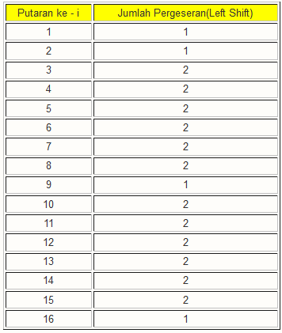
 |  |  |  |  |  |  |  |  |  |  |  |  | nilai biner index 47 = 0 | nilai biner index 54 = 0 |  | nilai biner index 61 = 0 |  | nilai biner index 5 = 0
 |  |  |  | Turn | C0 dan D0 |  | Turn | C0 dan D0 |  |  |  |  | nilai biner index 39 = 0 | nilai biner index 45 = 1 |  | nilai biner index 53 = 0 |  | nilai biner index 28 = 0
 |  |  |  | 1 | C1: 0000000 1111111 1000000 0000010 |  | 9 | C9: 1000000 0000010 0000000 1111111 |  |  |  |  | nilai biner index 31 = 1 | nilai biner index 38 = 1 |  | nilai biner index 45 = 1 |  | nilai biner index 20 = 0
 |  |  |  |  | D1 : 0001010 1011010 0001010 0000110 |  |  | D9: 0001010 0000110 0001010 1011010 |  |  |  |  | nilai biner index 23 = 0 | nilai biner index 30 = 0 |  | nilai biner index 37 = 0 |  | nilai biner index 12 = 1
 |  |  |  | 2 | C2: 0000001 1111111 0000000 0000100 |  | 10 | C10: 0000000 0001000 0000011 1111110 |  |  |  |  | nilai biner index 15 = 1 | nilai biner index 22 = 1 |  | nilai biner index 29 = 1 |  | nilai biner index 4 = 1
 |  |  |  |  | D2: 0010101 0110100 0010100 0001100 |  |  | D10: 0101000 0011000 0101010 1101000
 |  |  |  | 3 | C3: 0000111 1111100 0000000 0010000 |  | 11 | C11: 0000000 0100000 0001111 1111000 |  |  |  |  | D0 : 0000101 0101101 0000101 0000011
 |  |  |  |  | D3: 1010101 1010000 1010000 0110000 |  |  | D11: 0100000 1100001 0101011 0100001
 |  |  |  | 4 | C4: 0011111 1110000 0000000 1000000 |  | 12 | C12: 0000001 0000000 0111111 1100000 |  |  |  |  | Hasil output CD(x) : 0000000 0111111 1100000 0000001 0000101 0101101 0000101 0000011
 |  |  |  |  | D4: 1010110 1000010 1000001 1000010 |  |  | D12: 0000011 0000101 0101101 0000101
 |  |  |  | 5 | C5: 1111111 1000000 0000010 0000000 |  | 13 | C13: 0000100 0000001 1111111 0000000
 |  |  |  |  | D5: 1011010 0001010 0000110 0001010 |  |  | D13: 0001100 0010101 0110100 0010100 |  |  |  | Ekspansi R0 agar diperoleh E(R(1)-1) / ER0 |  |  |  |  |  |  | Hasil exspansi
 |  |  |  | 6 | C6: 1111110 0000000 0001000 0000011 |  | 14 | C14: 0010000 0000111 1111100 0000000 |  |  |  | R0 : 00000000 00000000 00101011 00011110 |  |  |  |  |  |  | B1 : 13 15 3 6 4 14 1 9
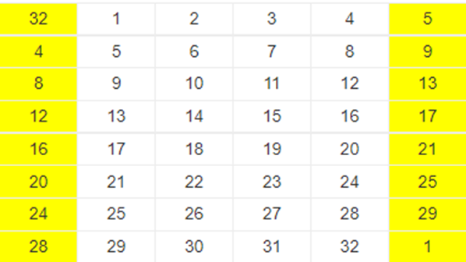
 |  |  |  |  | D6: 1101000 0101000 0011000 0101010 |  |  | D14: 0110000 1010101 1010000 1010000 |  |  |  |  |  |  |  |  |  |  | : 1101 1111 0011 0110 0100 1110 0001 1001
 |  |  |  | 7 | C7: 1111000 0000000 0100000 0001111 |  | 15 | C15: 1000000 0011111 1110000 0000000 |  |  |  |  |  |  |  |  |  |  | B2 : 0 13 13 11 2 13 10 4
 |  |  |  |  | D7: 0100001 0100000 1100001 0101011 |  |  | D15: 1000010 1010110 1000010 1000001 |  |  |  |  |  |  |  |  |  |  | : 0000 1101 1101 1011 0010 1101 1010 0100
 |  |  |  | 8 | C8: 1100000 0000001 0000000 0111111 |  | 16 | C16: 0000000 0111111 1100000 0000001 |  |  |  |  |  |  |  |  |  |  | B3 : 13 4 10 13 6 1 6 10
 |  |  |  |  | D8: 0000101 0000011 0000101 0101101 |  |  | D16: 0000101 0101101 0000101 0000011 |  |  |  |  |  |  |  |  |  |  | : 1101 0100 1010 1101 0110 0001 0110 1010
 |  |  |  |  |  |  |  |  |  |  |  |  |  |  |  |  |  |  | B4 : 11 8 15 13 2 8 13 1
 |  |  |  |  |  |  |  |  |  |  |  |  |  |  |  |  |  |  | : 1011 1000 1111 1101 0010 1000 1101 0001
Kompres menjadi 48 bit |  |  |  |  |  |  |  |  |  |  |  |  |  |  |  |  |  |  | B5 : 7 2 2 9 12 7 3 1
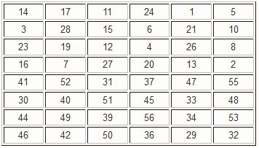
 |  |  |  | K | Hasil |  | K | Hasil |  |  |  |  |  |  |  |  |  |  | : 0111 0010 0010 1001 1100 0111 0011 0001
 |  |  |  | 1 | 101000 001001 001001 001010 000001 |  | 9 | 000110 010000 000010 001010 110001 |  |  |  | E(R(1)-1) = 000000 000000 000000 000000 000101 010110 100011 111100 |  |  |  |  |  |  | B6 : 4 0 6 2 10 15 6 0
 |  |  |  |  | 000001 001010 100101 |  |  | 010001 000011 101001 |  |  |  |  |  |  |  |  |  |  | : 0100 0000 0110 0010 1010 1111 0110 0000
 |  |  |  | 2 | 101000 000001 001011 010010 001110 |  | 10 | 001100 000010 100010 001100 000000 |  |  |  |  |  |  |  |  |  |  | B7 : 13 11 13 7 14 13 12 15
 |  |  |  |  | 010110 000001 100000 |  |  | 101001 101001 101001 |  |  |  |  |  |  |  |  |  |  | : 1101 1011 1101 0111 1110 1101 1100 1111
 |  |  |  | 3 | 001101 000101 001001 010000 011000 |  | 11 | 000100 000010 110000 000110 000100 |  |  |  |  |  |  |  |  |  |  | B8 : 12 8 3 14 2 3 14 6
 |  |  |  |  | 001110 000000 000110 |  |  | 101001 110100 110100 |  |  |  |  |  |  |  |  |  |  | : 1100 1000 0011 1110 0010 0011 1110 0110
 |  |  |  | 4 | 000001 100101 000101 010000 101001 |  | 12 | 010000 000010 110000 110100 000010 |  |  |  | LANGKAH ITERASI |  |  |  |  |  |  | B9 : 0 14 7 4 10 11 14 4
 |  |  |  |  | 000010 010010 001110 |  |  | 010000 110110 110000 |  |  |  |  |  |  |  |  |  |  | : 0000 1110 0111 0100 1010 1011 1110 0100
 |  |  |  | 5 | 000011 100100 000101 010101 101011 |  | 13 | 110001 001010 010000 100100 010010 |  |  |  | Iterasi ke-1 |  |  |  |  |  |  | B10 : 11 9 15 2 12 14 7 4
 |  |  |  |  | 000001 001011 000011 |  |  | 010110 100000 010001 |  |  |  |  |  |  |  |  |  |  | : 1011 1001 1111 0010 1100 1110 0111 0100
 |  |  |  | 6 | 000011 110100 000100 001001 000101 |  | 14 | 110000 101000 010000 100010 011000 |  |  |  | E(R(1)-1) = 000000 000000 000000 000000 000101 010110 100011 111100 |  |  |  |  |  |  | B11 : 0 5 6 11 7 15 0 8
 |  |  |  |  | 101100 001001 100010 |  |  | 110100 000000 011101 |  |  |  | K1 = 101000 001001 001001 001010 000001 000001 001010 100101 |  |  |  | XOR |  |  | : 0000 0101 0110 1011 0111 1111 0000 1000
 |  |  |  | 7 | 000010 110000 000110 101001 000101 |  | 15 | 101010 001001 001000 100010 100000 |  |  |  | A1 = 101000 001001 001001 001010 000100 010111 101001 011101 |  |  |  |  |  |  | B12 : 3 14 8 10 7 12 9 14
 |  |  |  |  | 101000 110101 000000 |  |  | 010001 000110 001110 |  |  |  |  | 13 15 3 6 4 14 1 9 |  |  |  |  |  | : 0011 1110 1000 1010 0111 1100 1001 1110
 |  |  |  | 8 | 100110 010000 100010 001001 100010 |  | 16 | 101000 011001 001000 100010 000111 |  |  |  | iterasi ke-2 |  |  |  |  |  |  | B13 : 15 7 4 8 14 6 12 3
 |  |  |  |  | 001010 010101 010000 |  |  | 010010 011100 010000 |  |  |  |  |  |  |  |  |  |  | : 1111 0111 0100 1000 1110 0110 1100 0011
 |  |  |  |  |  |  |  |  |  |  |  | E(R(2)-1) = | 110100 000010 101011 111000 001110 101100 001110 101111 |  |  |  |  |  | B14 : 15 11 5 1 10 13 13 3
 |  |  |  |  |  |  |  |  |  |  |  | K2 = | 101000 000001 001011 010010 001110 010110 000001 100000 |  |  | XOR |  |  | : 1111 1011 0101 0001 1010 1101 1101 0011
⦁ |  |  |  |  |  |  |  |  |  |  |  | A2 = | 011100 000011 100000 101010 000000 111010 001111 001111 |  |  |  |  |  | B15 : 14 15 13 0 0 12 6 12
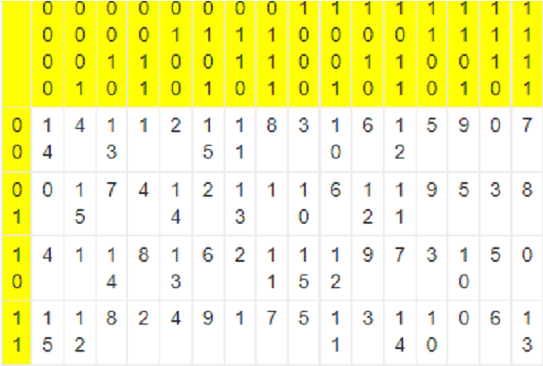
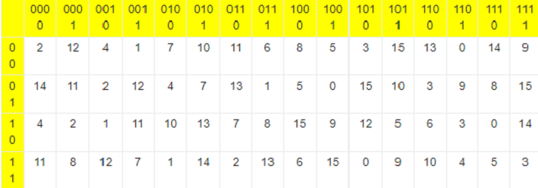
 |  | tabel Sbox S1 |  |  |  |  | tabel Sbox S5 |  |  |  |  |  | 0 13 13 11 2 13 10 4 |  |  |  |  |  | : 1110 1111 1101 0000 0000 1100 0110 1100
 |  |  |  |  |  |  |  |  |  |  |  | iterasi ke-3 |  |  |  |  |  |  | B16 : 12 1 11 11 1 13 8 13
 |  |  |  |  |  |  |  |  |  |  |  |  |  |  |  |  |  |  | : 1100 0001 1011 1011 0001 1101 1000 1101
 |  |  |  |  |  |  |  |  |  |  |  | E(R(3)-1) = | 110010 101000 001001 010010 101001 011101 011100 001111
 |  |  |  |  |  |  |  |  |  |  |  | K3 = | 001101 000101 001001 010000 011000 001110 000000 000110 |  |  | XOR |  |  | LANGKAH KETUJUH
 |  |  |  |  |  |  |  |  |  |  |  | A3 = | 111111 101101 000000 000010 110001 010011 011100 001001 |  |  |  |  |  | Tabel PBox
 |  |  |  |  |  |  |  |  |  |  |  |  | 13 4 10 13 6 1 6 10 |  |  |  |  |  | 16 | 7 | 20 | 21 | 29 | 12 | 28 | 17
 |  |  |  |  |  |  |  |  |  |  |  | iterasi ke-4 |  |  |  |  |  |  | 1 | 15 | 23 | 26 | 5 | 18 | 31 | 10
 |  |  |  |  |  |  |  |  |  |  |  |  |  |  |  |  |  |  | 2 | 8 | 24 | 14 | 32 | 27 | 3 | 9
 |  |  |  |  |  |  |  |  |  |  |  | E(R(4)-1) = | 110010 101000 001001 010010 101001 011101 011100 001111 |  |  |  |  |  | 19 | 13 | 30 | 6 | 22 | 11 | 4 | 25
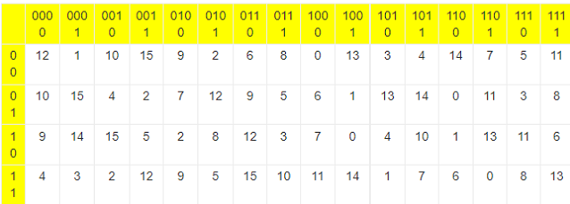
 |  |  |  |  |  |  | tabel Sbox S6 |  |  |  |  | K4 = | 000001 100101 000101 010000 101001 000010 010010 001110 |  |  | XOR
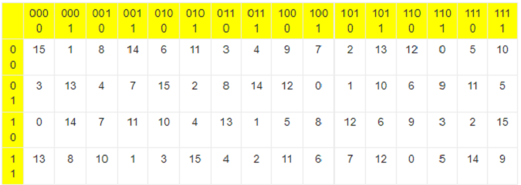
 |  | tabel Sbox S2 |  |  |  |  |  |  |  |  |  | A4 = | 110011 001101 001100 000010 000000 011111 001110 000001 |  |  |  |  |  | Hasil Mutasi PBox
 |  |  |  |  |  |  |  |  |  |  |  |  | 11 8 15 13 2 8 13 1 |  |  |  |  |  | P(Bi) | Hasil |  |  | P(Bi) | Hasil
 |  |  |  |  |  |  |  |  |  |  |  | iterasi ke-5 |  |  |  |  |  |  | 1 | 01011110 11101100 11011000 00011110 |  |  | 9 | 01010101 00111001 00110100 10110101
 |  |  |  |  |  |  |  |  |  |  |  |  |  |  |  |  |  |  | 2 | 10010100 01001001 01100101 11111001 |  |  | 10 | 00010111 11111101 01000111 00101110
 |  |  |  |  |  |  |  |  |  |  |  | E(R(5)-1) = | 000110 101111 111000 001010 101101 011011 110110 100000 |  |  |  |  |  | 3 | 10010110 10011001 00011011 11000111 |  |  | 11 | 10111000 01100101 01100000 11011100
 |  |  |  |  |  |  |  |  |  |  |  | K5 = | 000011 100100 000101 010101 101011 000001 001011 000011 |  |  | XOR |  |  | 4 | 11000011 00100100 10101110 01001110 |  |  | 12 | 01111010 01001110 00000011 11111011
 |  |  |  |  |  |  |  |  |  |  |  | A5 = | 000101 001011 111101 011111 000110 011010 111101 100011 |  |  |  |  |  | 5 | 00010001 01110001 10100100 10001100 |  |  | 13 | 01000001 10110111 11001010 11011011
 |  |  |  |  |  |  |  |  |  |  |  |  | 7 2 2 9 12 7 3 1 |  |  |  |  |  | 6 | 11111100 11011011 11111001 00101011 |  |  | 14 | 11010111 10011011 11101010 10001011
 |  |  |  |  |  |  |  |  |  |  |  | iterasi ke-6 |  |  |  |  |  |  | 7 | 11011101 11011111 11111001 10101011 |  |  | 15 | 01011100 10011001 11000111 00111000
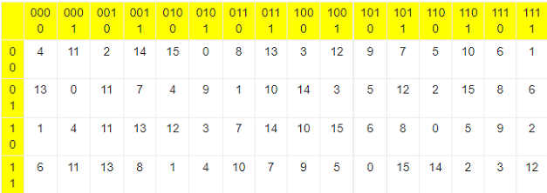
 |  |  |  |  |  |  | tabel Sbox S7 |  |  |  |  |  |  |  |  |  |  |  | 8 | 0000100 11111010 10110100 11100101 |  |  | 16 | 10111100 11000000 11101001 01101101
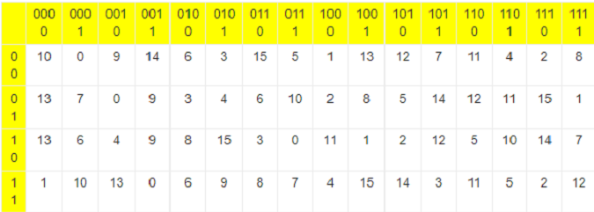
 |  | tabel Sbox S3 |  |  |  |  |  |  |  |  |  | E(R(6)-1) = | 101010 101110 101101 011011 111100 000001 010101 010010
 |  |  |  |  |  |  |  |  |  |  |  | K6 = | 000011 110100 000100 001001 000101 101100 001001 100010 |  |  | XOR | XOR P(Bi)
 |  |  |  |  |  |  |  |  |  |  |  | A6 = | 101001 011010 101001 010010 111001 101101 011100 110000 |  |  |  | P(B1) = | 01011110 11101100 11011000 00011110 |  |  |  | P(B9) = | 01010101 00111001 00110100 10110101
 |  |  |  |  |  |  |  |  |  |  |  |  | 4 0 6 2 10 15 6 0 |  |  |  | L(1)-1 = | 11111111 10110000 10101110 01101001 |  |  | XOR | L(9)-1 = | 10101011 10110110 00011001 10000010 |  |  | XOR
 |  |  |  |  |  |  |  |  |  |  |  | iterasi ke-7 |  |  |  |  | R1 = | 10100001 01011100 01110110 01110111 |  |  |  | R9 = | 11111110 10001111 00101101 00110111

 |  |  |  |  |  |  |  |  |  |  |  | E(R(7)-1) = | 000110 101101 010110 101001 011001 010010 100111 111000 |  |  |  | P(B2) = | 10010100 01001001 01100101 11111001 |  |  |  | P(B10) = | 00010111 11111101 01000111 00101110
 |  |  |  |  |  |  |  |  |  |  |  | K7 = | 000010 110000 000110 101001 000101 101000 110101 000000 |  |  | XOR | L(2)-1 = | 00000000 00000000 00101011 00011110 |  |  | XOR | L(10)-1 = | 11101011 01101011 00110000 10010111 |  |  | XOR
 |  |  |  |  |  |  |  |  |  |  |  | A7 = | 000100 011101 010000 000000 011100 111010 010010 111000 |  |  |  | R2 = | 10010100 01001001 01001110 11100111 |  |  |  | R10 = | 11111100 10010110 01110111 10111001
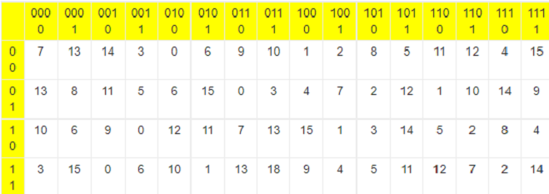
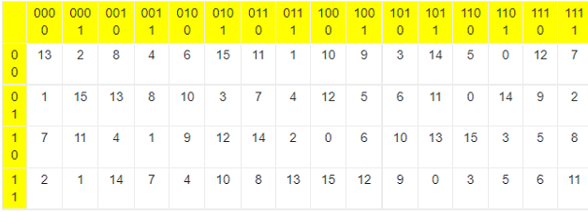
 |  | tabel Sbox S4 |  |  |  |  | tabel Sbox S8 |  |  |  |  |  | 13 11 13 7 14 13 12 15
 |  |  |  |  |  |  |  |  |  |  |  | iterasi ke-8 |  |  |  |  | P(B3) = | 10010110 10011001 00011011 11000111 |  |  |  | P(B11) = | 10111000 01100101 01100000 11011100
 |  |  |  |  |  |  |  |  |  |  |  |  |  |  |  |  | L(3)-1 = | 10100001 01011100 01110110 01110111 |  |  | XOR | L(11)-1 = | 11111110 10001111 00101101 00110111 |  |  | XOR
 |  |  |  |  |  |  |  |  |  |  |  | E(R(8)-1) = | 010101 010111 110110 101100 000011 110011 110000 000101 |  |  |  | R3 = | 00110111 11000101 01101101 10110000 |  |  |  | R11 = | 01000110 11101010 01001101 11101011
 |  |  |  |  |  |  |  |  |  |  |  | K8 = | 100110 010000 100010 001001 100010 001010 010101 010000 |  |  | XOR
 |  |  |  |  |  |  |  |  |  |  |  | A8 = | 110011 000111 010100 100101 100001 111001 100101 010101 |  |  |  | P(B4) = | 11000011 00100100 10101110 01001110 |  |  |  | P(B12) = | 01111010 01001110 00000011 11111011
 |  |  |  |  |  |  |  |  |  |  |  |  | 12 8 3 14 2 3 14 6 |  |  |  | L(4)-1 = | 10010100 01001001 01001110 11100111 |  |  | XOR | L(12)-1 = | 11111100 10010110 01110111 10111001 |  |  | XOR
 |  |  |  |  |  |  |  |  |  |  |  | iterasi ke-9 |  |  |  |  | R4 = | 01010111 01101101 11100000 10101001 |  |  |  | R12 = | 10000110 11011000 01110100 01000010

 |  |  |  |  |  |  |  |  |  |  |  | E(R(9)-1) = | 111101 010110 101101 010110 100110 100001 010010 101111 |  |  |  | P(B5) = | 00010001 01110001 10100100 10001100 |  |  |  | P(B13) = | 01000001 10110111 11001010 11011011
 |  |  |  |  |  |  |  |  |  |  |  | K9 = | 000110 010000 000010 001010 110001 010001 000011 101001 |  |  | XOR | L(5)-1 = | 00110111 11000101 01101101 10110000 |  |  | XOR | L(13)-1 = | 01000110 11101010 01001101 11101011 |  |  | XOR
 |  |  |  |  |  |  |  |  |  |  |  | A9 = | 111011 000110 101111 011100 010111 110001 010001 000110 |  |  |  | R5 = | 00110110 10110100 11001001 00111100 |  |  |  | R13 = | 00000111 01011101 10000111 00110000
 |  |  |  |  |  |  |  |  |  |  |  |  | 0 14 7 4 10 11 14 4
 |  |  |  |  |  |  |  |  |  |  |  | iterasi ke-10 |  |  |  |  | P(B6) = | 11111100 11011011 11111001 00101011 |  |  |  | P(B14) = | 11010111 10011011 11101010 10001011
 |  |  |  |  |  |  |  |  |  |  |  |  |  |  |  |  | L(6)-1 = | 01010111 01101101 11100000 10101001 |  |  | XOR | L(14)-1 = | 10000110 11011000 01110100 01000010 |  |  | XOR
 |  |  |  |  |  |  |  |  |  |  |  | E(R(10)-1) = | 111111 111101 010001 011110 100101 011010 100110 101111 |  |  |  | R6 = | 10101011 10110110 00011001 10000010 |  |  |  | R14 = | 01010001 01000011 10011110 11001001
 |  |  |  |  |  |  |  |  |  |  |  | K10 = | 001100 000010 100010 001100 000000 101001 101001 101001 |  |  | XOR
 |  |  |  |  |  |  |  |  |  |  |  | A10 = | 110011 111111 110011 010010 100101 110011 001111 000110 |  |  |  | P(B7) = | 11011101 11011111 11111001 10101011 |  |  |  | P(B15) = | 01011100 10011001 11000111 00111000
 |  |  |  |  |  |  |  |  |  |  |  |  | 11 9 15 2 12 14 7 4 |  |  |  | L(7)-1 = | 00110110 10110100 11001001 00111100 |  |  | XOR | L(15)-1 = | 00000111 01011101 10000111 00110000 |  |  | XOR
 |  |  |  |  |  |  |  |  |  |  |  | iterasi ke-11 |  |  |  |  | R7 = | 11101011 01101011 00110000 10010111 |  |  |  | R15 = | 01011011 11000100 01000000 00001000

 |  |  |  |  |  |  |  |  |  |  |  | E(R(11)-1) = | 111111 111001 010010 101100 001110 101111 110111 110011 |  |  |  | P(B8) = | 0000100 11111010 10110100 11100101 |  |  |  | P(B16) = | 10111100 11000000 11101001 01101101
 |  |  |  |  |  |  |  |  |  |  |  | K11 = | 000100 000010 110000 000110 000100 101001 110100 110100 |  |  | XOR | L(8)-1 = | 10011101 00000011 11011000 11111110 |  |  | XOR | L(16)-1 = | 01010001 01000011 10011110 11001001 |  |  | XOR
 |  |  |  |  |  |  |  |  |  |  |  | A11 = | 111011 111011 100010 101010 001010 000110 000011 000111 |  |  |  | R8 = | 10010101 11111001 01101100 00011011 |  |  |  | R16 = | 11101101 10000011 01110111 10100100
 |  |  |  |  |  |  |  |  |  |  |  |  | 0 5 6 11 7 15 0 8
 |  |  |  |  |  |  |  |  |  |  |  | iterasi ke-12

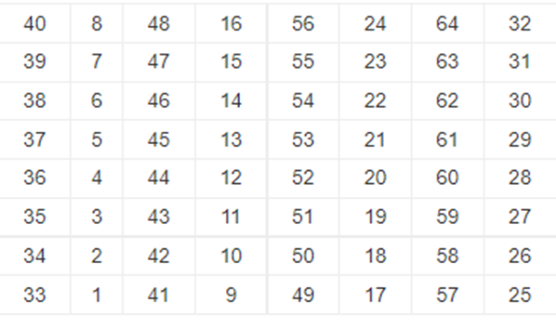
 |  |  |  |  |  |  |  |  |  |  |  | E(R(12)-1) = | 101000 001101 011101 010100 001001 011011 111101 010110 |  |  |  |  | LANGKAH KEDELAPAN
 |  |  |  |  |  |  |  |  |  |  |  | K12 = | 010000 000010 110000 110100 000010 010000 110110 110000 |  |  | XOR
 |  |  |  |  |  |  |  |  |  |  |  | A12 = | 111000 001111 101101 100000 001011 001011 001011 010110
 |  |  |  |  |  |  |  |  |  |  |  |  | 3 14 8 10 7 12 9 14
 |  |  |  |  |  |  |  |  |  |  |  | iterasi ke-13

 |  |  |  |  |  |  |  |  |  |  |  | E(R(13)-1) = | 010000 001101 011011 110000 001110 101000 001000 000101
 |  |  |  |  |  |  |  |  |  |  |  | K13 = | 110001 001010 010000 100100 010010 010110 100000 010001 |  |  | XOR
 |  |  |  |  |  |  |  |  |  |  |  | A13 = | 100001 000111 001011 010100 011100 111110 101000 010100
 |  |  |  |  |  |  |  |  |  |  |  |  | 15 7 4 8 14 6 12 3
 |  |  |  |  |  |  |  |  |  |  |  | iterasi ke-14
 |  |  |  |  |  |  |  |  |  |  |  |  |  |  |  |  |  | Sebelum di permutasi
 |  |  |  |  |  |  |  |  |  |  |  | E(R(14)-1) = | 000000 001110 101011 111011 110000 001110 100110 100000 |  |  |  |  | R16 L(16) = | 11101101 10000011 01110111 10100100 |  |  | 01010001 01000011 10011110 11001001
 |  |  |  |  |  |  |  |  |  |  |  | K14 = | 110000 101000 010000 100010 011000 110100 000000 011101 |  |  | XOR
 |  |  |  |  |  |  |  |  |  |  |  | A14 = | 110000 100110 111011 011001 101000 111010 100110 111101 |  |  |  |  | Setelah di permutasi menggunakan tabel permutasi
 |  |  |  |  |  |  |  |  |  |  |  |  | 15 11 5 1 10 13 13 3
 |  |  |  |  |  |  |  |  |  |  |  | iterasi ke-15

 |  |  |  |  |  |  |  |  |  |  |  | E(R(15)-1) = | 101010 100010 101000 000111 110011 111101 011001 010010
 |  |  |  |  |  |  |  |  |  |  |  | K15 = | 101010 001001 001000 100010 100000 010001 000110 001110 |  |  | XOR
 |  |  |  |  |  |  |  |  |  |  |  | A15 = | 000000 101011 100000 100101 010011 101100 011111 011100
 |  |  |  |  |  |  |  |  |  |  |  |  | 14 15 13 0 0 12 6 12
 |  |  |  |  |  |  |  |  |  |  |  | iterasi ke-16

 |  |  |  |  |  |  |  |  |  |  |  | E(R(16)-1) = | 001011 110111 111000 001000 001000 000000 000001 010000
 |  |  |  |  |  |  |  |  |  |  |  | K16 = | 101000 011001 001000 100010 000111 010010 011100 010000 |  |  | XOR
 |  |  |  |  |  |  |  |  |  |  |  | A16 = | 100011 101110 110000 101010 001111 010010 011101 000000
 |  |  |  |  |  |  |  |  |  |  |  |  | 12 1 11 11 1 13 8 13

