Sheet1
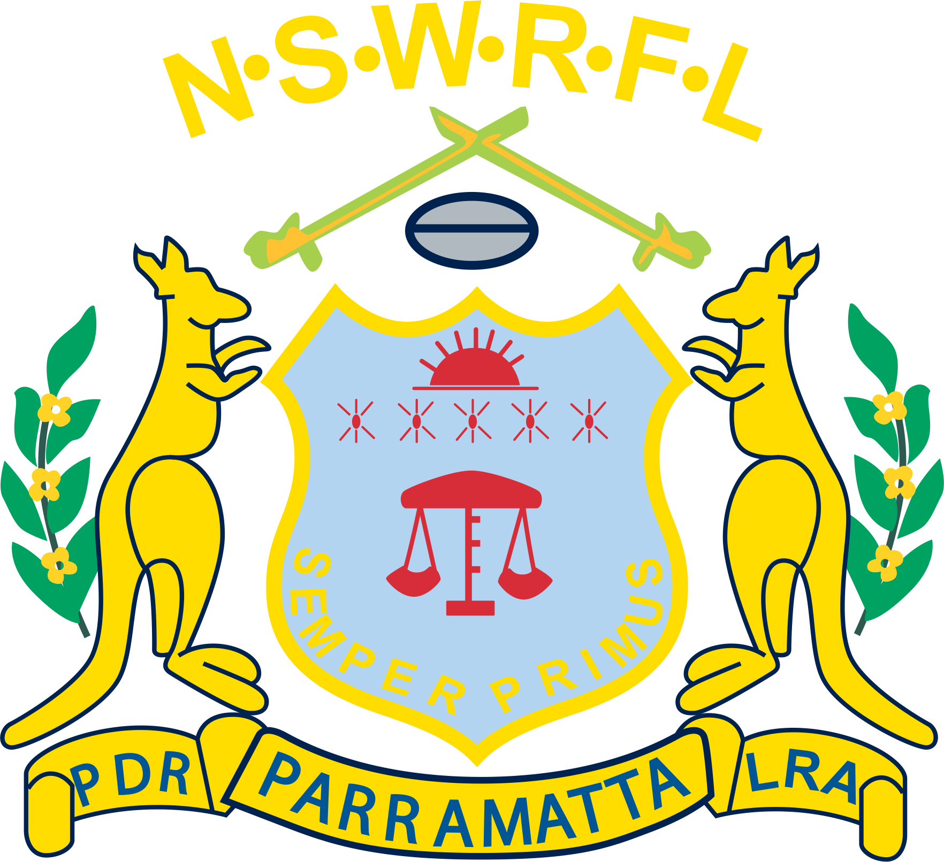
 | Parramatta District Rugby League Referees - Appointments Sheet

 | Please note the following contact details
 | Michael Karam (0422-098-131) |  | refereeing@parramattarefs.com
 | Harrison Bayssari (0426-884-103) |  | execofficer@parramattarefs.com
 | In case of a Replacement/Dismissal call Harrison and complete charge sheet at ground

Reports can be found at the address below. Ensure they are submitted by Sunday night.
You can go to https://www.parramattarefs.com.au/reports to read more about the process, and submit online reports.

ALL Reports must be finalised by Sunday night. Contact Harrison if you have questions.
Reminder to follow all COVID-Safe proctocols
ALL REFEREES must arrive at the ground 40 minutes PRIOR to their 1st game.
All referees’ to take appropriate action in relation to offensive and obscene language in all levels from U6’s to A Grade
Referees are reminded to enforce the Safeplay code & Tough Love in League Policy

Saturday 27th March 2021 - Trials Week 4
Home Team | Away Team | Grade | Time | Duration | Referee | Touch Judge | Touch Judge | CMO
New Era Stadium, Cabramatta
CABRAMATTA | COLYTON | U/9 | 12.00pm | 2 x 20 min | Jarrod Mc Farland
CABRAMATTA | GREENACRE TIGERS | U/15 | 3.30pm | 2 x 25 min | Bernard Biala

McCredie Park, Guildford
GUILDFORD (2) | CABRAMATTA | U/6 | 9.00am | 4 X 8min | Coach
GUILDFORD (1) | ALL SAINTS TOONGABBIE | U/6 | 9.00am | 4 X 8min | Coach
GUILDFORD (2) | CABRAMATTA | U/7 | 9.00am | 4 X 8min | Raynmond Duong
GUILDFORD (1) | ALL SAINTS TOONGABBIE | U/7 | 9.00am | 4 X 8min | Mitchell Bullivant |  |  | Ethan Murray (BUDDY)
GUILDFORD (1) | T.B.A. | U/8 | 9.50am | 4 X 8min | Raynmond Duong
GUILDFORD (2) | T.B.A. | U/8 | 9.50am | 4 X 8min | Mitchell Bullivant |  |  | Ethan Murray (BUDDY)
GUILDFORD | ALL SAINTS TOONGABBIE | U/9 | 10.40am | 4 X 8min | Raynmond Duong
GUILDFORD (2) | T.B.A. | U/10 | 11.30am | 2 x 20min | Raynmond Duong
GUILDFORD (1) | T.B.A. | U/10 | 12.20pm | 2 x 20min | Joshua Featherstone |  |  | Allan Doohan
GUILDFORD | CABRAMATTA | U/11 | 1.10pm | 2 x 20min | Joshua Featherstone |  |  | Allan Doohan

Sunday 28th March 2021 - Trials Week 4
Home Team | Away Team | Grade | Time | Duration | Referee | Touch Judge | Touch Judge | CMO

McCredie Park, Guildford
GUILDFORD (1) | ALL SAINTS TOONGABBIE (1) | U/12 | 9.00am | 2x20min | Jacob Dean
GUILDFORD (1) | ALL SAINTS TOONGABBIE (1) | U/13 | 9.50am | 2 x 20min | Jacob Dean
GUILDFORD (2) | McArthur Saints | U/14(G) | 10.40am | 2 x 20min | Jacob Dean |  |  | Ethan Murray
GUILDFORD | CABRAMATTA | U/14 | 11.30am | 1x25mins | Joel Deaves |  |  | Ethan Murray
GUILDFORD (1) | St George Dragons | U/14 | 12.00pm | 1x25min | Joel Deaves
Cabramatta | St George Dragons | U/14 | 12.30pm | 2 x 25min | Joel Deaves
Guildford | ALL SAINTS TOONGABBIE (1) | U/16 | 2.00pm | 3 x 25min | Danny Constantine
Guildford | Emu PLains | U/10 | 3.00pm | 4 x 25min | Danny Constantine

