THV3 v357 copy
Total boards | 250

Value | Device | Package | Parts | Description | Qty | Unit Price | Total Price | Notes1 | Notes2 | Notes 3
100nF | C_CHIP-0402(1005-METRIC) | C-0402 SMT | C1, C3, C5, C7 | Capacitor - Generic | 4 |  | ¥-
10nF | C_CHIP-0402(1005-METRIC) | C-0402 SMT | C6 | Capacitor - Generic | 1 |  | ¥-
10uF | C_CHIP-0402(1005-METRIC) | C-0402 SMT | C4 | Capacitor - Generic | 1 |  | ¥-
4.7uF | C_CHIP-0402(1005-METRIC) | C-0402 SMT | C2 | Capacitor - Generic | 1 |  | ¥-
470 | R-US_CHIP-0402(1005-METRIC) | R0402 SMT | R1, R2 | Resistor Fixed - ANSI | 2 |  | ¥-
10K | R-US_CHIP-0402(1005-METRIC) | R0402 SMT | R3, R6 | Resistor Fixed - ANSI | 2 |  | ¥-
4.7K | R-US_CHIP-0402(1005-METRIC) | R0402 SMT | R4, R5, R7 | RESISTOR, American symbol | 3 |  | ¥-
BAS70-05 | BAS70-05 | SOT23 | D2 | Silicon Schottky Diodes | 1 |  | ¥-
MBR0540 | MBR0520LT1G | SOD-123 | D1 | DIODE SCHOTTKY SOD123 | 1 |  | ¥-
DMG341 | P_CHANNEL_MOSFET-SOT23 | P_CHANNEL_MOSFET-SOT23 | U$3 | MOSFET | 1 |  | ¥-
MCP73831/2 | MCP73831/2_LIPO_CHARGER | MCP73831_SOT23-5L | U$1 | LiPo Charger | 1 |  | ¥-
RV-8803 | RV-8803 | RV-3028 | U4 | Micro Crystal RV-8803 RTC | 1 |  | ¥-
ATTINY1607-MFR | ATTINY1607-MNR | QFN50P400X400X90-25N | U3 | None Check prices | 1 |  | ¥-
CH330N | CH330N | SOT8 | U$6 | USB to Serial Chip | 1 |  | ¥-
PTS840ESDPMSMTRLF | PTS840ESDPMSMTRLF | PTS840ESDPMSMTRLF | U$4 | Push Button | 1 |  | ¥- | https://item.taobao.com/item.htm?spm=a1z09.2.0.0.605f2e8dPbDM7b&id=649611155841&_u=j2q42hct7c93
JST_SM02B-SRSS-TB | JST_SM02B-SRSS-TB | JST-SM02B-SRSS-TB | X2 | LiPo Battery Connector | 1 |  | ¥- | I have, But it is not in tape but in a pipe. I can send you then you don’t have to purchase. Let me know.
BK-414-TR | BK-414-TR | NaN | 1.55V-8MAH | Coin cell holder for micro coin cell for the RTC. | 1 | ¥5.00 | ¥1,250.00 | I have the Tape reel of the connectors. I can send you. No need to buy. But buy the coin cells | Need to purchase the coin cells. Coin cell: SR416SW Panansonic China Seller: https://item.taobao.com/item.htm?spm=a230r.1.14.16.111020a36lxeWm&id=618904278936&ns=1&abbucket=15#detail
0.28-2DIGIT-7SEGEM | 0.28-2DIGIT-7SEGEMNT | 2_DIGIT_0.28 | BOT, TOP | 0.2" Common Anode 7 segment display with white LEDs | 2 | ¥1.15 | ¥575.00 | 2 digit, Common Cathode, White LED | China Seller: https://item.taobao.com/item.htm?spm=a1z09.2.0.0.605f2e8dPbDM7b&id=640853956739&_u=j2q42hctacd7 Part number: CS2821AW | 1. Procure the part. 2. Cut the leads to length: 3. Send to me. 4. I will send back the PCBs with these component, 5. Then you can solder them at last, after my testing of the board. | 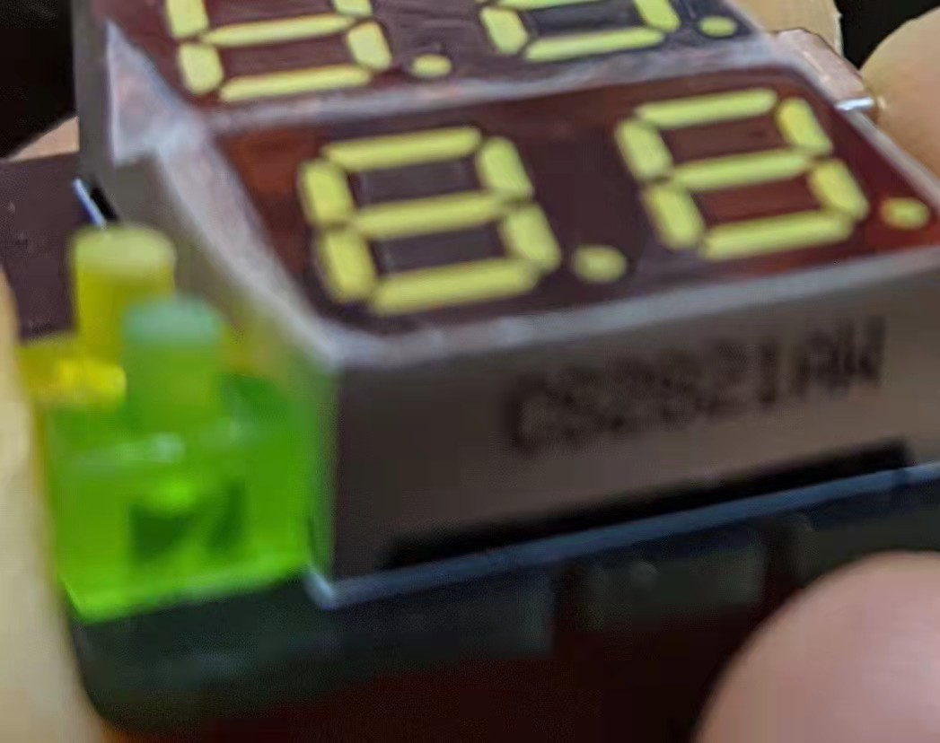 This is the orientation it needs to be mounted on the board at last

