Parameters
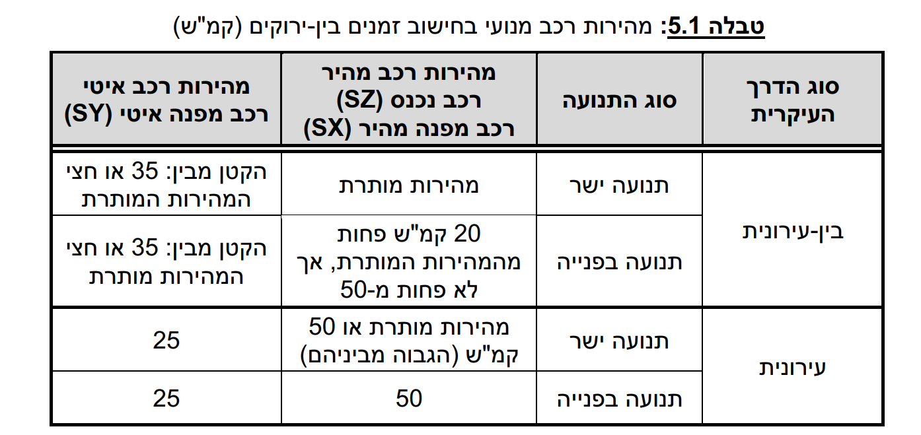
1 | 2 | 3 | 4 | 5
Turn | interurban (1|0) | Clearing Speed - Fast [kph] | Clearing Speed - Slow [kph] | Additional vehicle length (m) |  | Value
N-L |  | 50 | 25 | 0 | אורך רכב [מטר] | 12
N-T | 0 | 50 | 25 | 0 | מהירות ה"ר [מטר לשניה] | 1.2
N-R |  | 50 | 25 | 0 | זמן תגובה [שנ'] | 1
S-L |  | 50 | 25 | 0 | תאוטת בלימה [מ'\שנ'^2] | 3.5
S-T | 0 | 50 | 25 | 0
S-R |  | 50 | 25 | 0
E-L |  | 50 | 25 | 0
E-T | 0 | 50 | 25 | 0
E-R |  | 50 | 25 | 0
W-L |  | 50 | 25 | 0
W-T | 0 | 50 | 25 | 0
W-R |  | 50 | 25 | 0

 |  |  |  |  |  |  | Inter-urban/Urban | Thru Fast Speed | Thru Slow Speed | Turn fast speed | Turn slow speed | Blinking Green
 |  |  |  |  |  |  | Inter-urban | 50 | 25 | 50 | 25 | NO
 |  |  |  |  |  |  | Inter-urban | 60 | 30 | 50 | 25 | YES
 |  |  |  |  |  |  | Inter-urban | 70 | 35 | 50 | 25 | YES
 |  |  |  |  |  |  | Inter-urban | 80 | 35 | 60 | 30 | YES
 |  |  |  |  |  |  | Inter-urban | 90 | 35 | 70 | 35 | YES
 |  |  |  |  |  |  | Urban | 50 | 25 | 50 | 25 | NO
 |  |  |  |  |  |  | Urban | 60 | 25 | 50 | 25 | YES
 |  |  |  |  |  |  | Urban | 70 | 25 | 50 | 25 | YES

Pedestrian Xing
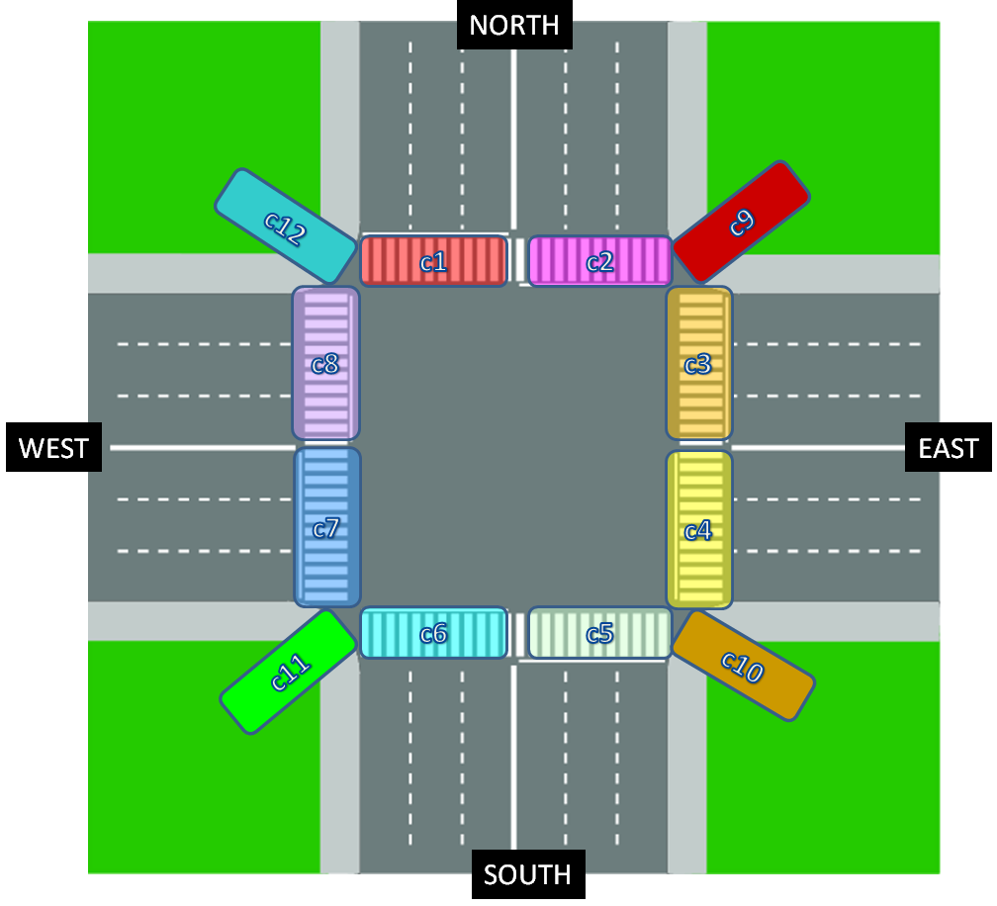
 | DON'T DELETE ROWS, LEAVE BLANK IF DOESN'T EXIST ↓↓Enter SG names here ↓↓
pedestrian crossing | SG name | length (m)
c1 | d | 11.8
c2 | d | 11.8
c3 | a | 10.8
c4 | a | 10.8
c5 | b | 16
c6 | b | 16
c7 | c | 8.3
c8 | c | 8.3
c9
c10
c11
c12

