Produtos_Encomendas_Vendas
Produto | Quantidade Encomendada
20in Monitor | 4129
27in 4K Gaming Monitor | 6244
27in FHD Monitor | 7550
34in Ultrawide Monitor | 6199
AA Batteries (4-pack) | 27635
AAA Batteries (4-pack) | 31017
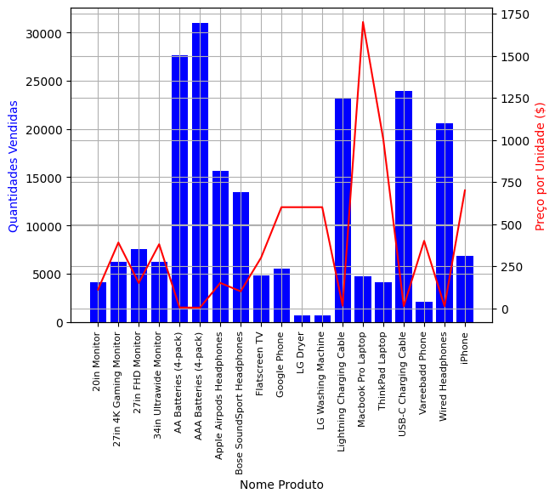
Apple Airpods Headphones | 15661
Bose SoundSport Headphones | 13457
Flatscreen TV | 4819
Google Phone | 5532
LG Dryer | 646
LG Washing Machine | 666
Lightning Charging Cable | 23217
Macbook Pro Laptop | 4728
ThinkPad Laptop | 4130
USB-C Charging Cable | 23975
Vareebadd Phone | 2068
Wired Headphones | 20557
iPhone | 6849

