Native Union
SKU | Products | Images | MRP
RECLE-TRA-NP24P | (RE)CLEAR CASE FOR IPHONE 16 PRO TRANSPARENT |  | 4200
RECLE-TRA-NP24PM | (RE)CLEAR CASE FOR IPHONE 16 PRO MAX TRANSPARENT |  | 4200
ACTCSE-GRN-NP24P | ACTIVE CASE FOR IPHONE 16 PRO SLATE GREEN | 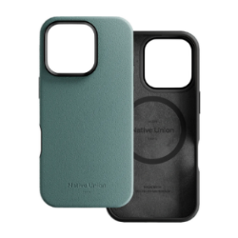 | 5250
ACTCSE-LMO-NP24P | ACTIVE CASE FOR IPHONE 16 PRO LEMON | 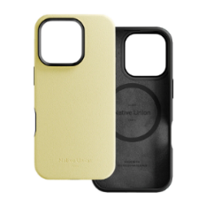 | 5250
ACTCSE-SAN-NP24PM | ACTIVE CASE FOR IPHONE 16 PRO MAX SANDSTONE |  | 5250
ACTCSE-GRN-NP24PM | ACTIVE CASE FOR IPHONE 16 PRO MAX SLATE GREEN |  | 5250
ACTCSE-LMO-NP24PM | ACTIVE CASE FOR IPHONE 16 PRO MAX LEMON |  | 5250
RECLA-BLK-NP24P | (RE)CLASSIC CASE FOR IPHONE 16 PRO BLACK |  | 6300
RECLA-KFT-NP24P | (RE)CLASSIC CASE FOR IPHONE 16 PRO KRAFT |  | 6300
RECLA-NAV-NP24P | (RE)CLASSIC CASE FOR IPHONE 16 PRO NAVY |  | 6300
RECLA-BLK-NP24PM | (RE)CLASSIC CASE FOR IPHONE 16 PRO MAX BLACK | 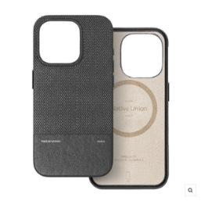 | 6300
RECLA-KFT-NP24PM | (RE)CLASSIC CASE FOR IPHONE 16 PRO MAX KRAFT |  | 6300
RECLA-GRN-NP24PM | (RE)CLASSIC CASE FOR IPHONE 16 PRO MAX SLATE GREEN | 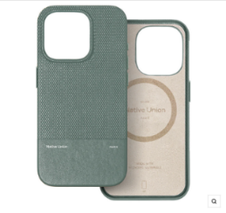 | 6300

