Sheet1
SKU | DESCRIPTION | IMAGE | MRP
POP-P-BLK | Native Union POP Phone Black |  | 3900
POP-P-RED | Native Union POP Phone Red | 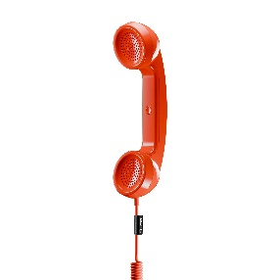 | 3900
POP-P-PIN | Native Union POP Phone Pine |  | 3900
POP-P-GRN. | Native Union POP Phone Slate Green |  | 3900
POP-P-SAN | Native Union POP-Phone Sandstone |  | 3900
POP-P-LMO | Native Union POP Phone Lemon | 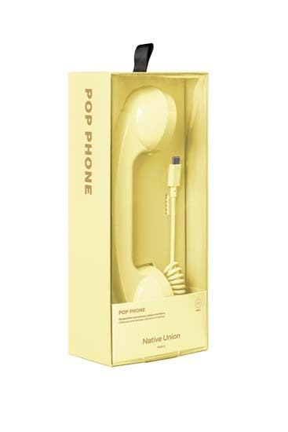 | 3900
POP-P-CDY | Native Union POP Phone Candy | 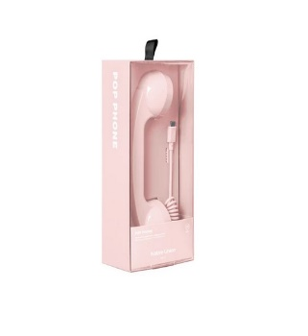 | 3900
POP-P-AZR | Native Union POP Phone AZUR | 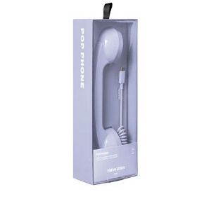 | 3900

