Dashboard Questions
Customer Service Dashboard | Finance Dashboard
Include Every Agent's Average Customer Satisfaction | Find the Overall Sales value for Each Day
Include Every Agent's No of Interactions with customers | Find the Average Sales Value for Each Day
Include Every Contact Types's No of Interactions | Create a Round off Value for the Sale amount to their nearest 5 rupees and give a comparison to the actual sale value
Include Every Contact Types's Average Customer Satisfaction | What is the Sales Amount for 300 to 500, 500 to 700, 700 to 900, 900 to 1100 and 1100 to 1300 rupees buckets
Day wise Customer Satisfaction | What is the number of sold products for 300 to 500, 500 to 700, 700 to 900, 900 to 1100 and 1100 to 1300 rupees buckets
Day wise Customer Interaction | A comparison for each product's sales value and their average prices


 | Order Fulfillment Dashboard
 | Total Orders, Total Revenue, Average Revenue, Average Discount Given
 | Most Ordered Products
 | Trend of no of Sales for Each Day
 | Trend of Revenue Generated for each day
 | Trend of Revenue Generated for Each Product
 | Multiple Views for Online and Offline orders (using Slicers)

STEPS TO CREATE DASHBOARD

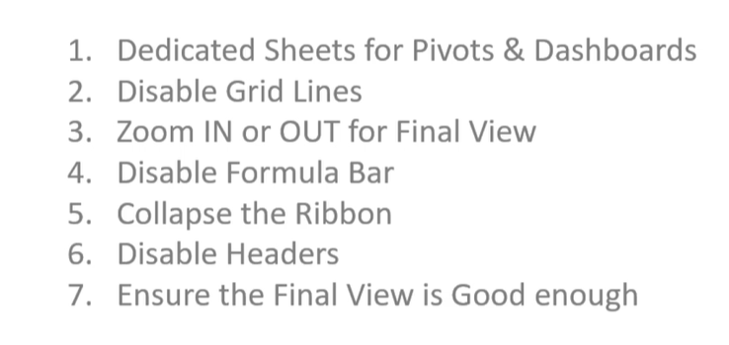

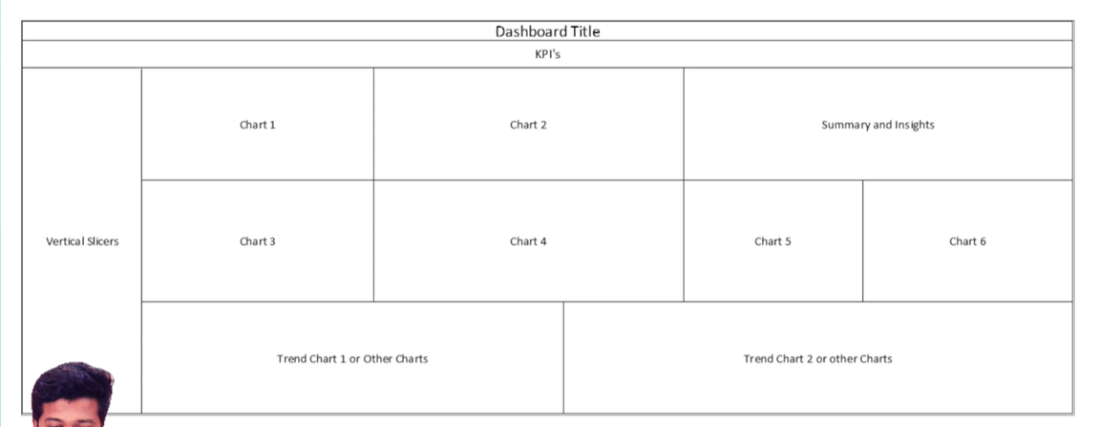

Note:
shortcut for pasting titles from one page to another
> first select only cell and type =
> from the other page double click on the text and press enter

CS-DASHBOARD
Avg C-SAT of Agents
 | Total
Adrien Martin | 7.3
Albain Forestier | 6.9
Roch Cousineau | 6.9
No of Interactions of Agents
 | Total
Adrien Martin | 255
Albain Forestier | 254
Roch Cousineau | 285

Avg C-SAT for Contact Type
 | Total
Complaint | 72
Query | 300
Request | 422
No of Interaction for Contact Type
 | Total
Complaint | 6.6
Query | 6.9
Request | 7.2

Day wise Customer Satisfaction
 | Total
6/13/2022 | 6.5
6/14/2022 | 8.1
6/15/2022 | 7.3
6/16/2022 | 6.3
6/17/2022 | 8.3
6/18/2022 | 4.8
6/19/2022 | 7.8
6/20/2022 | 4.9
6/21/2022 | 5.9
6/22/2022 | 8.0
6/23/2022 | 6.5
6/24/2022 | 6.8
6/25/2022 | 7.6
6/26/2022 | 6.4
6/27/2022 | 7.8
6/28/2022 | 7.4
6/30/2022 | 7.7
7/1/2022 | 7.3
7/2/2022 | 6.6
7/3/2022 | 6.4
7/4/2022 | 7.3
7/5/2022 | 7.6
7/6/2022 | 6.9
7/7/2022 | 7.3
7/8/2022 | 7.3
7/9/2022 | 6.1
7/10/2022 | 6.3
7/11/2022 | 7.4
7/12/2022 | 8.2
7/13/2022 | 7.6
7/14/2022 | 7.3
7/15/2022 | 6.3
7/16/2022 | 6.9
7/17/2022 | 7.2
7/18/2022 | 7.2
7/19/2022 | 6.2
7/20/2022 | 7.2
7/21/2022 | 7.4
7/22/2022 | 7.5
7/23/2022 | 8.9
7/24/2022 | 7.2
7/26/2022 | 8.0
7/27/2022 | 8.0
7/28/2022 | 7.0
7/29/2022 | 5.0
7/30/2022 | 7.7
7/31/2022 | 7.0
8/1/2022 | 5.1
8/2/2022 | 7.7
8/3/2022 | 7.8
...
Day wise No of Interaction
 | Total
6/13/2022 | 13.0
6/14/2022 | 11.0
6/15/2022 | 18.0
6/16/2022 | 7.0
6/17/2022 | 12.0
6/18/2022 | 6.0
6/19/2022 | 13.0
6/20/2022 | 8.0
6/21/2022 | 7.0
6/22/2022 | 34.0
6/23/2022 | 29.0
6/24/2022 | 13.0
6/25/2022 | 26.0
6/26/2022 | 17.0
6/27/2022 | 11.0
6/28/2022 | 27.0
6/30/2022 | 10.0
7/1/2022 | 10.0
7/2/2022 | 15.0
7/3/2022 | 5.0
7/4/2022 | 16.0
7/5/2022 | 10.0
7/6/2022 | 10.0
7/7/2022 | 10.0
7/8/2022 | 10.0
7/9/2022 | 10.0
7/10/2022 | 15.0
7/11/2022 | 20.0
7/12/2022 | 10.0
7/13/2022 | 26.0
7/14/2022 | 14.0
7/15/2022 | 14.0
7/16/2022 | 7.0
7/17/2022 | 16.0
7/18/2022 | 14.0
7/19/2022 | 12.0
7/20/2022 | 13.0
7/21/2022 | 19.0
7/22/2022 | 16.0
7/23/2022 | 7.0
7/24/2022 | 5.0
7/26/2022 | 3.0
7/27/2022 | 9.0
7/28/2022 | 10.0
7/29/2022 | 4.0
7/30/2022 | 6.0
7/31/2022 | 2.0
8/1/2022 | 8.0
8/2/2022 | 3.0
8/3/2022 | 4.0
...

Finance_Dashboard
FINANCE-DASHBOARD
`

Overall Sales V/S Avg Sales
 | Overall Sales | Average Sales
PIZB0001 | $95,451.00 | $551.7
PIZB0002 | $96,446.00 | $557.5
PIZB0003 | $95,936.00 | $554.5
PIZB0004 | $93,673.00 | $544.6
PIZB0005 | $40,327.00 | $584.4
PIZB0006 | $17,135.00 | $504.0
Sales for 200$ Buckets
 | Total
100-299 | 26900
300-499 | 93582
500-699 | 132315
700-900 | 186171
No of Sales for 200$ Buckets
 | Total
100-299 | 106
300-499 | 235
500-699 | 221
700-900 | 232

Trend Overall Sales
 | Total
13-Jun-22 | $8,028.00
14-Jun-22 | $6,050.00
15-Jun-22 | $9,778.00
16-Jun-22 | $3,692.00
17-Jun-22 | $7,985.00
18-Jun-22 | $3,302.00
19-Jun-22 | $7,526.00
20-Jun-22 | $4,199.00
21-Jun-22 | $3,003.00
22-Jun-22 | $20,243.00
23-Jun-22 | $15,014.00
24-Jun-22 | $6,590.00
25-Jun-22 | $13,127.00
26-Jun-22 | $10,726.00
27-Jun-22 | $5,757.00
28-Jun-22 | $14,759.00
30-Jun-22 | $6,055.00
1-Jul-22 | $5,166.00
2-Jul-22 | $8,109.00
3-Jul-22 | $2,526.00
4-Jul-22 | $7,969.00
5-Jul-22 | $5,393.00
6-Jul-22 | $5,663.00
7-Jul-22 | $6,906.00
8-Jul-22 | $5,638.00
9-Jul-22 | $5,562.00
10-Jul-22 | $8,089.00
11-Jul-22 | $11,694.00
12-Jul-22 | $5,457.00
13-Jul-22 | $14,227.00
14-Jul-22 | $7,872.00
15-Jul-22 | $7,407.00
16-Jul-22 | $3,135.00
17-Jul-22 | $7,905.00
18-Jul-22 | $8,716.00
19-Jul-22 | $7,725.00
20-Jul-22 | $7,571.00
21-Jul-22 | $10,567.00
22-Jul-22 | $9,517.00
23-Jul-22 | $4,363.00
24-Jul-22 | $2,637.00
26-Jul-22 | $1,826.00
27-Jul-22 | $5,185.00
28-Jul-22 | $5,833.00
29-Jul-22 | $2,662.00
30-Jul-22 | $2,995.00
31-Jul-22 | $956.00
1-Aug-22 | $5,093.00
2-Aug-22 | $1,565.00
3-Aug-22 | $2,519.00
...

Trend Average Sales
 | Total
13-Jun-22 | $618
14-Jun-22 | $550
15-Jun-22 | $543
16-Jun-22 | $527
17-Jun-22 | $665
18-Jun-22 | $550
19-Jun-22 | $579
20-Jun-22 | $525
21-Jun-22 | $429
22-Jun-22 | $595
23-Jun-22 | $518
24-Jun-22 | $507
25-Jun-22 | $505
26-Jun-22 | $631
27-Jun-22 | $523
28-Jun-22 | $547
30-Jun-22 | $606
1-Jul-22 | $517
2-Jul-22 | $541
3-Jul-22 | $505
4-Jul-22 | $498
5-Jul-22 | $539
6-Jul-22 | $566
7-Jul-22 | $691
8-Jul-22 | $564
9-Jul-22 | $556
10-Jul-22 | $539
11-Jul-22 | $585
12-Jul-22 | $546
13-Jul-22 | $547
14-Jul-22 | $562
15-Jul-22 | $529
16-Jul-22 | $448
17-Jul-22 | $494
18-Jul-22 | $623
19-Jul-22 | $644
20-Jul-22 | $582
21-Jul-22 | $556
22-Jul-22 | $595
23-Jul-22 | $623
24-Jul-22 | $527
26-Jul-22 | $609
27-Jul-22 | $576
28-Jul-22 | $583
29-Jul-22 | $666
30-Jul-22 | $499
31-Jul-22 | $478
1-Aug-22 | $637
2-Aug-22 | $522
3-Aug-22 | $630
...

