Company Info
Organizational Profile: Surf Corporation |  | Sector: | Consumer Products

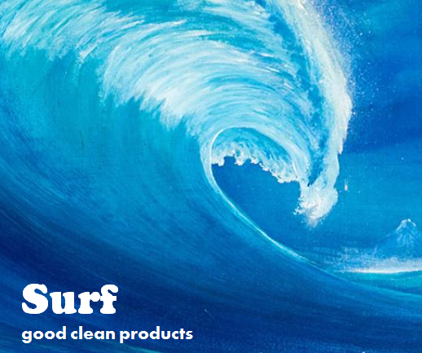
Company Overview:
Orginally founded in 1947 as the Surfactant Chemical Company, today Surf Corporation is a global consumer products company headquartered in Easton, Delaware providing personal and home cleaning products in over 100 countries.
Annual Revenue: | $10.8B USD
Company Values: | All We Do is based on our belief in: Quality Products - Healthier Lives - Responsible Growth
Sustainability Strategic Framework: | Growth - Health - Environment
Sustainability Culture: | Long-standing CSR programs focused on community outreach and health. Minimal environmental programs beyond regulatory compliance and facility energy reduction.
Key Sustainability Risks: | Water: all products require use of water to formulate, manufacture and use
Key Sustainability Drivers: | Increased awareness and interest by the company's main customers and consumers, as well as NGO and investor inquiries has increased the profile of sustainability with the company's Board of Directors and Senior Management team.

General Operational Data
# full time employees | 22,000
Annual Production | Approx. 3.5M metric tonnes
# manufacturing facilities | 18
Facilities owned (sq feet) | 7,500,000 |  | 64702000
Facilities leased (sq feet) | 2,500,000
Percent of In-House Manufacturing | 95%
Commute | Survey shows each employee commutes an average of 2,941 miles in a year (passenger car as mode of transportation assumed)
Indirect emissions coming from fuel and energy-related activities account for approximately 10% of the total of scope 1 and 2 emissions combined.
Annual investment in capital goods and other building equipment | $1B
Purchased Goods & Services (spend in USD): |  |  | Emissions Factors (EFs)
- Chemical Raw Materials (Petrochemicals) | $1,200,000,000 | USD | 1.164 | kgCO2e/USD
- Machinary (Indusr Machines & Equip) | $100,000,000 | USD | 0.117 | kgCO2e/USD
- Real Estate | $20,000,000 | USD | e | kgCO2e/USD
Business Travel: Air and Car |  |  | Emissions Factors (EFs)
- Air Travel | 45,000,000 | miles | 0.1639 | kgCO2e/mile
- Car Travel | 2,830,000 | miles | 0.3080 | kgCO2e/mile
Annual Energy Usage
Natural Gas | 12,010,199 | m3/yr
Diesel Fuel | 1,392,598 | litres/yr
Electricity - by country
China | 150,500 | MWh/yr
Mexico | 215,000 | MWh/yr
USA (Texas) | 50,500 | MWh/yr
France | 179,500 | MWh/yr
South Africa | 45,500 | MWh/yr
* Indirect emissions coming from fuel and energy-related activities account for approximately 10% of the total of scope 1 and 2 emissions combined.
General Product Portfolio Mix | Consumer Use Volume |  | Emission Factors (EF) kgCO2e/MT
Soap & Shampoo | 1,750,000 | MT/yr | 0.353 | MT CO2e/MT product
Laundry Detergent | 1,050,000 | MT/yr | 0.2829 | MT CO2e/MT product
Dish Soap | 650,000 | MT/yr | 0.504 | MT CO2e/MT product
Floor Cleaners | 250,000 | MT/yr | 2.828 | MT CO2e/MT product

