ACCURACY
ACCURACY CHART

Model 1: Bernoulli Naive Bayes Classifier
Model 2: Multinomial Naive Bayes Classifier
Model 3: Gaussian Naive Bayes Classifier
 | All Features |  |  | Significant Features
 | Model 1 | Model 2 | Model 3 | Model 1 | Model 2 | Model 3
Project 1 | 0.8080 | 0.8320 | 0.7520 | 0.8320 | 0.8400 | 0.7840
Project 2 | 0.6563 | 0.7748 | 0.4270 | 0.7748 | 0.7748 | 0.5398
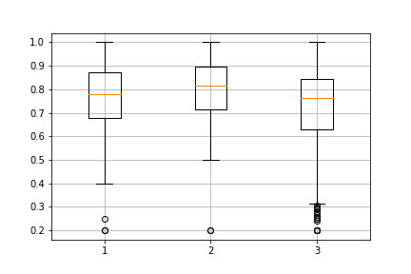
Project 3 | 0.8223 | 0.8874 | 0.7005 | 0.8464 | 0.8874 | 0.7853
Project 4 | 0.7237 | 0.7664 | 0.7693 | 0.7237 | 0.7665 | 0.7864
Project 5 | 0.7584 | 0.8040 | 0.8054 | 0.7463 | 0.8081 | 0.8027
Project 6 | 0.8464 | 0.8804 | 0.4361 | 0.8847 | 0.8805 | 0.8509
Project 7 | 0.6556 | 0.7944 | 0.8139 | 0.8139 | 0.8194 | 0.8611
From this diagram, we can conclude that model 2, ie, Multinomial NB has best accuracy
Project 8 | 0.9470 | 0.9558 | 0.9204 | 0.9470 | 0.9617 | 0.9381
Project 9 | 0.5641 | 0.6546 | 0.6496 | 0.5888 | 0.6513 | 0.6611
Project 10 | 0.7752 | 0.8348 | 0.7878 | 0.7867 | 0.8337 | 0.7889
Project 11 | 0.7845 | 0.8104 | 0.7938 | 0.7834 | 0.8093 | 0.7907
Project 12 | 0.8756 | 0.9218 | 0.7026 | 0.9218 | 0.9218 | 0.8897
Project 13 | 0.8067 | 0.8467 | 0.5600 | 0.8467 | 0.8467 | 0.7733
Project 14 | 0.6206 | 0.6383 | 0.6126 | 0.6664 | 0.6656 | 0.6395
Project 15 | 0.9048 | 0.9338 | 0.8841 | 0.9338 | 0.9380 | 0.8841
Project 16 | 0.8665 | 0.8949 | 0.8323 | 0.8807 | 0.8921 | 0.8579
Project 17 | 0.7430 | 0.7204 | 0.7609 | 0.7393 | 0.7168 | 0.7718
Accuracy comparision of 3 different Naive Bayes Models
Project 18 | 0.7256 | 0.7749 | 0.7812 | 0.7221 | 0.7618 | 0.7746
Project 19 | 0.6794 | 0.7722 | 0.7978 | 0.7147 | 0.7691 | 0.7881
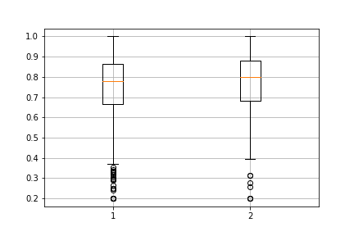
Project 20 | 0.8531 | 0.8803 | 0.8531 | 0.8695 | 0.8776 | 0.8693
Project 21 | 0.9714 | 0.9715 | 0.7962 | 0.9776 | 0.9776 | 0.9452
Project 22 | 0.7000 | 0.7800 | 0.5533 | 0.7800 | 0.7867 | 0.7400
Project 23 | 0.7259 | 0.7630 | 0.8074 | 0.7852 | 0.7407 | 0.8444
Project 24 | 0.6974 | 0.7619 | 0.8169 | 0.7706 | 0.7247 | 0.8264
From this diagram, we can conclude that training with significant features gives better accuracy
Project 25 | 0.8976 | 0.9220 | 0.4829 | 0.9171 | 0.9220 | 0.6098
Project 26 | 0.6410 | 0.7026 | 0.6718 | 0.6410 | 0.6769 | 0.6769
Project 27 | 0.6033 | 0.6276 | 0.5704 | 0.6032 | 0.6315 | 0.5625
Project 28 | 0.6235 | 0.6294 | 0.5971 | 0.6235 | 0.6324 | 0.5941
Project 29 | 0.6600 | 0.7800 | 0.5200 | 0.5600 | 0.7733 | 0.5533
Project 30 | 0.6381 | 0.7286 | 0.7000 | 0.7333 | 0.7286 | 0.7571
Project 31 | 0.8192 | 0.8525 | 0.8178 | 0.8193 | 0.8525 | 0.8191
Project 32 | 0.8551 | 0.8944 | 0.8467 | 0.8553 | 0.8944 | 0.8463
Project 33 | 0.8846 | 0.8849 | 0.8473 | 0.8848 | 0.8850 | 0.8499
Project 34 | 0.8466 | 0.9041 | 0.8766 | 0.8471 | 0.9041 | 0.8824
Project 35 | 0.8475 | 0.8476 | 0.8169 | 0.8475 | 0.8476 | 0.8175
Accuracy comparision of before and after feature selection
Project 36 | 0.8515 | 0.8955 | 0.3667 | 0.8530 | 0.9000 | 0.8045
Project 37 | 0.7163 | 0.8919 | 0.3186 | 0.7163 | 0.8522 | 0.3127
Project 38 | 0.7333 | 0.8000 | 0.7778 | 0.7556 | 0.8000 | 0.8222
Project 39 | 0.6889 | 0.7778 | 0.5111 | 0.6889 | 0.7778 | 0.7111
Project 40 | 0.6000 | 0.7500 | 0.7000 | 0.6500 | 0.7000 | 0.7000
Project 41 | 0.8603 | 0.8915 | 0.5226 | 0.8667 | 0.8980 | 0.8167
Project 42 | 0.6844 | 0.7387 | 0.6572 | 0.6800 | 0.7432 | 0.7433
Project 43 | 0.7030 | 0.6992 | 0.7230 | 0.7068 | 0.6992 | 0.7387
Project 44 | 0.8154 | 0.8769 | 0.6923 | 0.8462 | 0.8615 | 0.8462
Project 45 | 0.6400 | 0.6400 | 0.7200 | 0.6800 | 0.6400 | 0.7200
Project 46 | 0.6917 | 0.8111 | 0.6250 | 0.7417 | 0.7861 | 0.8111
Project 47 | 0.8986 | 0.9114 | 0.8509 | 0.8986 | 0.9126 | 0.8521
Project 48 | 0.6872 | 0.6774 | 0.4914 | 0.6542 | 0.6961 | 0.5192
Project 49 | 0.6505 | 0.6988 | 0.6811 | 0.6462 | 0.7032 | 0.6812
Project 50 | 0.5679 | 0.6143 | 0.5357 | 0.6714 | 0.6179 | 0.6107
Project 51 | 0.7667 | 0.7833 | 0.7167 | 0.6667 | 0.7333 | 0.8667
Project 52 | 0.8273 | 0.8409 | 0.7727 | 0.8455 | 0.8386 | 0.8068
Project 53 | 0.7793 | 0.8456 | 0.8346 | 0.7771 | 0.8478 | 0.8345
Project 54 | 0.9115 | 0.8146 | 0.6548 | 0.9132 | 0.7925 | 0.6599
Project 55 | 0.6858 | 0.5991 | 0.5739 | 0.7098 | 0.6362 | 0.5678
Project 56 | 0.7667 | 0.8333 | 0.8000 | 0.9000 | 0.8333 | 0.8000

FMEASURE
FMEASURE CHART

Model 1: Bernoulli Naive Bayes Classifier
Model 2: Multinomial Naive Bayes Classifier
Model 3: Gaussian Naive Bayes Classifier
 | All Features |  |  | Significant Features
 | Model 1 | Model 2 | Model 3 | Model 1 | Model 2 | Model 3
Project 1 | 0.0444 | 0.1000 | 0.3671 | 0.0000 | 0.1000 | 0.3467
Project 2 | 0.0764 | 0.0000 | 0.3124 | 0.0000 | 0.0000 | 0.3962
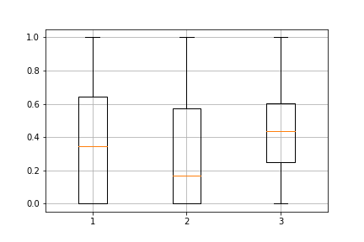
Project 3 | 0.0708 | 0.0400 | 0.3085 | 0.0333 | 0.0400 | 0.3499
Project 4 | 0.4709 | 0.3349 | 0.5310 | 0.4709 | 0.3247 | 0.5707
Project 5 | 0.4758 | 0.2762 | 0.5547 | 0.4510 | 0.2675 | 0.5399
Project 6 | 0.1638 | 0.1333 | 0.2485 | 0.0000 | 0.0571 | 0.3826
Project 7 | 0.5333 | 0.6343 | 0.7667 | 0.7233 | 0.6743 | 0.8500
Project 8 | 0.0000 | 0.0000 | 0.2431 | 0.0000 | 0.0000 | 0.2531
From this diagram, we can conclude that model 3, ie, Gaussian NB has highest F-measure value
Project 9 | 0.3995 | 0.0862 | 0.3165 | 0.3874 | 0.0522 | 0.3136
Project 10 | 0.2503 | 0.0287 | 0.2589 | 0.2453 | 0.0133 | 0.2600
Project 11 | 0.2608 | 0.0611 | 0.3285 | 0.2410 | 0.0524 | 0.3222
Project 12 | 0.0000 | 0.0000 | 0.1000 | 0.0000 | 0.0000 | 0.2933
Project 13 | 0.0000 | 0.0000 | 0.0000 | 0.0000 | 0.0000 | 0.0000
Project 14 | 0.6811 | 0.7109 | 0.5490 | 0.7316 | 0.7392 | 0.5841
Project 15 | 0.0000 | 0.0800 | 0.1700 | 0.0000 | 0.0800 | 0.2258
Project 16 | 0.0000 | 0.1594 | 0.2844 | 0.0000 | 0.1016 | 0.3610
Project 17 | 0.6441 | 0.3165 | 0.5868 | 0.6386 | 0.3059 | 0.5921
F-measure comparision of 3 different Naive Bayes Models
Project 18 | 0.4771 | 0.1871 | 0.4532 | 0.5013 | 0.0961 | 0.3519
Project 19 | 0.4287 | 0.2476 | 0.5406 | 0.5146 | 0.2258 | 0.4464
Project 20 | 0.0635 | 0.2133 | 0.4187 | 0.0000 | 0.1867 | 0.4256
Project 21 | 0.0000 | 0.0000 | 0.0772 | 0.0000 | 0.0000 | 0.1800
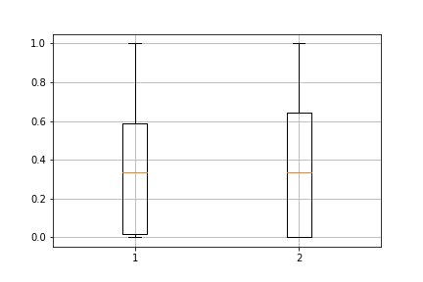
Project 22 | 0.1333 | 0.1333 | 0.4476 | 0.1600 | 0.0000 | 0.2600
Project 23 | 0.4442 | 0.2333 | 0.5581 | 0.4975 | 0.0333 | 0.6275
Project 24 | 0.4778 | 0.5015 | 0.6900 | 0.5436 | 0.3200 | 0.7021
Project 25 | 0.9458 | 0.9593 | 0.6071 | 0.9566 | 0.9593 | 0.7310
From this diagram, we can conclude that training with significant features gives slightly better f-measure value
Project 26 | 0.6290 | 0.6664 | 0.5607 | 0.6376 | 0.6449 | 0.5775
Project 27 | 0.7043 | 0.7213 | 0.5044 | 0.7133 | 0.7215 | 0.4701
Project 28 | 0.7066 | 0.7272 | 0.5387 | 0.7097 | 0.7315 | 0.5333
Project 29 | 0.6000 | 0.6933 | 0.5633 | 0.3333 | 0.6867 | 0.5967
Project 30 | 0.6500 | 0.6067 | 0.6314 | 0.7629 | 0.6181 | 0.6733
Project 31 | 0.0943 | 0.0194 | 0.3068 | 0.0804 | 0.0185 | 0.3072
Project 32 | 0.0435 | 0.0000 | 0.2282 | 0.0435 | 0.0000 | 0.2256
Project 33 | 0.0081 | 0.0007 | 0.1924 | 0.0000 | 0.0007 | 0.1974
Project 34 | 0.0197 | 0.0358 | 0.2667 | 0.0188 | 0.0344 | 0.2693
Project 35 | 0.0000 | 0.0096 | 0.2112 | 0.0000 | 0.0096 | 0.2030
Project 36 | 0.0809 | 0.0000 | 0.2166 | 0.0562 | 0.0000 | 0.2518
Project 37 | 0.3989 | 0.4397 | 0.3038 | 0.3989 | 0.0571 | 0.3002
F-measure comparision of before and after feature selection
Project 38 | 0.0000 | 0.0000 | 0.2667 | 0.0000 | 0.0000 | 0.5410
Project 39 | 0.1800 | 0.0000 | 0.3656 | 0.2800 | 0.0000 | 0.3333
Project 40 | 0.7048 | 0.7648 | 0.7314 | 0.7267 | 0.7648 | 0.7648
Project 41 | 0.0000 | 0.0000 | 0.2470 | 0.0000 | 0.0000 | 0.3732
Project 42 | 0.4137 | 0.2764 | 0.4829 | 0.3628 | 0.2630 | 0.5224
Project 43 | 0.5281 | 0.3445 | 0.5450 | 0.5330 | 0.3275 | 0.5710
Project 44 | 0.0000 | 0.0800 | 0.3364 | 0.0000 | 0.0000 | 0.4333
Project 45 | 0.6533 | 0.6933 | 0.7333 | 0.6800 | 0.6933 | 0.7333
Project 46 | 0.4714 | 0.5333 | 0.5276 | 0.5000 | 0.4000 | 0.6333
Project 47 | 0.2621 | 0.0384 | 0.3073 | 0.2621 | 0.0384 | 0.3168
Project 48 | 0.7549 | 0.7890 | 0.4494 | 0.7556 | 0.8018 | 0.4883
Project 49 | 0.4339 | 0.3298 | 0.3845 | 0.4220 | 0.3332 | 0.3892
Project 50 | 0.5700 | 0.5300 | 0.4619 | 0.6444 | 0.6267 | 0.4633
Project 51 | 0.8400 | 0.8533 | 0.8133 | 0.7533 | 0.8267 | 0.8933
Project 52 | 0.2621 | 0.0814 | 0.1856 | 0.1285 | 0.0000 | 0.1789
Project 53 | 0.4703 | 0.1866 | 0.4120 | 0.4827 | 0.1699 | 0.4352
Project 54 | 0.9396 | 0.8845 | 0.7126 | 0.9411 | 0.8688 | 0.7157
Project 55 | 0.5865 | 0.5068 | 0.3197 | 0.5942 | 0.5791 | 0.3050
Project 56 | 0.7433 | 0.8114 | 0.7767 | 0.8914 | 0.7981 | 0.7767

