Snap
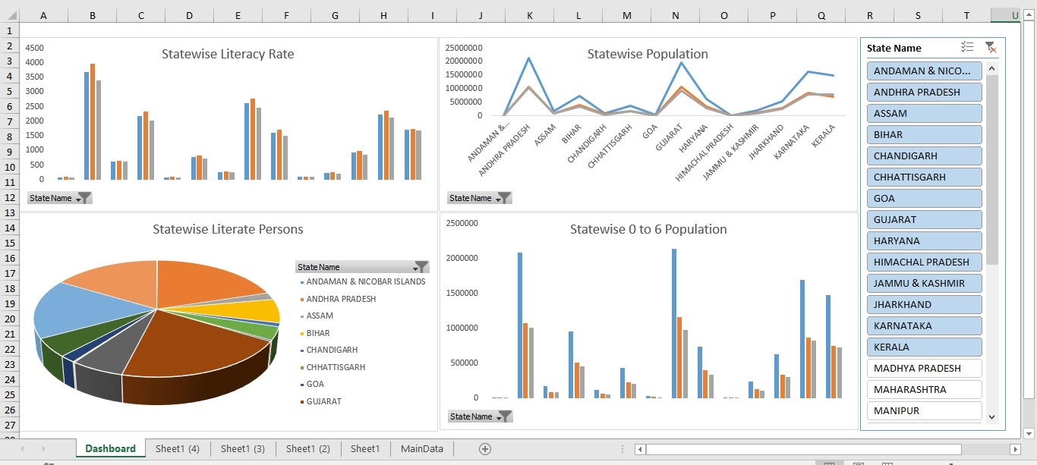

Dashboard
Statewise Literacy Rate
 | Sum of Literacy Rate Persons | Sum of Literacy Rate Males | Sum of Literacy Rate Females
ANDAMAN & NICOBAR ISLANDS | 89.76 | 92.79 | 86.34
ANDHRA PRADESH | 3682.38 | 3967.79 | 3398.55
ASSAM | 634.96 | 652.82 | 615.94
BIHAR | 2180.35 | 2323.96 | 2018.52
CHANDIGARH | 86.56 | 90.65 | 81.55
CHHATTISGARH | 779.46 | 835.01 | 721.5
GOA | 270.96 | 282.15 | 258.78
GUJARAT | 2623.27 | 2773.36 | 2460.4
HARYANA | 1617.17 | 1713.79 | 1507.41
HIMACHAL PRADESH | 94.14 | 94.9 | 93.2
JAMMU & KASHMIR | 236.69 | 254.67 | 216.83
JHARKHAND | 928.05 | 993.99 | 854.64
KARNATAKA | 2242.36 | 2356.43 | 2127.17
KERALA | 1706.25 | 1740.31 | 1675.33
Statewise Population
 | Sum of Population Persons | Sum of Population Males | Sum of Population Females
ANDAMAN & NICOBAR ISLANDS | 100608 | 53247 | 47361
ANDHRA PRADESH | 21261043 | 10752183 | 10508860
ASSAM | 1878053 | 974598 | 903455
BIHAR | 7281319 | 3859218 | 3422101
CHANDIGARH | 1025682 | 563127 | 462555
CHHATTISGARH | 3667832 | 1884063 | 1783769
GOA | 322001 | 167684 | 154317
GUJARAT | 19850738 | 10617156 | 9233582
HARYANA | 6311506 | 3377919 | 2933587
HIMACHAL PRADESH | 171817 | 94797 | 77020
JAMMU & KASHMIR | 2083923 | 1109318 | 974605
JHARKHAND | 5280205 | 2773448 | 2506757
KARNATAKA | 16351051 | 8395525 | 7955526
KERALA | 14935061 | 7139726 | 7795335

Statewise Literate Persons
 | Total
ANDAMAN & NICOBAR ISLANDS | 81908
ANDHRA PRADESH | 15647172
ASSAM | 1550586
BIHAR | 5170083
CHANDIGARH | 789436
CHHATTISGARH | 2800626
GOA | 262266
GUJARAT | 15725469
HARYANA | 4744362
HIMACHAL PRADESH | 148775
JAMMU & KASHMIR | 1426754
JHARKHAND | 3941786
KARNATAKA | 12914366
KERALA | 12796429
Statewise 0 to 6 Population
 | Sum of 0to6 Population Persons | Sum of 0to6 Population Males | Sum of 0to6 Population Females
ANDAMAN & NICOBAR ISLANDS | 9358 | 4852 | 4506
ANDHRA PRADESH | 2086403 | 1072345 | 1014058
ASSAM | 172771 | 87324 | 85447
BIHAR | 959646 | 506049 | 453597
CHANDIGARH | 113698 | 60902 | 52796
CHHATTISGARH | 434162 | 225311 | 208851
GOA | 31682 | 16891 | 14791
GUJARAT | 2136839 | 1158630 | 978209
HARYANA | 736147 | 402206 | 333941
HIMACHAL PRADESH | 13784 | 7291 | 6493
JAMMU & KASHMIR | 241525 | 130102 | 111423
JHARKHAND | 632663 | 333788 | 298875
KARNATAKA | 1690916 | 871261 | 819655
KERALA | 1475479 | 753862 | 721617

Sheet1 (4)
Statewise 0 to 6 Population
Row Labels | Sum of 0to6 Population Persons | Sum of 0to6 Population Males | Sum of 0to6 Population Females
ANDAMAN & NICOBAR ISLANDS | 9358 | 4852 | 4506
ANDHRA PRADESH | 2086403 | 1072345 | 1014058
ASSAM | 172771 | 87324 | 85447
BIHAR | 959646 | 506049 | 453597
CHANDIGARH | 113698 | 60902 | 52796
CHHATTISGARH | 434162 | 225311 | 208851
GOA | 31682 | 16891 | 14791
GUJARAT | 2136839 | 1158630 | 978209
HARYANA | 736147 | 402206 | 333941
HIMACHAL PRADESH | 13784 | 7291 | 6493
JAMMU & KASHMIR | 241525 | 130102 | 111423
JHARKHAND | 632663 | 333788 | 298875
KARNATAKA | 1690916 | 871261 | 819655
KERALA | 1475479 | 753862 | 721617
Grand Total | 10735073 | 5630814 | 5104259

Sheet1 (3)
Statewise Literate Persons
Row Labels | Sum of Literates Persons
ANDAMAN & NICOBAR ISLANDS | 81908
ANDHRA PRADESH | 15647172
ASSAM | 1550586
BIHAR | 5170083
CHANDIGARH | 789436
CHHATTISGARH | 2800626
GOA | 262266
GUJARAT | 15725469
HARYANA | 4744362
HIMACHAL PRADESH | 148775
JAMMU & KASHMIR | 1426754
JHARKHAND | 3941786
KARNATAKA | 12914366
KERALA | 12796429
Grand Total | 78000018

Sheet1 (2)
Statewise Population
Row Labels | Sum of Population Persons | Sum of Population Males | Sum of Population Females
ANDAMAN & NICOBAR ISLANDS | 100608 | 53247 | 47361
ANDHRA PRADESH | 21261043 | 10752183 | 10508860
ASSAM | 1878053 | 974598 | 903455
BIHAR | 7281319 | 3859218 | 3422101
CHANDIGARH | 1025682 | 563127 | 462555
CHHATTISGARH | 3667832 | 1884063 | 1783769
GOA | 322001 | 167684 | 154317
GUJARAT | 19850738 | 10617156 | 9233582
HARYANA | 6311506 | 3377919 | 2933587
HIMACHAL PRADESH | 171817 | 94797 | 77020
JAMMU & KASHMIR | 2083923 | 1109318 | 974605
JHARKHAND | 5280205 | 2773448 | 2506757
KARNATAKA | 16351051 | 8395525 | 7955526
KERALA | 14935061 | 7139726 | 7795335
Grand Total | 100520839 | 51762009 | 48758830

Sheet1
Statewise Literacy Rate
Row Labels | Sum of Literacy Rate Persons | Sum of Literacy Rate Males | Sum of Literacy Rate Females
ANDAMAN & NICOBAR ISLANDS | 89.76 | 92.79 | 86.34
ANDHRA PRADESH | 3682.38 | 3967.79 | 3398.55
ASSAM | 634.96 | 652.82 | 615.94
BIHAR | 2180.35 | 2323.96 | 2018.52
CHANDIGARH | 86.56 | 90.65 | 81.55
CHHATTISGARH | 779.46 | 835.01 | 721.5
GOA | 270.96 | 282.15 | 258.78
GUJARAT | 2623.27 | 2773.36 | 2460.4
HARYANA | 1617.17 | 1713.79 | 1507.41
HIMACHAL PRADESH | 94.14 | 94.9 | 93.2
JAMMU & KASHMIR | 236.69 | 254.67 | 216.83
JHARKHAND | 928.05 | 993.99 | 854.64
KARNATAKA | 2242.36 | 2356.43 | 2127.17
KERALA | 1706.25 | 1740.31 | 1675.33
Grand Total | 17172.36 | 18172.62 | 16116.16

