Sheet1
Business problem/objective
 | To understand the dynamics of the labour market of Armenia using the online job portal posts.
 | To implement advanced text analytics to answer various business objectives.

Approach for the problem
 | Data Exploration to identify the nature of job postings over the years
 | Tf-idf based classifier to predict whether a job description is for IT job or not.
 | K-Means clustering on required qualifications column to understand how these qualifications changed over years
 | LDA Topic modelling to determine the nature of jobs over the years
 | Cosine Similarity to identify similar job posts for a particular job title

Data understanding
 | There are 24 columns and 19001 job posting
 | Selected 7 columns for further analysis
 | Identified duplicates based on 'jobpost' and 'title' and 109 rows were removed

Data exploratory analysis

 | Total job posts over the years. There is slight dip in jobs for 2009 because of recession in 2008.

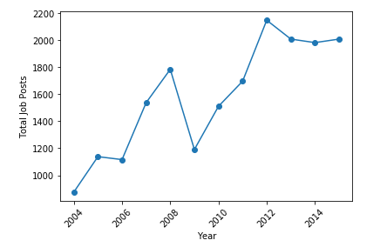

 | Total jobs per month over the years.
 | The number of jobs tends to be more in the months of March and June. Jobs are less in the month of December and January.

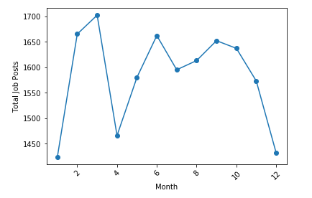

 | Top 10 hiring companies during the period

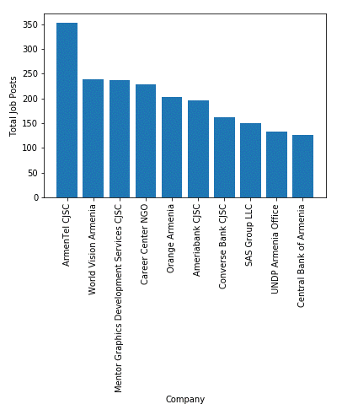

Detailed data preparations

 | New lines and Single Quotes were removed
 | Removed Email Address, Web Address and Telephone numbers
 | Removed Punctuations
 | Converted the entire text to lower case
 | Removed stopwords using nltk
 | Tokenized each column
 | Applied lemmatization

Obtained wordcloud of job post



Classification model

 | x = jobpost
 | y = IT

 | A classifier model was developed to predict whether the job posting is related to IT job or not.
 | Data was prepared using Tf-idf transformer

 | Good of fit metrics

 |  |  | Naïve Bayes |  | SVM |  | Logistic Regression
 |  |  | tuning parameters |  | tuning parameters |  | tuning parameters
 |  |  | Train | Test | Train | Test | Train | Test

 |  | accuracy | 0.921 | 0.914 | 0.804 | 0.794 | 0.951 | 0.937
 |  | precision | 0.692 | 0.674 | 0 | 0 | 0.815 | 0.766
 |  | f1_score | 0.774 | 0.764 | 0 | 0 | 0.866 | 0.833

 |  | Clearly, logistic regression model is performing better for classification.

Cluster Analysis

 | Required Qualification column was used for clustering.

 | Prepared data using tf-idf vectorizer
 |  | Removed words which are present in more than 70 % documents. Also, removed words present in less than 3 documents.

 |  | Obtained 6078 vectors from above steps
 |  | Applied Truncated SVD decomposition and selected top 1500 vectors.
 |  | Still retained 0.89 variance after decomposition

 | Applied K-Means clustering on the above data.

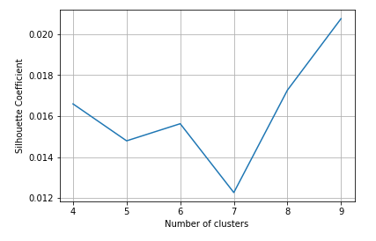

 | Selected K=6 based on SC score.

 | Examined top words in each cluster and identified job nature as below:

 | Cluster 1 - Higher Education
 | Cluster 2 - Project Management
 | Cluster 3 - Banking Sector
 | Cluster 4 - IT
 | Cluster 5 - Accounting and Finance
 | Cluster 6 - Communication

Named Entity Recognition

 | Used Spacy library to identify highly-sought after skills over the period of time



Topic Modelling

 | jobpost' column was used for topic modelling

 | LDA model was built using the gensim package to identify top 6 topics listed below:

 | Topic 1 - Higher Education
 | Topic 2 - Project Management
 | Topic 3 - IT and Software Industry
 | Topic 4 - Financial and Accounting
 | Topic 5 - Communication
 | Topic 6 - Marketing

 | The topics were visualized using pyLDAvis package.

Job Similarity

 | Title,job requirement, Required Qual and Job description columns were used to identify closely related jobs.

 | Cosine Similarity is the metric used to identify similar jobs.

 | For a sample, 'chief financial officer' job title was used to identify closely related job postings.
 | Indiviual cosine similarity score was identified for 'job requirement', 'Required Qual' and 'Job description' columns and these three values were averaged to get the final cosine similarity value for each job posting.

Quanitify business outcome from this model

 | These models help in understanding the dynamics of the Armenia labour market.
 | The classification model can be used to enhance the job portal search feature.
 | By identifying the cosine similarity, the job seekers can use this to find similar jobs in the market.
 | Job seekers can identify the trends and requirements in the latest job market

Pros & cons of the models

 | Pros:
 | The accuracy of classification model is very high and therefore very reliable
 | Profiling of the clustering model is very reliable.

 | Cons:
 | Presence of non-meaningful words in the model building dataset.

Recommendations & next steps

 | Job search websites can use the above information extraction methods to improve their search capabilities and features on the websites.
 | Enhance the capability of job matching function.

