Sheet1
Docker_Command | Description | Reference Images
Basic- Commands
docker run <image name> | This command Run the image in the docker.If the image does not exist it will pull it for the first time and the second time it will use the same image.
docker ps and docker ps -a | This command basically shows the container status. Docker ps -a will show all the container running and exited containers in the past.
docker stop <Container ID or Name of the application> | This command will stop the running Container.Check the status with docker ps -a
docker rm <Container ID or Name of the application> | This command will remove any stopped containers from the memory.Check the status with docker ps -a
docker image | This command will list all the images present in the docker.
docker rmi <image Name> | This command will remove the image from the docker. Note: Please make sure no caintainer are running of that imgae Delete and stop all the container before deleting.
docker pull <image Name or image name with the version wanted eg nginx:1.14-alpine> you can get the tags from https://hub.docker.com/ | This command will pull the image but will not run it. You can use this command if you don’t want docker to pull the image if not present in the docker run command. | 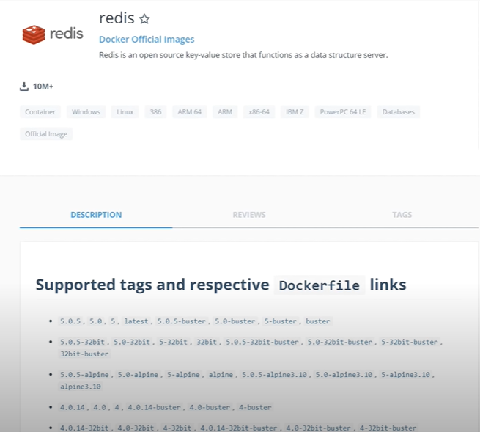
docker exec <Name of the container> command | This is to execute a command inside the docker container or on the docker container.
docker run -d <image name> and to attach use docker attach <conatiner id > | This is to run an application in the Detached mode. This will help in using the console and the conatiner will run in the background.To attach back to the application docker attach <conatiner id > you can use starting few letter of the id until it is unique. | 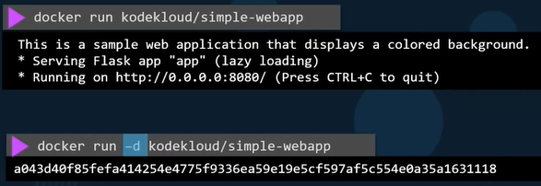
docker image prune -a | This will remove all images without at least one container associated to them. | 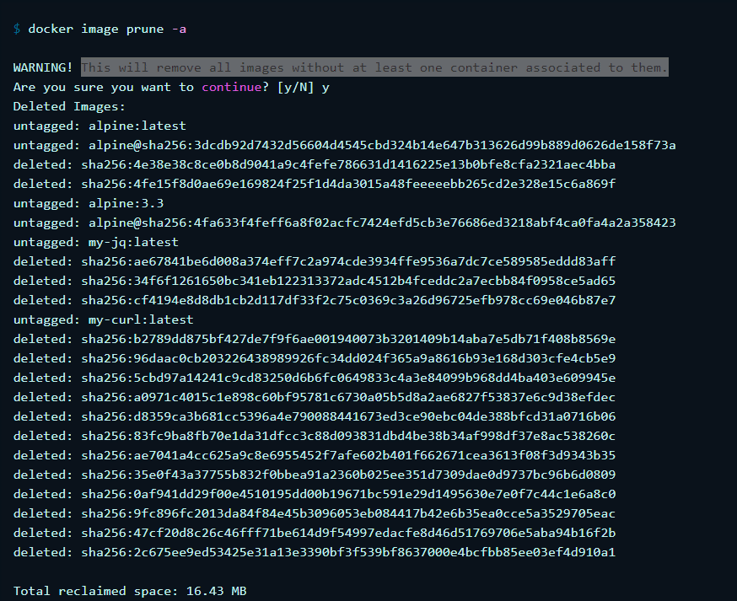
docker run -d --name <name of the container> <image name > | This command will give name to the application you want.
RUN - STDIN
docker run -i < image name> and docker run -it < image name> | These command helps in interacting with the container and the other command help in attaching a terminal with the promt
RUN - Port mapping
docker run -p port number to be mapped:existing port number < image name> | This is to map the port outside the container to run the web application on the browser by using the IP http://IP here :8080. | 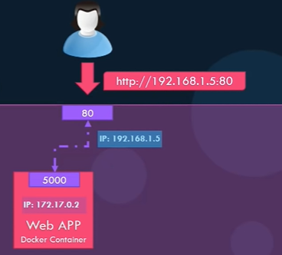
RUN - Volume mapping
docker run -v directory path to be mapped : directory path of the container < image name> | This command is to map a directory containing data in the container to the directory outside the container. Eg. MySQL container when databases and tables are created the data files are stored in location /var/Lib MySQL inside the docker container if you would like to persist data you would want to map a directory outside the container on the docker host to a directory inside the container | 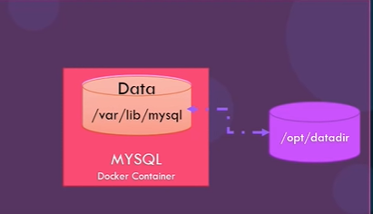
Inspect Container
docker inspect <application name or container ID> | Inspect command and provide the container name or ID it returns all details of a container in a json format such as the state Mounds configuration data network settings etc | 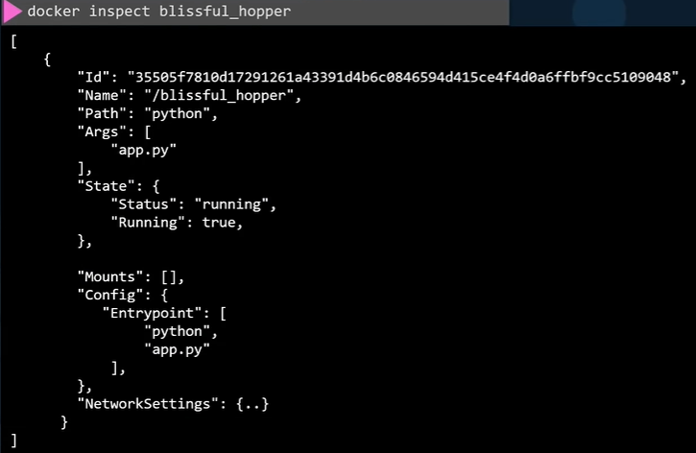
Container logs
docker logs <application name or container ID> | This command will give the logs of the Container. | 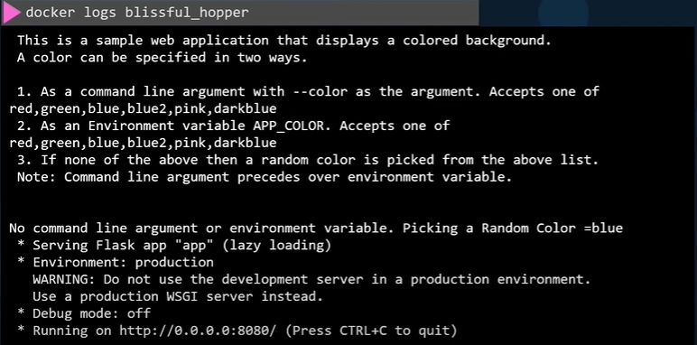
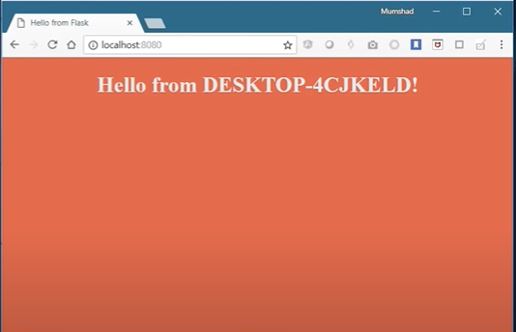
ENV Variables In Dockers
docker run -e <enviorment variable> <application name> | This command help in giving enviorment variable to the apllication | 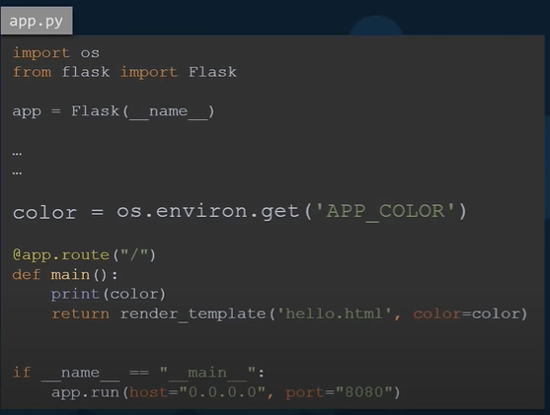 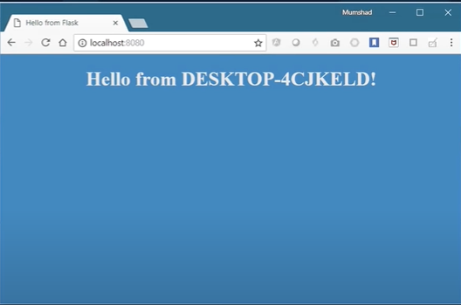
Network
docker run --netwrok=type of network | This command specifies the type of network for container. Default is Bridge Connection it is private internal network on the host which is isolated from the outside world to access we need to use port mapping other way is to specify the network as host this remove the isolation between host and docker container in this you will be only able to run one web server per port.Third is none in this it will have no access to any connection. | 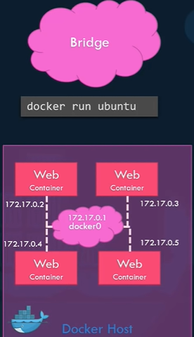 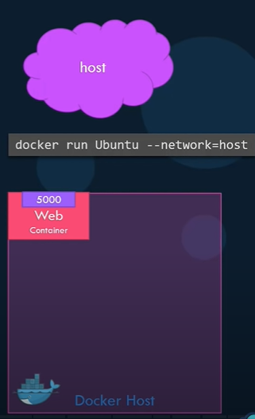 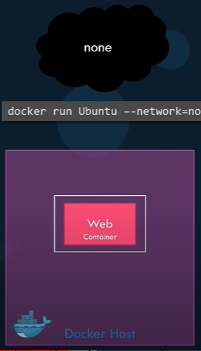
Docker Compose
docker-compose -f <path of yml file> up -d | This command executes the .yml file by the docker compose tool.
Deplyoing Private Registry
docker run -d -p 5000:5000 --name registry registry:2 | This command is you to create a registry to push custom images created | 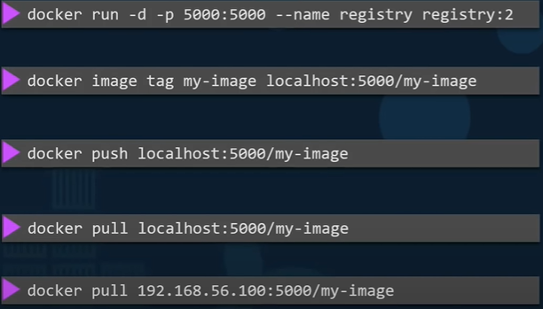
Kubernetes
kubectl run --replication = 1000 <image or application name> | This command is used to create replication of an instance | 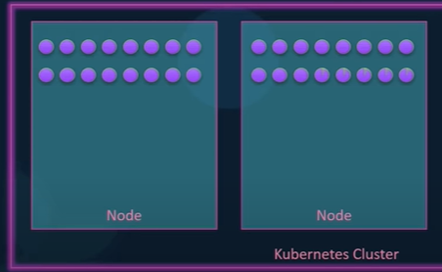
kubectl rolling-update <image or application name> --image=<image number>:2 | This command is used to create rolling upscale by 1
kubectl rolling-update <image or application name> --rollback | This command is used to create rolling back upscale
kubectl run <image or application name> | This command is use to run application on kubernetes cluster | 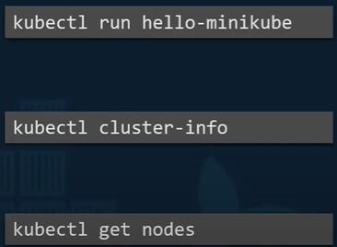
kubectl cluster-info | This is use to get cluster information
kubectl get nodes | This get the information of nodes on the cluster

