Sheet1
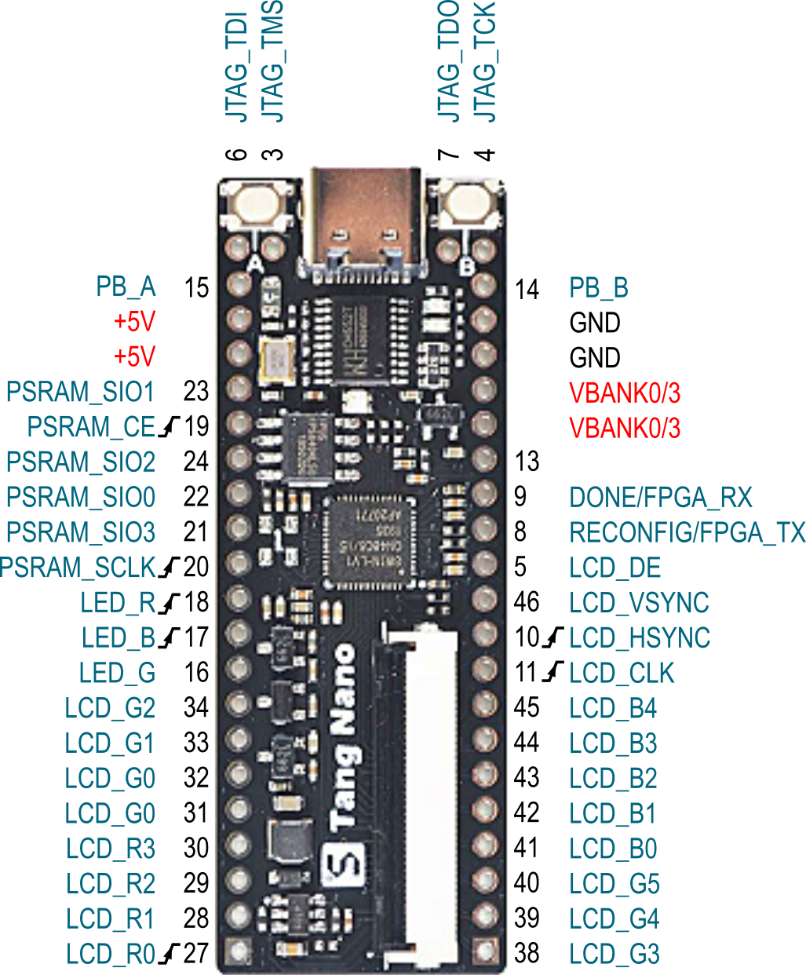
GW1N-1-LV FPGA |  | Net Names | RGB LED | CH552T uC | LCD | Buttons | PSRAM | LEFT HDR | RIGHT HDR
Pin No. | Pin Name
1 | VCCO0/VCCO3
2 | VSS
3 | IOL6A/TMS | JTAG_TMS
4 | IOL6B/TCK | JTAG_TCK
5 | IOL6C/SCLK |  |  |  | LCD_DE |  |  |  | 12
6 | IOL6D/TDI | JTAG_TDI
7 | IOL6E/TDO | JTAG_TDO
8 | IOL6F/RECONFIG_N | RECONFIG |  | FPGA_TX |  |  |  |  | 13
9 | IOL6G/DONE | DONE |  | FPGA_RX |  |  |  |  | 14
10 | IOL7A/GCLKT_6 |  |  |  | LCD_HSYNC |  |  |  | 10
11 | IOL7B/GCLKC_6 |  |  |  | LCD_CLK |  |  |  | 9
12 | VCCO0/VCCO3
13 | IOB3A | IOB3A |  |  |  |  |  |  | 15
14 | IOB3B | IOB3B |  |  |  | PB_B |  |  | 20
15 | IOB6B | IOB6B |  |  |  | PB_A |  | 20
16 | IOB7A | IOB7A | LED_G |  |  |  |  | 9
17 | IOB10A/GCLKT_5 | IOB10A | LED_B |  |  |  |  | 10
18 | IOB10B/GCLKC_5 | IOB10B | LED_R |  |  |  |  | 11
19 | IOB11A/GCLKT_4 | IOB11A |  |  |  |  | PSRAM_CE | 16
20 | IOB11B/GCLKC_4 | IOB11B |  |  |  |  | SCLK | 12
21 | IOB14A | IOB14A |  |  |  |  | SIO3 | 13
22 | IOB14B | IOB14B |  |  |  |  | SIO0 | 14
23 | IOB16A | IOB16A |  |  |  |  | SIO1 | 17
24 | IOB16B | IOB16B |  |  |  |  | SIO2 | 15
25 | VCCO2
26 | VSS
27 | IOR7A/GCLKT_3 |  |  |  | R0 |  |  | 1
28 | IOR6H/SSPI_CS_N/D0 |  |  |  | R1 |  |  | 2
29 | IOR6G/SO/D1 |  |  |  | R2 |  |  | 3
30 | IOR6F/SI/D2 |  |  |  | R3 |  |  | 4
31 | IOR6D/MCLK/D4 |  |  |  | R4 |  |  | 5
32 | IOR6C/MCS_N/D5 |  |  |  | G0 |  |  | 6
33 | IOR6B/MO/D6 |  |  |  | G1 |  |  | 7
34 | IOR6A/MI/D7 |  |  |  | G2 |  |  | 8
35 | IOR5A/GCLKT_2/RPLL_T_in | XTAL_IN
36 | VCCO1
37 | VCC
38 | IOT17B |  |  |  | G3 |  |  |  | 1
39 | IOT17A |  |  |  | G4 |  |  |  | 2
40 | IOT14B |  |  |  | G5 |  |  |  | 3
41 | IOT14A |  |  |  | B0 |  |  |  | 4
42 | IOT10B |  |  |  | B1 |  |  |  | 5
43 | IOT10A |  |  |  | B2 |  |  |  | 6
44 | IOT7B |  |  |  | B3 |  |  |  | 7
45 | IOT7A |  |  |  | B4 |  |  |  | 8
46 | IOT5B |  |  |  | LCD_VSYNC |  |  |  | 11
47 | IOT3B/MODE1 | IOT3B |  |  | LCD_BL
48 | IOT2B/MODE0 | IOT2B

