A̳ssets

Paleta de Cores
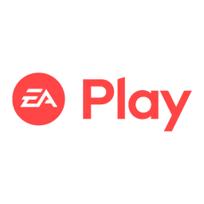
# 9BC848 | Xbox Color | # E8E6E9 | negative zone
# 22C55E | Xbox Color
# 2AE6B1 | Menus
# 5BF6A8 | Menus

Logos |  |  |  | ícones

C̳álculos
PERGUNTAS DE NEGÓCIO RESPONDIDA ATRAVÉS DE ALGUMA ANÁLISE DE DADO ESPECÍFICA

Pergunta de Negócio 1 - Qual faturamento Total de vendas de planos anuais (contendo todas as assunaturas agregadas)
Pergunta de Negócio 2 - Qual Faturamento Total de vendas de planos anuais, separando por auto renovação e não auto renovação

Rótulos de Linha | Soma de Total Value
Annual | R$ 1,754.00
No | R$ 217.00
Yes | R$ 1,537.00
Total Geral | R$ 1,754.00

D̳ashboard
XBOX GAME PASS SUBSCRIPTIONS SALES

R$ 940,00
TOTAL SUBSCRIPTIONS MINECRAFT SEASON PASS

 | Total
No | 217
Yes | 1537
TOTAL SUBSCRIPTIONS XBOX GAME PASS

