S-EX--22 COSMETIC BALTIMO (3)
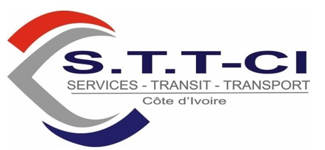

C.C N° 1703911 V
Régime d'imposition: REEL SIMPLIFIE
Centre des Impots : PORT-BOUET

FACTURE DEFINITIVE

TO: RACHPACO,07 BP 789 ABIDJAN 07
File: S-EX850/23 SUMA CI SUPERMARITIME --Dest: CAPE TOWN Martime: 1 COLIS : EQUIP HYDRAULIQUE NW= 205 KG KGS, GW 205 KGS Date: 23/08/2023 E3358 Du 21/08/2023

 | FORMALITES DOUANE

 | Item Description |  | Sub-File | Unit | Amount XOF
01 | Tirage declaration |  | S-EX850/23 | 1.00 | 40,000.00
02 | Taxe Sydam |  | S-EX850/23 | 1.00 | 20,000.00
03 | TS douane |  | S-EX850/23 | 1.00 | 20,000.00
04 | Passage Douane |  | S-EX850/23 | 1.00 | 55,000.00
05 | HAD |  | S-EX850/23 | 1.00 | 55,000.00
06 | Absence D3 |  | S-EX850/23 | 1.00 | 20,000.00
07 | Manutention |  | S-EX850/23 |  | 5,000.00

 |  |  | Sub Total |  | 215,000.00
 |  |  | VAT (18%) |  | 0.00
 |  |  | Grand Total |  | 215,000.00

Préparé Par:

OPERATIONS MANAGER |  | ADMIN & FINACE MANAGER |  | GENERAL MANAGER

Services Transit Transport cote d'ivoire SARL au capital 13.000.000 F CFA siège Social Abidjan Port bouet cite douane 07 BP 774 Abidjan 07 – Tel : 21-58-09-78 / 57 29 04 29 - Email : servicestransittransport@gmail.com C.C : 1703911V - RCCM N° : CI-ABJ-2017-B-2420- N° Compte Bancaire : CI034 01022 18140790004 61 BACI

