Sheet1
NPN TRANSISTOR BIASING

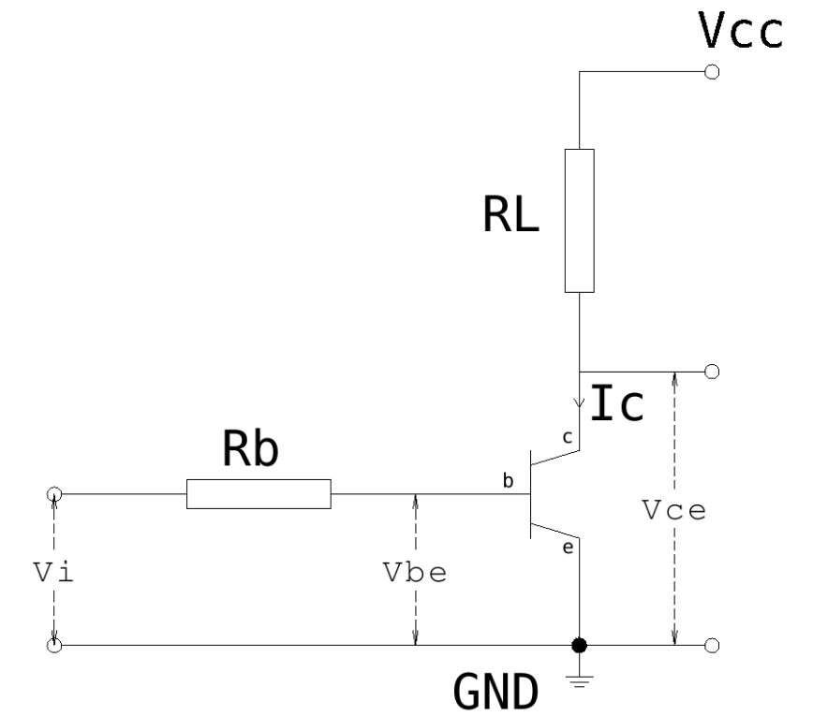
Vcc | 5 | V
Vce | 0 | V
RL | 500 | ohm
Ic | 0.01 | A
hFE | 312
Ib factor | 1
Ib | 3.2051282051E-05 | A
Vbe | 0.262 | V
Vi | 3.3 | V
Rb | 94785.6 | ohm

 | S8550 hfe=363 Vbe=262mv Ic=6.2mA

Sheet1_2
TRANSISTOR BIASING
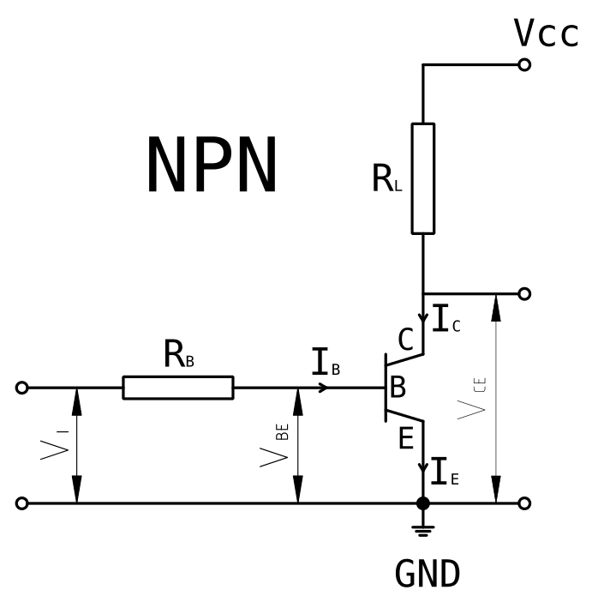
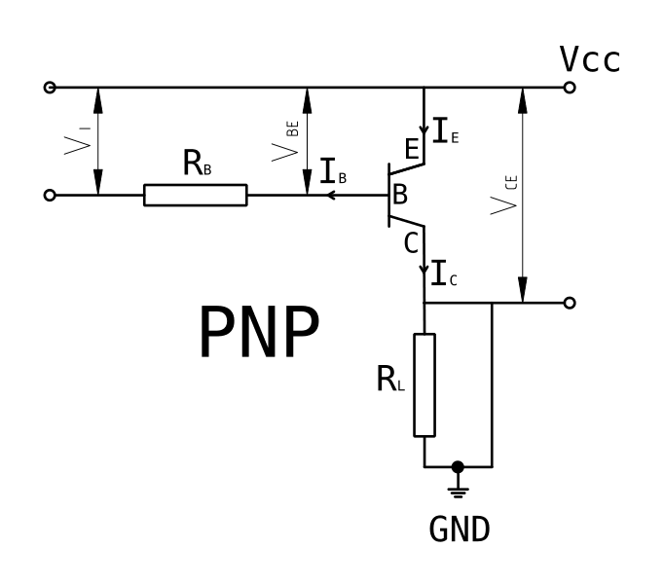
Vbe | 650.0 | mV
hFE | 309

Vcc | 5.000 | V
Vi | 3.300 | V
Ic | 0.100 | A
RL | 50.0 | ohm

Ib factor | 3
Ib | 0.9709 | mA | Ic = hFE * (Ib / Ibf)
Rb | 2729.5 | ohm | Ib = (Vi - Vbe) / Rb

