プロジェクト検索
Search and List Screen
1
Initial display
Business action

2
Search

3
Paging

The form that contains the entered search conditions
Search conditions DTO
Search result
BeanUtil
Universal DAO

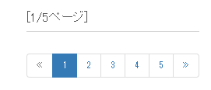

DB search
DB search
Search condition
Number of pages to be displayed = 1
Number of records displayed = 20
Search condition
Number of pages to be displayed = 2
Number of records displayed = 20

<n:include path="/WEB-INF/view/common/sidemenu.jsp" />
<n:include path="/WEB-INF/view/common/sidemenu.jsp" />
<n:include path="/WEB-INF/view/common/sidemenu.jsp" />

User table | Project table | Customer table | Industry type table
User ID | Project ID | Client ID | Industry type code
Kanji designation | Project name | Client name | Business name
Furigana | Project type | Industry type code (FK)
 | Project classification
 | Project start date
 | Project end date
 | Client ID
 | Project manager
 | Project leader
 | User ID
 | Remarks
 | Turnover
 | Sales cost
 | Selling, general and administrative expenses
 | Head office allocation
 | Version number

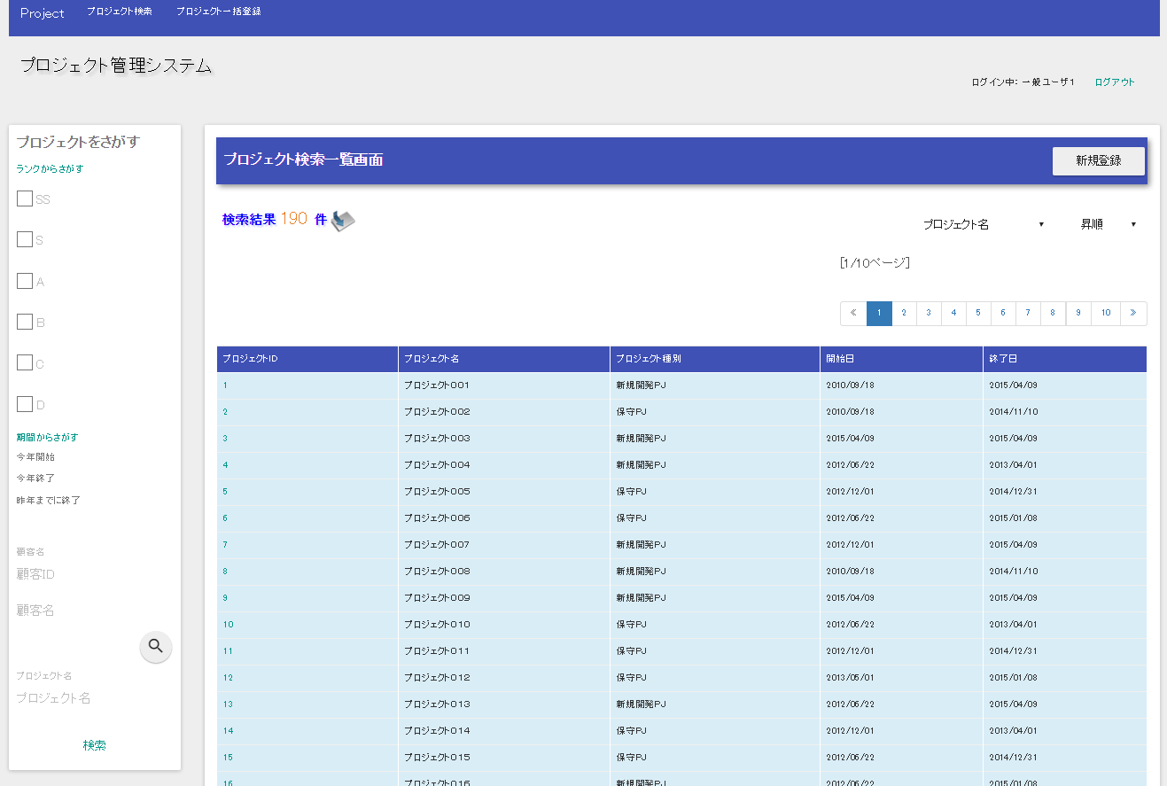
Search results
/WEB-INF/view/project/index.jsp
Search side menu
/WEB-INF/view/
common/sidemenu.jsp
<n:include path=
"/WEB-INF/view/common/sidemenu.jsp" />


Search method (ProjectAction#list)

/Action/project/list? search condition

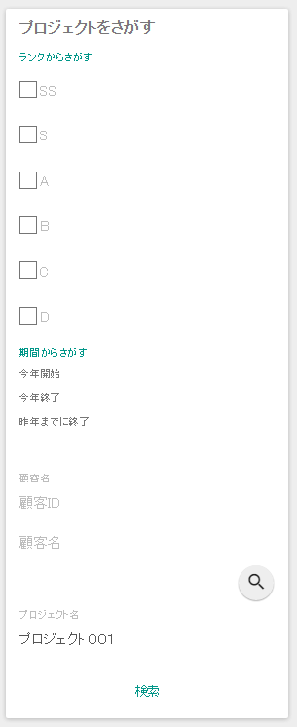

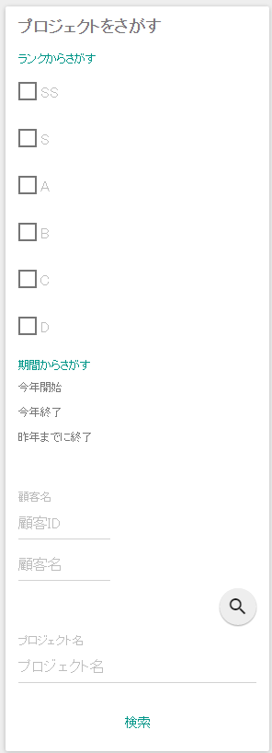

Click

