Sheet1
student_id | student_name | student_score
165170217 | john | 27
165170218 | wen | 46
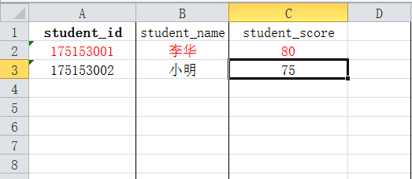

请按这样格式填写！

