Sheet1
student_id | student_name | student_score

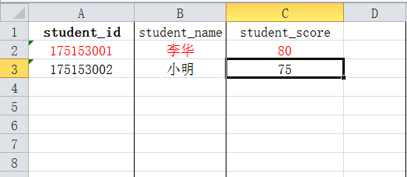

请按这样格式填写！

