ADT
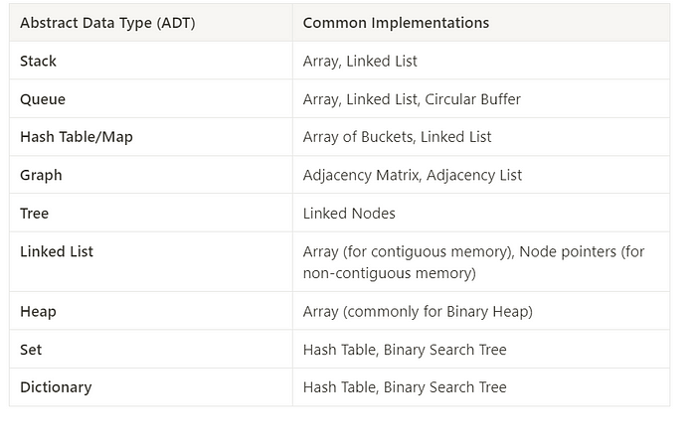
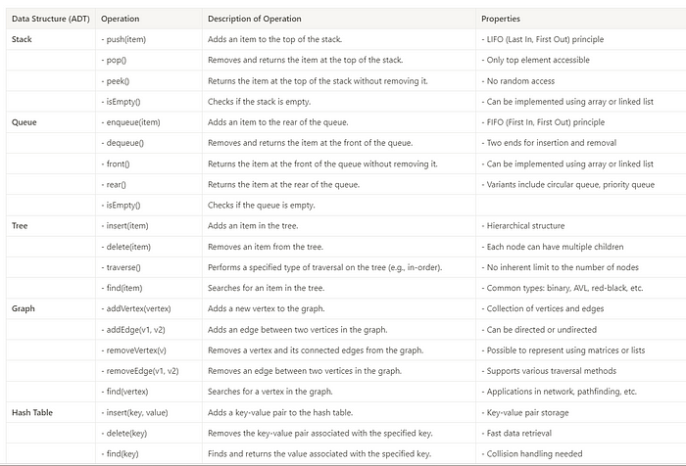
ADT | Description | Operations | Common Implementations | Most Used in Interviews | Notes
Stack | LIFO data structure | push, pop, peek, isEmpty, size | Array, Linked List | Linked List | Array is simpler but linked list provides dynamic sizing which is a key concept in interviews.
Queue | FIFO data structure | enqueue, dequeue, front, isEmpty, size | Array, Linked List | Linked List | Array implementation may involve shifting elements, hence linked lists are preferred for their efficiency in interviews.
Priority Queue | Specialized queue based on priority | insert, extractMin, decreaseKey, isEmpty | Binary Heap, Fibonacci Heap | Binary Heap | Binary heaps are efficient and relatively simpler to implement than Fibonacci heaps, hence commonly used in interviews.
Set | Collection of unique elements | add, remove, contains, size | Hash Table, Binary Search Tree | Hash Table | Hash tables offer average constant time complexity for operations, a frequent interview focus.
Map / Dictionary | Collection of key-value pairs | put, get, remove, containsKey, size | Hash Table, AVL Tree, Red-Black Tree | Hash Table | While trees maintain order, hash tables are used more often for their efficiency in interviews.
List | Ordered collection of elements | add, get, remove, indexOf, size | Array, Linked List | Array | Arrays provide simplicity and direct indexing, which is often the focus in interviews.
Graph | Set of nodes with edge relationships | addVertex, addEdge, removeVertex, removeEdge | Adjacency List, Adjacency Matrix | Adjacency List | Adjacency lists are more space-efficient for sparse graphs, which are common in interview problems.
Tree | Hierarchical data structure | insert, delete, traverse (various methods) | Linked Nodes, Arrays (for Binary Heaps) | Linked Nodes | Tree problems in interviews often focus on node manipulation and traversal algorithms.
Binary Search Tree | Type of tree with ordered nodes | insert, search, delete, findMin, findMax | Linked Nodes | Linked Nodes | BST operations are a common subject in interviews to assess understanding of tree balancing and searching techniques.

