Customer Journey
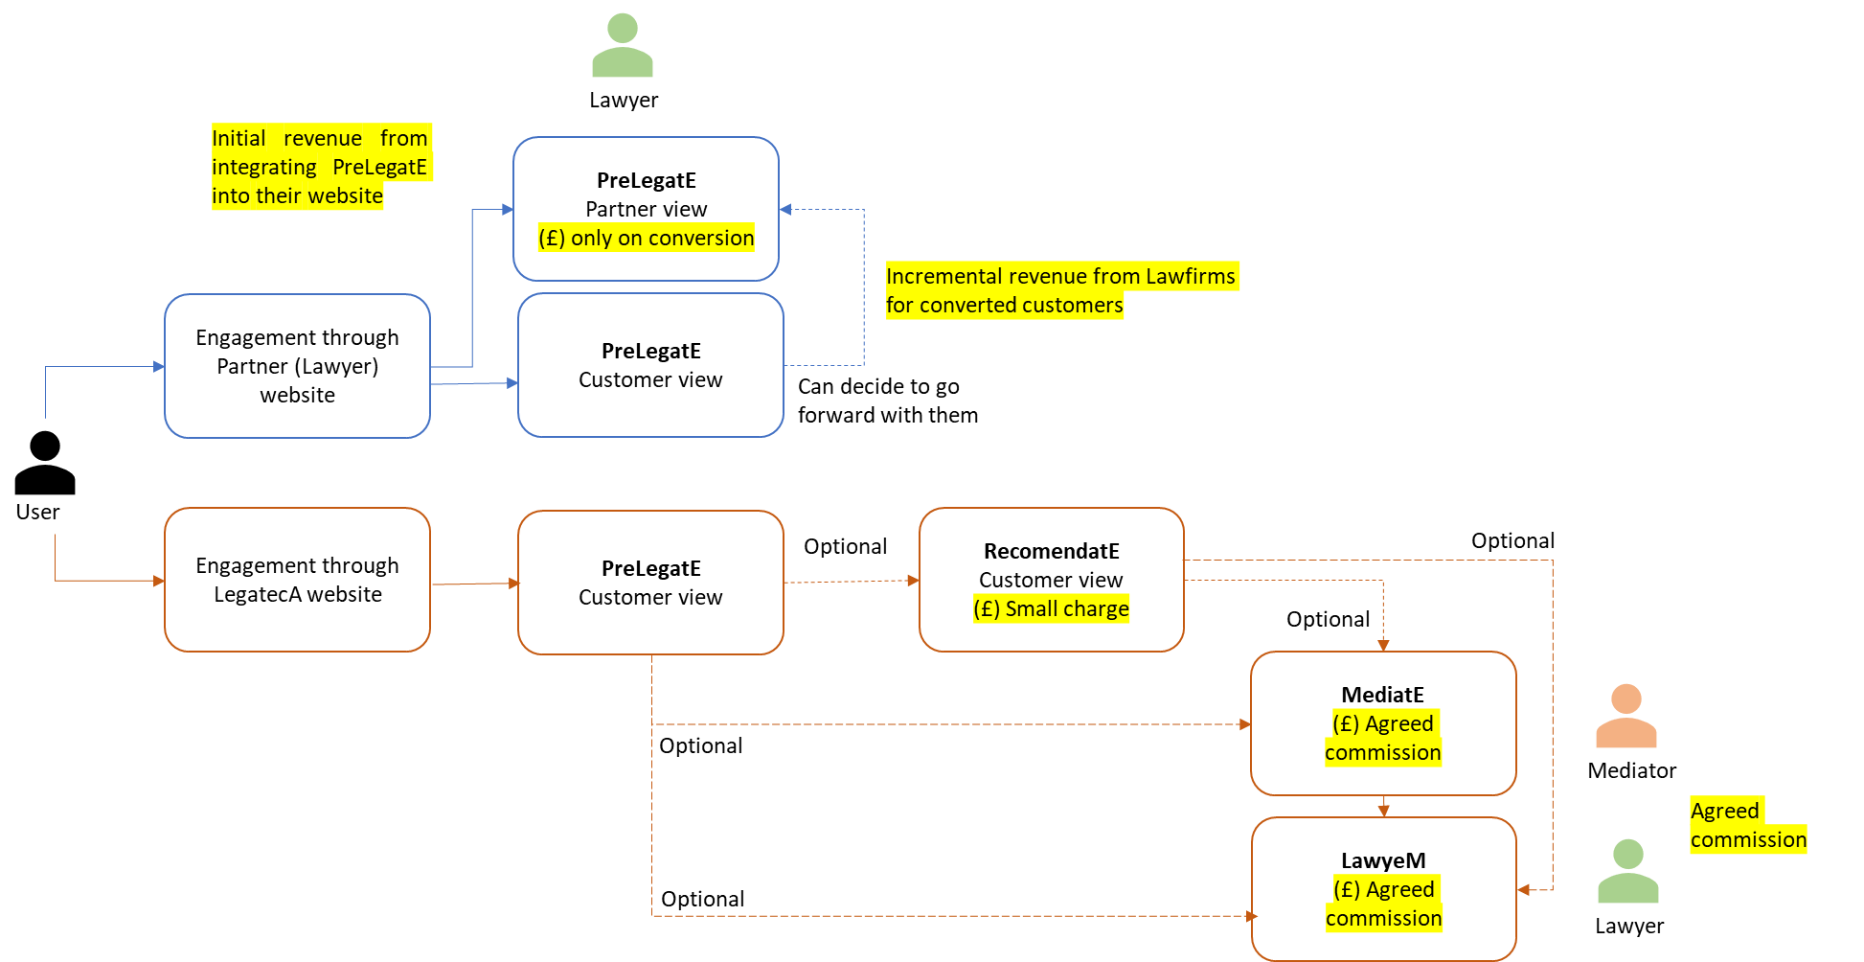
Input Data on Partner (Lawyer) website | --> | PrelegatE (customer view)
 |  | PrelegatE (Partner view)

Input Data on LegatecA website | --> | PrelegatE (customer view) |  |  | --> | PreMediatE | PreMediate involves MIAM
 |  |  |  |  | --> | LawyeM
 |  |  | --> | RecomendatE | --> | PreMediatE
 |  |  |  |  | --> | LawyeM

