Sheet1
MPU6050
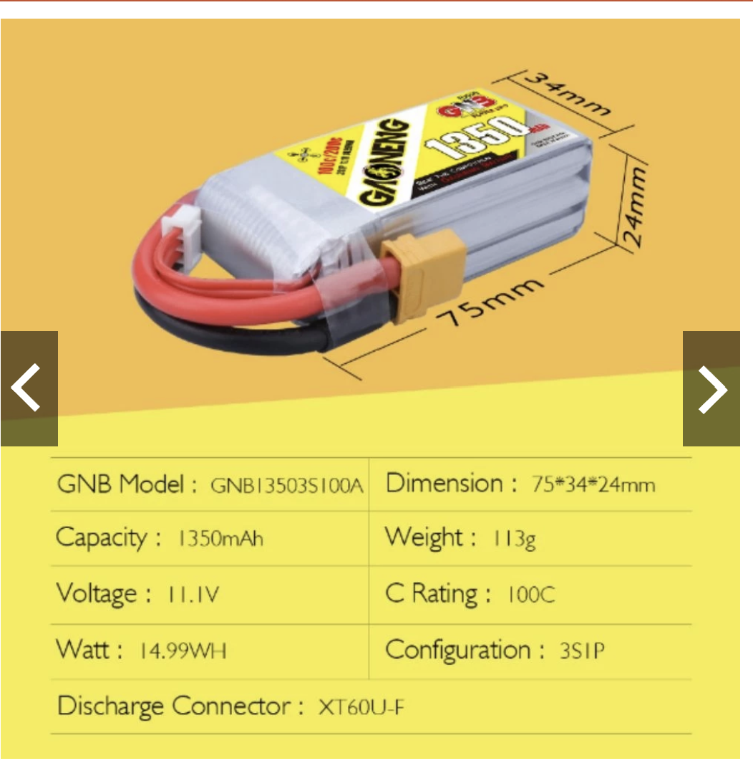

18cm

18cm
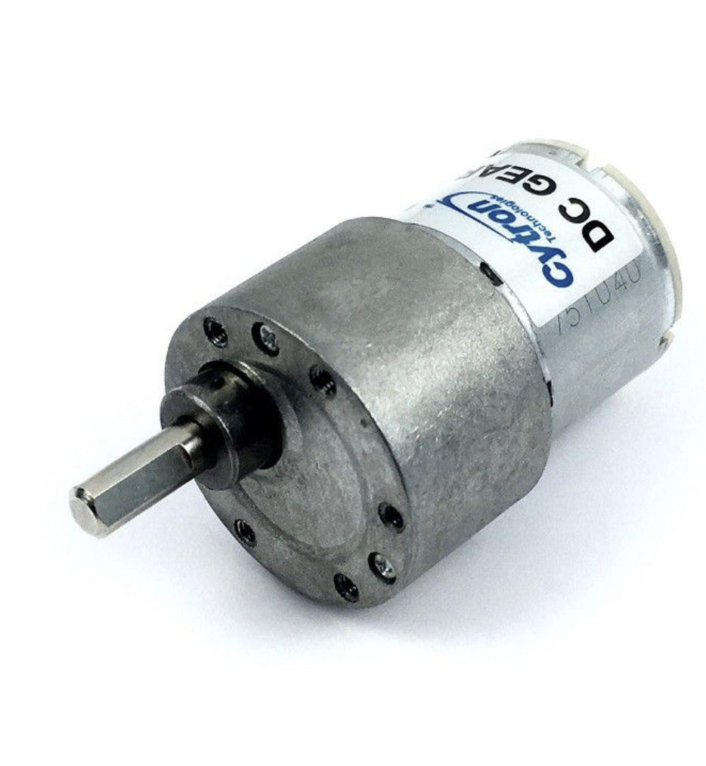

Motor Left
Motor Right

Rpi zero 2
ESP32 S3
L298n
 |  |  | 12V 225RPM 1.3kgfcm Brushed DC Geared Motor
12V 225RPM 1.3kgfcm Brushed DC Geared Motor

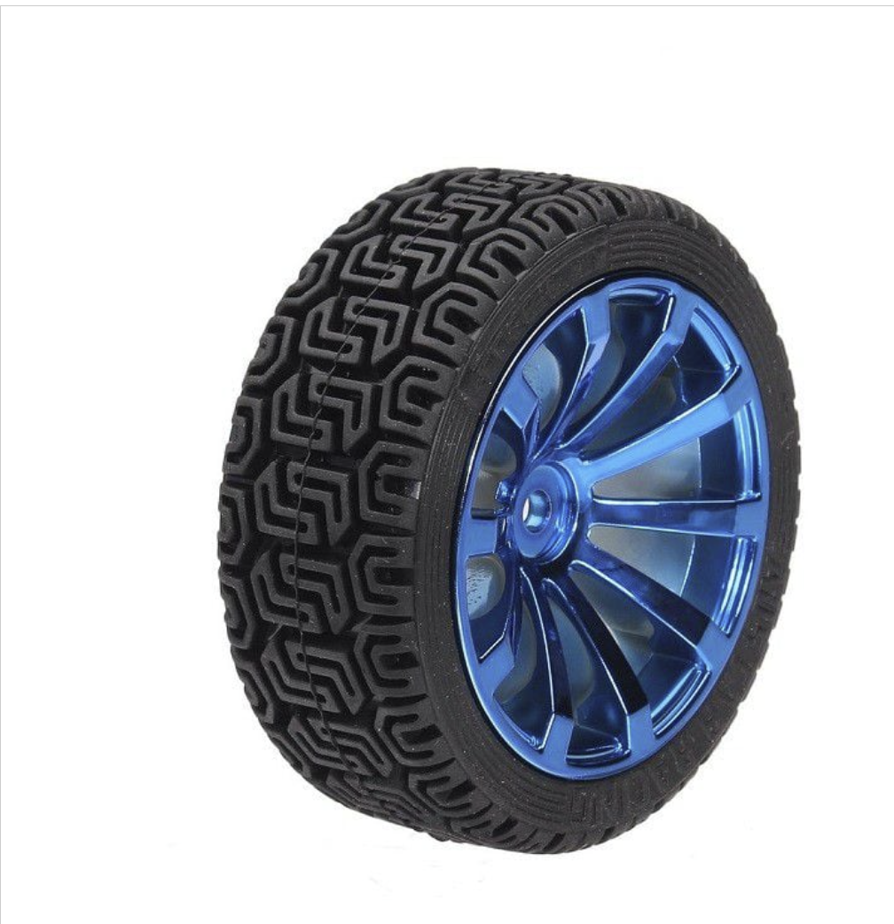

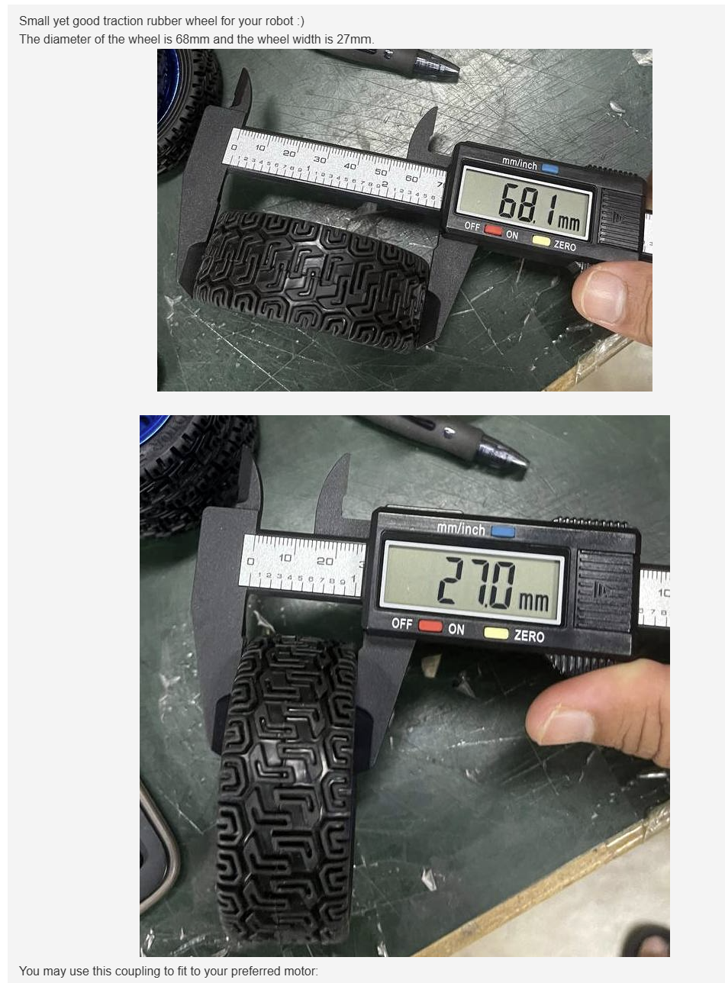
 | total_lenghth | 26cm
 | width/2 | 1.35
 | distance between middle left to right | 23.3

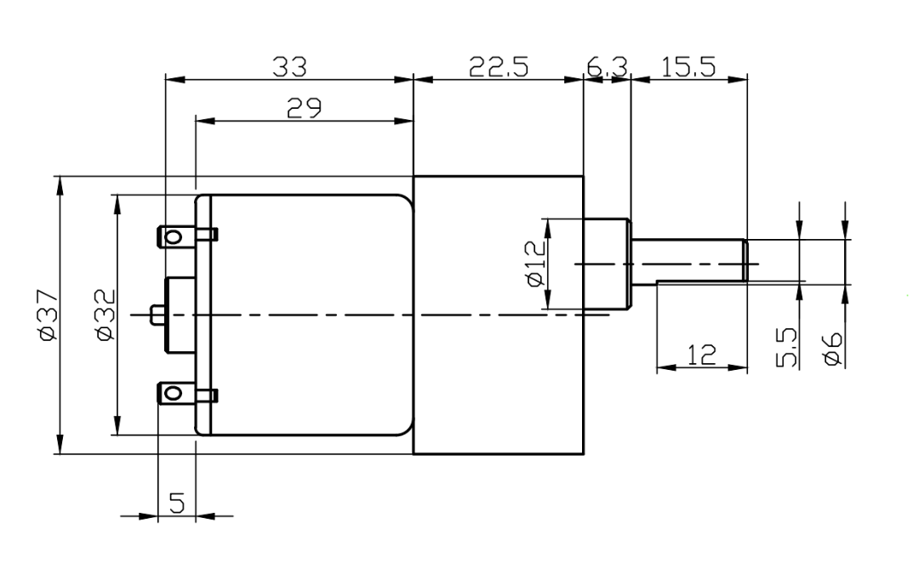
18cm
 | wheel width_half | 1.35
 | wheel_radius | 34.05

